Sheet1
ID | Summary | Version | Environment | Priority | severity | Description (Steps/Actual/Expected) | Evidence
1 | Change Password is accepting new password like previosly used password | 10.4 | iOS | High | Medium | Steps: 1-open "Go bus" APP 2-Login using your created user 3-Click on "My account" tab in the bottom 4-Click on "Edit Account" option 5-Click on "Change Password" button 6-Type down current password as it is 7-Type new password like current password value 8-Type confirm new password like current password value as well Actual: Chanage password isn't resulting in any validation errors and it's proceeding to edit account page Expected : Chanage password should result in validation error that this is like previously used password or like current password | 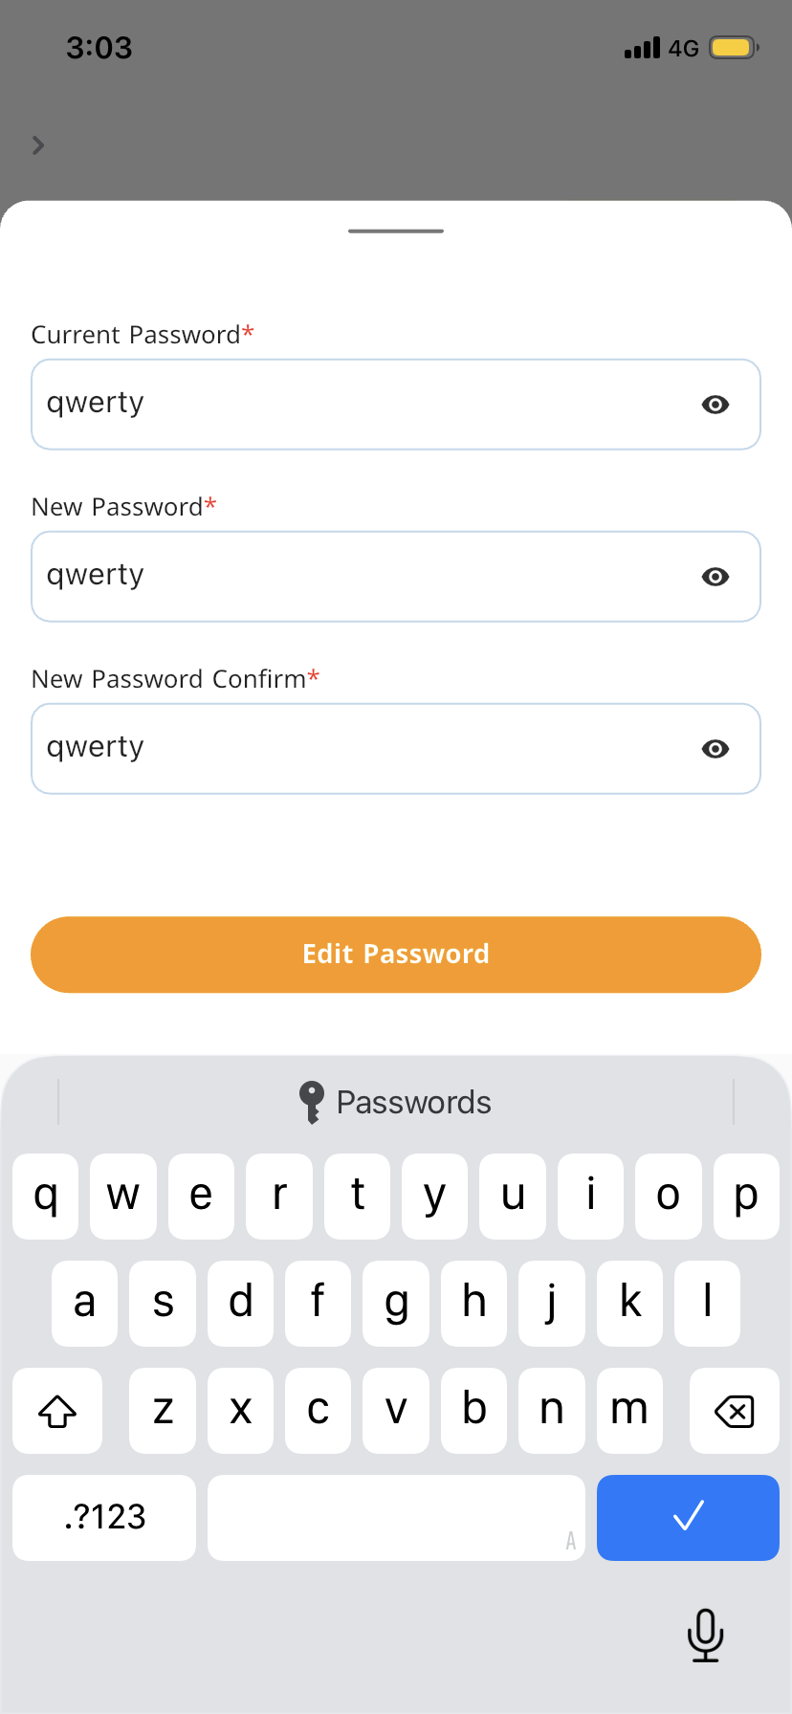
2 | Trips with number of seats less than the requested number is visible in the select trip page and upon selecting all of the available seats in any of them, Validation error message saying Choose the number of required available seats | 10.4 | iOS | Medium | Medium | Steps: 1-open "Go bus" APP 2-Click on "Go" icon 3-Select any values for the available dropdowns destinations 4-Select future date 5-Increase Individuals Number to be 8 6-Click on "Show Go Bus Trips" Actual: Trips with number of seats less than 8 is visible in the select trip page and upon selecting all of the available seats in any of them, Validation error message saying Choose 8 seats is displayed although there is no available 8 seats Expected : Trips with number of seats less than 8 shouldn't be displayed and if it should be displayed, it shouldn't say select all requested seats as it's more than the availble ones. | 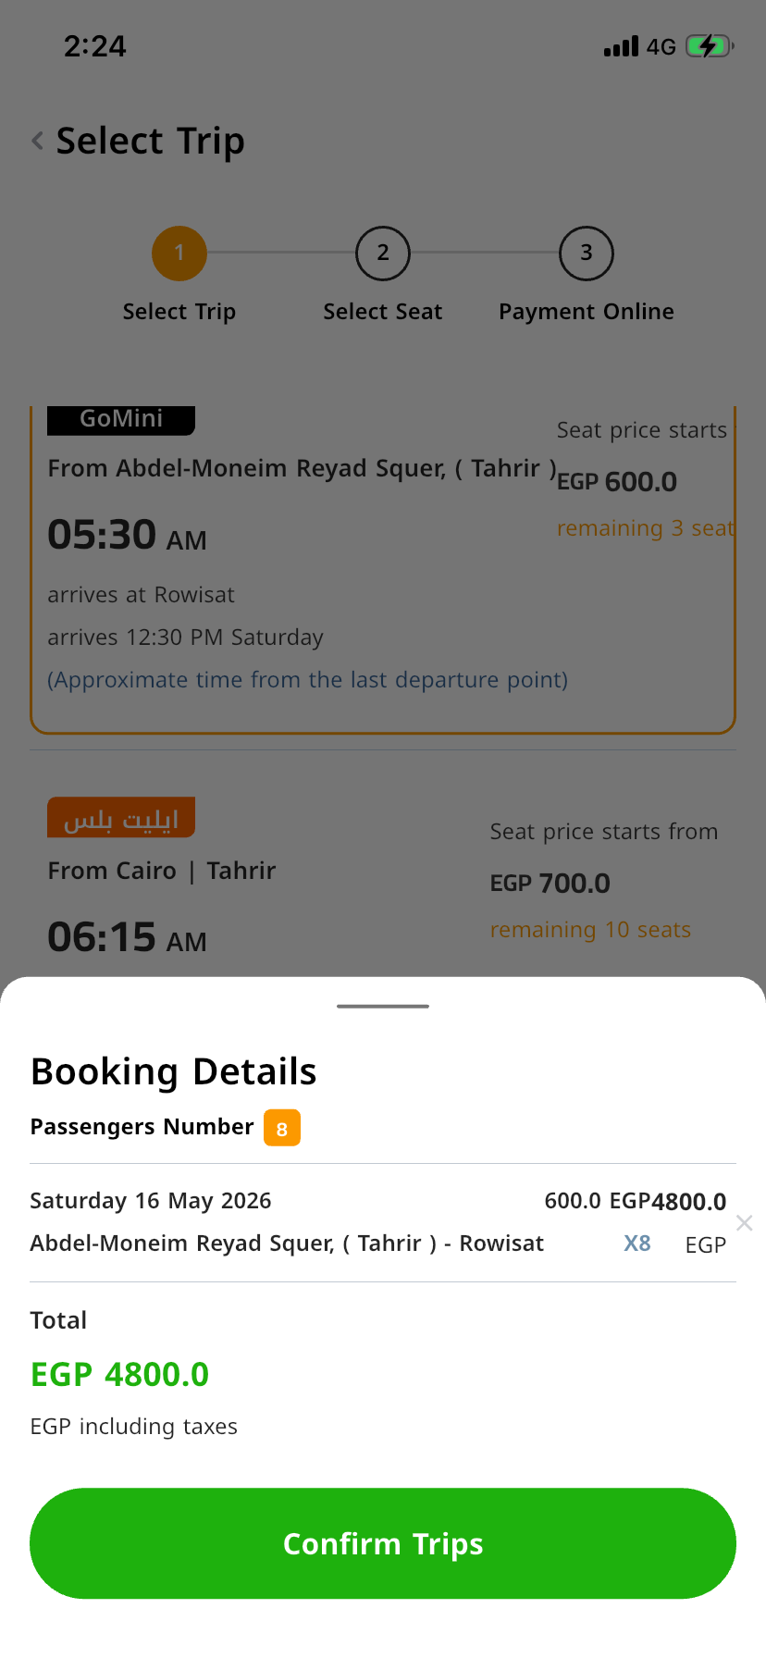
3 | `The country flag for "American Samoa" is not appearing in the sign up menu after pressing it for the phone number insertion. | 10.4 | iOS | low | minor | Steps: 1-open "Go bus" APP 2- click on my account 3- click on login account button 4-click on create account with email 5-select the "American Samoa" in the phone number field Actual: country flag is not appearing. Expected : country flag should appear for every selected country | 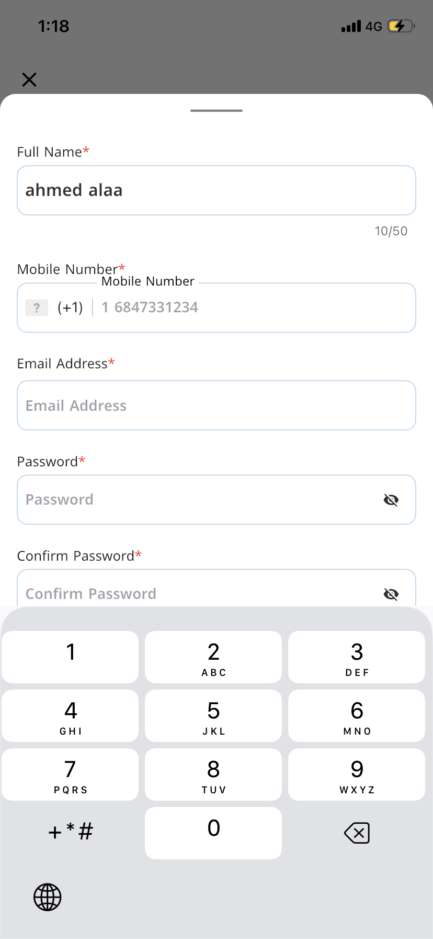
4 | "Email format is wrong" is displayed initially instead of "Email shouldn't be empty" and Mobile number has no validation error displayed below it, in case of we click on sign up without filling out any field | 10.4 | iOS | low | minor | Steps: 1-open "Go bus" APP 2- click on my account 3- click on login account button 4-click on create account with email 5-Don't fill out any field 6-Click on "Sign up" button Actual: "Email format is wrong" is displayed initially instead of "Email shouldn't be empty" and Mobile number has no validation error displayed below it, in case of we click on sign up without filling out any field Expected : All mandatory fields should have validation errors displayed that they are mandatory and can't be empty | 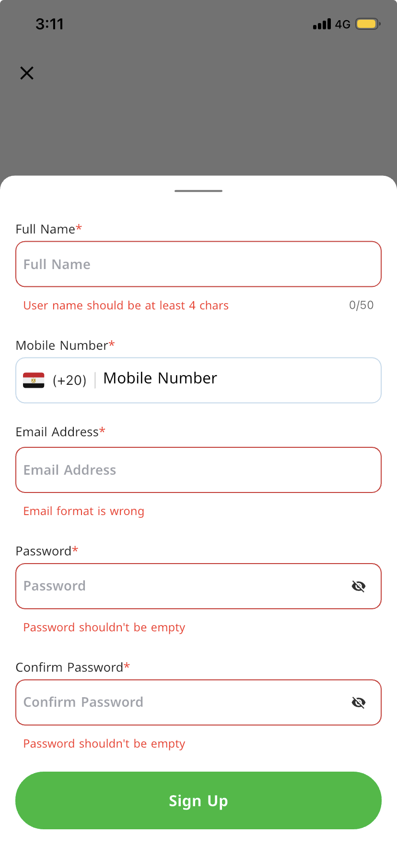
5 | Back icon in select trips page isn't user friendly and it should be bigger as on trying to click on it, the select trip page is clickable instead and no result | 10.4 | iOS | moderate | medium | Steps: 1-open "Go bus" APP 2-Click on "Go" icon 3-Select any values for the available dropdowns destinations 4-Select future date 5-Click on "Show Go Bus Trips" 6-Click on back icon or around it Actual: Back icon in select trips page isn't user friendly and it should be bigger as on trying to click on it, the select trip page is clickable instead and no result Expected : Back icon in select trips page should be user friendly and it should be bigger or it should have "back" as clickable text beside the icon instead of the non-clickable headline "Select Trip" beside it | 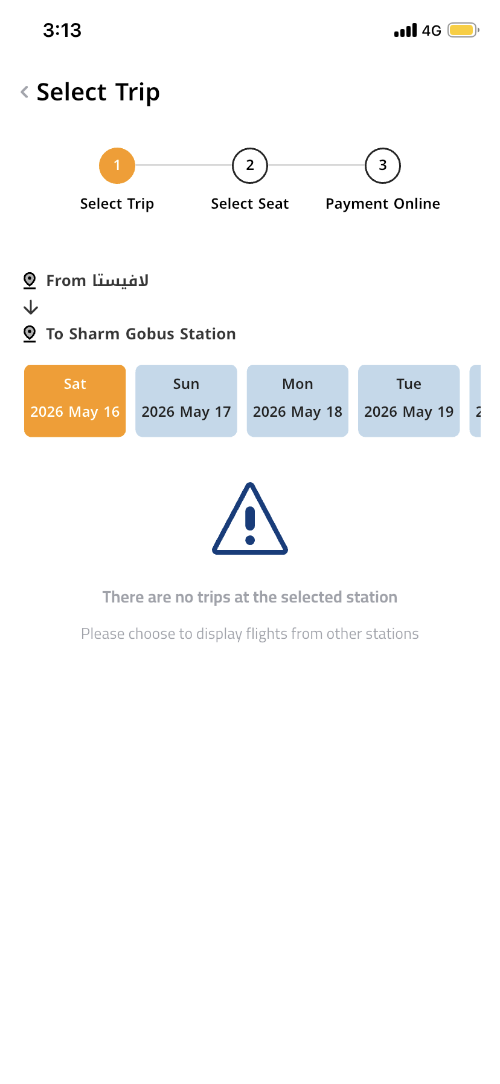
6 | On changing language to English, we have the some arabic words in the destinations like "الضبعة" & "الضبعة ريست" in "El Dabaa" destination | 10.4 | iOS | low | Minor | "Steps: 1-open ""Go bus"" APP 2-Change language to English 3-Click on ""Go"" icon 3-Check values of destinations drop downs Actual: On changing language to English, we have the some arabic words in the destinations like "الضبعة" & "الضبعة ريست" in "El Dabaa" destination Expected : All words should be written in English or the selected language | 