Sheet2
Project Name |  | Guru99 Bank
Software Version |  | Software Requirements Specification 2.0 , 19/11/2013
Date |  | 27/2/2025
Team |  | G2
Test Case ID | Bug ID | Title | Description | Preconditions | Steps to reproduce | Test Data | Expected Result | Actual Result | Attachement | Status | Priorty | Severity
TC_23 | Bug_001 | No error message is displayed When User enter invalid Customer id | _ | 1.Open Bank Wep Site 2.Navigate to New Account 3.enter invalid Customer id | 1. Enter invalid Customer id 2. Enter valid initial deposit 3. Chose Account Type Saving 4. Click Submit | 1. Customer id -> invalid 2. initial deposit -> 1000 | Error message "You are enter invalid Customer id " | Error message "You are not authorize to Add Account for this Customer" |  | New | High | Medium
TC_24 | Bug_002 | No error message is displayed When User enter same Email Id in edit customer | _ | 1.Open Bank Wep Site 2.Navigate to EditCustomer 3.enter same Email Id | 1. Enter valid Customer id 2. Click Submit 3. enter same Email for any previous customer 4. Click Submit | 1. Customer id -> valid 2. Email -> email for prev customer | Error message "Email Address Already Exist !!" | No Error message | _ | New | Highest | Medium
TC_25 | Bug_003 | Different error message is displayed When User enter invalid Customer id | _ | 1.Open Bank Wep Site 2.Navigate to EditCustomer | 1. Enter invalid Customer id 2. Click Submit | 1. Customer id -> invalid | Error message "Email Address Already Exist !!" | Error message "You are not authorize to edit this customer!!" |  | New | High | Medium
TC_27 | Bug_004 | No error message is displayed When User enter invalid account no in Customized Statement | _ | 1.Open Bank Wep Site 2.Navigate to Customized Statement | 1. Enter invalid account no 2. Enter valid From Date 3. Enter valid To Date 4. Enter valid Minimum Transaction 5.Enter valid Number of Transaction 2. Click Submit | account no -> invalid(05) From Date -> valid(9/5/2022) To Date -> valid(5/8/2024) Minimum Transaction -> valid(500) Number of Transaction -> vslid(5) | Error message "Account does not exist" | No Error message | _ | New | High | Medium
TC_28 | Bug_005 | No error message is displayed When User enter From Date is greater than To Date in Customized Statement | _ | 1.Open Bank Wep Site 2.Navigate to Customized Statement | 1. Enter invalid account no 2. Enter From Date is greater than To Date 4. Enter valid Minimum Transaction 5.Enter valid Number of Transaction 2. Click Submit | account no -> 5835 From Date -> (9/5/2028) To Date -> (5/8/2024) Minimum Transaction -> valid(500) Number of Transaction -> vslid(5) | Error message "From Date is greater than To Date" | No Error message | _ | New | Highest | Medium
TC_29 | Bug_006 | error message is displayed When User enter Valid account no in Delete Account | _ | 1.Open Bank Wep Site 2.Navigate to Delete Account | 1. Enter Valid account no 2. Click Submit | account no -> 5835 | No Error message | Error message "Account could not be deleted!!!" |  | New | Highest | Medium
_ | Bug_007 | update invalid data in When User enter inValid data in Edit Customer Account | _ | 1.Open Bank Wep Site 2.Navigate to Edit Customer | 1. Enter Valid Customer ID 2. Click Submit | 1. Customer id -> 12574 | No Update Occure | Customer information update bu invalid data |  | New | Highest | Medium
_ | Bug_008 | UI issue | "Fund Transfer" element don't appears when open bank site | 1.Open Bank Wep Site | _ | _ | "Fund Transfer" element appears when open bank site | "Fund Transfer" element don't appears when open bank site |  | New | Highest | Medium
_ | Bug_009 | UI issue | "Withdraw" element don't appears when open bank site | 1.Open Bank Wep Site | _ | _ | "Withdraw" element appears when open bank site | "Withdraw" element don't appears when open bank site |  | New | Highest | Medium
_ | Bug_010 | UI issue | "Change Password" element don't appears when open bank site | 1.Open Bank Wep Site | _ | _ | "Change Password" element appears when open bank site | "Change Password" element don't appears when open bank site |  | New | Highest | Medium
_ | Bug_011 | UI issue | "Deposit" element don't appears when open bank site | 1.Open Bank Wep Site | _ | _ | "Deposit" element appears when open bank site | "Deposit" element don't appears when open bank site | 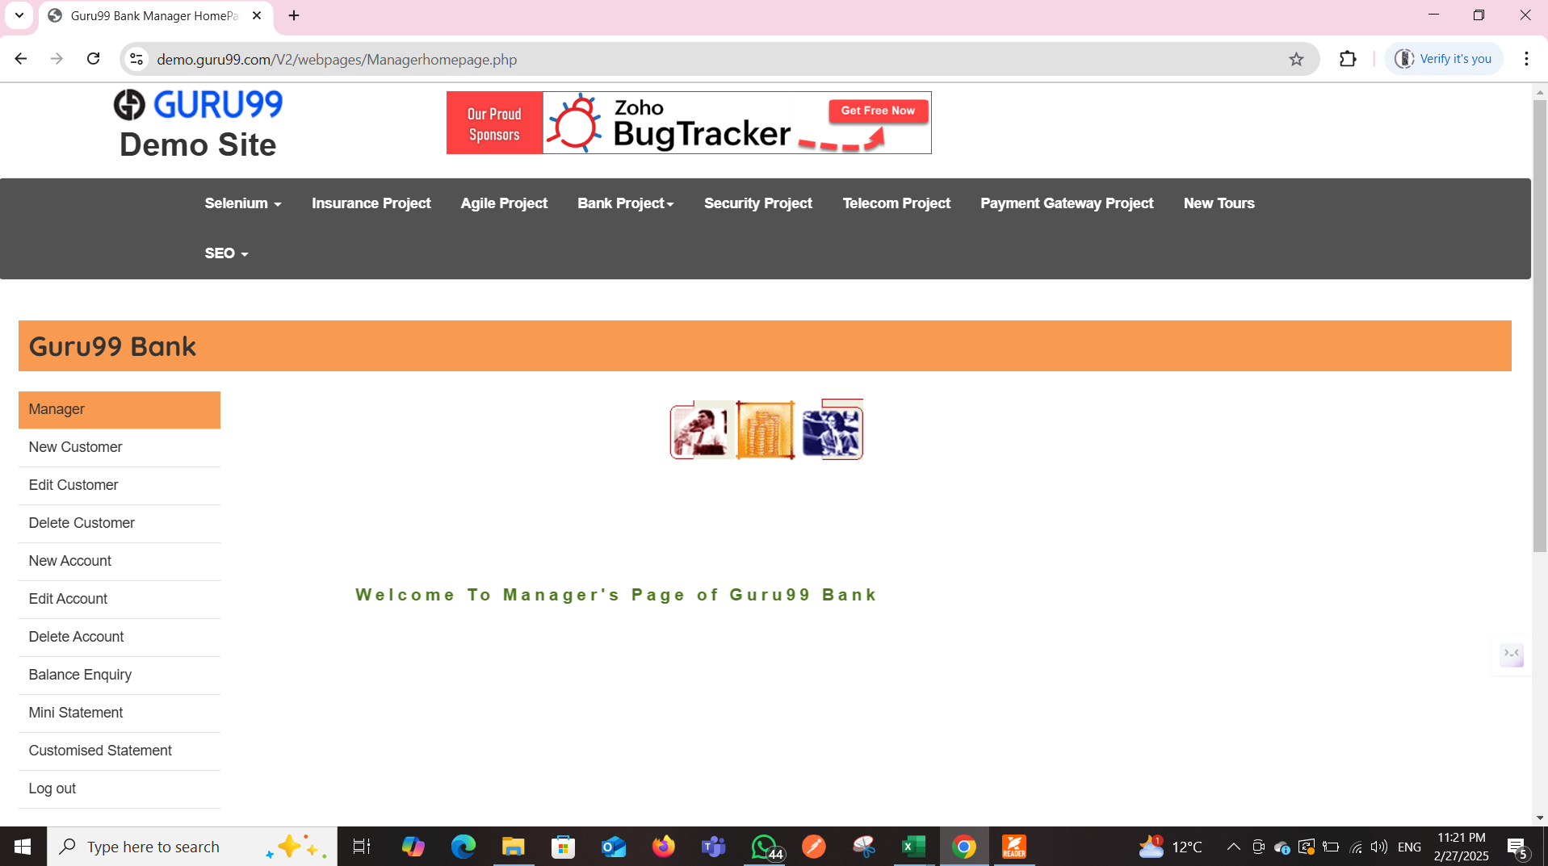 | New | Highest | Medium
_ | Bug_012 | UI issue | Unexpected "Home" element appears on Edit Customer | 1.Open Bank Wep Site 2.Navigate to Edit Customer | 1. Enter valid Customer id 2. Click Submit 3. Observe that the "Home" element appears unexpectedly | _ | The "Home" element should not appear in Edit Customer if it has no clear functionality. | The "Home" element appears unexpectedly in Edit Customer , which may confuse users. |  | New | High | Medium | `
_ | Bug_013 | UI issue | GURU99 Bank name changes unexpectedly in the Gtpl section | 1.Open Bank Wep Site 2.Navigate to Edit Customer | 1. Enter valid Customer id 2. Click Submit 3.Observe the displayed bank name in the form. | _ | The bank name should remain consistent unless intentionally updated by the user | The bank name changes unexpectedly while in the Edit Customer section, leading to incorrect or inconsistent customer information. |  | New | High | Medium

