Sheet1
Characteristics of portfolio (Please provide real numbers instead of percentages. For example, use 0.02 instead of 2%.) |  |  | Monthly Portfolio returns (Please provide real numbers instead of percentages. For example, use 0.02 instead of 2%.)
 | Value-weighted portfolio | Minimum variance portfolio |  | Value-weighted portfolio | Minimum variance portfolio
Annualized average return | 0.08185403 | 0.03942931 | Jan-14 | -0.0335015 | 0.03796384
Annualized volatility | 0.1586989 | 0.13920969 | Feb-14 | 0.0708743 | 0.07575729
Annualized cumulative return | 0.07161478 | 0.03016887 | Mar-14 | -0.00690468 | -0.00611141
Sharp ratio | 0.50660616 | 0.2727764 | Apr-14 | 0.01989565 | 0.02523205
Minimum monthly return | -0.15341776 | -0.12018987 | May-14 | 0.01270543 | 0.01622898
Maximum monthly return | 0.18269875 | 0.14278022 | Jun-14 | -0.00459124 | 0.00824472
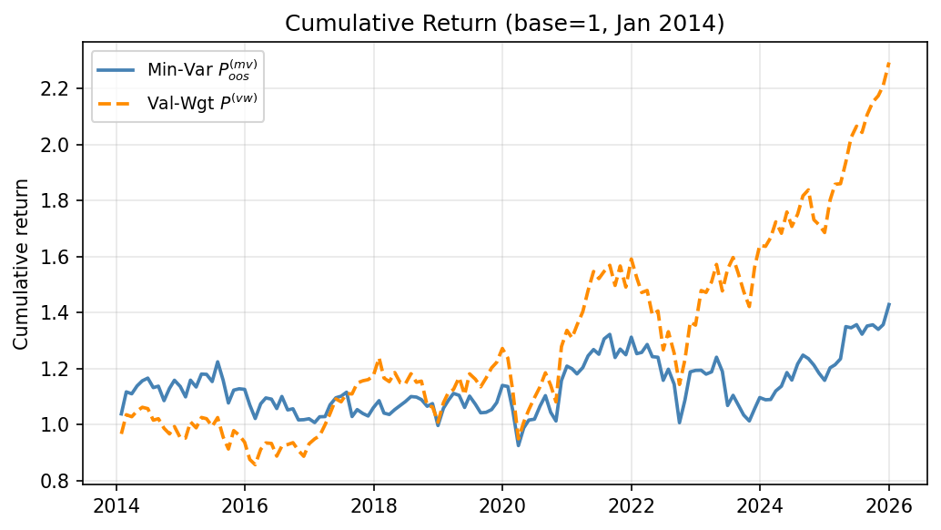
Plot of the cumulative return | (insert your plot here) | (insert your plot here) | Jul-14 | -0.03910022 | -0.02909647
 |  |  | Aug-14 | 0.00522623 | 0.00452561
 |  |  | Sep-14 | -0.03344536 | -0.04544328
 |  |  | Oct-14 | -0.02037105 | 0.04051039
 |  |  | Nov-14 | 0.0272772 | 0.02558149
 |  |  | Dec-14 | -0.04049661 | -0.01922815
 |  |  | Jan-15 | -0.00115655 | -0.03267707
 |  |  | Feb-15 | 0.06100355 | 0.05425822
 |  |  | Mar-15 | -0.02121773 | -0.02104998
 |  |  | Apr-15 | 0.03752309 | 0.04079696
 |  |  | May-15 | -0.00444852 | -0.00090475
 |  |  | Jun-15 | -0.02694124 | -0.02182154
 |  |  | Jul-15 | 0.03186669 | 0.06120899
 |  |  | Aug-15 | -0.06768982 | -0.05348502
 |  |  | Sep-15 | -0.04502171 | -0.07055707
 |  |  | Oct-15 | 0.07224091 | 0.04274497
 |  |  | Nov-15 | -0.01693822 | 0.00430477
 |  |  | Dec-15 | -0.02612204 | -0.00183985
 |  |  | Jan-16 | -0.06556903 | -0.0493841
 |  |  | Feb-16 | -0.02161857 | -0.04541031
 |  |  | Mar-16 | 0.06439792 | 0.05151642
 |  |  | Apr-16 | 0.02490328 | 0.01950848
 |  |  | May-16 | -0.00191065 | -0.00397532
 |  |  | Jun-16 | -0.04858814 | -0.03084826
 |  |  | Jul-16 | 0.04064367 | 0.0408103
 |  |  | Aug-16 | 0.00579078 | -0.04366335
 |  |  | Sep-16 | 0.0072761 | 0.00386865
 |  |  | Oct-16 | -0.0300432 | -0.03769446
 |  |  | Nov-16 | -0.02282074 | 0.00081559
 |  |  | Dec-16 | 0.05029991 | 0.00332801
 |  |  | Jan-17 | 0.0189369 | -0.01338374
 |  |  | Feb-17 | 0.01137494 | 0.02050699
 |  |  | Mar-17 | 0.04161641 | 0.00066594
 |  |  | Apr-17 | 0.03933847 | 0.04048784
 |  |  | May-17 | 0.05072624 | 0.02390821
 |  |  | Jun-17 | -0.0094424 | 0.00518
 |  |  | Jul-17 | 0.02720137 | 0.01304295
 |  |  | Aug-17 | -0.0011137 | -0.07805976
 |  |  | Sep-17 | 0.03506897 | 0.02412614
 |  |  | Oct-17 | 0.00701093 | -0.01313596
 |  |  | Nov-17 | 0.00356959 | -0.0086883
 |  |  | Dec-17 | 0.01098816 | 0.02820717
 |  |  | Jan-18 | 0.05564212 | 0.02436682
 |  |  | Feb-18 | -0.05842843 | -0.04102375
 |  |  | Mar-18 | -0.01101782 | -0.00465594
 |  |  | Apr-18 | 0.02812416 | 0.01688156
 |  |  | May-18 | -0.03046158 | 0.01378583
 |  |  | Jun-18 | -0.00394049 | 0.01299949
 |  |  | Jul-18 | 0.03200097 | 0.016745
 |  |  | Aug-18 | -0.02603123 | -0.00178017
 |  |  | Sep-18 | 0.00372612 | -0.00807324
 |  |  | Oct-18 | -0.07619581 | -0.02203078
 |  |  | Nov-18 | -0.00379871 | 0.00901829
 |  |  | Dec-18 | -0.05148098 | -0.07294615
 |  |  | Jan-19 | 0.06903848 | 0.06209884
 |  |  | Feb-19 | 0.03412629 | 0.02688153
 |  |  | Mar-19 | 0.0091938 | 0.02259234
 |  |  | Apr-19 | 0.03836692 | -0.00631842
 |  |  | May-19 | -0.0530067 | -0.0391123
 |  |  | Jun-19 | 0.06779359 | 0.03832587
 |  |  | Jul-19 | -0.01647681 | -0.02654509
 |  |  | Aug-19 | -0.02338625 | -0.02852016
 |  |  | Sep-19 | 0.02811969 | 0.00164852
 |  |  | Oct-19 | 0.03087978 | 0.00945455
 |  |  | Nov-19 | 0.01647657 | 0.02353685
 |  |  | Dec-19 | 0.04035406 | 0.05699041
 |  |  | Jan-20 | -0.02688241 | -0.00340182
 |  |  | Feb-20 | -0.09437592 | -0.07518068
 |  |  | Mar-20 | -0.15341776 | -0.1196924
 |  |  | Apr-20 | 0.0626791 | 0.06814394
 |  |  | May-20 | 0.04444673 | 0.02860375
 |  |  | Jun-20 | 0.04065667 | 0.00305805
 |  |  | Jul-20 | 0.03507883 | 0.04527499
 |  |  | Aug-20 | 0.04453689 | 0.03568406
 |  |  | Sep-20 | -0.03752093 | -0.05394934
 |  |  | Oct-20 | -0.05223892 | -0.02979716
 |  |  | Nov-20 | 0.18269875 | 0.14278022
 |  |  | Dec-20 | 0.04549735 | 0.04457488
 |  |  | Jan-21 | -0.02019327 | -0.00794052
 |  |  | Feb-21 | 0.03477731 | -0.01518732
 |  |  | Mar-21 | 0.03548203 | 0.01904627
 |  |  | Apr-21 | 0.05412212 | 0.03487392
 |  |  | May-21 | 0.04580791 | 0.01806173
 |  |  | Jun-21 | -0.01653437 | -0.01328241
 |  |  | Jul-21 | 0.01707257 | 0.04388201
 |  |  | Aug-21 | 0.01408531 | 0.01242333
 |  |  | Sep-21 | -0.04596834 | -0.06260117
 |  |  | Oct-21 | 0.04652986 | 0.02432789
 |  |  | Nov-21 | -0.04823199 | -0.01601348
 |  |  | Dec-21 | 0.06732629 | 0.05035537
 |  |  | Jan-22 | -0.0422441 | -0.04496932
 |  |  | Feb-22 | -0.03447408 | 0.0036281
 |  |  | Mar-22 | 0.00504886 | 0.02245375
 |  |  | Apr-22 | -0.05871224 | -0.03378285
 |  |  | May-22 | 0.00986357 | -0.00169236
 |  |  | Jun-22 | -0.09907642 | -0.06650363
 |  |  | Jul-22 | 0.05138003 | 0.03433606
 |  |  | Aug-22 | -0.05769612 | -0.04483574
 |  |  | Sep-22 | -0.08909882 | -0.12018987
 |  |  | Oct-22 | 0.07742585 | 0.08011983
 |  |  | Nov-22 | 0.10967048 | 0.09285318
 |  |  | Dec-22 | -0.0084805 | 0.00447944
 |  |  | Jan-23 | 0.09136865 | 0.00051659
 |  |  | Feb-23 | -0.00458824 | -0.01175882
 |  |  | Mar-23 | 0.02553789 | 0.00695096
 |  |  | Apr-23 | 0.04135268 | 0.04409493
 |  |  | May-23 | -0.06038681 | -0.04069544
 |  |  | Jun-23 | 0.05285053 | -0.10259647
 |  |  | Jul-23 | 0.02673463 | 0.03402175
 |  |  | Aug-23 | -0.0373647 | -0.03306774
 |  |  | Sep-23 | -0.04000682 | -0.03159579
 |  |  | Oct-23 | -0.03672507 | -0.02060311
 |  |  | Nov-23 | 0.09876596 | 0.04298923
 |  |  | Dec-23 | 0.05031398 | 0.03788094
 |  |  | Jan-24 | -0.00237811 | -0.00715738
 |  |  | Feb-24 | 0.0190667 | 0.00098565
 |  |  | Mar-24 | 0.03380657 | 0.02797657
 |  |  | Apr-24 | -0.02364783 | 0.01520387
 |  |  | May-24 | 0.04528063 | 0.0427588
 |  |  | Jun-24 | -0.02945142 | -0.02266102
 |  |  | Jul-24 | 0.02568925 | 0.0497961
 |  |  | Aug-24 | 0.03738605 | 0.02593633
 |  |  | Sep-24 | 0.01169918 | -0.01005991
 |  |  | Oct-24 | -0.05806292 | -0.01874245
 |  |  | Nov-24 | -0.0103714 | -0.02373564
 |  |  | Dec-24 | -0.01620765 | -0.02169762
 |  |  | Jan-25 | 0.06892747 | 0.03877114
 |  |  | Feb-25 | 0.03117153 | 0.00895135
 |  |  | Mar-25 | 0.00111095 | 0.01749825
 |  |  | Apr-25 | 0.04142947 | 0.09318882
 |  |  | May-25 | 0.04550852 | -0.00309305
 |  |  | Jun-25 | 0.01993113 | 0.00823033
 |  |  | Jul-25 | -0.01081338 | -0.02508032
 |  |  | Aug-25 | 0.03094371 | 0.02215197
 |  |  | Sep-25 | 0.02158023 | 0.00318799
 |  |  | Oct-25 | 0.01028982 | -0.01198273
 |  |  | Nov-25 | 0.0168597 | 0.01260473
 |  |  | Dec-25 | 0.0372857 | 0.05284948

