Excel Interface
1235 | 1235 | 1235
1235 | 1235 | 1235
Quick Access Toolbar
File Name
Excel Search
sdkfjbvk | zkjvbka;xzb

 | 2500
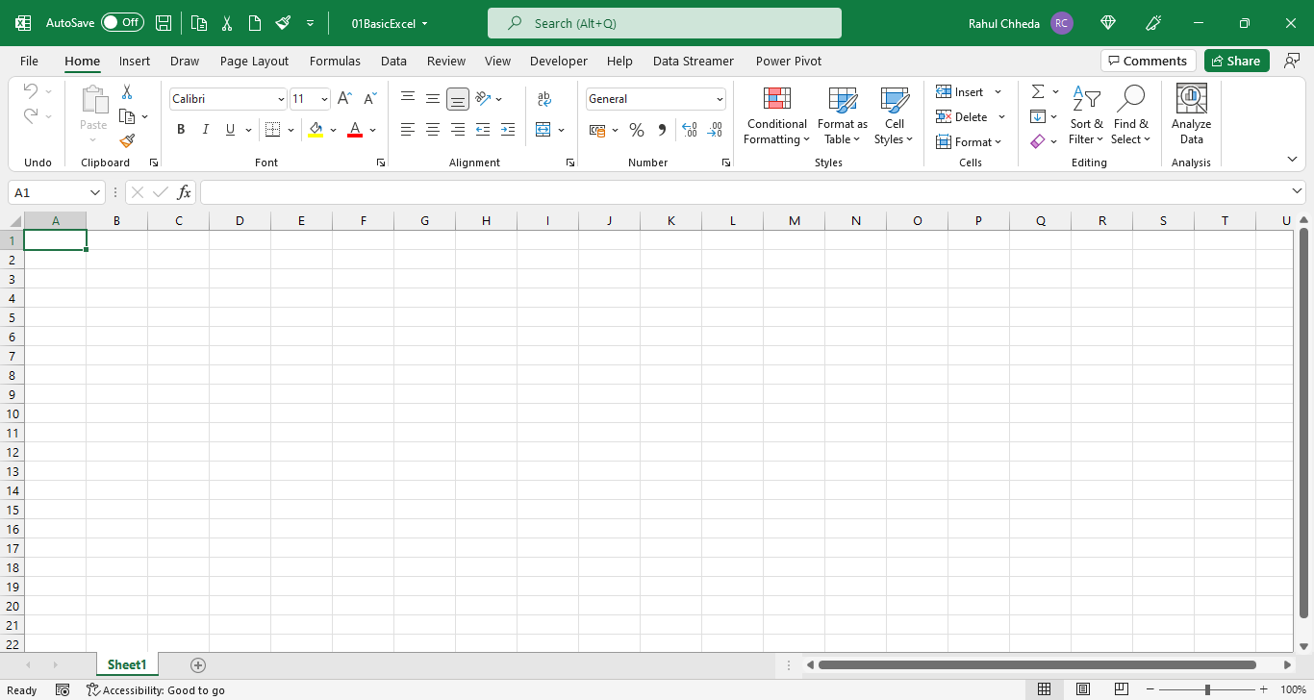
Tabs

Ribbon
Name box

Column Alphabets

Row Numbers
Formula Bar

Worksheet

Worksheet
Name

Normal View

Click + to add new Worksheet
Page Layout
zoom in zoom out
Page break preview

Format Cell
Steps to Change Cell Format:
step1: right click on the cell> Format cell
Step2: select the format Number
Types of Cell Format:
General
Number
Date
Accounting
Time
Currency
Text
Customs
Types of cell format widely used
 |  | 1236547901

 |  | 2023-05-14

 |  | lkzjbfv
 |  | 97858

this cell values is in General format
 | 1947

this cell values is in Number format

 | 1947.000

this cell values is in fraction format
 | 0.8

this cell values is in currency format
 | ₹ 2,500.00

this cell values is in time format
 | 20:05:00

