Experiment 1
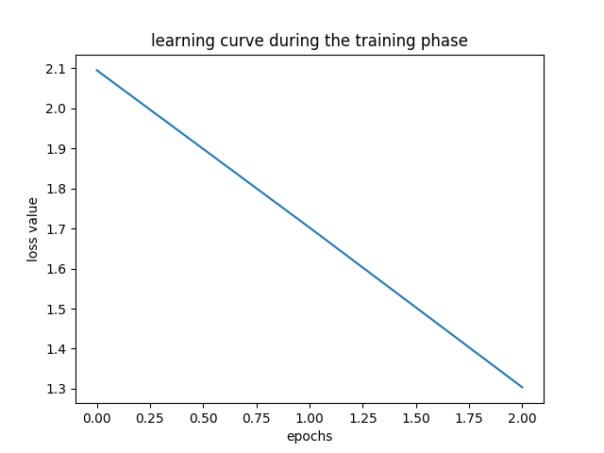
Project Name | project: style_recognition
Author | author: A.H. Al-Ghidani
Date and Time | date and time: 2018-12-28 20:38
Number of Training Samples | 15662
Number of Validation Samples | 1956
Number of Testing Samples | 1956
-- | --
Number of Classes | 3
Input Length | 30
Model | TorchResNet2D
Epochs | 30
Batch Size | 32
Device | cpu
Notes
-- | --
Average Precision | 0.57554713805
Average Recall | 0.41653696431
Average F-score | 0.31068250883
-- | --

Experiment 2
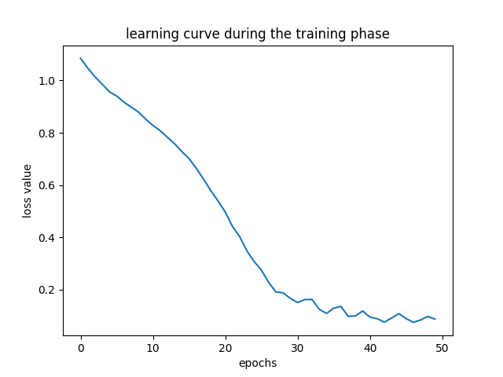
Project Name | project: style_recognition
Author | author: A.H. Al-Ghidani
Date and Time | date and time: 2018-12-22 00:36
Number of Training Samples | 15662
Number of Validation Samples | 1956
Number of Testing Samples | 1956
-- | --
Number of Classes | 3
Input Length | 50
Model | MultiCharRNN
Epochs | 50
Batch Size | 16
Device | cuda
Notes
-- | --
Average Precision | 0.52132338939
Average Recall | 0.51865268574
Average F-score | 0.51901522295
-- | --

Experiment 3
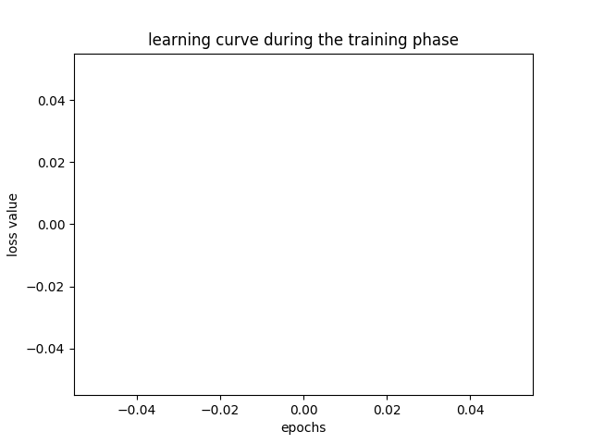
Project Name | project: style_recognition
Author | author: A.H. Al-Ghidani
Date and Time | date and time: 2018-12-22 01:50
Number of Training Samples | 15662
Number of Validation Samples | 1956
Number of Testing Samples | 1956
-- | --
Number of Classes | 3
Input Length | 50
Model | MultiCharRNN
Epochs | 3
Batch Size | 32
Device | cpu
Notes
-- | --
Average Precision | 0.348667632
Average Recall | 0.3452021097
Average F-score | 0.33538734539
-- | --

Experiment 4
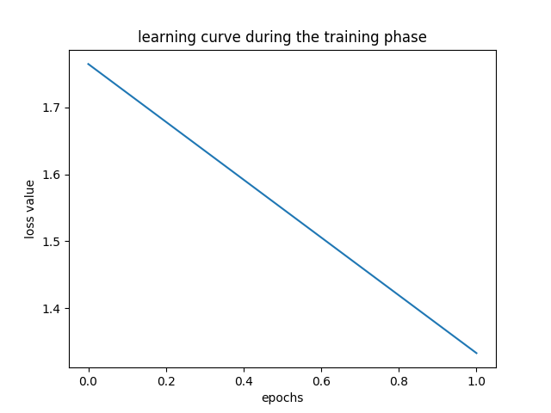
Project Name | project: style_recognition
Author | author: A.H. Al-Ghidani
Date and Time | date and time: 2018-12-28 19:48
Number of Training Samples | 15662
Number of Validation Samples | 1956
Number of Testing Samples | 1956
-- | --
Number of Classes | 3
Input Length | 30
Model | TorchResNet2D
Epochs | 30
Batch Size | 32
Device | cpu
Notes
-- | --
Average Precision | 0.60760641842
Average Recall | 0.48845728265
Average F-score | 0.45892541652
-- | --

