Experiment 1
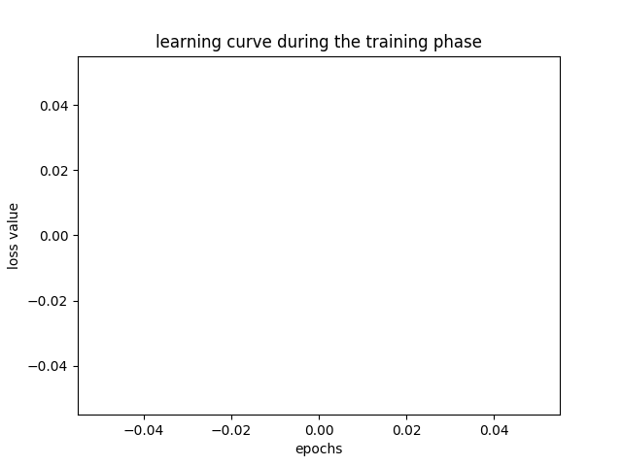
Project Name | project: style_recognition
Author | author: A.H. Al-Ghidani
Date and Time | date and time: 2018-12-16 19:41
Number of Training Samples | 172831
Number of Validation Samples | 21603
Number of Testing Samples | 21603
-- | --
Number of Classes | 2
Input Length | 50
Model | CharRNN
Epochs | 10
Batch Size | 128
Device | cpu
Notes
-- | --
Average Precision | 0.62290876049
Average Recall | 0.60530292623
Average F-score | 0.58826868496
-- | --

Experiment 2
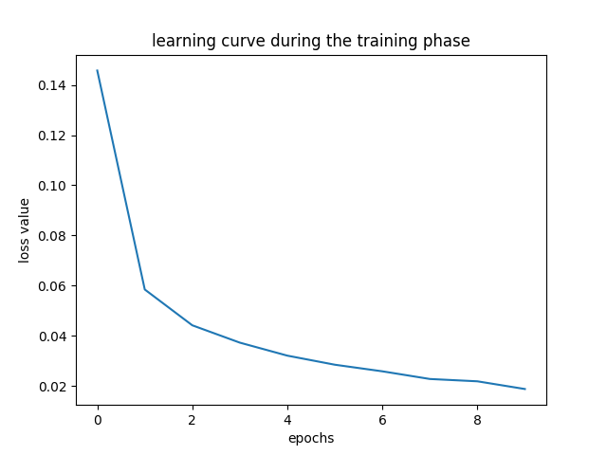
Project Name | project: style_recognition
Author | author: A.H. Al-Ghidani
Date and Time | date and time: 2018-12-15 21:24
Number of Training Samples | 172831
Number of Validation Samples | 21603
Number of Testing Samples | 21603
-- | --
Number of Classes | 2
Input Length | 50
Model | CharRNN
Epochs | 10
Batch Size | 128
Device | cuda
Notes
-- | --
Average Precision | 0.98389017116
Average Recall | 0.98380476385
Average F-score | 0.98381917068
-- | --

Experiment 5
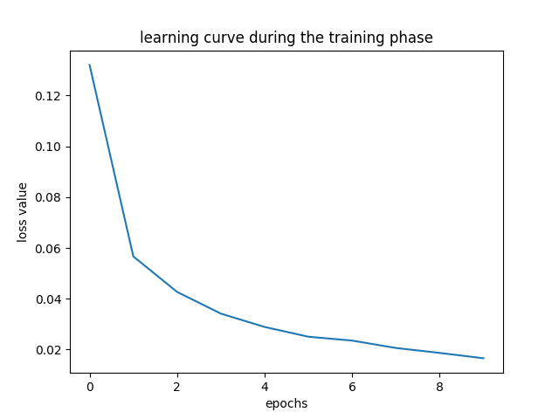
Project Name | project: style_recognition
Author | author: A.H. Al-Ghidani
Date and Time | date and time: 2018-12-16 18:53
Number of Training Samples | 172831
Number of Validation Samples | 21603
Number of Testing Samples | 21603
-- | --
Number of Classes | 2
Input Length | 50
Model | CharRNN
Epochs | 10
Batch Size | 128
Device | cuda
Notes
-- | --
Average Precision | 0.98578328613
Average Recall | 0.98578084441
Average F-score | 0.98576183322
-- | --

Experiment 6
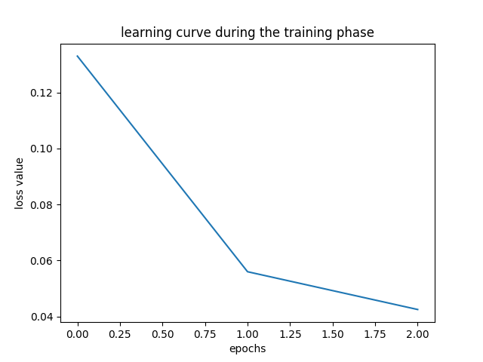
Project Name | project: style_recognition
Author | author: A.H. Al-Ghidani
Date and Time | date and time: 2018-12-16 23:25
Number of Training Samples | 172831
Number of Validation Samples | 21603
Number of Testing Samples | 21603
-- | --
Number of Classes | 2
Input Length | 50
Model | CharRNN
Epochs | 3
Batch Size | 128
Device | cuda
Notes
-- | --
Average Precision | 0.98163212652
Average Recall | 0.98167311625
Average F-score | 0.98164627422
-- | --

Experiment 7
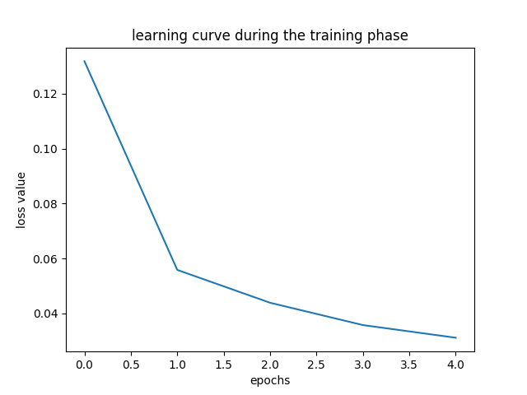
Project Name | project: style_recognition
Author | author: A.H. Al-Ghidani
Date and Time | date and time: 2018-12-13 14:02
Number of Training Samples | 172831
Number of Validation Samples | 21603
Number of Testing Samples | 21603
-- | --
Number of Classes | 2
Input Length | 50
Model | CharRNN
Epochs | 5
Batch Size | 128
Device | cuda
Notes
-- | --
Average Precision | 0.98389859535
Average Recall | 0.9839468478
Average F-score | 0.98391181961
-- | --

