Edit button
Category | Label | Value
Bug ID | ID number | EB_001
 | Name | Edit Button
 | Reporter | Ahmed Nashaat
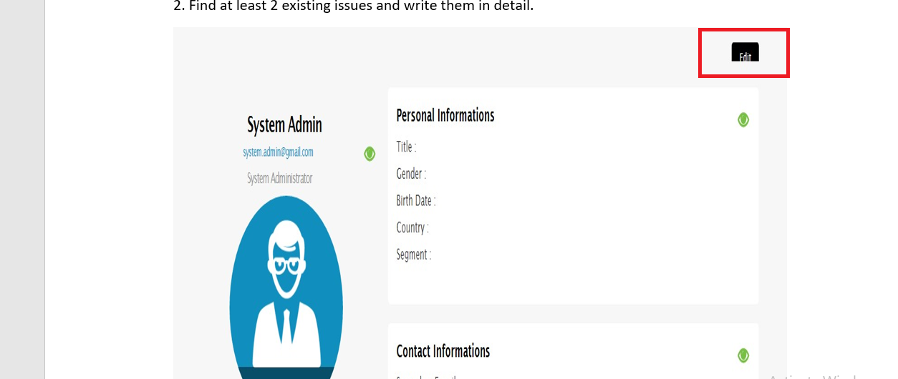
 | Submit Date | 2022-12-12
Bug overview | Summary | The visibility of the edit button is not clearly
 | URL
 | Bug Status | New
 | Screenshot
Environment | Platform | PC
 | Operating System | Windows 10 Home
 | Browser | Chrome
Bug details | Steps to reproduce | GO to the website >Login to the website and navigate to edit your personal profile > then look to the Edit button
 | Expected result | The edit button should be clear and complete
 | Actual result | The shape of the edit button is not clear
 | Description | While the user navigate to the profile information and open the page he will see the edit button not clearly
Bug tracking | Severity | Moderate
 | Assigned to | /
 | Priority | High
Notes | Notes | /

Massage icon bug
Category | Label | Value
Bug ID | ID number | MI_002
 | Name | Massage icon
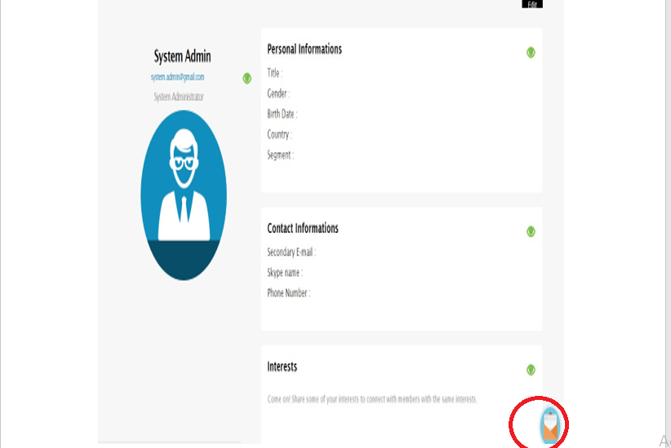
 | Reporter | Ahmed Nashaat
 | Submit Date | 2022-12-12
Bug overview | Summary | The message icon overlaps with interests field
 | URL
 | Bug Status | New
 | Screenshot
Environment | Platform | PC
 | Operating System | Windows 10 Home
 | Browser | Chrome
Bug details | Steps to reproduce | GO to the website >Login to the website and navigate to edit your personal profile > then look to the Message icon
 | Expected result | The message button icon should be an independent
 | Actual result | The message icon overlaps with interests field
 | Description | While the user login and navigate to his personal information and he tries to click the message icon he will notice the message icon overlaps with interests field
Bug tracking | Severity | Moderate
 | Assigned to | /
 | Priority | High
Notes | Notes | /

Photo bug
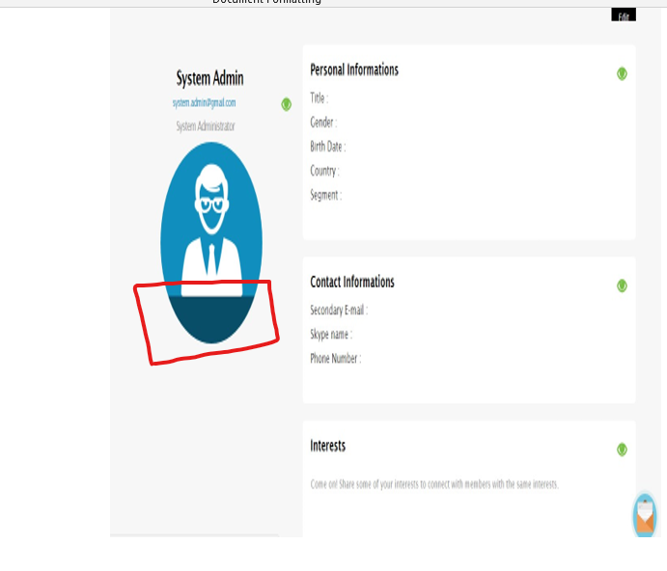
Category | Label | Value
Bug ID | ID number | P_003
 | Name | User photo
 | Reporter | Ahmed Nashaat
 | Submit Date | 2022-12-12
Bug overview | Summary | The photo of the user is not complete and the photo is cropped
 | URL
 | Bug Status | New
 | Screenshot
Environment | Platform | PC
 | Operating System | Windows 10 Home
 | Browser | Chrome
Bug details | Steps to reproduce | GO to the website >Login to the website and navigate to edit your personal profile > then look to the photo feild
 | Expected result | The photo should be clear and complete
 | Actual result | The photo of user is cropped
 | Description | The user, when navigates to edit his personal profile he will notice his photo is cropped
Bug tracking | Severity | Major
 | Assigned to | /
 | Priority | High
Notes | Notes | /

