homepage
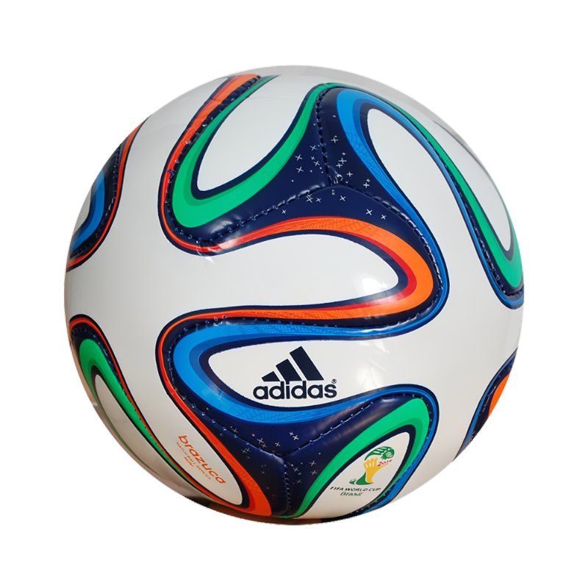

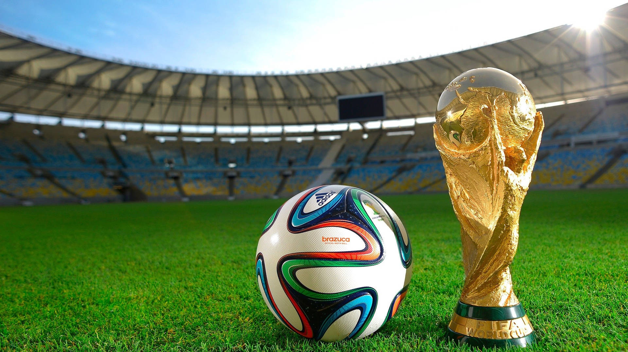
World Cup Homepage

Dashboard

DASHBOARD_FIFA

WORLD CUP
1930-2014
TOTAL QUALIFIED TEAMS
425
GOALS AVERAGE PER WORLD CUP
121
TOTAL GOALS IN WORLD CUP
2,379

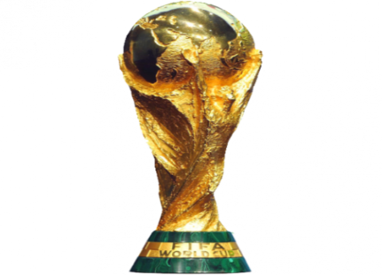



TOP WORLD CUP HOST COUNTRIES
 | Total
Italy | 2
Germany | 2
Mexico | 2
Brazil | 2
France | 2
Chile | 1
Argentina | 1

Homepage



TOP 10 WORLD CUP HOST COUNTRIES
 | Total
Brazil | 5
Italy | 4
Germany FR | 3
Argentina | 2
Uruguay | 2
England | 1
Spain | 1
France | 1
Germany | 1
TOP 10 MOST WORLD CUP PARTICIPATIONS
 | Total
Argentina | 16
Brazil | 45
France | 47
Germany | 48
Italy | 40
Korea/Japan | 32
Mexico | 40
South Africa | 32
Spain | 24
USA | 24
World Cup Gap Over the Years
 | Total
1930 | 4
1934 | 4
1938 | 12
1950 | 4
1954 | 4
1958 | 4
1962 | 4
1966 | 4
1970 | 4
1974 | 4
1978 | 4
1982 | 4
1986 | 4
1990 | 4
1994 | 4
1998 | 4
2002 | 4
2006 | 4
2010 | 4
2014 | 4

Power piviot
3 TOP TEAMS IN CHAMPIONS
 |  | WORLD CUP HOST |  | GAP
Row Labels | Count of Winner | Countries | Years of Host |  |  |  |  |  |  |  |  | متوسط عدد الأهداف في كل بطولة
Brazil | 5 | Argentina | 1978 | Years | GAP | اكتر دول لستضلفت |  |  |  |  | عدد المباريات التي لُعبت
Italy | 4 | Brazil | 3964 | 1930 | 4 | Countries | Number of host country |  |  |  | Sum of MatchesPlayed | Row Labels
Germany FR | 3 | Chile | 1962 | 1934 | 4 | Italy | 2 |  |  |  | 836 | 70
Argentina | 2 | England | 1966 | 1938 | 12 | Germany | 2 |  | عدد الفرق التي شاركت |  | 836 | 84
3 TOP TEAMS IN CHAMPIONS
Uruguay | 2 | France | 3936 | 1950 | 4 | Mexico | 2 |  | TOTAL QUALIFIED TEAMS |  |  | 88 | Row Labels | Sum of QualifiedTeams
England | 1 | Germany | 3980 | 1954 | 4 | Brazil | 2 | مجموع الاهداف علي مدار السنين | 425 |  |  | 89 | Argentina | 16
GAP BETWEEN YEARS
Spain | 1 | Italy | 3924 | 1958 | 4 | France | 2 | Sum of GoalsScored | 425 |  |  | 95 | Brazil | 45
France | 1 | Korea/Japan | 2002 | 1962 | 4 | Chile | 1 | 2,379 |  |  |  | 97 | France | 47
Top World Cup Host Countries
TOTAL COUNTRIES
Germany | 1 | Mexico | 3956 | 1966 | 4 | Argentina | 1 | 2,379 |  |  |  | 102 | Germany | 48
WORLD CUP HOST
 |  | South Africa | 2010 | 1970 | 4 |  |  |  |  |  |  | 115 | Italy | 40
 |  | Spain | 1982 | 1974 | 4 |  |  |  |  |  |  | 126 | Korea/Japan | 32
 |  | Sweden | 1958 | 1978 | 4 |  |  |  |  |  |  | 132 | Mexico | 40
 |  | Switzerland | 1954 | 1982 | 4 |  |  |  |  |  |  | 140 | South Africa | 32
 |  | Uruguay | 1930 | 1986 | 4 |  |  |  |  |  |  | 141 | Spain | 24
 |  | USA | 1994 | 1990 | 4 |  |  |  |  |  |  | 145 | USA | 24
 |  |  |  | 1994 | 4 |  |  |  |  |  |  | 146 | Grand Total | 348
 |  |  |  | 1998 | 4 |  |  |  |  |  |  | 147
 |  |  |  | 2002 | 4 |  |  |  |  |  |  | 161
 |  |  |  | 2006 | 4 |  |  |  |  |  |  | 171
 |  |  |  | 2010 | 4 |  |  |  |  |  |  | Grand Total
 |  |  |  | 2014 | 4
 |  |  |  |  |  |  |  |  |  |  |  | 121

 |  |  |  |  |  |  |  |  |  | Row Labels
 |  |  |  |  |  |  |  |  |  | Argentina
 |  |  |  |  |  |  |  |  |  | Brazil
 |  |  |  |  |  |  |  |  |  | England
 |  |  |  |  |  |  |  |  |  | France
 |  |  |  |  |  |  |  |  |  | Germany
 |  |  |  |  |  |  |  |  |  | Germany FR
 |  |  |  |  |  |  |  |  |  | Italy
 |  |  |  |  |  |  |  |  |  | Spain
 |  |  |  |  |  |  |  |  |  | Uruguay
 |  |  |  |  |  |  |  |  |  | Grand Total

