Insights
Recommendations
Insights

انقاذ مبيعات الربع الاخير لاحظت من الشارت ده ان المبيعات بتقل فجاة وبشكل حاد في شهر ديسمبر بينزل ل 36 طلب مع ان المبيعات بتكون كويسه جدا في شهر اغسطس بيوصل ل 167 طلب. مقترح : لازم الشركه تجهز حملات ترويجية ف شهر اغسطس عشان تلحق قبل شهر سبتمبر ونوفمبر
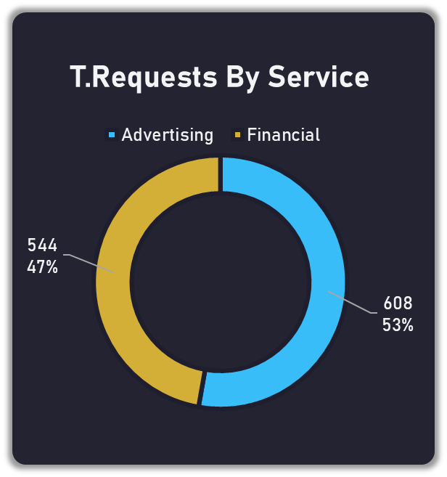
توازن ممتاز في مصادر الدخل : - في الشارت ده بيوضح ان الشركة عندها توازن ممتاز ف مصارد الدخل يعني من قسم الدعاية 47 % وقسم الخدمات المالية بنسبه 53 % ده معناه ان الشركة مش معتمه علي جناح واحد في السوق يعني لو قسم قلت مبيعاتة القسم التاني بيوازنها

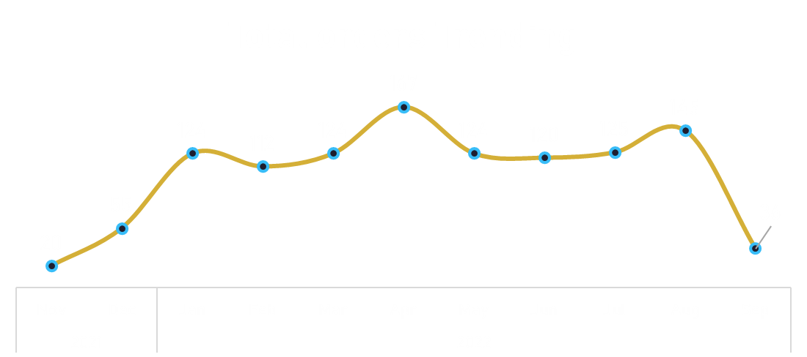

كنز مهدر في المحافظات الكبرى غريبة ان محافظات مهمه زي الشرقية ومكة والمدينة ايراداتهم ضعيفة حوالي 30 الف مقارنة ب نجران والباحه مقترح : توجية ميزانية للتسويق لاستهداف المناطق الشرقية ومكة والمدينة ودي اسواق ضخمة جدا هتضاعف الايرادات لو تم التركيز عليها
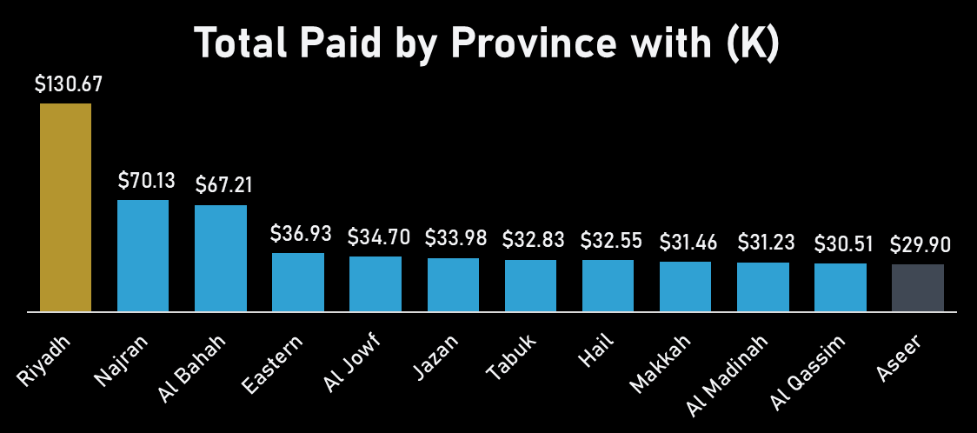
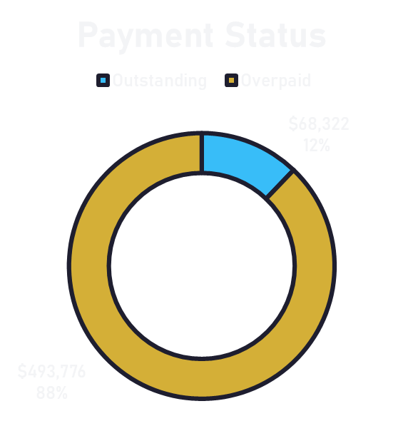
كفاءة التحصيل المالي :
- بيقول ان نسبه التحصيل هي 88 % تم تحصيلها بنجاح ونسبه المتاخرات 12 % ودي نسبه صحيه جدا في اي بيزنيس وده دليل علي ان قسم الحسابات يعمل بكفاءة .

تقليل نسبة الالغاءات لاحظت في الشارت ده ان نسبة الالغااءت مرتفعة بتلعب ف رينج 20 و 26 % في معظم المحافظات ماعدا محافظة الجوف نسبة الالغاء فيها 6.67% ونسبة الاكتمال فيها هي الاعلي بنسبنة 61.67% مقترح :لازم التيم يشوف فرع الجوف بيقفل الديلز ازاي ويطبقها بحيث تقل نسبة 20 و 26 % دة
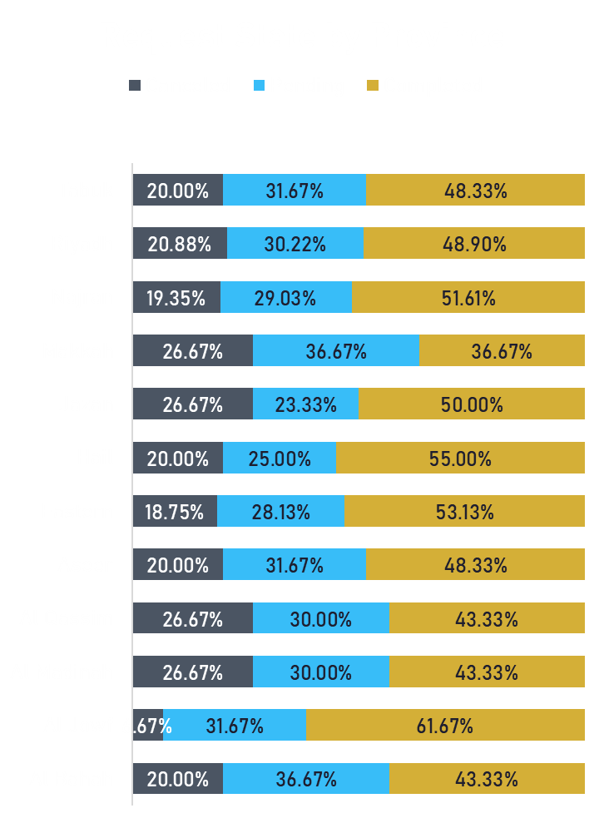
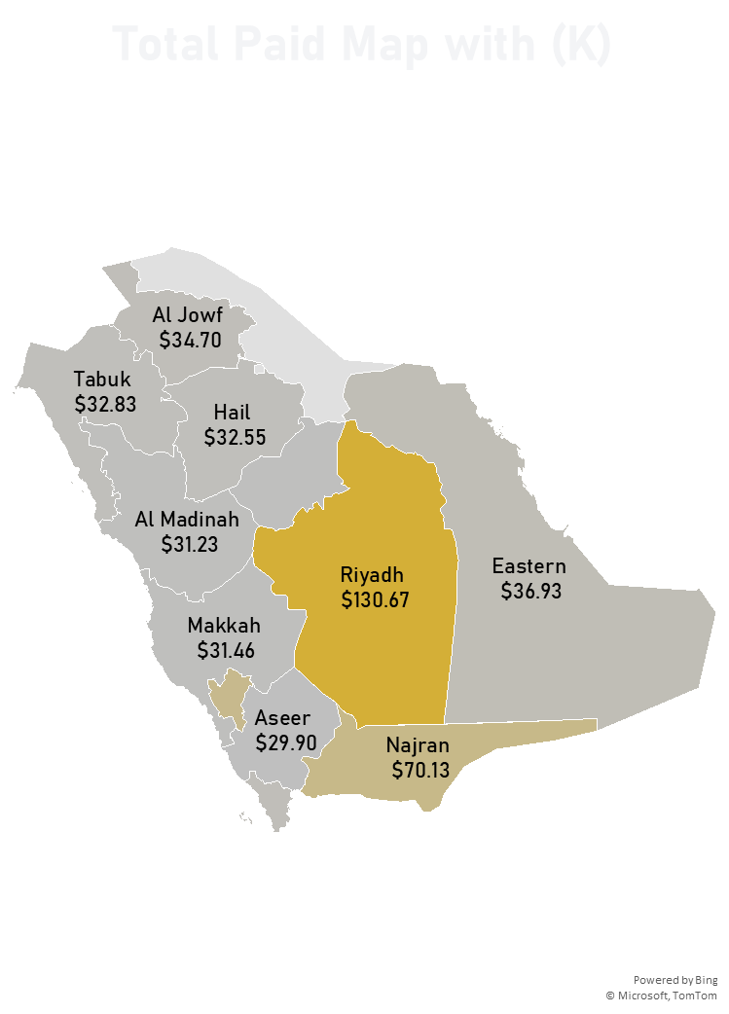
الرياض هي حجر الاساس :
- من الشارت ف الخريطة دي بيقول ان الرياض هي المكتسحة ب 130 الف وبتعمل تقريبا ضعف اللي البلد المنافس لها نجران وده بياكد ان سوق العاصمة ناجح جدا .

سرعة تحصيل المديونات المعلقة برغم ان نسبة المديونات 12 % الا انا المبلغ 56.619 $ ودة مش رقم قليل مقترح : التركيز علي المحافظات اللي فيها نسبة تعليق عالية في الشارت ف الشارت اللي ف النص وتوجية فرق التحصيل لضخ سيوله جديدة في الشركة

Dashboard


Total Quotes
$482,761

Total Paid
$562,097

Total Depit
$56,619

Total Orders
1152
T.Requests By Service
 | Total
Advertising | 608
Financial | 544

Total orders Trending
 | Total
Nov | 20
Dec | 55
Jan | 124
Feb | 112
Mar | 124
Apr | 167
May | 124
Jun | 120
Jul | 125
Aug | 145
Sep | 36
Request State by Province
 | Canceled | Pending | Completed
Al Bahah | 20.00% | 36.67% | 43.33%
Al Jowf | 6.67% | 31.67% | 61.67%
Al Madinah | 26.67% | 30.00% | 43.33%
Al Qassim | 26.67% | 30.00% | 43.33%
Aseer | 20.00% | 31.67% | 48.33%
Eastern | 18.75% | 28.13% | 53.13%
Hail | 20.00% | 25.00% | 55.00%
Jazan | 26.67% | 23.33% | 50.00%
Makkah | 26.67% | 36.67% | 36.67%
Najran | 19.35% | 29.03% | 51.61%
Riyadh | 20.88% | 30.22% | 48.90%
Tabuk | 20.00% | 31.67% | 48.33%
1152

Payment Status
 | Total
Outstanding | $68,322
Overpaid | $493,776

Total Paid by Province with (K)
 | Total
Riyadh | $130.67
Najran | $70.13
Al Bahah | $67.21
Eastern | $36.93
Al Jowf | $34.70
Jazan | $33.98
Tabuk | $32.83
Hail | $32.55
Makkah | $31.46
Al Madinah | $31.23
Al Qassim | $30.51
Aseer | $29.90

$56,619

Insights

Pivot
Sum of Quotation Amount | Sum of Paid Amount | Count of Request Number
$482,761 | $562,097 | 1152

إجمالي المديونيات
 | Column Labels
 | Outstanding | Overpaid | Grand Total
Sum of Pending Amount | $56,619 | $(135,955) | $(79,336)

إجمالي المديونيات
Count of Payment Status
$1,152

Province | Sum of Paid amount with k
Riyadh | $130.67 |  |  |  | Province | Sum of Paid amount with k
Najran | $70.13 |  |  |  | Riyadh | $130.67
Al Bahah | $67.21 |  | Map chart |  | Najran | $70.13
Eastern | $36.93 |  |  |  | Al Bahah | $67.21
Al Jowf | $34.70 |  |  |  | Eastern | $36.93
Jazan | $33.98 |  |  |  | Al Jowf | $34.70
Tabuk | $32.83 |  |  |  | Jazan | $33.98
Hail | $32.55 |  |  |  | Tabuk | $32.83
Makkah | $31.46 |  |  |  | Hail | $32.55
Al Madinah | $31.23 |  |  |  | Makkah | $31.46
Al Qassim | $30.51 |  |  |  | Al Madinah | $31.23
Aseer | $29.90 |  |  |  | Al Qassim | $30.51
Grand Total | $562.10 |  |  |  | Aseer | $29.90
 |  |  |  |  |  | #N/A

Row Labels | Count of Request Number
Advertising | 608
Financial | 544
Grand Total | 1152

Count of Request Number | Column Labels
Row Labels | Canceled | Pending | Completed | Grand Total
Al Bahah | 20.00% | 36.67% | 43.33% | 100.00%
Al Jowf | 6.67% | 31.67% | 61.67% | 100.00%
Al Madinah | 26.67% | 30.00% | 43.33% | 100.00%
Al Qassim | 26.67% | 30.00% | 43.33% | 100.00%
Aseer | 20.00% | 31.67% | 48.33% | 100.00%
Eastern | 18.75% | 28.13% | 53.13% | 100.00%
Hail | 20.00% | 25.00% | 55.00% | 100.00%
Jazan | 26.67% | 23.33% | 50.00% | 100.00%
Makkah | 26.67% | 36.67% | 36.67% | 100.00%
Najran | 19.35% | 29.03% | 51.61% | 100.00%
Riyadh | 20.88% | 30.22% | 48.90% | 100.00%
Tabuk | 20.00% | 31.67% | 48.33% | 100.00%
Grand Total | 20.83% | 30.56% | 48.61% | 100.00%

Row Labels | Count of Request Number
2021 | 75
Nov | 20
Dec | 55
2022 | 1077
Jan | 124
Feb | 112
Mar | 124
Apr | 167
May | 124
Jun | 120
Jul | 125
Aug | 145
Sep | 36
Grand Total | 1152

Row Labels | Sum of Paid Amount
Outstanding | $68,322
Overpaid | $493,776
Grand Total | $562,097

