MaxBoundCalculations
Feebate
France

Rebate Rate
155400 | $/GPM
Ireland

Rebate Rate
100800 | $/GPM
Germany

Rebate Rate
194000 | $/GPM (gasoline)

Fuel Economy Standards [LDVs]
"

Improvement Schedule
2013 | Default LDV Policy
2014 | Default LDV Policy
2015 | Default LDV Policy
2016 | Default LDV Policy
2017 | Default LDV Policy
2018 | Default LDV Policy
2019 | Default LDV Policy
2020 | Default LDV Policy
2021 | Default LDV Policy
2022 | Default LDV Policy
2023 | Default LDV Policy
2024 | Default LDV Policy
2025 | Default LDV Policy
2026 | 1.04
2027 | 1.0816
2028 | 1.124864
2029 | 1.16985856
2030 | 1.2166529024

2013-2030 Total Potential Improvement
22%

Fuel Economy Standards [HDVs]
ICCT Estimated Efficiency Improvement Potential Beyond Existing Standards
3.5% year beyond MY2018 standards starting in 2020
46%

Fuel Economy Standards [Aircraft]
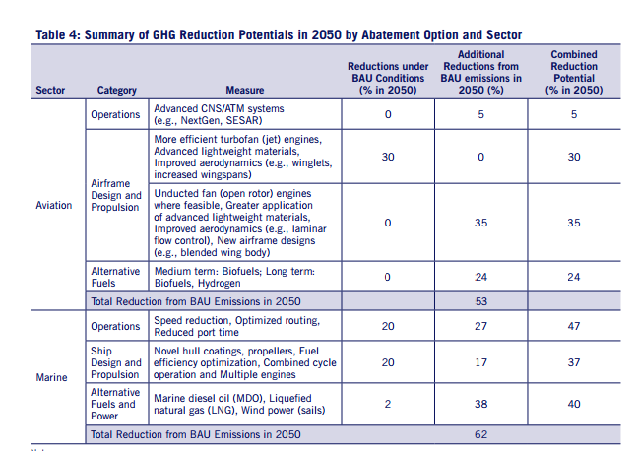

Base Year = 2007

Annual Improvement Between 2007 and 2050
1%

Potential Improvement between 2013 and 2030
22%

Fuel Economy Standards [Rail]
2010-2050 Improvement
35%

Annual Percent Improvement
0.87%

2013-2030 Potential Improvement
15.7%

Fuel Economy Standards [Ships]

Base Year = 2007

Annual Improvement Between 2007 and 2050
1.4%

Potential Improvement between 2013 and 2030
26%

Vehicle Electrification [LDVs]

Share of EVs in fleet in 2030
8.5%

Vehicle Electrification [HDVs]
Share of EVs in fleet in 2030
5.70%

Building Component Electrification
Final Energy Consumption | 2010 | 2050 | Source: http://unsdsn.org/wp-content/uploads/2014/09/DDPP_Digit.pdf
Residential | 12 | 6.5
Commercial | 9 | 6.4

Electricity Share of Final Energy | 2010 | 2050
Residential | 43% | 94%
Commercial | 53% | 76%
 |  |  | Calculated
2013-2030 Final Energy Consumption | 2013 | 2030
Residential | 11.5875 | 9.25
Commercial | 8.805 | 7.7

2013-2030 Electricity Share of Final Energy | 2013 | 2030
Residential | 47% | 68%
Commercial | 55% | 64%

Weighted Average Electricity Share of Final Energy | 2013 | 2030
All Buildings | 50% | 66.68%

0.98 | <- Value in Vensim that achieves 66.7% penetration in 2030 (trial and error)

Building Energy Efficiency Standards
Building Code Savings by End Use, Aggressive Case | 2010 | 2013 | 2016 | 2019 | 2024 | 2030
Residential Buildings | 0% | 15% | 25% | 45% | 60% | 78.00%

Building Code Savings by End Use, Aggressive Case | 2010 | 2013 | 2015 | 2018 | 2025 | 2030
Commercial Buildings | 0% | 15% | 20% | 40% | 50% | 57.14%

Electricity Use by Sector | 2030
Residential | 20.48
Commercial | 19.52

Weighted Average Building Code Improvement
67.8%

Building Retrofits
2010-2020 Retrofit Proportion | 40%
Annual Retrofit Rate | 3.42%

Renewable Portoflio Standard
2010 Share of Renewables in Mix | 10.00%
2050 Share of Renewables in Mix, at 80% | 80.00%
2030 Share of Renewables in Mix | 45.00%
2010 Share of Hydropower in Mix | 6.40%
2050 Share of Hydropower in Mix | 12.15%
2030 Share of Hydropower in Mix | 9.28%
2030 Non Hydro Renewables Mix | 35.73%

Transmission Capacity
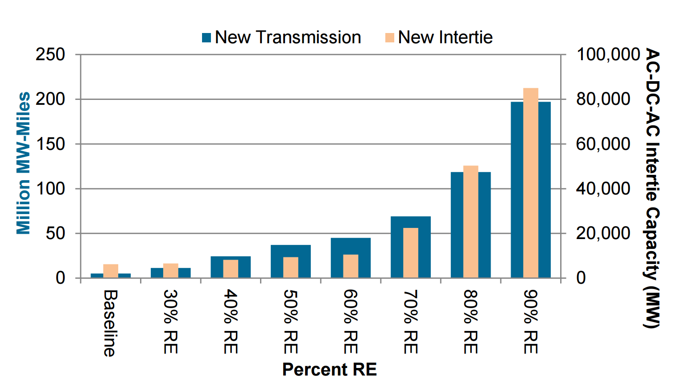

Pixel Based Analysis
50% RE Transmission Addition (pixels) | 63
50 Million MW-Miles (pixels) | 86
50% RE Transmission Addition (10^6 MW-Miles) | 36.6
Existing Total Transmission Capacity in US (10^6 MW-Miles) | 175
Additional Transmission Capacity by 2030, as a percentage | 21%

Industrial Energy Efficiency
Maximum Achievable Potential in 2030 Relative to Baseline
Maximum Achievable Potential in 2030 | 11.0%

Afforestation/Reforestation
Output | Value
Max technical potential acres available per year | 1.53E+07 | See VFC.xlsx, CO2 Aff & Ref tab
Max historical acres afforested/reforested per year | 3.40E+06
Historical multiplier | 2
Max acres that can be afforested/reforested per year | 6.80E+06
Max acres that can be afforested/reforested per year as a percentage of technical potential | 45%

Avoided Deforestation
Output | Value
Max potential timberland eligible for set-aside | 31%

