Sales Trends
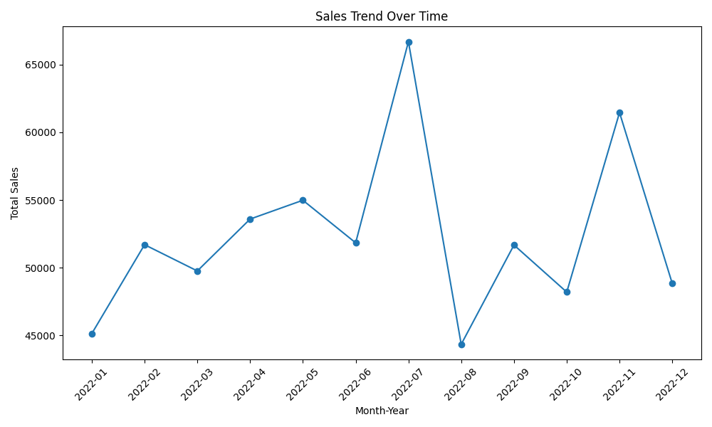
Month_Year | Total_Sales
2022-01 | 45123.98
2022-02 | 51696.39
2022-03 | 49755.21
2022-04 | 53589.4
2022-05 | 54980.27
2022-06 | 51834.61
2022-07 | 66698.2
2022-08 | 44333.11
2022-09 | 51672.67
2022-10 | 48192.42
2022-11 | 61459.96
2022-12 | 48820.56

