WBS Spreadsheet
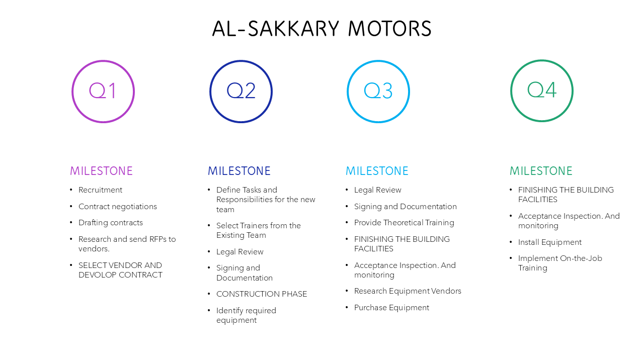
 |  |  | Al-Sakkary Motors

Deliverables | Task ID | Task | Owner | Duration (days) | Notes
TRAINING PROGRAM FOR NEW TEAMS | 1.1 | NEW TEAMS RECRUITMENT | HR manager | 60 days
 | 1.2 | Define Tasks and Responsibilities for the new team | PRODUCTION TEAM LEADER | 5 days | identifying the core tasks needed from the new team and the required skills.
 | 1.3 | Select Trainers from the Existing Team | Existing Team manager | 5 days | Choose a few members from the existing team to act as trainers, ensuring they can transfer knowledge effectively.
 | 1.4 | Provide Theoretical Training | Team leaders | 10 days | Trainers from the Existing Team conduct the theoretical training sessions, covering essential processes, tools, and policies.
 | 1.5 | Implement On-the-Job Training | Team leaders | 30 days | Have the new team work alongside the existing team, ensuring they have opportunities to try tasks on their own.
 | 1.6 | Monitor and Evaluate Performance | Operational manager | among the process | Track the new team’s progress and perform regular assessments to ensure the training is on track.

CONTRACT WITH THE MATERIAL COMPANY(POWER PARTS) | 2.1 | CONTRACT Negotiation and Setting Terms: | Project Manager | 5 days | Agree on the contract details with the company, including the type of auto parts, prices, order quantities, and delivery schedules.
 | 2.2 | Drafting the Contract | Legal Department | 3 day | Prepare an official contract that includes all agreed-upon terms, with clear details on the rights and obligations of both parties.
 | 2.3 | Legal Review | Legal Department | 2 days | Review the contract with a lawyer or legal department to ensure it complies with laws and is in the company’s best interest.
 | 2.4 | Signing and Documentation | Project Manager | 2 day | Once all details are agreed upon, both parties sign the contract, and ensure any necessary documentation or notarization if required.

BUILD NEW WORKSHOP BUILDING | 3.1 | Research and send RFPs to vendors. | Procurement Specialist | 12
 | 3.2 | SELECT VENDOR AND DEVOLOP CONTRACT | LEGAL TEAM WITH PROJECT MANAGMENT | 20
 | 3.3 | CONSTRUCTION PHASE | VENDOR | 50
 | 3.4 | FINISHING THE BUILDING FACILITIES | VENDOR | 20
 | 3.5 | •Acceptance Inspection. And monitoring | production team leader | starting from construction phase to 7 days after finishing

EQUIPMENT PURSHASING | 4.1 | Identify required equipment | electrical and mechanical departments managers | 5
 | 4.2 | Research Equipment Vendors | procurment specialist | 10
 | 4.3 | Purchase Equipment | procurment specialist | 10
 | 4.4 | Install Equipment | equipment suppliers | 15

