DASHBOARD
SATIŞ RAPORU
BÖLGE RAPORU
SATIŞ RAPORU
11.651.494,90
7.830.346,97
16.905.078,70
10.361.173,48
15.846.811,01
MERCEDES | 11,651,494.90
BMW | 7,830,346.97
FORD | 16,905,078.70
MAZDA | 10,361,173.48
CHEVROLET | 15,846,811.01
2018 |  | SATIŞ RAPORU |  | BÖLGE RAPORU | Iowa | California
 |  |  |  | SATIŞ RAPORU | 2019 | Simon Dan
 |  |  |  |  |  | 2020

GERÇEKŞLEŞEN SATIŞ TOPLAMI
62.594.905,05
 |  |  | GERÇEKŞLEŞEN SATIŞ TOPLAMI

HEDEFLENEN SATIŞ TOPLAMI
70.419.511,45

 |  |  | HEDEFLENEN SATIŞ TOPLAMI

 | 113% | 100% | MAKRO
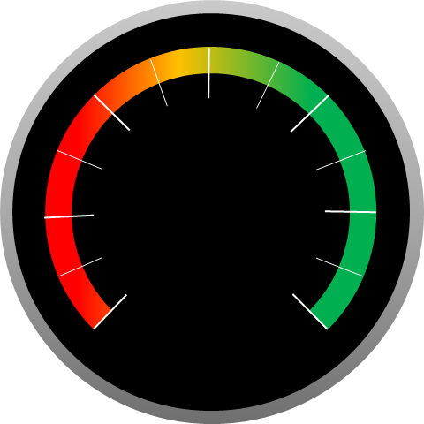

 |  |  |  |  |  |  | 0

 | 2018 | 2019 | 2020 | TOPLAM
MERCEDES | 11,651,494.90 | 17,119,042.84 | 30,171,771.00 | 58,942,308.74
BMW | 7,830,346.97 | 9,696,997.90 | 17,788,458.00 | 35,315,802.87
FORD | 16,905,078.70 | 21,034,718.77 | 38,563,077.00 | 76,502,874.47
MAZDA | 10,361,173.48 | 12,920,499.39 | 22,939,296.00 | 46,220,968.87
CHEVROLET | 15,846,811.01 | 20,032,255.05 | 35,219,513.00 | 71,098,579.06

