Sheet1
 |  | 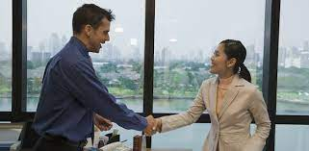 | 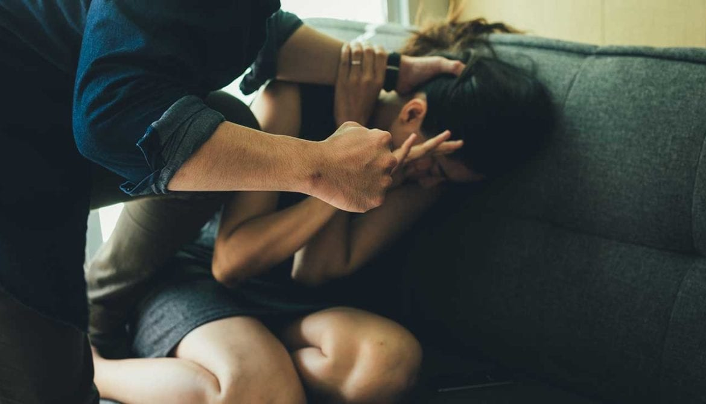 | 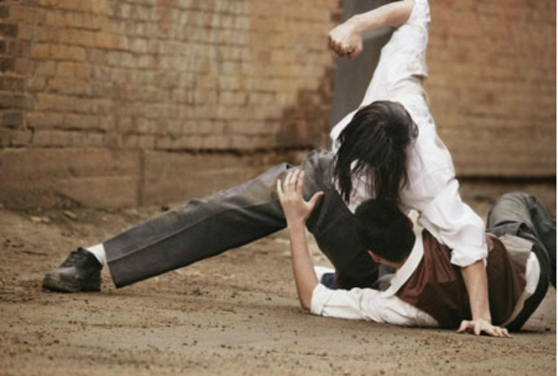 | 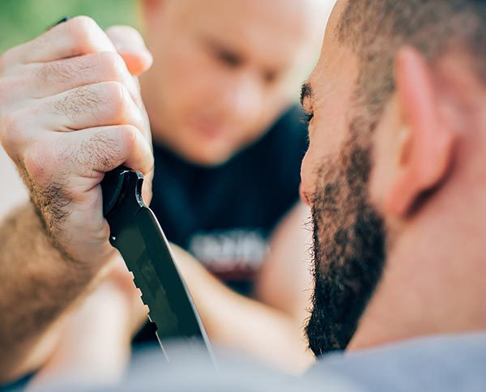 | 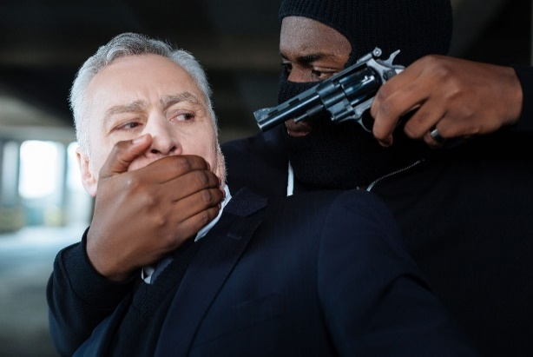 | 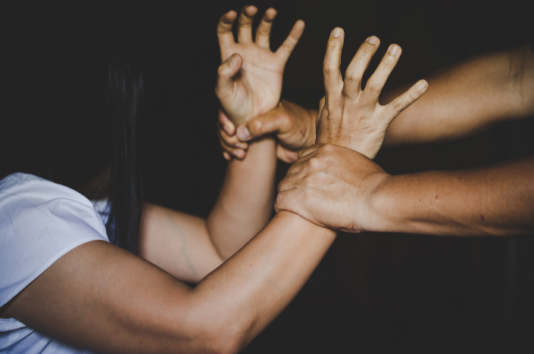

Model | Prompt | Output | Output | Output | Output | Output | Output

model = InstructBlipForConditionalGeneration.from_pretrained("Salesforce/instructblip-vicuna-13b") processor = InstructBlipProcessor.from_pretrained("Salesforce/instructblip-vicuna-13b") | "Describe what is going on." | The scene shows two people shaking hands across a desk in an office, which is likely their workspace. Both individuals are dressed professionally, with one woman wearing a business suit and the other man wearing a business shirt and pants. There are several items scattered across the desk, including a cellphone, a folder, and a pen. Additionally, a computer is visible on the desk, suggesting that the office environment is quite modern and technologically advanced. A coffee cup and two glasses are also placed near the people, possibly for a meeting or discussion. The view is set against a cityscape background, with a river and several large buildings visible in the distance. | In the image, a man is sitting on a couch with a woman leaning on him. He is helping the woman and trying to prevent her from hitting him. The woman appears to be crying and covering her face. The man's hands are positioned to hold the woman's arms and keep her from hitting him. The room has a white curtain in the background and a large window, which allows some natural light to enter the space. | Two men, dressed in a tie and shirt, are performing an acrobatic move on the ground near a brick wall. One of them is holding a paper in one hand and is performing a dive, while the other man is on the ground, seemingly performing the stunt by helping him fall. A chair is visible in the background. | In the image, a man is preparing to give a haircut, while holding a knife and comb. He is sitting next to another person, possibly an older man or someone he is helping. The second man is seen looking up towards the person holding the knife, possibly offering support or watching the process. There are two hands visible in the scene, one of them holding the knife, the other assisting with the haircut. The haircut appears to be in progress, as the man holding the knife is working on cutting the other man's hair. | In the image, there are two men standing near each other. One of them is holding a gun with his hands while the other man puts his hand over his face. The person with the gun is positioned to the right of the other man and appears to be a criminal attempting to threaten him. The man being threatened has his hand pressed against his mouth, as if he is trying to protect himself from the potential danger. There are several objects in the scene, including other guns and a chair. The environment is dimly lit, with some shadowy areas visible in the image. | A man and woman are grabbing each other's hands in an intense wrestling match, where the man has the upper body position, and the woman is in a lower position trying to hold on. Both are determined to continue their fight and to gain the upper hand. The wrestling match takes place in a dimly lit room, where both participants have black shirts on.
 | "What is the person touching in this image?" | In this image, the person is shaking hands with someone else. They are engaged in a business setting and exchanging their business cards. | In this image, the person is touching the hair of a person who is lying on a couch. | In this image, the person is touching another person's face. | The person is touching the handle of a knife. | In this image, the person is touching another man's cheek with his mouth. | The person in this image is touching the hands of another person.
 | "Is this consensual activity?" | yes yes | yes yes | no ya | no tag | no yes 2 | no trunk
model = ViltForQuestionAnswering.from_pretrained("dandelin/vilt-b32-finetuned-vqa") processor = ViltProcessor.from_pretrained("dandelin/vilt-b32-finetuned-vqa") | "Describe what is going on." | work | texting | posing | wedding | work | wedding
 | "What is the person touching in this image?" | wii controller | phone | ground | tie | gun | hand
 | "Is this consensual activity?" | yes | yes | yes | no | yes | yes

Sheet2
