Insights
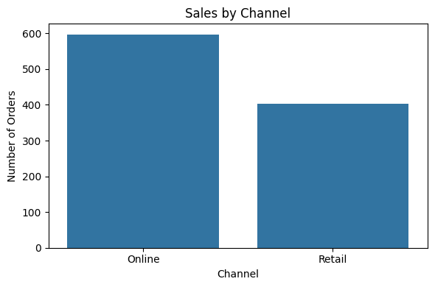
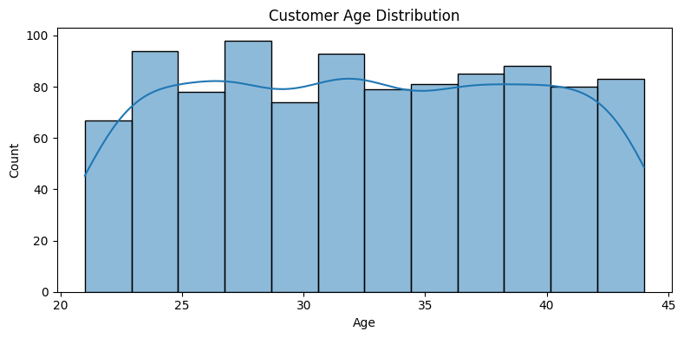
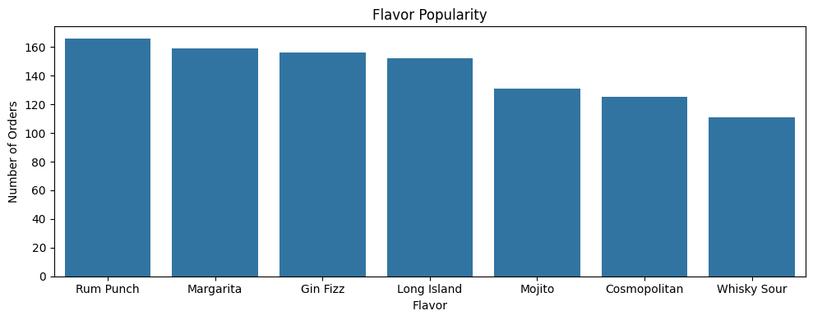
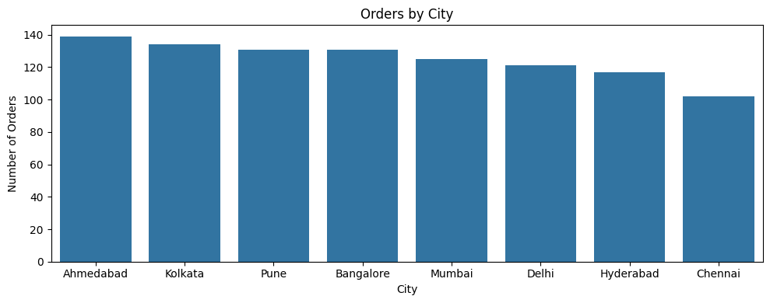
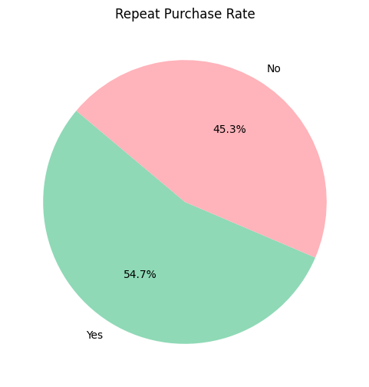
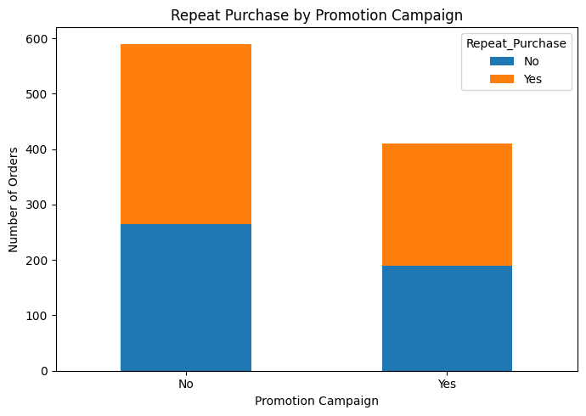
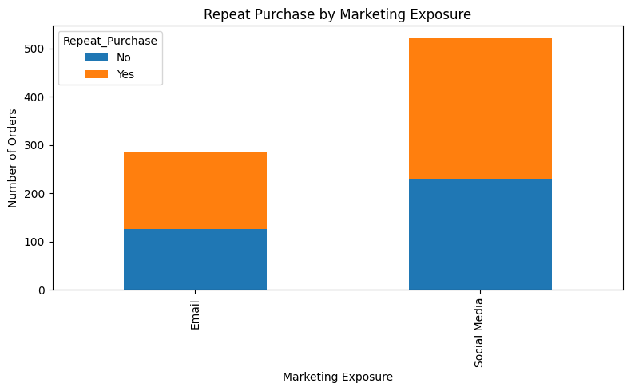
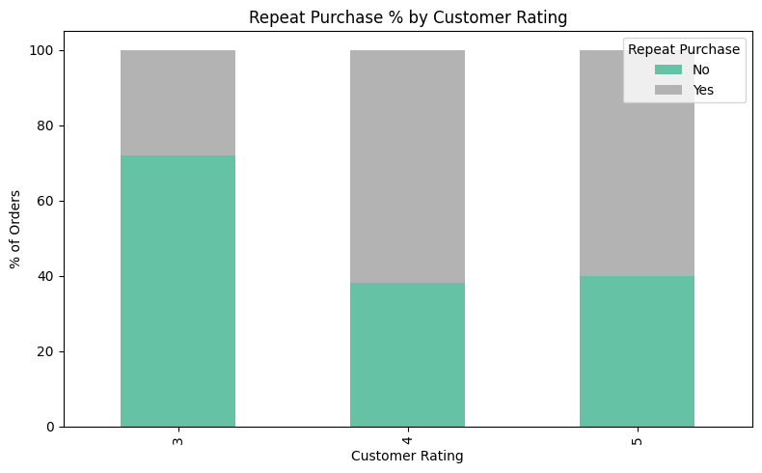
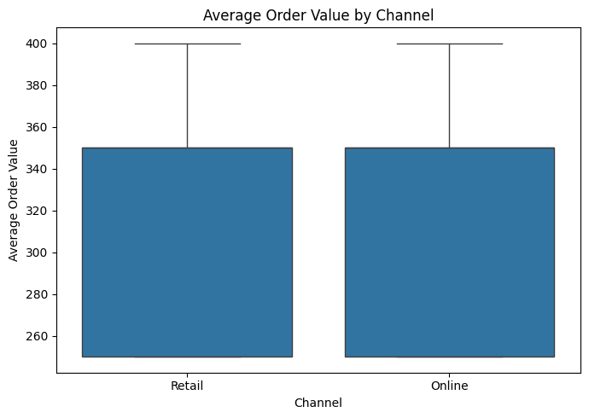
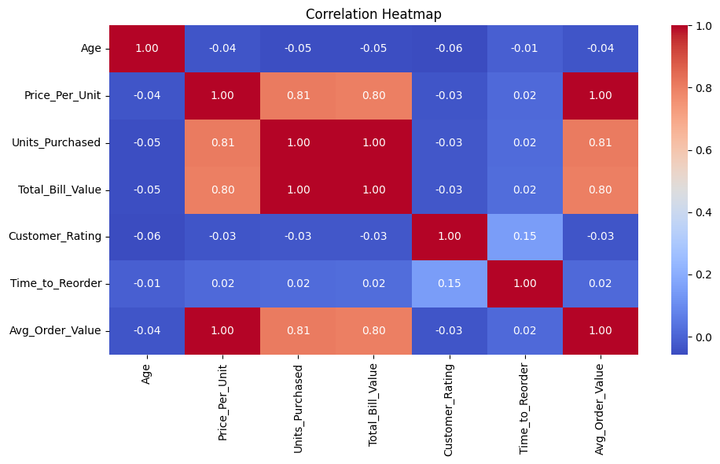
Count of Customer_ID | Column Labels |  |  | Row Labels | Average of Avg_Order_Value | Average of Age
Row Labels | Female | Male | Grand Total | Cosmopolitan | 322.00 | 32.59
Gen X | 197 | 185 | 382 | Gin Fizz | 310.90 | 32.19
Gen Z | 100 | 101 | 201 | Long Island | 321.38 | 32.68
Millennial | 212 | 205 | 417 | Margarita | 320.75 | 32.93
Grand Total | 509 | 491 | 1000 | Mojito | 319.47 | 32.82
 |  |  |  | Rum Punch | 318.98 | 32.87
 |  |  |  | Whisky Sour | 322.97 | 31.60
Count of Customer_ID | Column Labels |  |  | Grand Total | 319.25 | 32.561
Row Labels | Female | Male | Grand Total
Ahmedabad | 80 | 59 | 139
Bangalore | 64 | 67 | 131 |  | Column Labels
Chennai | 52 | 50 | 102 |  | Female |  | Male |  | Total Count of Customer_ID | Total Average of Avg_Order_Value
Delhi | 58 | 63 | 121 | Row Labels | Count of Customer_ID | Average of Avg_Order_Value | Count of Customer_ID | Average of Avg_Order_Value
Hyderabad | 59 | 58 | 117 | Ahmedabad | 80 | 319.38 | 59 | 314.41 | 139 | 317.27
Kolkata | 69 | 65 | 134 | Bangalore | 64 | 318.75 | 67 | 324.63 | 131 | 321.76
Mumbai | 58 | 67 | 125 | Chennai | 52 | 329.81 | 50 | 325.00 | 102 | 327.45
Pune | 69 | 62 | 131 | Delhi | 58 | 317.24 | 63 | 326.19 | 121 | 321.90
Grand Total | 509 | 491 | 1000 | Hyderabad | 59 | 322.88 | 58 | 306.03 | 117 | 314.53
 |  |  |  | Kolkata | 69 | 326.09 | 65 | 319.23 | 134 | 322.76
Count of Customer_ID | Column Labels |  |  | Mumbai | 58 | 307.76 | 67 | 312.69 | 125 | 310.40
Row Labels | Female | Male | Grand Total | Pune | 69 | 312.32 | 62 | 326.61 | 131 | 319.08
12-Pack | 102 | 101 | 203 | Grand Total | 509 | 319.16 | 491 | 319.35 | 1000 | 319.25
4-Pack | 199 | 189 | 388
Single | 208 | 201 | 409
Grand Total | 509 | 491 | 1000

