Sheet1
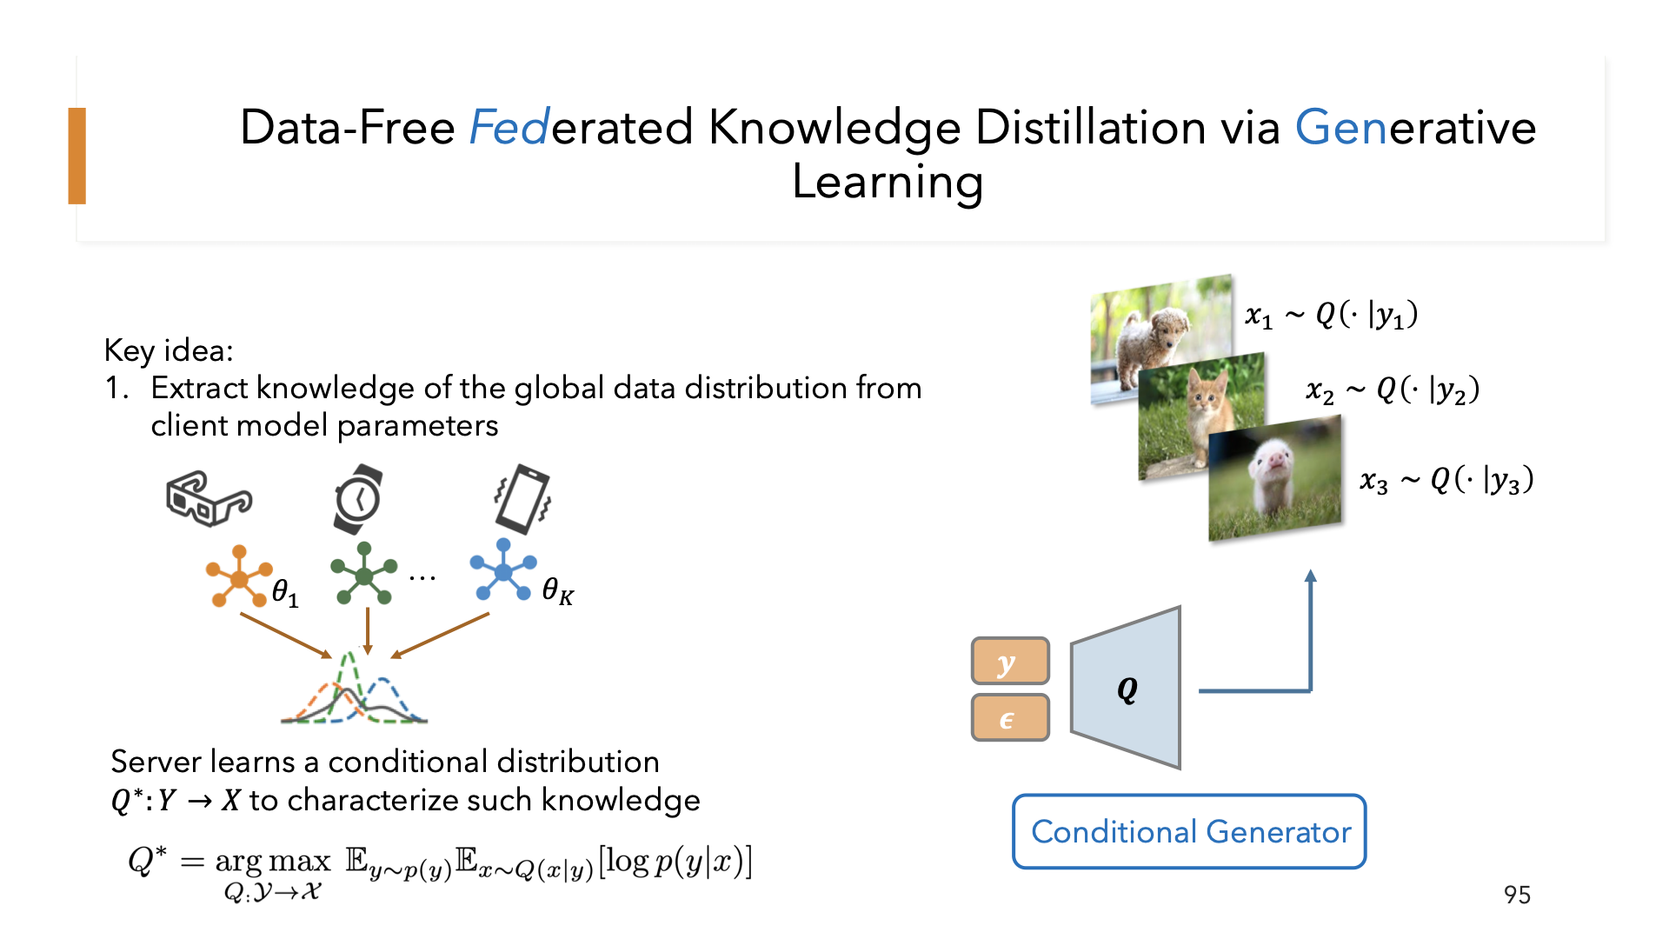
[CGM排期] | 2023-08-26
[演讲题目] | Knowledge Distillation for Efficient Learning in Heterogeneous Federated Systems
[演讲时间]
[关键词] | Federated Learning, distributed machine leanring, system heterogeneity, data heterogeneity, knowledge distillation
[嘉宾介绍] | 朱庄翟(dí)目前微软的一名高级数据和应用科学家。她于2022年8月在密歇根州立大学获得了计算机科学博士学位，庄翟对机器学习理论及其应用有广泛的研究兴趣。她目前的研究重点是联邦机器学习和强化学习。庄翟在IT和金融科技公司都拥有丰富的行业经验，在工作研究期间她解决了机器学习与人机交互、无线网络、物联网、用户推荐和数字市场等实际问题。 | Zhuangdi Zhu is a Senior Data & Applied Scientist at Microsoft. She received her Ph.D. in Computer Science from Michigan State University in Aug 2022, advised by Dr. Jiayu Zhou. Zhuangdi has broad research interests in machine learning theories and their applications. Her current research focuses on Federated (Distributed) Machine Learning and Reinforcement Learning. Zhuangdi has rich industry experience at both IT and Fintech companies, where she solved practical problems that interplay between machine learning and human computer interaction, wireless networking, IoT, advertisement ranking, and digital market-making.
[中文摘要] | 联邦学习（FL）的崛起通过利用分散在边缘设备上的数据，将机器学习带到了边缘计算。然而，边缘设备容量的异构性和数据分布的不同是FL广泛应用的两个主要障碍，导致学习收敛时间过长和通信成本高昂。我们在本次演讲中介绍的研究解决了FL中的两个基础挑战，通常称为系统异构性和数据异构性。特别地，为了解决FL中的数据异构性，我们提出了一种无数据知识蒸馏FL算法。我们的方法通过蒸馏以无数据方式学习的归纳偏差来使本地设备训练受益并校准。接下来，为了解决系统异构性，我们提出了为任意FL设备学习自我蒸馏神经网络，这些网络可以灵活地剪枝到不同大小，并以嵌套、渐进的方式捕获领域知识。实证研究与理论启示相呼应，显示了我们方法在实现高效、有效的FL方面具有显著优势。 | The rise of Federated Learning (FL) is bringing machine learning to edge computing by utilizing data scattered across edge devices. However, the heterogeneity in edge device capacities and the divergent data distributions are two major obstructions to FL’s wide application, leading to prohibitive learning convergence time and high communication costs. Our research introduced in this talk tackles the two fundamental challenges in FL, which are usually referred to as system heterogeneity and data heterogeneity. Particularly, to tackle data heterogeneity in FL, we proposed a data-free knowledge distillation FL algorithm. Our method benefits and calibrates local device training by distilling the inductive bias learned in a data-free manner. Next, to tackle the system heterogeneity, we proposed to learn self-distilled neural networks for arbitrary FL devices, which are readily prunable to flexible sizes and capture the domain knowledge in a nested, progressive manner. Empirical studies echoed by theoretical implications have shown notable strengths of our approaches in achieving efficient and effective FL.
[参考文献] | 1. McMahan, B., Moore, E., Ramage, D., Hampson, S., and y Arcas, B. A. Communication-efficient learning of deep networks from decentralized data. In *Artificial Intelli- gence and Statistics*, pp. 1273–1282. PMLR, 2017. 2. Lin, T., Kong, L., Stich, S. U., and Jaggi, M. Ensemble distillation for robust model fusion in federated learning. *arXiv preprint arXiv:2006.07242*, 2020. 3. Horvath, S., Laskaridis, S., Almeida, M., Leontiadis, I., Ve- nieris, S. I., and Lane, N. D. Fjord: Fair and accurate federated learning under heterogeneous targets with or- dered dropout. *35th Conference on Neural Information Processing Systems (NeurIPS).*, 2021. 4. Diao, E., Ding, J., and Tarokh, V. Heterofl: Computation and communication efficient federated learning for het- erogeneous clients. *arXiv preprint arXiv:2010.01264*, 2020.
[嘉宾照片] | 
[FirstName] | Zhuangdi
[LastName] | Zhu
[封面图片]

