Sheet1
Earley
câu:
0 | PAPA | 1 | AET | 2 | THE | 3 | CAVIAR | 4 | WITH | 5 | A | 6 | SPOON | 7
0 ROOT . S |  | 0 NP PAPA . |  | 1 V ATE . |  | 2 DET THE . |  | 3 N CAVIAR . |  | 4 P WITH . |  | 5 DET A . |  | 6 N SPOON .
0 S . NP VP |  | 0 NP NP . PP |  | 1 VP V . NP |  | 2 NP DET . N |  | 2 NP DET N . |  | 4 PP P . NP |  | 5 NP DET . N |  | 5 NP DET N .
0 NP . Det N |  | 0 S NP . VP |  | 2 NP. DET N |  | 3 N . CAVIAR |  | 1 VP V NP . |  | 5 NP . DET N |  | 6 N . CAVIAR |  | 4 PP P NP .
0 NP . NP PP |  | 1 PP . P NP |  | 2 NP . NP PP |  | 3 N . SPOON |  | 2 NP NP . PP |  | 5 NP . NP PP |  | 6 N . SPOON |  | 5 NP NP . PP
0 NP . PAPA |  | 1 VP . VP PP |  | 2 NP . PAPA |  |  |  | 0 S NP VP . |  | 5 NP .PAPA |  |  |  | 2 NP NP PP .
0 DET . THE |  | 1 VP . V NP |  | 2 DET . THE |  |  |  | 1 VP VP . PP |  | 5 DET . THE |  |  |  | 1 VP VP PP .
0 DET . A |  | 1 P . WITH |  | 2 DET . A |  |  |  | 4 PP . P NP |  | 5 DET . A |  |  |  | 7 PP . P NP
 |  | 1 V . ATE |  |  |  |  |  | 0 ROOT S . |  |  |  |  |  | 1 VP V NP .
 |  |  |  |  |  |  |  | 4 P. WITH |  |  |  |  |  | 2 NP NP . PP
 |  |  |  |  |  |  |  |  |  |  |  |  |  | 0 S NP VP .
 |  |  |  |  |  |  |  |  |  |  |  |  |  | 1 VP VP . PP
 |  |  |  |  |  |  |  |  |  |  |  |  |  | 7 P . WITH
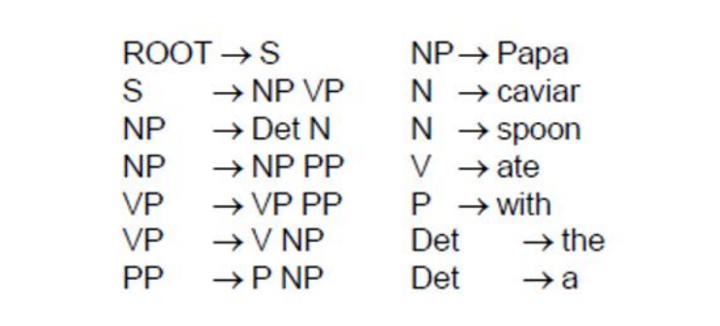
 |  |  |  |  |  |  |  |  |  |  |  |  |  | 0 ROOT S .

