Bug reports
ID | Summary | Severity | Description | Attachment | Environment
1 | The error message is displayed after entering valid data in the "Password" (Re-enter password) field. | Major | STR: 1.Go to the site https://qauto2.forstudy.space/ 2. Press the "Sign up" button 3. Fill in the "Name" field with valid data (Aida) 4. Fill in the "Last name" field with valid data (Islamova) 5. Fill in the "Email" field with valid data (Islamova.aida1@gmail.com) 6. Fill in the "Password" field with valid data (gb2%J) 7. Click on the area of ​​the modal window outside the field. 8. Pay attention to the validation message next to the "Password" field. Actual result : The error message is displayed after entering valid data in the "Password" (Re-enter password) field. Expected Result : There is no error message after entering valid data in the Password (Re-enter password) field. The input values is accepted. | 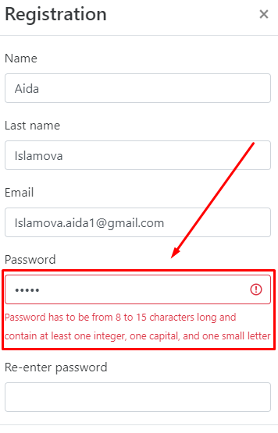 | Google Chrome v.100.0.4896.75 Windows 10
2 | The error message is not displayed after invalid data is entered in the "Name" and "Last name" fields. | Major | STR: 1. Go to the site https://qauto2.forstudy.space/ 2. Press the "Sign up" button 3.Fill in the "Name" field with two Latin letters. 4. Click on the modal window outside the field 5. Fill in the "Last name" field with two Latin letters. 6. Click on the modal window outside the field 7. Pay attention to the lack of error message Actual Result: There is no error message after invalid data is entered in the "Name" and "Last name" fields. Expected Result : There is error message after invalid data is entered in the "Name" and "Last name" fields. |  | Google Chrome v.100.0.4896.75 Windows 10
3 | The error message is not displayed after invalid data length is entered in the "Last name" fields. | Major | STR: 1. Go to the site https://qauto2.forstudy.space/ 2. Press the "Sign up" button 3. Enter 25 Latin letters in the "Last name" field ( Islamovaaaaaaaaaaaaaaaaaa ) 4. Pay attention to the lack of error message Actual Result : There is no error message after invalid data length is entered in the "Last name" fields. Expected Result : There is the error message after invalid data length is entered in the "Last name" fields. | 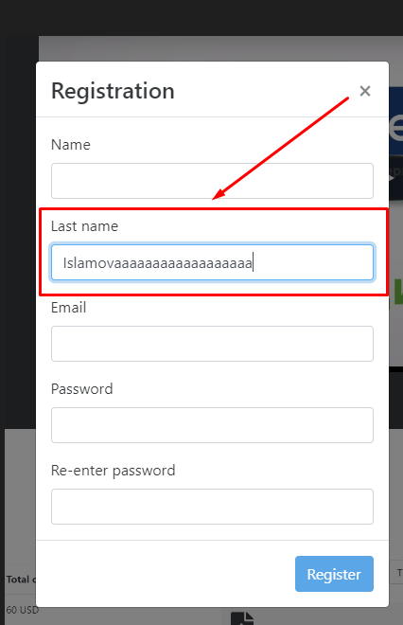 | Google Chrome v.100.0.4896.75 Windows 10
4 | The error message is displayed after entering the valid data in the "Password" fields. | Major | STR: 1. Go to the site https://qauto2.forstudy.space/ 2. Press the "Sign up" button 3. Enter a five-digit password in the "Password" field (1P#%1) Actual Result : The error message is displayed after entering the valid password. Expected Result : There is no error message after entering the valid password. | 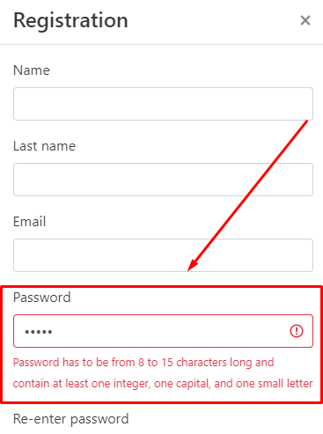 | Google Chrome v.100.0.4896.75 Windows 10
5 | The error message is displayed after entering the valid data in the "Password" fields. | Major | STR: 1. Go to the site https://qauto2.forstudy.space/ 2. Press the "Sign up" button 3. Enter a seventeen-digit password in the "Password" field (1P#%1234567890000 ) Actual Result : The error message is displayed after entering the valid password. Expected Result : There is no error message after entering the valid password. | 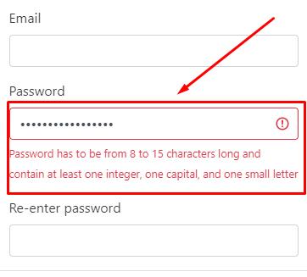 | Google Chrome v.100.0.4896.75 Windows 10
6 | The error message is not displayed after invalid data is entered in the "Password" fields. | Major | STR: 1. Go to the site https://qauto2.forstudy.space/ 2. Press the "Sign up" button 3. Enter the password without a number in the "Password" field (asdfghs%J) 4. Pay attention to the lack of error message Actual result :There is no the error message after invalid password is entered in the "Password" field. Expected Result :There is the error message after invalid password is entered in the "Password" field. |  | Google Chrome v.100.0.4896.75 Windows 10
7 | The error message is not displayed after invalid data is entered in the "Password" fields. | Major | STR: 1. Go to the site https://qauto2.forstudy.space/ 2. Press the "Sign up" button 3. Enter the password without special symbols in the "Password" field (asdfghs2J) 4. Pay attention to the lack of error message Actual result :There is no the error message after invalid password is entered in the "Password" field. Expected Result :There is the error message after invalid password is entered in the "Password" field. |  | Google Chrome v.100.0.4896.75 Windows 10
8 | There is no alphabetical order of car brands in the "Brand" drop-down list. | Major | STR: 1. Go to the site https://qauto2.forstudy.space/ 2. Press the "Sign in" button 3. Log in (login data: Islamova.aida1@gmail.com / l8sm4uYGreudpDp) 4. Press the "Add car" button 5. Click on the "Brand" dropdown 6. Pay attention to the order of brands in the list. Actual result : The alphabetical order of car brands in the "Brand" drop-down list is not followed. Expected result : Car brands are displayed in alphabetical order. | 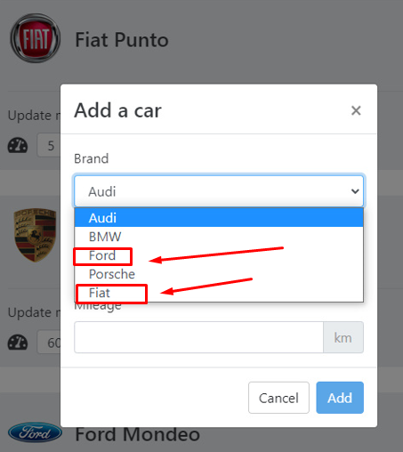 | Google Chrome v.100.0.4896.75 Windows 10
9 | There is no alphabetical order of Audi car models in the "Model" drop-down list. | Major | STR: 1.Go to the site https://qauto2.forstudy.space/ 2.Press the "Sign in" button 3.Log in (login data: Islamova.aida1@gmail.com / l8sm4uYGreudpDp) 4.Press the "Add car" button 5.Select the brand "Audi" in the "Brand" drop-down list 6.Click on the "Model" dropdown 7.Pay attention to the order of models in the list Actual Result : The alphabetical order of Audi car models is not followed. Expected result : Audi car models are displayed in alphabetical order. | 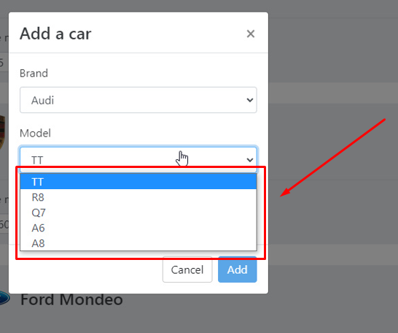 | Google Chrome v.100.0.4896.75 Windows 10
10 | There is no alphabetical order of Fiat car models in the "Model" drop-down list. | Major | STR: 1.Go to the site https://qauto2.forstudy.space/ 2.Press the "Sign in" button 3.Log in (login data: Islamova.aida1@gmail.com / l8sm4uYGreudpDp) 4.Press the "Add car" button 5.Select the brand "Fiat" in the "Brand" drop-down list 6.Click on the "Model" dropdown 7.Pay attention to the order of models in the list Actual Result : The alphabetical order of Fiat car models is not followed. Expected result : Fiat car models are displayed in alphabetical order. | 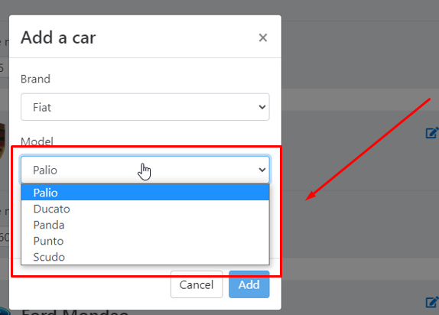 | Google Chrome v.100.0.4896.75 Windows 10

