patients
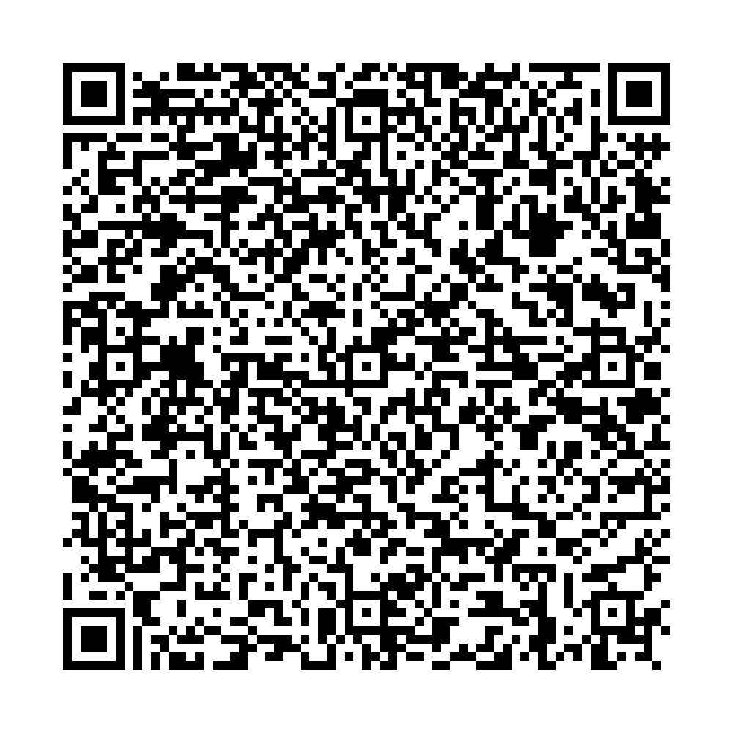
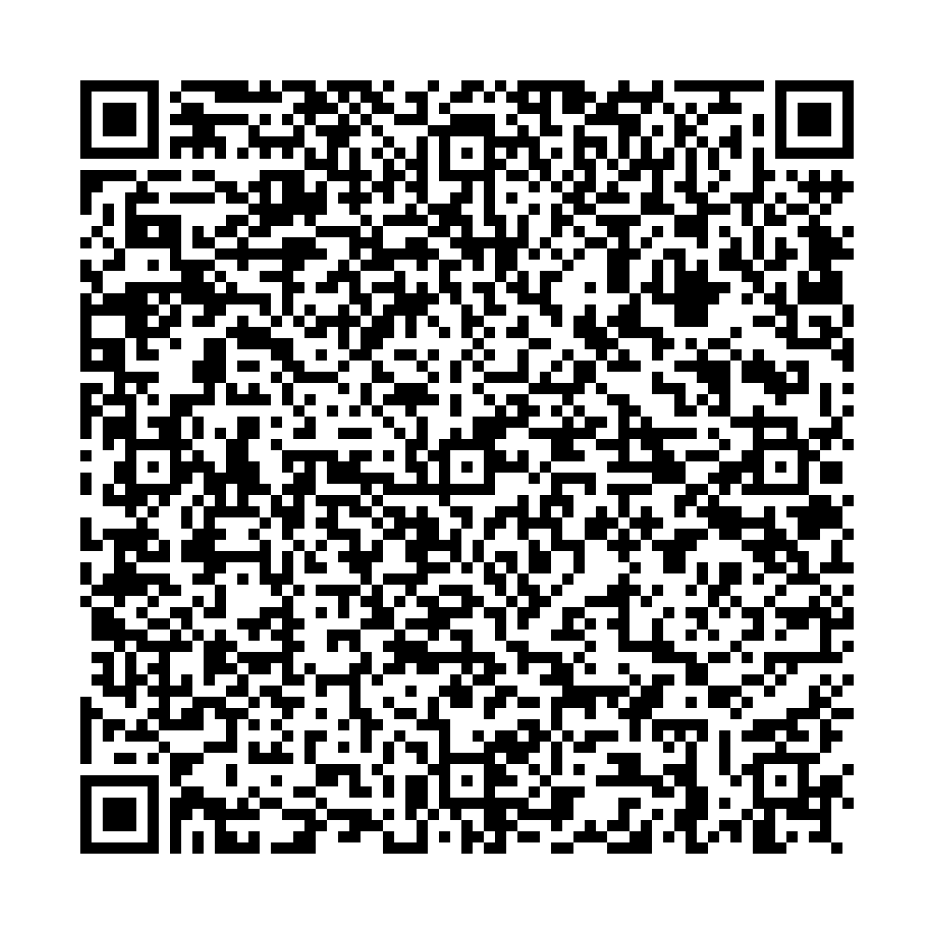
Ufa City Clinical Hospital No.21 Clinical laboratory
Report No.4061 of the molecular biological study by polymerase chain reaction
 | Patient:
 | IURCHENOK VADIM
 | Date of Birth: 04.01.1970
 | Passport: 76 4408364
Department: Bacteriological laboratory
Clinical diagnosis: examination Studies of a smear from the pharynx, nose
The result of the study:
COVID-19 PCR testing results
SARS-CoV2 RNA – NOT DETECTED
No.4061 production No.2
Date and time of biomaterial sampling:
06.07.2021 10:00
Result ready date and time:
06.07.2021 15:30

Signature:

