patients
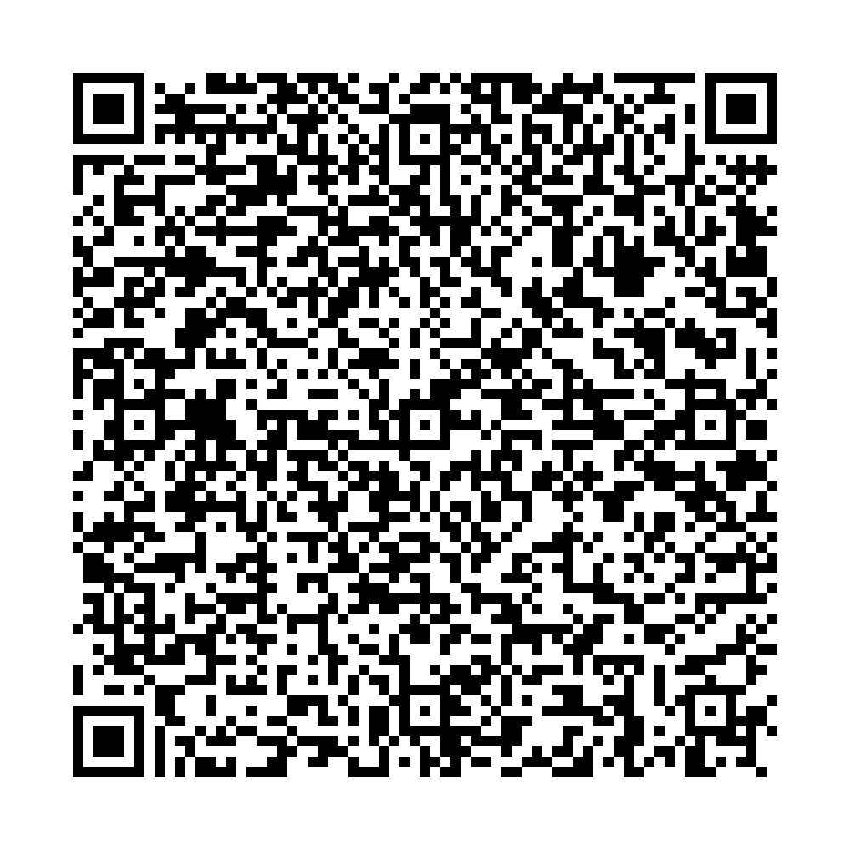
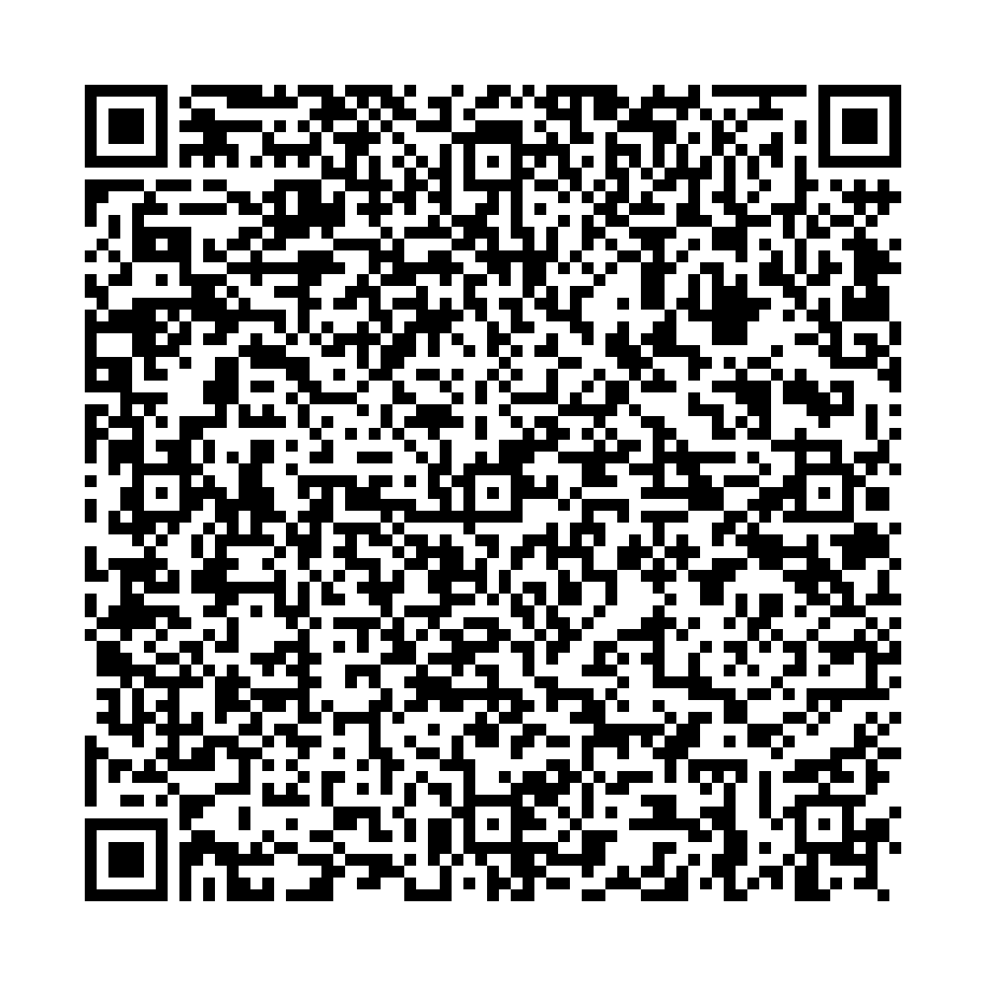
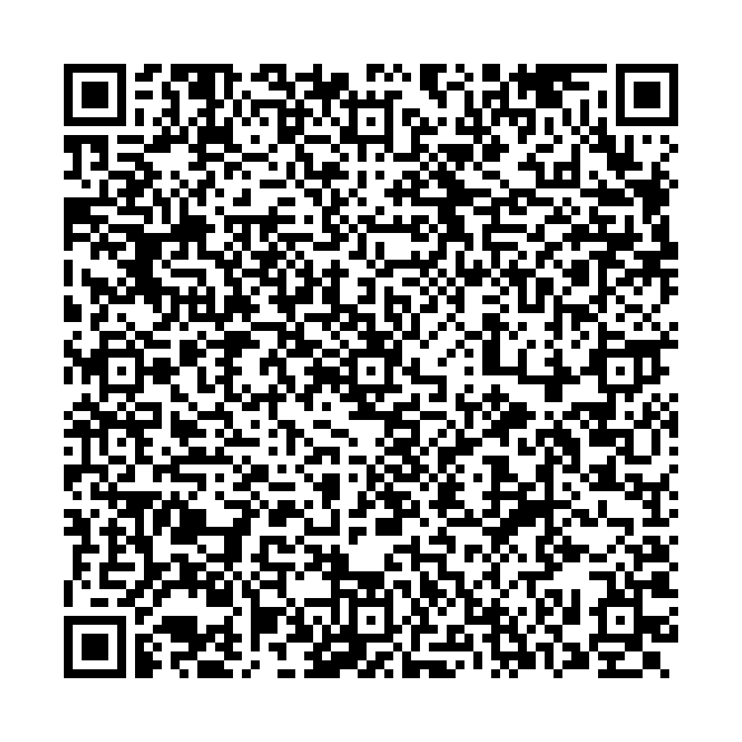
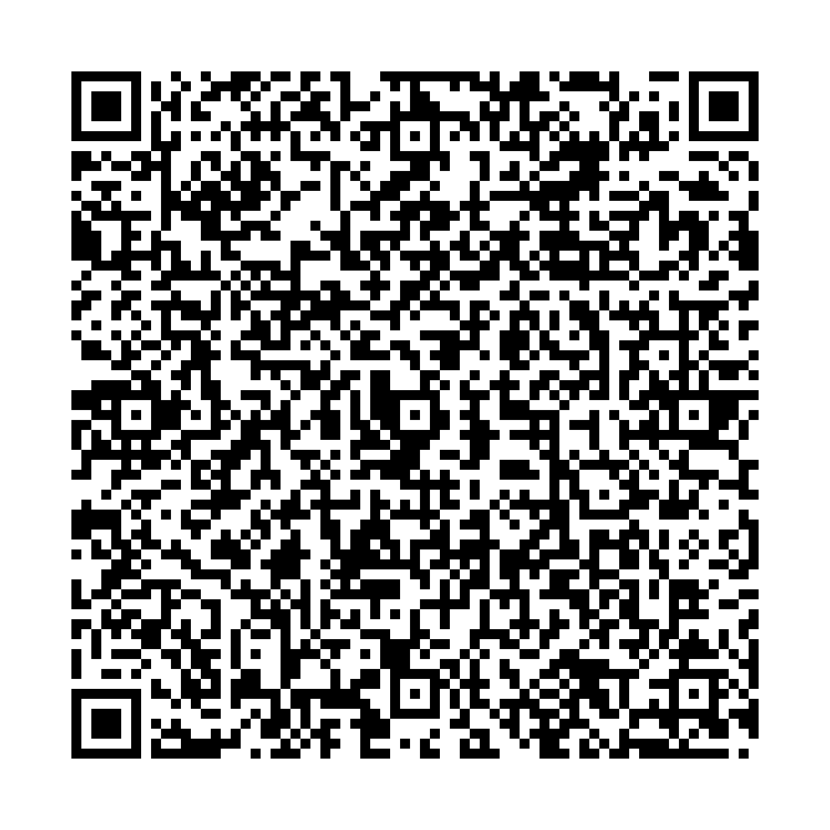
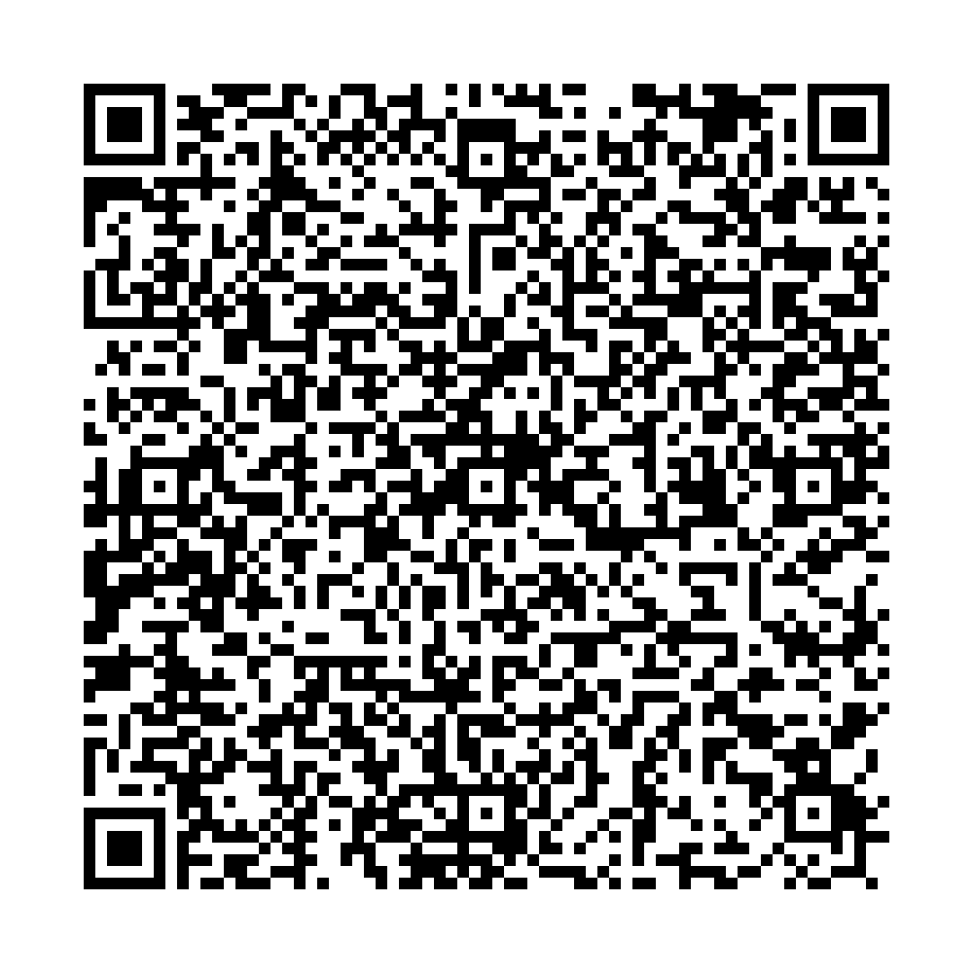
Ufa City Clinical Hospital No.21 Clinical laboratory |  | Ufa City Clinical Hospital No.21 Clinical laboratory |  | Ufa City Clinical Hospital No.21 Clinical laboratory
Report No.3644 of the molecular biological study by polymerase chain reaction |  | Report No.3646 of the molecular biological study by polymerase chain reaction |  | Report No.3648 of the molecular biological study by polymerase chain reaction
 | Patient: |  | Patient: |  | Patient:
 | MURZINA LARISA |  | SEMENOV IVAN |  | ASADULLINA AIGUL
 | Date of Birth: 18.03.1965 |  | Date of Birth: 09.10.1982 |  | Date of Birth: 22.04.1992
 | Passport: 72 2716392 |  | Passport: 73 1106400 |  | Passport: 75 2145616
Department: Bacteriological laboratory |  | Department: Bacteriological laboratory |  | Department: Bacteriological laboratory
Clinical diagnosis: examination Studies of a smear from the pharynx, nose |  | Clinical diagnosis: examination Studies of a smear from the pharynx, nose |  | Clinical diagnosis: examination Studies of a smear from the pharynx, nose
The result of the study: |  | The result of the study: |  | The result of the study:
COVID-19 PCR testing results |  | COVID-19 PCR testing results |  | COVID-19 PCR testing results
SARS-CoV2 RNA – NOT DETECTED |  | SARS-CoV2 RNA – NOT DETECTED |  | SARS-CoV2 RNA – NOT DETECTED
No.3644 production No.1 |  | No.3646 production No.3 |  | No.3648 production No.5
Date and time of biomaterial sampling: |  | Date and time of biomaterial sampling: |  | Date and time of biomaterial sampling:
01.07.2021 10:00 |  | 03.07.2021 10:00 |  | 05.07.2021 10:00
Result ready date and time: |  | Result ready date and time: |  | Result ready date and time:
01.07.2021 15:10 |  | 03.07.2021 16:20 |  | 05.07.2021 16:40

Signature: |  | Signature: |  | Signature:

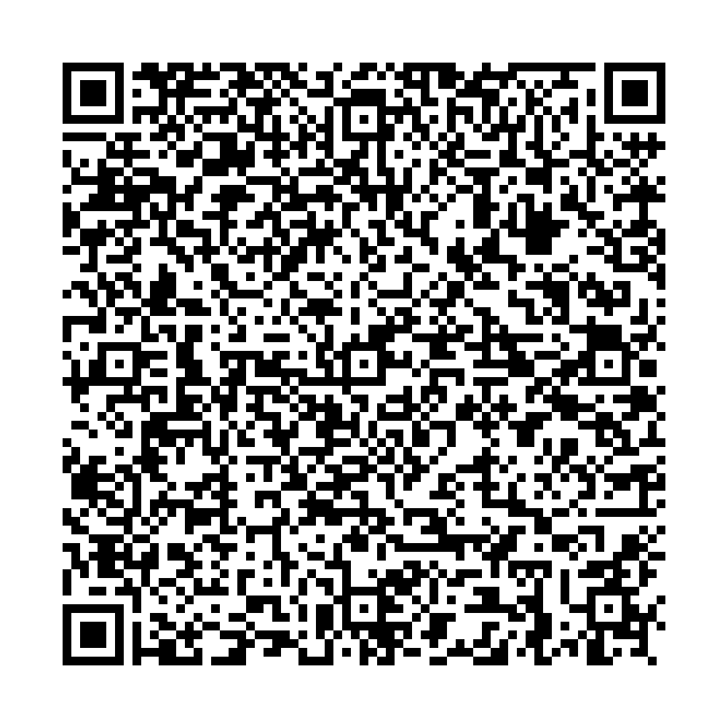
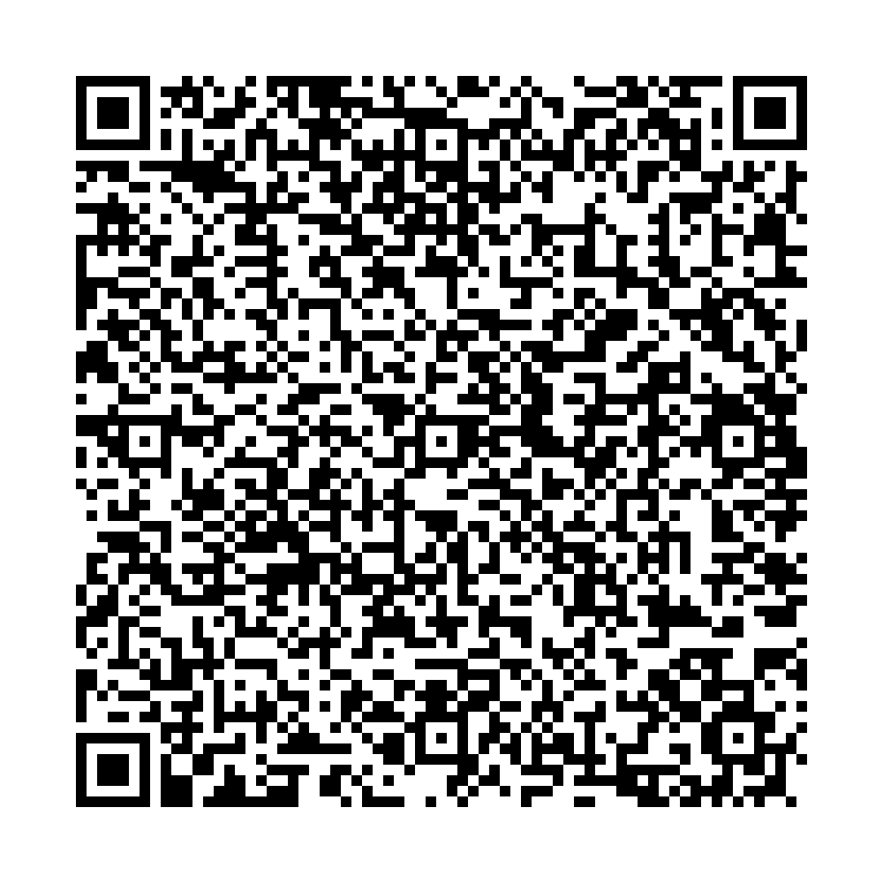
Ufa City Clinical Hospital No.21 Clinical laboratory |  | Ufa City Clinical Hospital No.21 Clinical laboratory
Report No.3645 of the molecular biological study by polymerase chain reaction |  | Report No.3647 of the molecular biological study by polymerase chain reaction
 | Patient: |  | Patient:
 | NAFIKOVA LARISA |  | SEMENOVA OLGA
 | Date of Birth: 21.11.1964 |  | Date of Birth: 18.07.1974
 | Passport: 75 3813965 |  | Passport: 73 2923457
Department: Bacteriological laboratory |  | Department: Bacteriological laboratory
Clinical diagnosis: examination Studies of a smear from the pharynx, nose |  | Clinical diagnosis: examination Studies of a smear from the pharynx, nose
The result of the study: |  | The result of the study:
COVID-19 PCR testing results |  | COVID-19 PCR testing results
SARS-CoV2 RNA – NOT DETECTED |  | SARS-CoV2 RNA – NOT DETECTED
No.3645 production No.2 |  | No.3647 production No.4
Date and time of biomaterial sampling: |  | Date and time of biomaterial sampling:
02.07.2021 10:00 |  | 04.07.2021 10:00
Result ready date and time: |  | Result ready date and time:
02.07.2021 15:30 |  | 04.07.2021 16:40

Signature: |  | Signature:

