patients
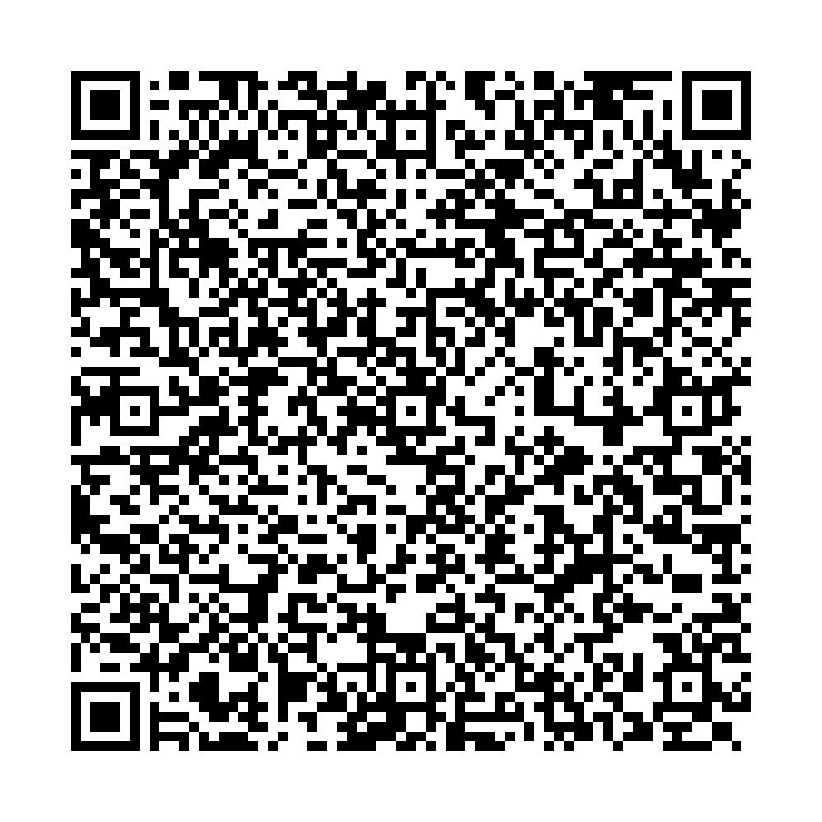
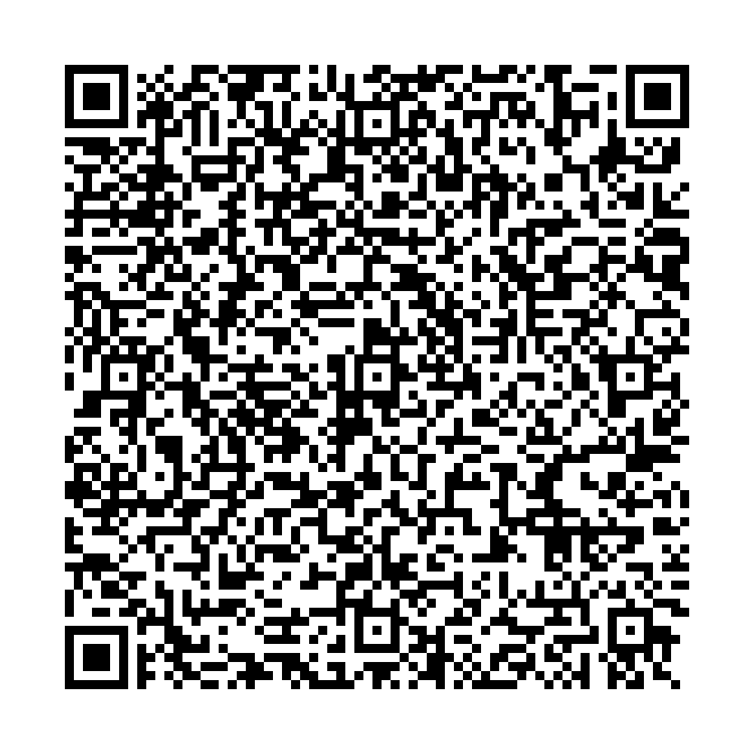
Ufa City Clinical Hospital No.21 Clinical laboratory |  | Ufa City Clinical Hospital No.21 Clinical laboratory
Report No.5812 of the molecular biological study by polymerase chain reaction |  | Report No.6586 of the molecular biological study by polymerase chain reaction
 | Patient: |  | Patient:
 | BARYKINA ELINA |  | KORNIIASHIK ALEKSEI
 | Date of Birth: 07.09.1983 |  | Date of Birth: 30.08.1976
 | Passport: 73 2730440 |  | Passport: 76 2364060
Department: Bacteriological laboratory |  | Department: Bacteriological laboratory
Clinical diagnosis: examination Studies of a smear from the pharynx, nose |  | Clinical diagnosis: examination Studies of a smear from the pharynx, nose
The result of the study: |  | The result of the study:
COVID-19 PCR testing results |  | COVID-19 PCR testing results
SARS-CoV2 RNA – NOT DETECTED |  | SARS-CoV2 RNA – NOT DETECTED
No.5812 production No.3 |  | No.6586 production No.1
Date and time of biomaterial sampling: |  | Date and time of biomaterial sampling:
07.07.2021 10:00 |  | 10.07.2021 10:00
Result ready date and time: |  | Result ready date and time:
07.07.2021 16:20 |  | 10.07.2021 15:10

Signature: |  | Signature:

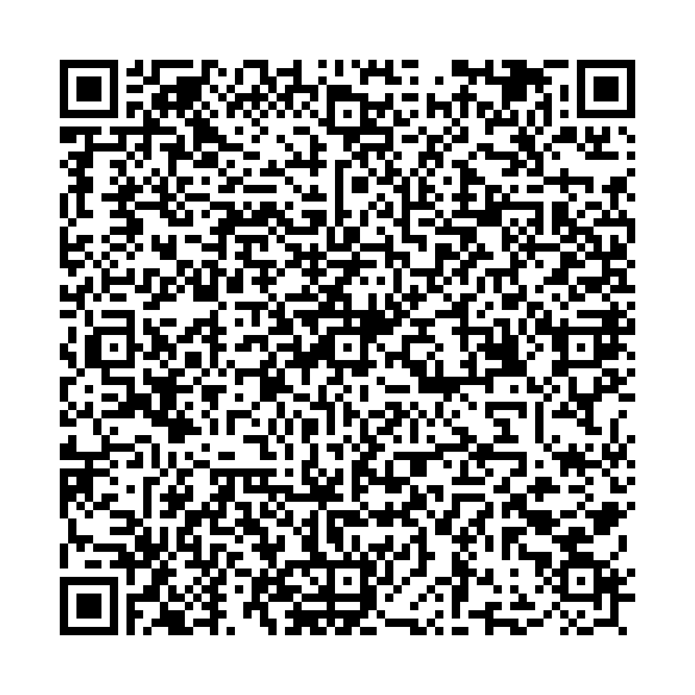
Ufa City Clinical Hospital No.21 Clinical laboratory
Report No.6585 of the molecular biological study by polymerase chain reaction
 | Patient:
 | KHASANOVA REGINA
 | Date of Birth: 13.01.1978
 | Passport: 71 8407823
Department: Bacteriological laboratory
Clinical diagnosis: examination Studies of a smear from the pharynx, nose
The result of the study:
COVID-19 PCR testing results
SARS-CoV2 RNA – NOT DETECTED
No.6585 production No.1
Date and time of biomaterial sampling:
10.07.2021 10:00
Result ready date and time:
10.07.2021 15:10

Signature:

