patients
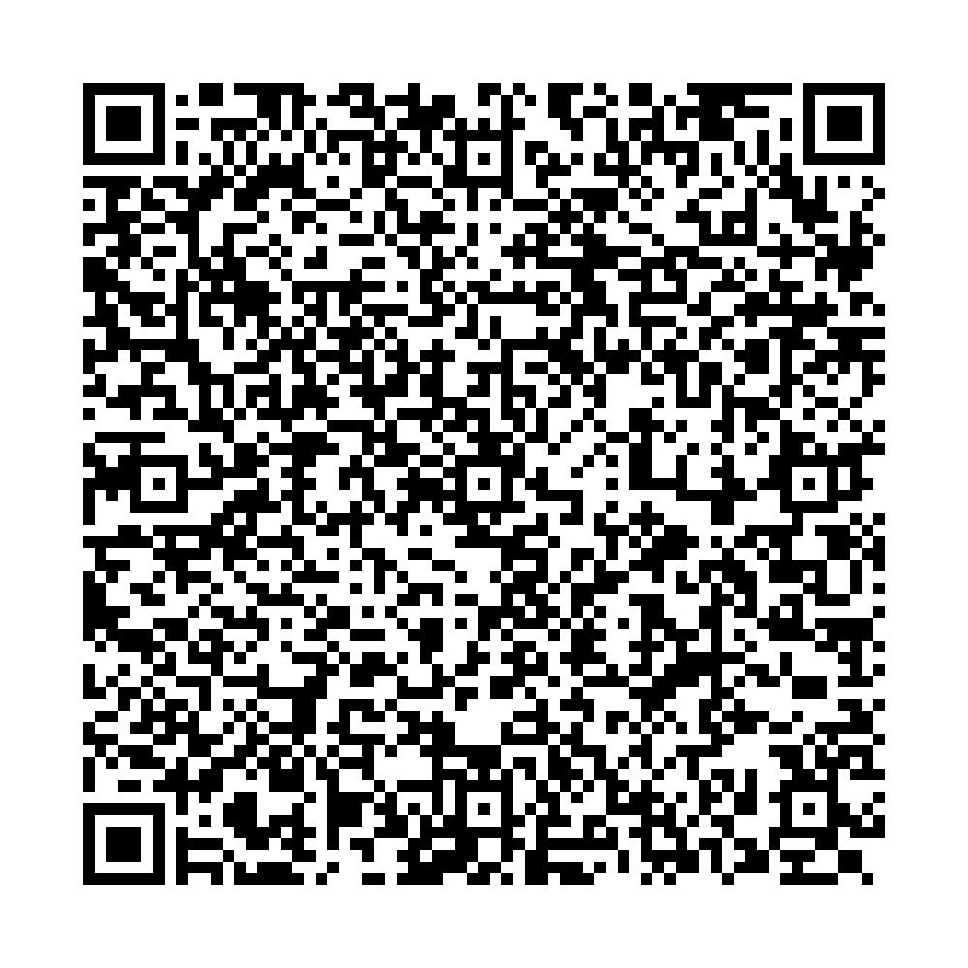
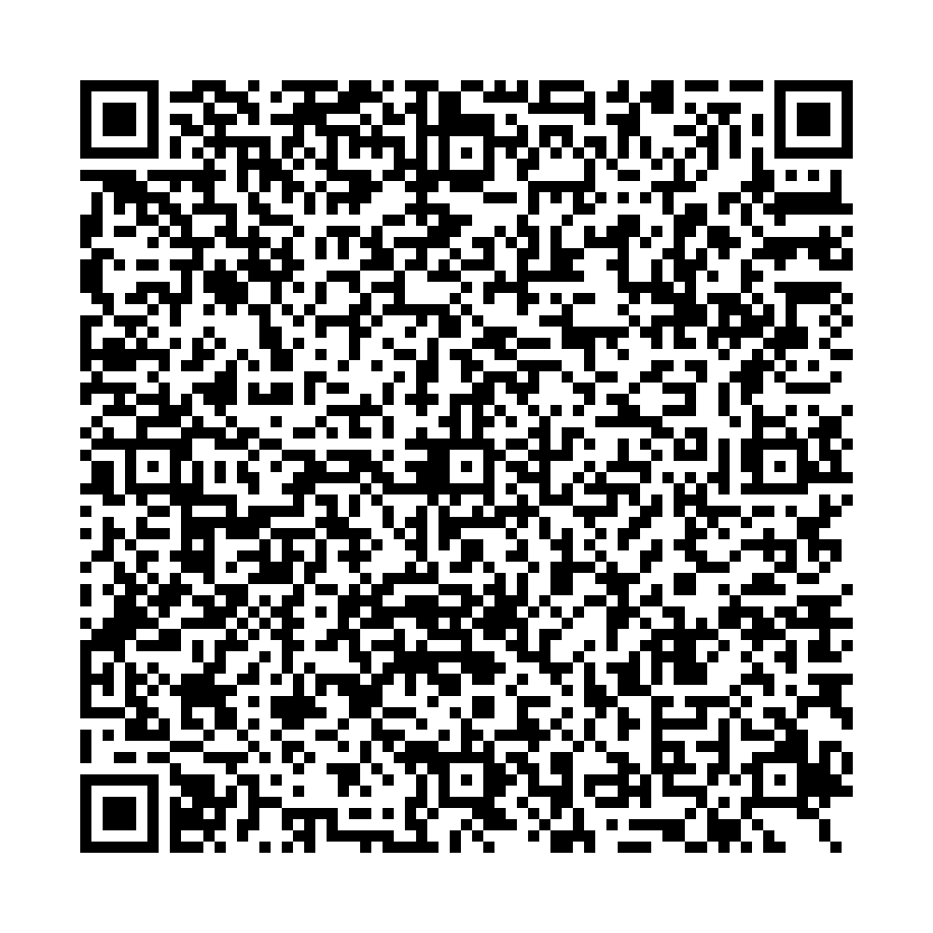

Ufa City Clinical Hospital No.21 Clinical laboratory
Report No.7032 of the molecular biological study by polymerase chain reaction
 | Patient:
 | VALIULLIN AIBULAT
 | Date of Birth: 26.08.2003
 | Passport: 76 1296361
Department: Bacteriological laboratory
Clinical diagnosis: examination Studies of a smear from the pharynx, nose
The result of the study:
COVID-19 PCR testing results
SARS-CoV2 RNA – NOT DETECTED
No.7032 production No.1
Date and time of biomaterial sampling:
08.07.2021 10:00
Result ready date and time:
08.07.2021 15:10

Signature:


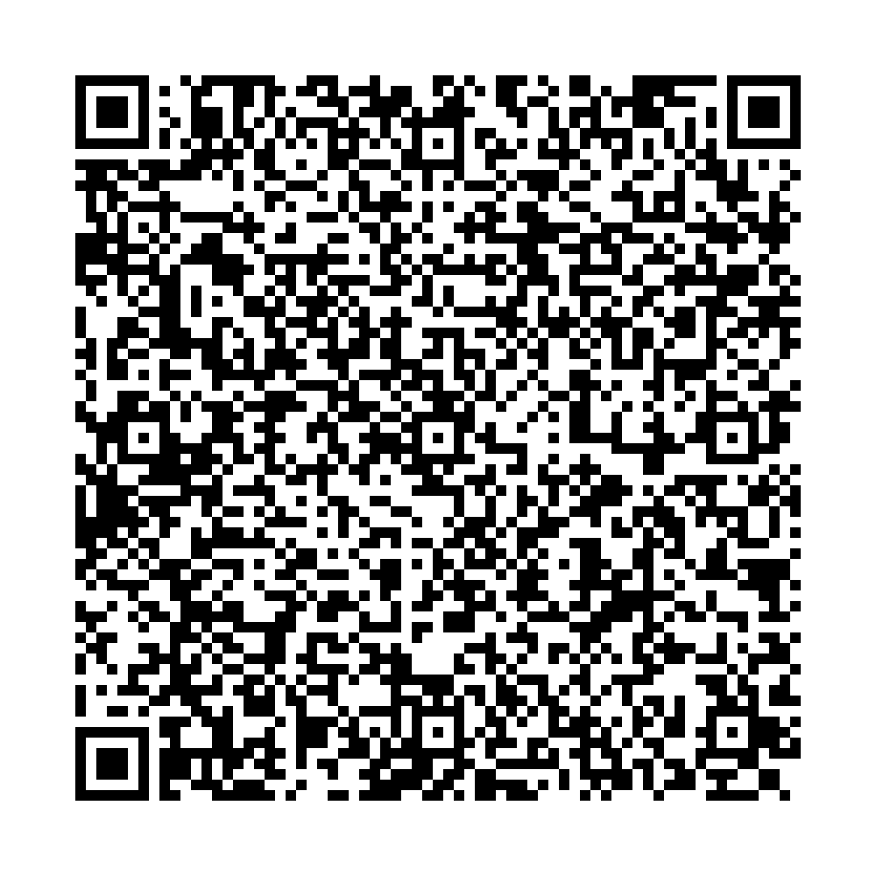
Ufa City Clinical Hospital No.21 Clinical laboratory
Report No.7033 of the molecular biological study by polymerase chain reaction
 | Patient:
 | VALIULLIN AZAT
 | Date of Birth: 05.07.1976
 | Passport: 73 2814965
Department: Bacteriological laboratory
Clinical diagnosis: examination Studies of a smear from the pharynx, nose
The result of the study:
COVID-19 PCR testing results
SARS-CoV2 RNA – NOT DETECTED
No.7033 production No.1
Date and time of biomaterial sampling:
08.07.2021 10:00
Result ready date and time:
08.07.2021 15:10

Signature:

