patients
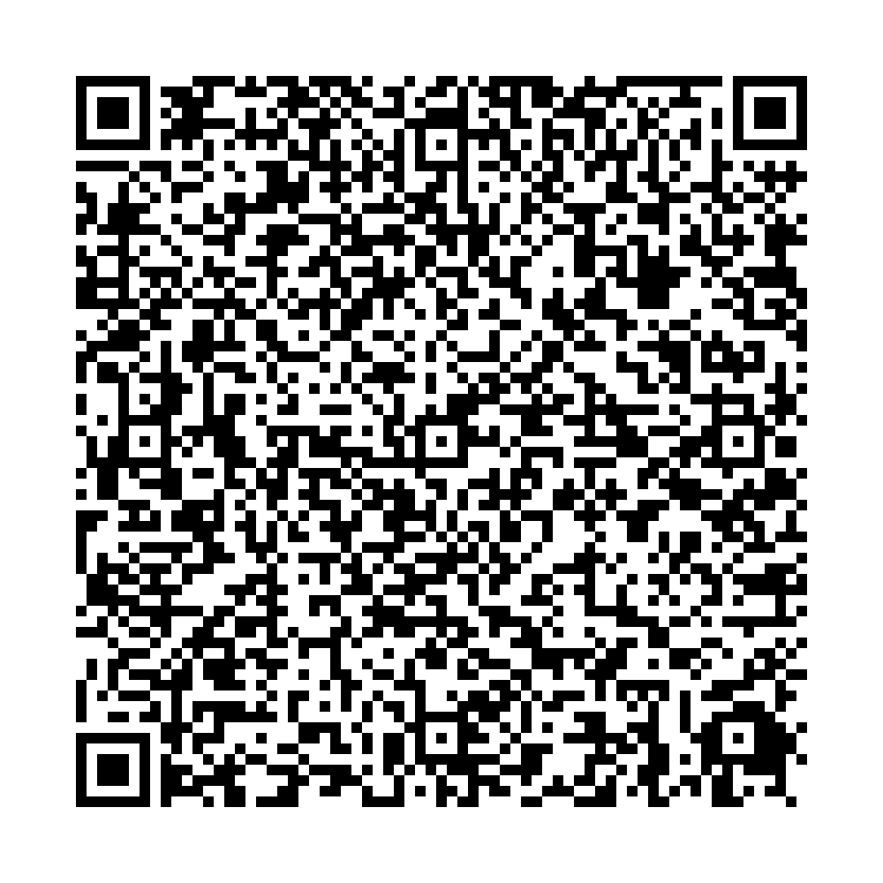
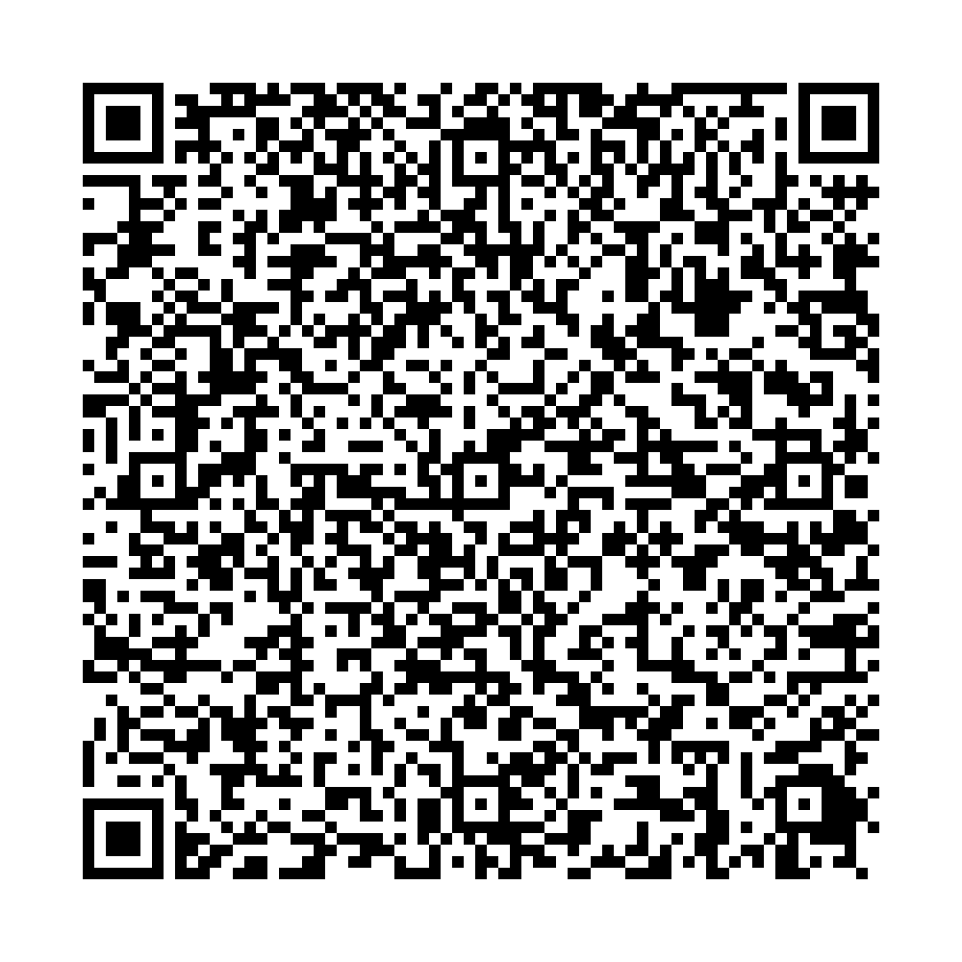
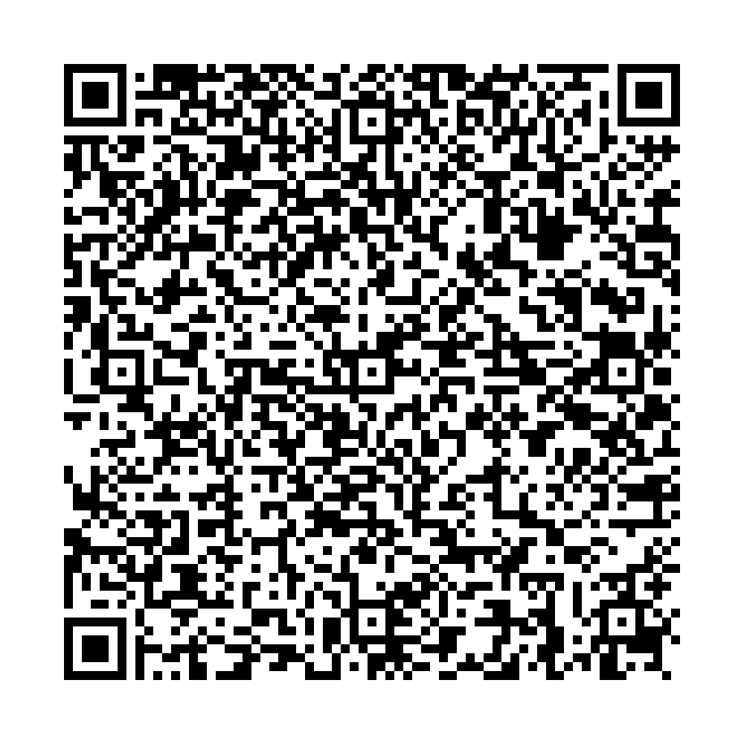
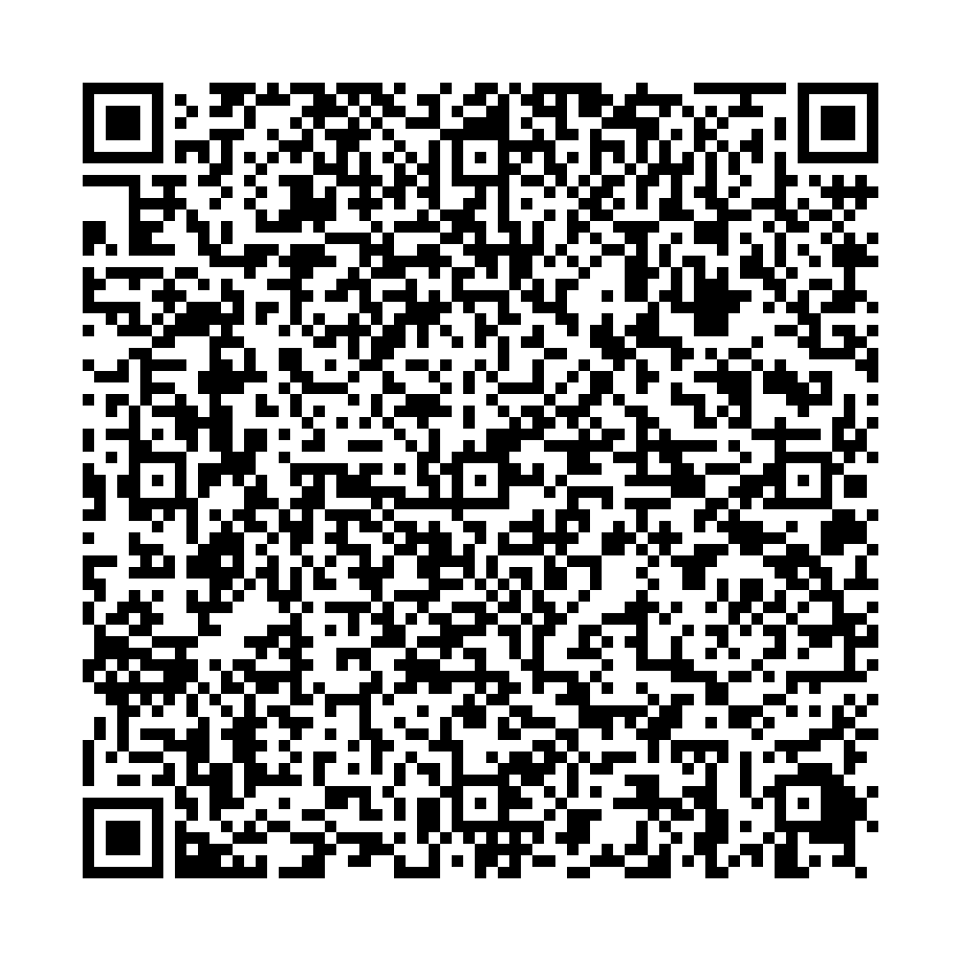
Ufa City Clinical Hospital No.21 Clinical laboratory
Report No.8372 of the molecular biological study by polymerase chain reaction
 | Patient:
 | KHAIRULLIN IRIK
 | Date of Birth: 06.05.1981
 | Passport: 75 4049532
Department: Bacteriological laboratory
Clinical diagnosis: examination Studies of a smear from the pharynx, nose
The result of the study:
COVID-19 PCR testing results
SARS-CoV2 RNA – NOT DETECTED
No.8372 production No.3
Date and time of biomaterial sampling:
10.07.2021 10:00
Result ready date and time:
10.07.2021 16:20

Signature:

