Model
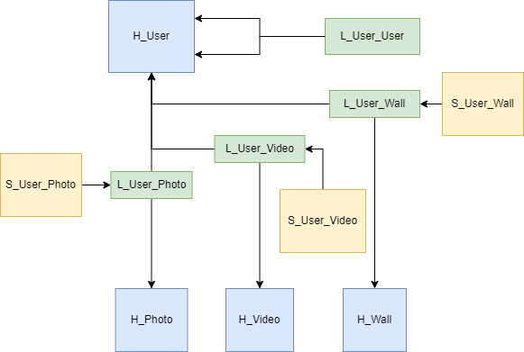
H_User
User_ID | Load_Date | Source
1 | 2023-02-01 10:00:00 | VK
2 | 2023-02-02 10:00:00 | VK

H_Photo
Photo_ID | Load_Date | Source
1 | 2023-02-01 10:00:00 | VK
2 | 2023-02-02 10:00:00 | VK

H_Video
Video_ID | Load_Date | Source
1 | 2023-02-01 10:00:00 | VK
2 | 2023-02-02 10:00:00 | VK

H_Wall
Post_ID | Load_Date | Source
1 | 2023-02-01 10:00:00 | VK
2 | 2023-02-02 10:00:00 | VK

L_User_User
User_Friend_ID | Load_Date | Source | User_ID | Friend_ID
1 | 2023-02-01 10:00:00 | VK | 1 | 3 | *подписчик
2 | 2023-02-02 10:00:00 | VK | 1 | 4 | *подписчик
3 | 2023-02-03 10:00:00 | VK | 3 | 1 | *теперь друг

L_User_Photo
User_Photo_ID | Load_Date | Source | User_ID | Photo_ID
1 | 2023-02-01 10:00:00 | VK | 1 | 1
2 | 2023-02-02 10:00:00 | VK | 1 | 2
3 | 2023-02-03 10:00:00 | VK | 1 | 3
4 | 2023-02-04 10:00:00 | VK | 2 | 10

L_User_Video
User_Video_ID | Load_Date | Source | User_ID | Video_ID
1 | 2023-02-01 10:00:00 | VK | 1 | 3
2 | 2023-02-02 10:00:00 | VK | 2 | 10

L_User_Wall
User_Post_ID | Load_Date | Source | User_ID | Post_ID
1 | 2023-02-01 10:00:00 | VK | 1 | 13
2 | 2023-02-02 10:00:00 | VK | 2 | 14

S_User_Photo
User_Photo_ID | Load_Date | Source | Friend_ID
1 | 2023-02-01 10:00:00 | VK | 123 | *лайки
1 | 2023-02-01 10:00:00 | VK | 124
2 | 2023-02-01 10:00:00 | VK | 123
2 | 2023-02-01 10:00:00 | VK | 1093

S_User_Video
User_Video_ID | Load_Date | Source | Friend_ID
1 | 2023-02-01 10:00:00 | VK | 123
1 | 2023-02-01 10:00:00 | VK | 124

S_User_Wall
User_Post_ID | Load_Date | Source | Friend_ID
1 | 2023-02-01 10:00:00 | VK | 123
1 | 2023-02-01 10:00:00 | VK | 124

