Issues
Issue ID: Marvel 001 - It's not possible to create an account to access the application | Evidences
Pre-condition - Wi-fi or mobile data on Steps - Open the application - Go to "crie uma conta" - Informe an e-mail and password - Click on "Cadastrar" - Observe behavior Expected results - Must be possible to create an account to access the application | 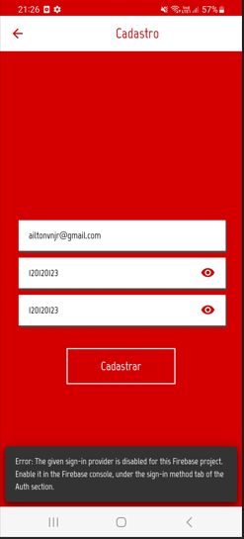 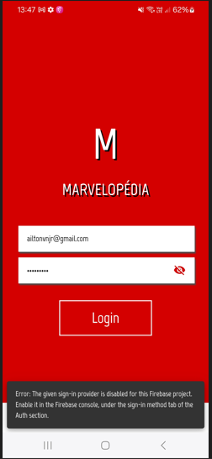

Resultado
Test | n° | Result
PASS | 2 | Blocked
FAIL | 1
BLOCKED | 5
 | 8

Result

Etapas do projeto | Dia 1 | Dia 2 | Dia 3 | Dia 4
Planejamento | X | X
Criação dos cenários |  |  | X
Execução |  |  | X
Considerações |  |  |  | X

