Changes
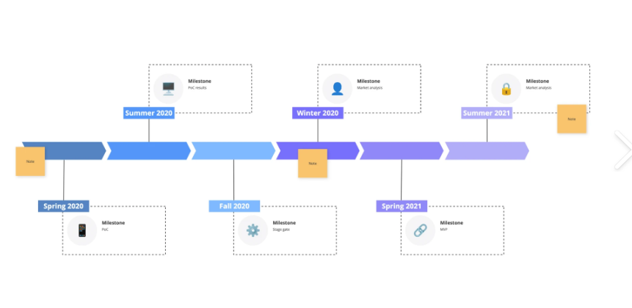
1. Filter Bar Customization Users pick which filters show in the filter bar Hide filters they don't use, keep only the ones they need Example: A user who only filters by "Department" and "Status" can hide all other filters 2. Column Customization Users pick which columns show in the table Hide columns they don't need, see only what matters to their role Example: A Finance user might hide technical columns like "Test Env" and "UAT Env" Remember User Preferences The app must remember each user's choices: When this happens... The app should... User logs out and logs back in - Show their saved filter & column choices User goes to another page and comes back - Keep their filter & column choices User closes browser and returns later - Restore their last saved view

Make the dashborad look like the "dashboard" tab in this excel, it should show only summaries. Each summary should be a link , which takes to the corresponding page with filter applied. For example, if the No of Blocked releases are shown as 4, then this number 4 displayed should be a link and upon cliking on it, it should take the user to the Rleases page with Blocked filetr applied. Try to use graphs, piecharts and so on, sample dashborad shown below.

All the Green colour tabs are Reference or master data, these details will be entered / updated in tha application Only by the admins or super admins.

Every Orange Tab has got Quick reference and full documentation, Each of these pages should start with Full documentation and then followed by Quick ref, both of these sections should be collapsible.Below these 2 display the actual data table.
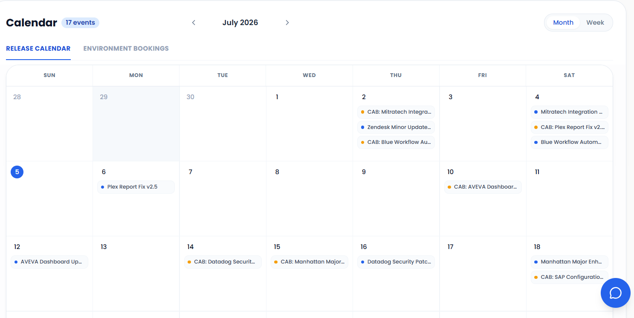

Provide3 different views of Calendar 1) Calendar( Moth Grid view), 2) Time line 3) Table format ( As shown in Excel)

Calendar( Moth Grid view) :

Timeline View

