Figure 8.1
Figure 8.1
US Households Rely on Multi-Tiered Retirement Resources

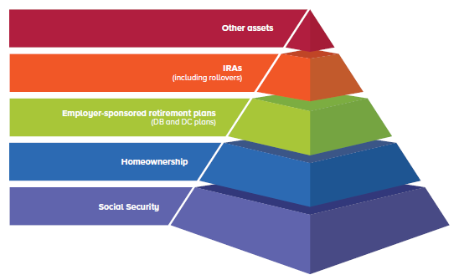

Source: Investment Company Institute, The Success of the US Retirement System

