testcases
Test Case ID | Module | Title | Preconditions | Test Steps | Test Data | Expected Result | Actual Result | Status | Severity | Notes | Screenshot | Bug Reference
TC_Login_001 | Login | Valid Login | User registered with valid credentials | 1. Open Parabank login page\n2. Enter valid username and password\n3. Click Login | username: testuser01 / password: Password123! | User redirected to Accounts Overview/dashboard | Login failed — system displayed error ‘An internal error has occurred and has been logged.’ instead of redirecting to Accounts Overview. | Fail | Critical (because login is a blocker, users can’t access the system) | 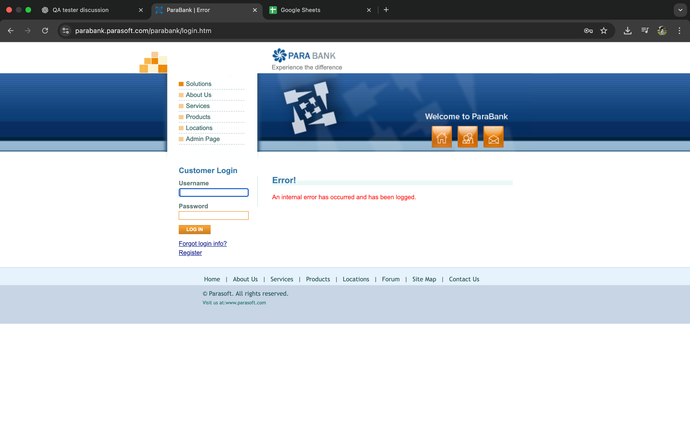 |  | BUG_002
TC_Login_002 | Login | Valid Login | User registered with valid credentials | 1. Open Parabank login page\n2. Enter valid username and password\n3. Click Login | username: userjohn / password: Password123! | User redirected to Accounts Overview/dashboard | Login successful - system displayed "Your account was created successfully. You are now logged in." | Pass
TC_OpenAccount_001 | Open Account | Opening a new account | User logged in with one account and wished to open new account from the current account | 1. Open Parabank login page\n2. Enter valid username and password\n3. Click Login\n4. Click Open New Account\n5. Click Saving Account Type\n6. Click Open Account | Current Account: 16784 New Account: 16785 | User redirected to Open New Accounts page; Choose new account; New account successfully opened | New account successfully opened - system displayed "Congratulations, you account is now open. Your new account number:16785" | Pass
TC_Transfer_001 | Transfer Funds | Transfer between own accounts - Positive Flow | User logged in with at least two accounts and sufficient balance | 1. Open Parabank login page\n2. Enter valid username and password\n3. Click Login\n4. Click Transfer Funds\n5. Enter Amount and choose account\n6. Click Transfer | Amount: $100.00; From account: 16674; To account: 16785 | Transfer succeeds; balances updated; transaction in history | Transfer Complete - system displayed "$100.00 has been transferred from account #16674 to account #16785. See Account Activity for more details." | Pass
TC_Transfer_002 | Transfer Funds | Transfer between own accounts | User logged in with at least two accounts and sufficient balance | 1. Open Parabank login page\n2. Enter valid username and password\n3. Click Login\n4. Click Transfer Funds\n5. Enter Amount and choose account\n6. Click Transfer | Amount: $1000.00; From account:13566; To account: 13677 | System should prevent the transfer and display an error message (e.g., “Insufficient balance” or “Transfer amount exceeds available funds”). | Transfer is processed successfully despite insufficient balance, and transaction completes. | Fail | Critical (because it allows transfers exceeding the account balance. Such behavior can cause financial discrepancies, data integrity issues, and potential fraud in a live banking system making it a blocker for release. | 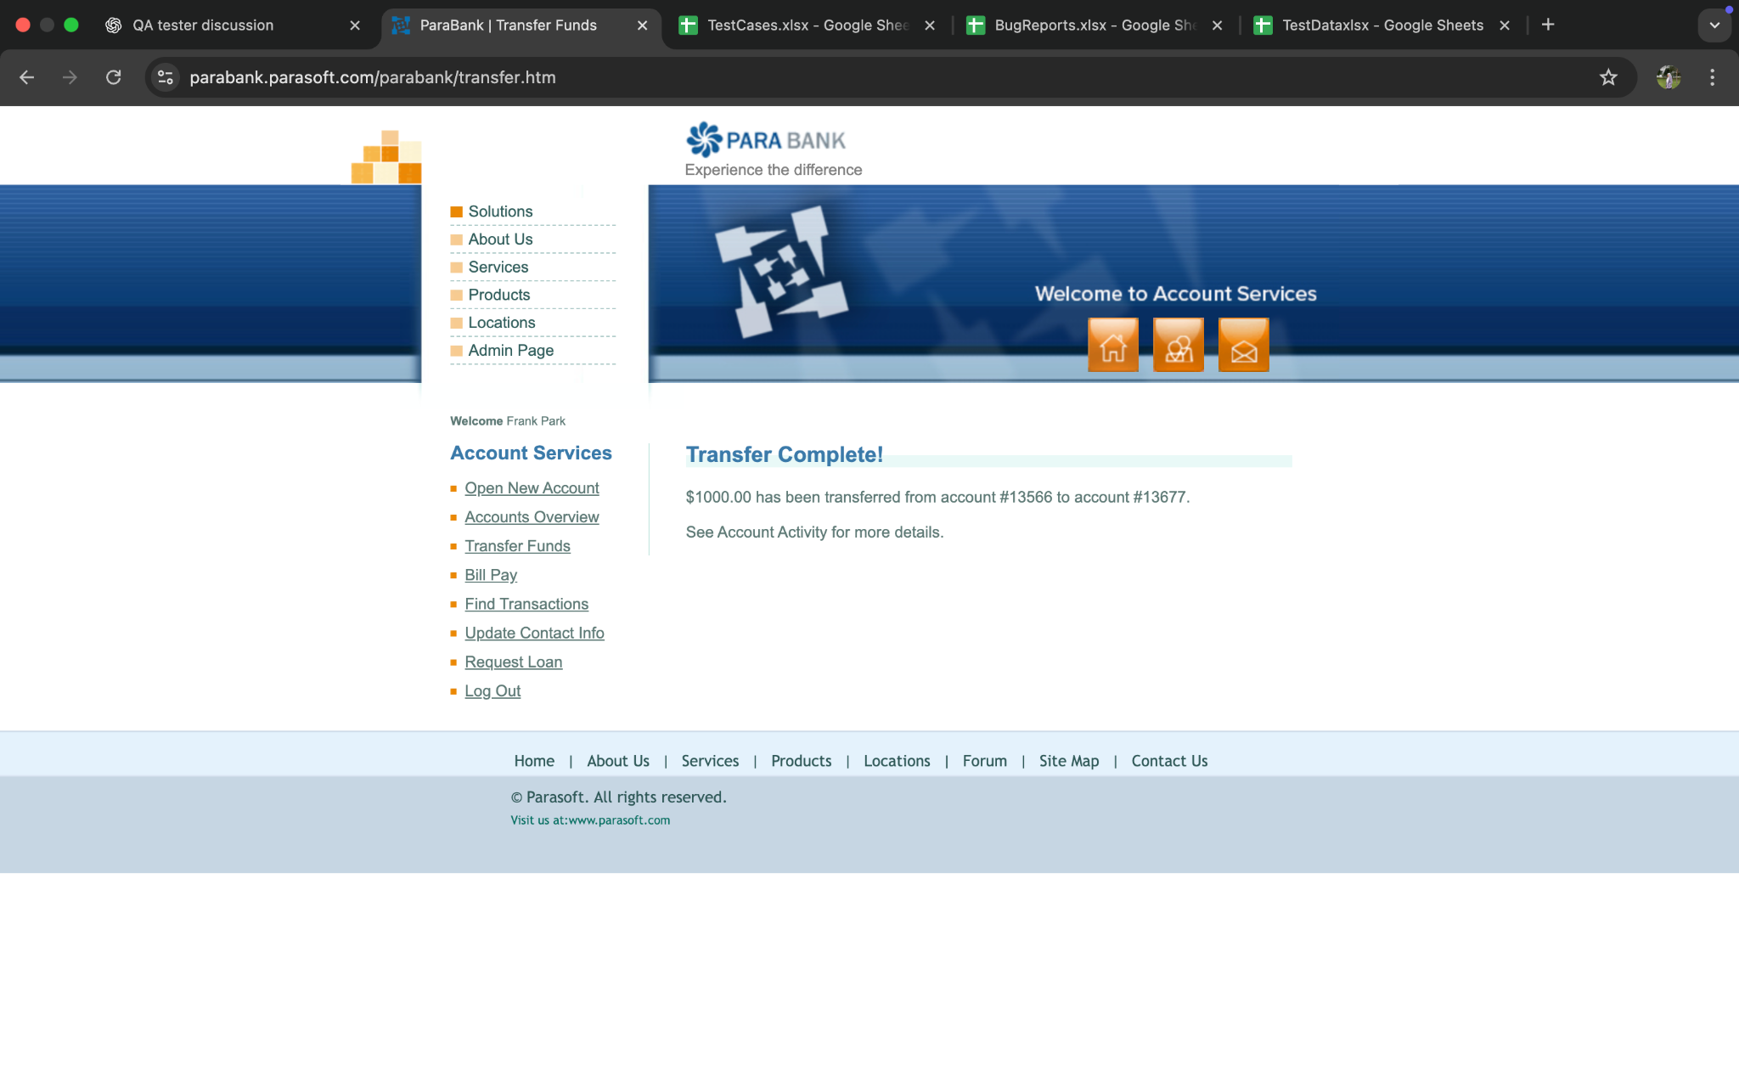
TC_Overview_001 | Account Overview | Account Balance Dashboard | User logged in with updated accounts balance information | 1. Open Parabank login page\n2. Enter valid username and password\n3. Click Login\n4. Click Account Overview\n5. Account balance displayed | Account: #16674 & #16785; Balance: #16674 - $315.50; #16785 - $200.00; Total: $515.50 | Overview account succeeds with updated balance history | Account Overview displayed - system displayed detailed numbers of account, updated balance and total balance; extra notes displayed "*Balance includes deposits that may be subject to holds" | Pass

