Bug Report
Bug ID | Title | Module | Environment | Steps to Reproduce | Test Data | Expected Result | Actual Result | Severity | Priority | Reproducible | Attachments | Reporter | Date Reported | Status | Comments
BUG_002 | Internal error occurs upon valid login | Login | Chrome 117 / Windows 10 / https://parabank.parasoft.com | 1. Navigate to Parabank login page 2. Enter valid credentials (username=testuser01, password=Password123!) 3. Click Login |  | User is redirected to Accounts Overview page | System error “An internal error has occurred and has been logged.” | Critical | P1 | Yes (happens on every attempt) | 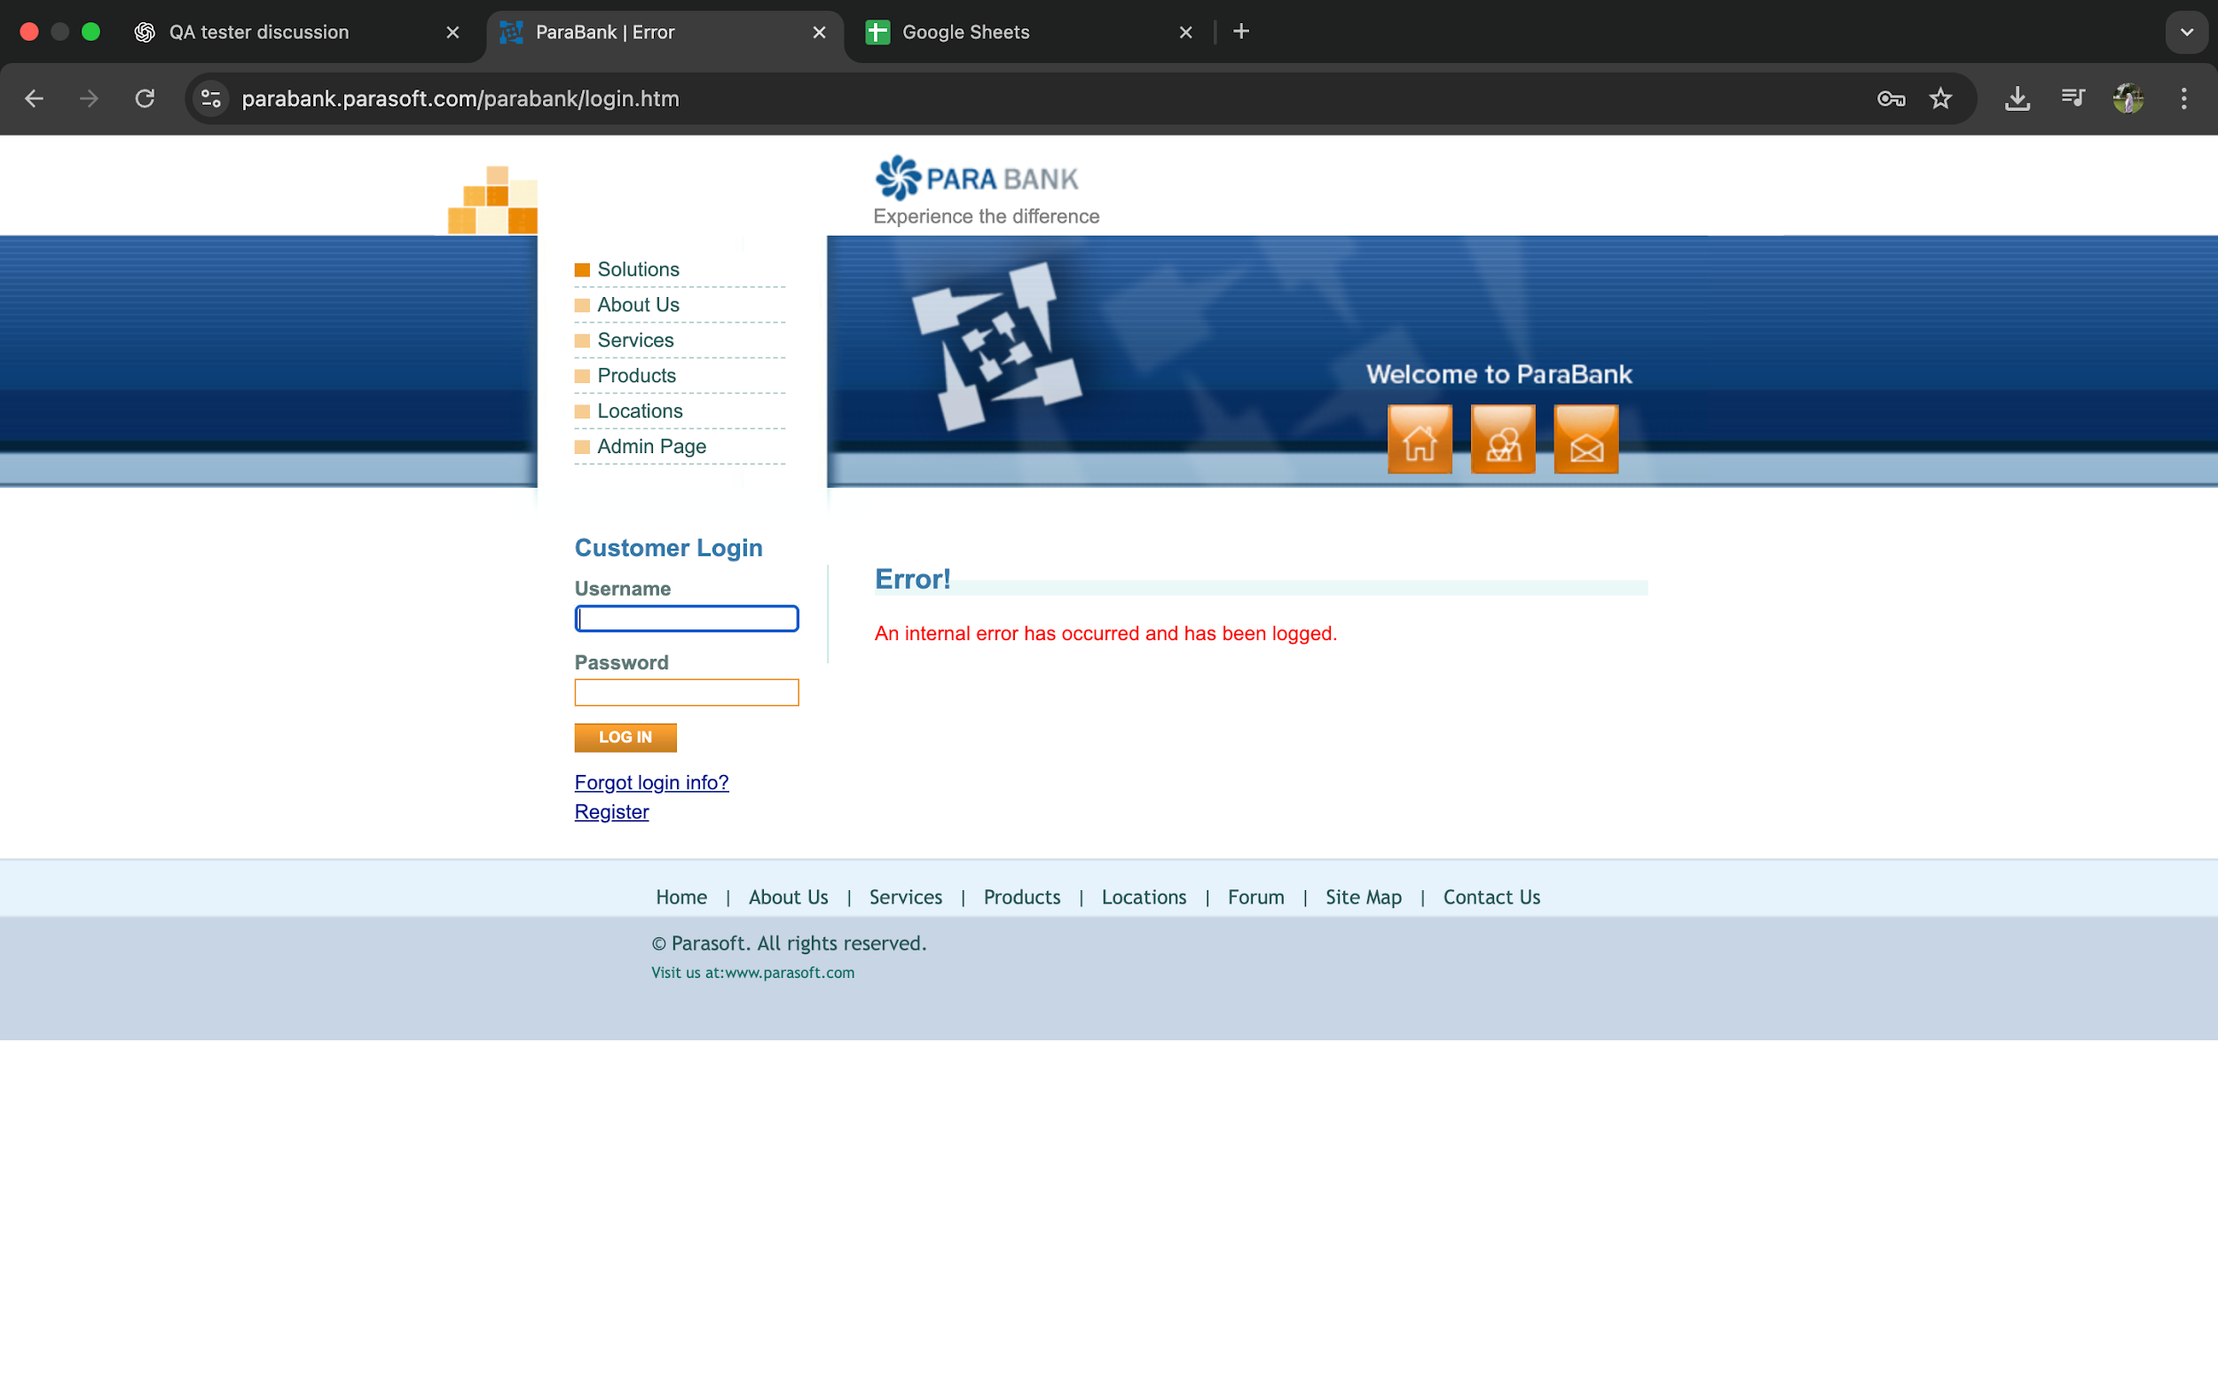 | Aisyah | 2025-09-30 | Open
BUG _003 | Transfer allowed despite insufficient balance threshold | Transfer Funds | Chrome 117 / Windows 10 / https://parabank.parasoft.com | 1. Login with valid user credentials. 2. Navigate to Transfer Funds page. 3. Attempt to transfer $1000.00 from an account with a current balance of $515.50. 4. Submit the transfer. |  | System should prevent the transfer and display an error message (e.g., “Insufficient balance” or “Transfer amount exceeds available funds”). | Transfer is processed successfully despite insufficient balance, and transaction completes. | Critical | P1 | Yes (happens consistently). | 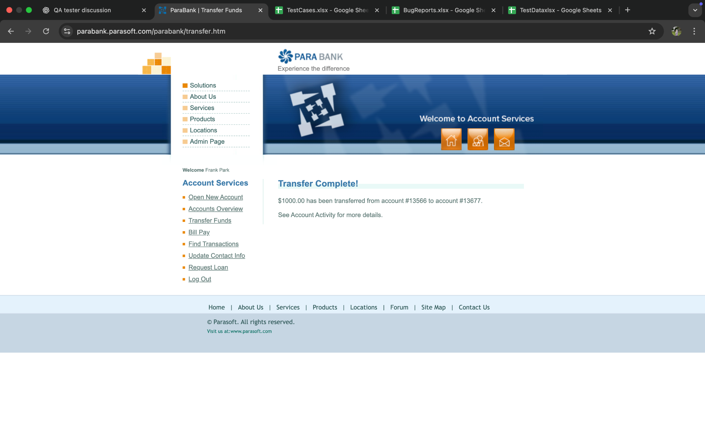 | Aisyah | 2025-09-30 | Open

