Model Performance
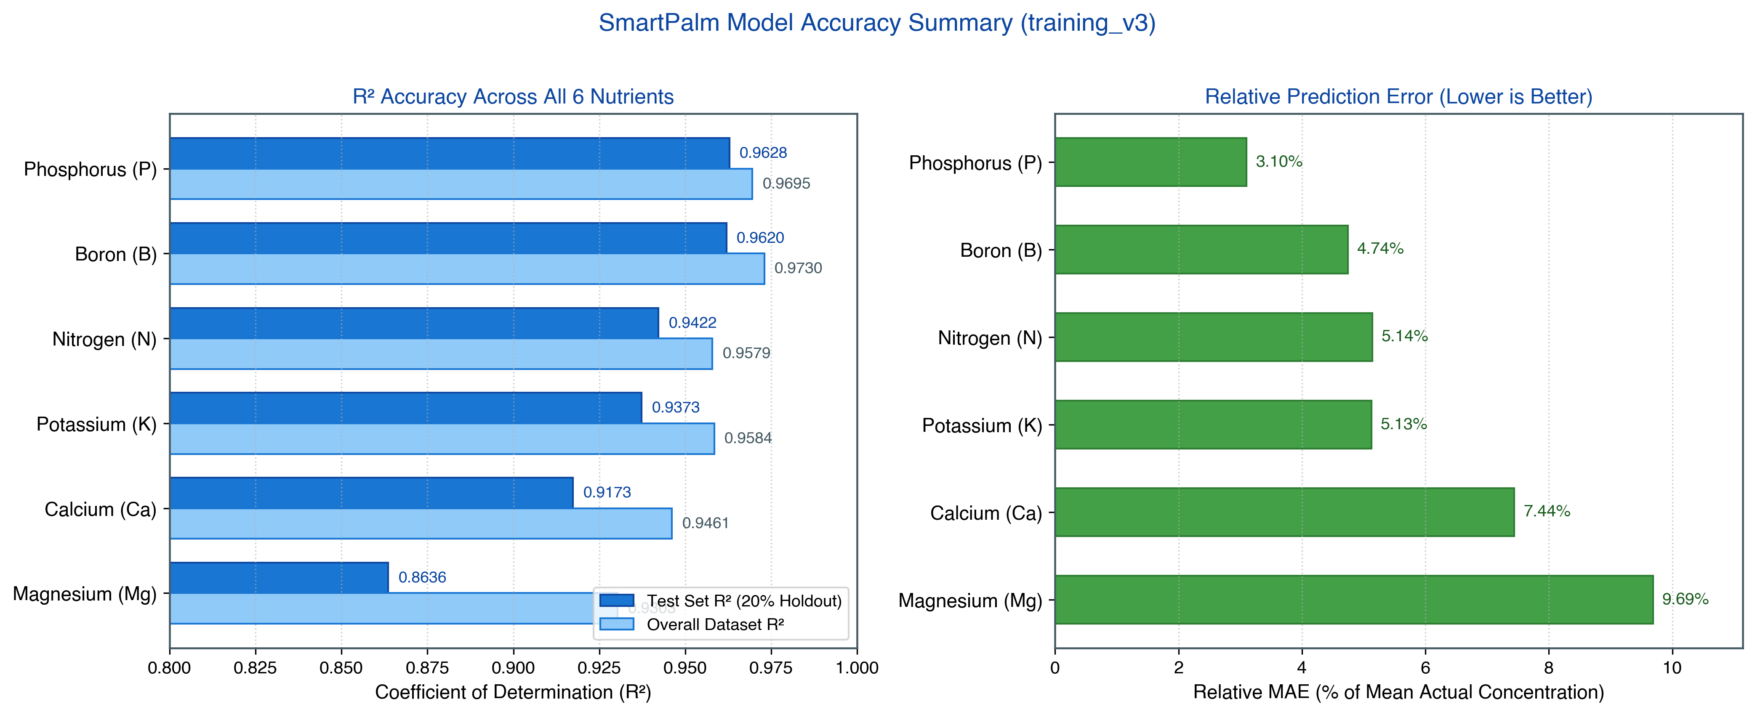
SMARTPALM RANDOM FOREST REGRESSOR - MODEL PERFORMANCE
Sentinel-1 SAR & Sentinel-2 Optical Multi-Modal Nutrient Prediction Pipeline (training_v3)

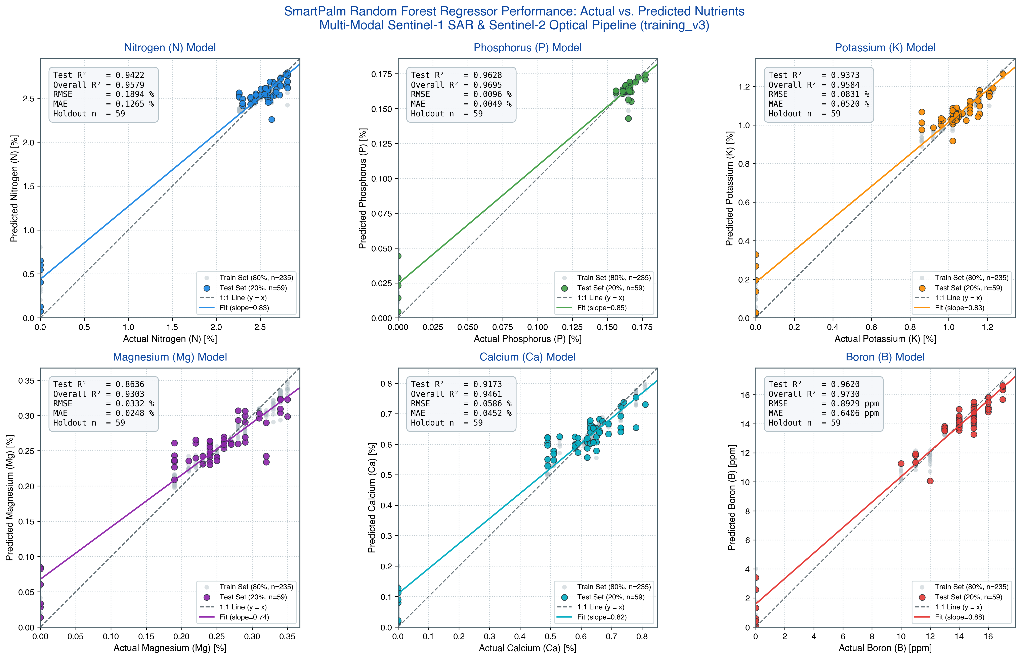
Model File | Target Nutrient | Test Set R² (20% holdout) | Overall Dataset R² | RMSE | MAE | Top 3 Contributing Features
rf_model_P.pkl | P (%) | 0.9628 | 0.9695 | 0.0096 | 0.0049 | Band3 (36.3%), Band8 (25.1%), Band7 (10.3%)
rf_model_B.pkl | B (ppm) | 0.9620 | 0.9730 | 0.8929 | 0.6406 | Band3 (49.0%), Band4 (7.0%), Band11 (6.5%)
rf_model_N.pkl | N (%) | 0.9422 | 0.9579 | 0.1894 | 0.1265 | Band3 (35.0%), Band8 (19.3%), Band7 (8.6%)
rf_model_K.pkl | K (%) | 0.9373 | 0.9584 | 0.0831 | 0.0520 | Band3 (38.9%), Band8 (13.0%), Band9 (9.4%)
rf_model_Ca.pkl | Ca (%) | 0.9173 | 0.9461 | 0.0586 | 0.0452 | Band3 (28.0%), Band8 (20.6%), Band7 (10.4%)
rf_model_Mg.pkl | Mg (%) | 0.8636 | 0.9303 | 0.0332 | 0.0248 | Band3 (27.0%), Band11 (12.5%), Band8 (11.2%)
Mean Across Models | - |  |  |  |  | Band 3 (Green) is the dominant predictor for all nutrients

Architecture & Training Specifications
Algorithm | Random Forest Regressor (sklearn.ensemble.RandomForestRegressor)
Hyperparameters | n_estimators=150, max_depth=12, random_state=42, n_jobs=-1
Validation Strategy | 80/20 Train/Test Split (test_size=0.20, random_state=42)
Total Samples | 294 Ground-Truth Oil Palm Plot Foliar Samples (v1_training_data.csv)
Features (18 total) | 12 Sentinel-2 Optical Bands (B1-B12) + 6 Sentinel-1 SAR Polarimetric Features (Sigma0, Gamma0, Beta0)

