States
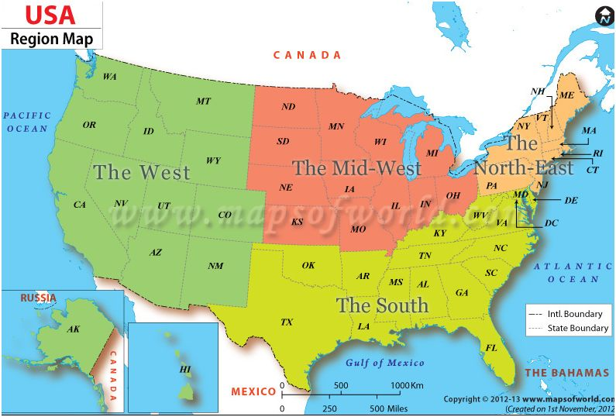
No | State | NameRng | FullName | Region
1 |  | Alabama | Alabama | The South
2 |  | Alaska | Alaska | The West
3 |  | Arizona | Arizona | The West
4 |  | Arkansas | Arkansas | The South
5 |  | California | California | The West
6 |  | Colorado | Colorado | The West
7 |  | Connecticut | Connecticut | The North-East
8 |  | Delaware | Delaware | The North-East
9 |  | Florida | Florida | The South
10 |  | Georgia | Georgia | The South
11 |  | Hawaii | Hawaii | The West
12 |  | Idaho | Idaho | The West
13 |  | Illinois | Illinois | The Mid-West
14 |  | Indiana | Indiana | The Mid-West
15 |  | Iowa | Iowa | The Mid-West
16 |  | Kansas | Kansas | The Mid-West
17 |  | Kentucky | Kentucky | The South
18 |  | Louisiana | Louisiana | The South
19 |  | Maine | Maine | The North-East
20 |  | Maryland | Maryland | The North-East
21 |  | Massachusetts | Massachusetts | The North-East
22 |  | Michigan | Michigan | The Mid-West
23 |  | Minnesota | Minnesota | The Mid-West
24 |  | Mississippi | Mississippi | The South
25 |  | Missouri | Missouri | The Mid-West
26 |  | Montana | Montana | The West
27 |  | Nebraska | Nebraska | The Mid-West
28 |  | Nevada | Nevada | The West
29 |  | NewHampshire | New Hampshire | The North-East
30 |  | NewJersey | New Jersey | The North-East
31 |  | NewMexico | New Mexico | The West
32 |  | NewYork | New York | The North-East
33 |  | NorthCarolina | North Carolina | The South
34 |  | NorthDakota | North Dakota | The Mid-West
35 |  | Ohio | Ohio | The Mid-West
36 |  | Oklahoma | Oklahoma | The South
37 |  | Oregon | Oregon | The West
38 |  | Pennsylvania | Pennsylvania | The North-East
39 |  | RhodeIsland | Rhode Island | The North-East
40 |  | SouthCarolina | South Carolina | The South
41 |  | SouthDakota | South Dakota | The Mid-West
42 |  | Tennessee | Tennessee | The South
43 |  | Texas | Texas | The South
44 |  | Utah | Utah | The West
45 |  | Vermont | Vermont | The North-East
46 |  | Virginia | Virginia | The South
47 |  | Washington | Washington | The West
48 |  | WestVirginia | West Virginia | The South
49 |  | Wisconsin | Wisconsin | The Mid-West
50 |  | Wyoming | Wyoming | The West

