Sheet1
AuditPlanStatuses
NEW | OLD
('Draft', 1) | Planned
('In Progress', 2) | In Progress
('Completed', 3) | Completed
('Cancelled', 4) | Deffered | Canceled

UserRoles
NEW | OLD
('Admin', 1) | Owner
('Audit Manager', 2) | Member
('Risk Manager', 3) | Member
('Auditor', 4) | Member
('Member', 5)

AssignmentStatuses
NEW | OLD
('Planning', 1) | Not started
('Preparation', 2) | In progress
('Fieldwork', 3)
('Reporting', 4)
('Follow-up', 5)
('Completed', 6) | Completed
('Cancelled', 7) | Differed

AssignmentTypes
NEW | OLD
('Operations') | Operation |  |  | How it's strucutred
('Accounting') | Accounting |  |  | Type | Sub-Type
('Budget') | Budget |  |  | Process Audit | Procure to Pay
('Employee Relations') | Employee Relations |  |  |  | Budget
('Financial Reporting') | Financial reporting |  |  |  | Accounting
('Fixed Assets') | Fixed asset |  |  |  | Payroll
('General') | General |  | Other
('Information Technology') | Information Technology | IT |  | Project Audit | Projects | Future Forum
('Learning and Development') | Learning and Development |  |  |  |  | XYZ Event
('Marketing & Communication') | Marketing & Communication |  |  |  | Department | DFAc | Department Audit is new addition
('Offices of the Future') | Offices Of the Future |  |  |  |  | HR
('Payroll') | Payroll |  |  |  | Subsidiary | MOTF | HR
('Performance Management') | Performance Management |  |  |  |  |  | Finance
('Petty Cash') | Petty Cash |  | Cash Management |  |  |  | Operation
('Procure-to-Pay') | Procure to pay |  |  |  |  | DDL | Operation
('Recruitment') | Recruitment |  |  |  |  | Sandbox | Finance
('Revenue') | Revenue |  |  |  | IT | Network Security
('Subsidiary') | Subsidiary |  |  |  |  | Infrastrucutre
('Other')

RiskLikelihoods
NEW | OLD
('Low') | 1 | 2
('Moderate') | 3
('High') | 4 | 5

RiskImpacts
NEW | OLD
('Low') | 1 | 2
('Moderate') | 3
('High') | 4 | 5

InherentRisks
NEW | OLD
('Low') | 2 | 3 | 4
('Moderate') | 5 | 6 | 7
('High') | 8 | 9 | 10

AuditTaskStatuses
NEW | OLD
('Not Started', 1)
('In Progress', 2)
('Under Review', 3)
('Completed', 4)
('On Hold', 5)
('Cancelled', 6)

EngagementStatuses
NEW | OLD
('Planning')
('Active')
('On Hold')
('Completed')
('Cancelled')

FindingStatuses
NEW | OLD
('Draft', 1)
('Pending Verification', 2)
('Verified', 3)
('Sent to Business Owner', 4)
('Action Plan Submitted', 5)
('Action Plan Accepted', 6)
('In Remediation', 7) | Accepted (for open related MAP) | Once Action Plan is accepted, I assume it would be In Remediation status directly.
('Remediation Pending Verification', 8) |  | This would only apply if Action Plans is pending verification. So, I would assume Once all action plans whether all closed and only one pending to be validated then this status will trigger.
('Resolved', 9) - should we delete?
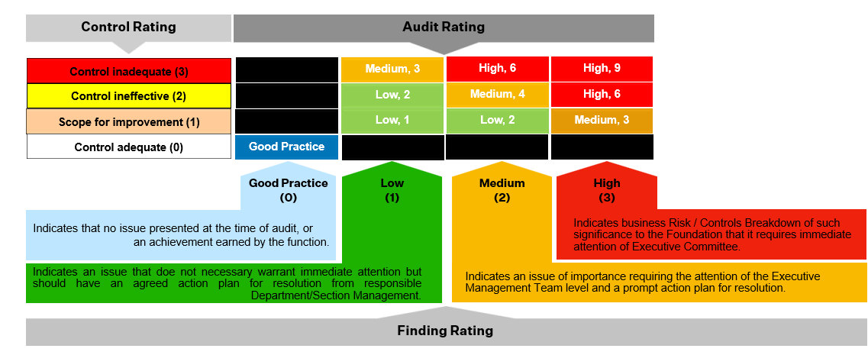
('Closed', 10) | Accepted (for closed related MAP)
('Rejected', 11) | Disputed

Severities | Refer to the graph fpr Ratings
NEW | OLD
('Low') | Low
('Medium') | Medium
('High') | High
('Critical')
Should we add Good Practice? | Good Practice

ActionPlanStatuses
NEW | OLD
('To Do', 1) |  |  | What does this reflect?
('In Progress', 2) | In progress
('Completed', 3) | Completed | Pending Validation
('Blocked', 4) |  |  | What does this reflect?

PrimaryStakeholders
NEW | OLD
Contracts and Procurement | Contracts & Procurement
Legal | Legal
MOTF | MOTF
Future Virtual Assets | DFV
Dubai Future Labs | Dubai Future Lab
Finance | Finance
People & Culture | People & Culture
Great Arab Minds | GAM
Information Technology | Information Technology
Marcom Department | Marketing & Communication
OTF | Offices Of the Future
Strategy | Strategy
CEO Office
COO Office
DMD Office
DSO
Dubai Design Labs
Dubai Future Academy | Operations | would be mannually mapped case by case
Internal Audit
Partnerships
Programs | Operations | would be mannually mapped case by case
Research & Foresight | Operations | would be mannually mapped case by case
Sandbox
Special Projects | Operations | would be mannually mapped case by case
NAJM
Other | General

Users
User | Role
ahmed.almarri@dubaifuture.gov.ae | ('Admin', 1)
ahmad.almarzooqi@dubaifuture.gov.ae | ('Audit Manager', 2)
Anastasia.romanova@dubaifuture.gov.ae | ('Risk Manager', 3)
hamda.abdulla@dubaifuture.gov.ae | ('Audit Manager', 2)

