Sheet1
Tesing Type: | Exploratory Testing

SL NO | Bugs | Errors | Steps To Reproduce | Screenshots
1 | User is able to see "Internal Server Error" from "Product" dropdown. | Internal Server Error | 1. Navigate to Dashboard 2. Click on "Create New" Button 3. Select the "Select An Option" option from "Product" Dropdown 4. User is able to view the "Internal Sever Error" error Message
2 | The Light mode or Dark mode Extension data are been saved even when the user is Navigating back to previous page using "Back Navigation" button from the Error occured page. | Data is flowing fom current Error occured page to previous page. As User is able to view the page in Dark Mode or Light mode from current page to Prevous page. | 1. Navigate to Dashboard 2. Click on "Create New" Button 3. Select the "Select An Option" option from "Product" Dropdown 4. User is able to view the "Internal Sever Error" error Message 5. Select "Dark Mode" Extension. 6. Navigate to Previous page by clicking on "Back Navigation" button 7. User should not be seeing the Dark Mode been enabled in previous page | 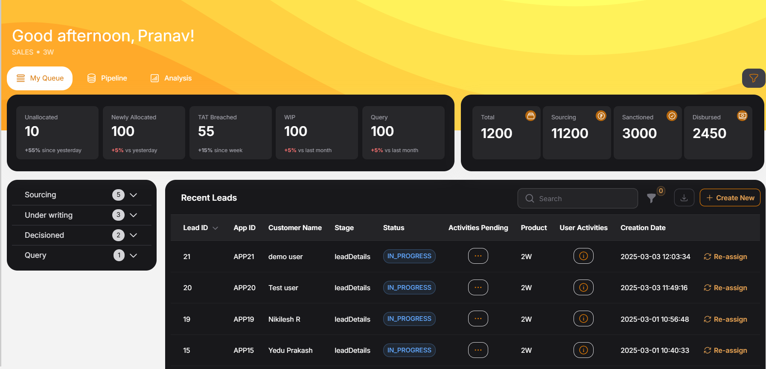
3
4
5
6
7
8
9
10

