Sheet1
Element no. | Int pt no. | F11 | F12 | F21 | F22
1 | 1 | 3.6033 | 0 | 0 | 0.3599
 | 2 | 3.6033 | 0 | 0 | 0.3599
 | 3 | 3.6033 | 0 | 0 | 0.3599
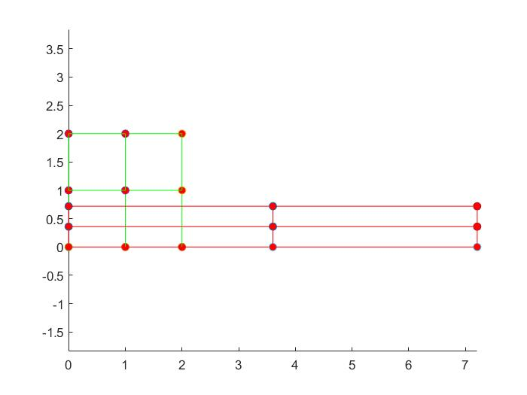
 | 4 | 3.6033 | 0 | 0 | 0.3599
2 | 1 | 3.6033 | 0 | 0 | 0.3599
 | 2 | 3.6033 | 0 | 0 | 0.3599
 | 3 | 3.6033 | 0 | 0 | 0.3599
 | 4 | 3.6033 | 0 | 0 | 0.3599
3 | 1 | 3.6033 | 0 | 0 | 0.3599
 | 2 | 3.6033 | 0 | 0 | 0.3599
 | 3 | 3.6033 | 0 | 0 | 0.3599
 | 4 | 3.6033 | 0 | 0 | 0.3599
4 | 1 | 3.6033 | 0 | 0 | 0.3599
 | 2 | 3.6033 | 0 | 0 | 0.3599
 | 3 | 3.6033 | 0 | 0 | 0.3599
 | 4 | 3.6033 | 0 | 0 | 0.3599

Node no. | Node x - coord | Node y - coord | load factor | dw 1 | dw 2
1 | 0 | 0 | 1 | 0 | 0
2 | 1 | 0 | 1 | 7.66E-05 | 0
3 | 2 | 0 | 1 | 1.53E-04 | 0
4 | 0 | 1 | 1 | 0 | -4.00E-06
5 | 1 | 1 | 1 | 7.66E-05 | -4.00E-06
6 | 2 | 1 | 1 | 1.53E-04 | -4.00E-06
7 | 0 | 2 | 1 | 0.00E+00 | -7.90E-06
8 | 1 | 2 | 1 | 7.66E-05 | -7.90E-06
9 | 2 | 2 | 1 | 1.53E-04 | -7.90E-06

