Sheet1
Task title | Build a Role-Based Approval & Workflow Management System
This task evaluates: | Backend architecture API design Database design Frontend UI/UX State management Security practices Real-world workflow handling | NOTE: If you are a Front-End Developer having skills only in HTML, Boostrap, JS - Please do the below task: https://docs.google.com/document/d/1jhKiMs5xDLYAQ0cxKBRE8JQWLd8OEqfHMDjrq_CUxsI/edit?usp=sharing

TECH STACK (FLEXIBLE BUT CLEAR) | Frontend: React (mandatory) Backend (candidate can choose): PHP (Laravel / Core PHP) OR Node.js (Express) Database: MySQL / PostgreSQL
MODULE 1 – AUTH (FULL STACK) | Backend API: POST /login Validate: Email + password Return: Token (JWT or session) | Frontend: Login page Store token Redirect based on role

MODULE 2 – REQUEST CREATION | Backend: API: POST /requests Store: title, description, category, priority user_id status = Submitted | Frontend: Form UI Validation Submit via API

MODULE 3 – WORKFLOW ENGINE (CORE LOGIC) Backend MUST control: Allowed transitions: | From | To | Role
 | Submitted | Approved | Manager
 | Submitted | Rejected | Manager
 | Submitted | Needs Clarification | Manager
 | Needs Clarification | Submitted | User
 | Approved | Closed | Admin
 | Closed | Reopened | Admin

 | API Example: PATCH /requests/:id/status Payload: { "status": "Approved" }

 | Backend MUST: Validate role Validate current state Reject invalid transitions ❗ | Frontend: Show buttons based on role Disable invalid actions

MODULE 4 – ACTION LOG (VERY IMPORTANT) | Backend: TABLE request_logs id request_id old_status new_status changed_by role timestamp | Frontend: Timeline UI (clean design)
 | Every status change → log entry

 | API: GET /requests/:id/logs

MODULE 5 – DASHBOARDS | User: GET /my-requests Manager: GET /requests?status=Submitted Admin: GET /requests With filters: status category date range | Frontend: Table UI Filters Pagination

MODULE 6 – SECURITY (BACKEND CRITICAL) | Must include: Role-based middleware Prevent: Direct API misuse Unauthorized access Validate all inputs Sanitize outputs

MODULE 7 – UI QUALITY (FRONTEND) | Must look professional: Sidebar layout Dashboard cards Status badges Loading states Error handling
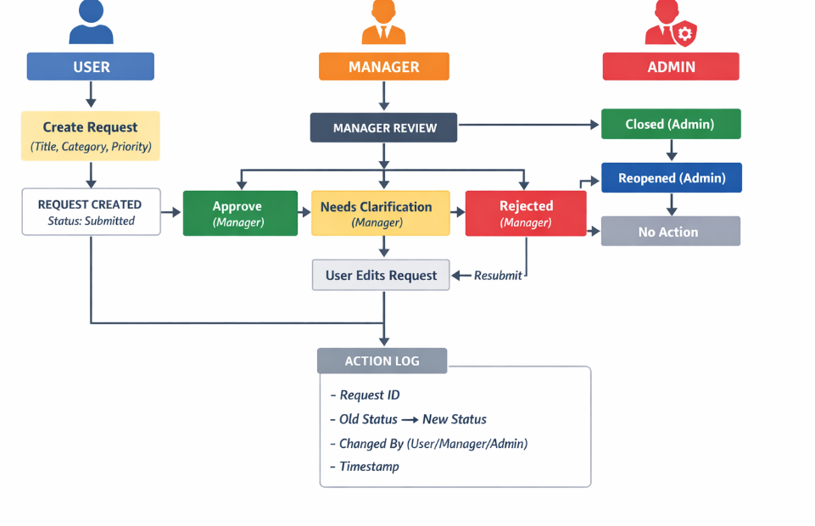
Overall Workflow Diagram – Role-Based Approval & Workflow System

Submission | The complete project should be submitted as: GitHub Repository Live Netlify / Vercel link Send to: WhatsApp: 98409 99789 Message format: Task Completed – React Developer Interview

