AnswersWithScreenshots
01. New Repository has been created as JAT9WD-Day-7

02,03. Create git Repo in the directory and we can find the hidden folder named.git

04. README file has been created

05. The readme file we've created should appear as an untracked file

06. Use add command and status command to see added files status

07. Commit the contents to the staging area

08. src dirctory and files has been created.

09. Use add command to add the directory and see the status and commit them.

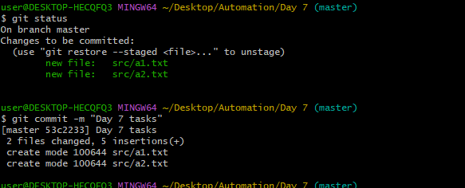

10. Changes have been made and using diff command to see the changes.

11. Add the files and see the status and diff.

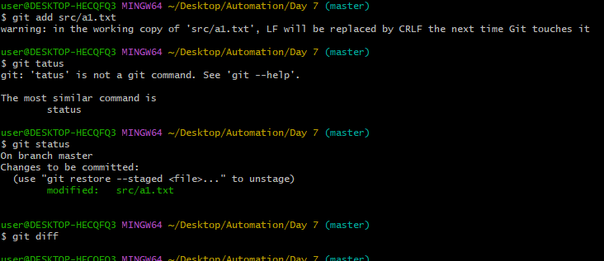

12. Without commiting make another change and see the status and diff.

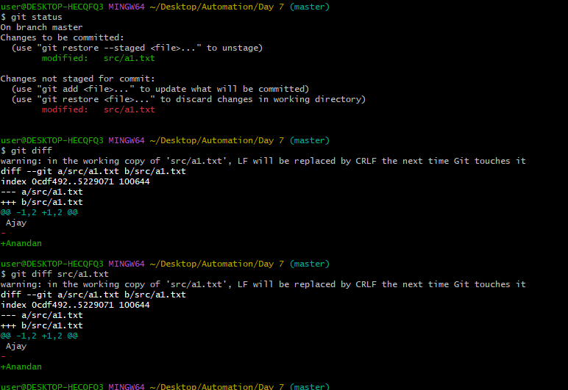

13. Use the log command.

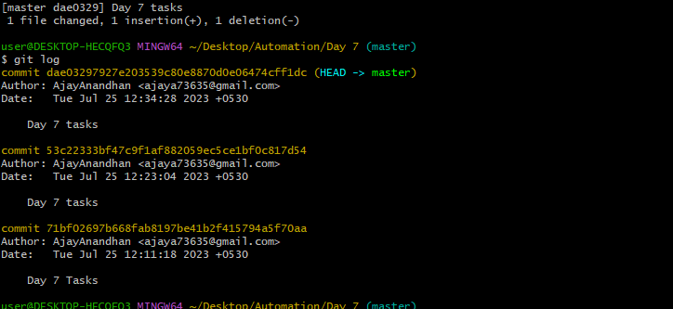

14. Use show command.

15. Made couple of more commits and added a new file.

