Instructions
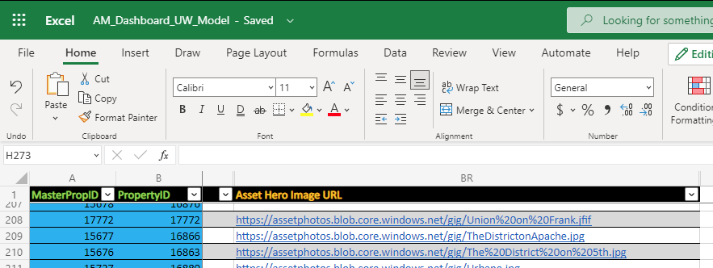
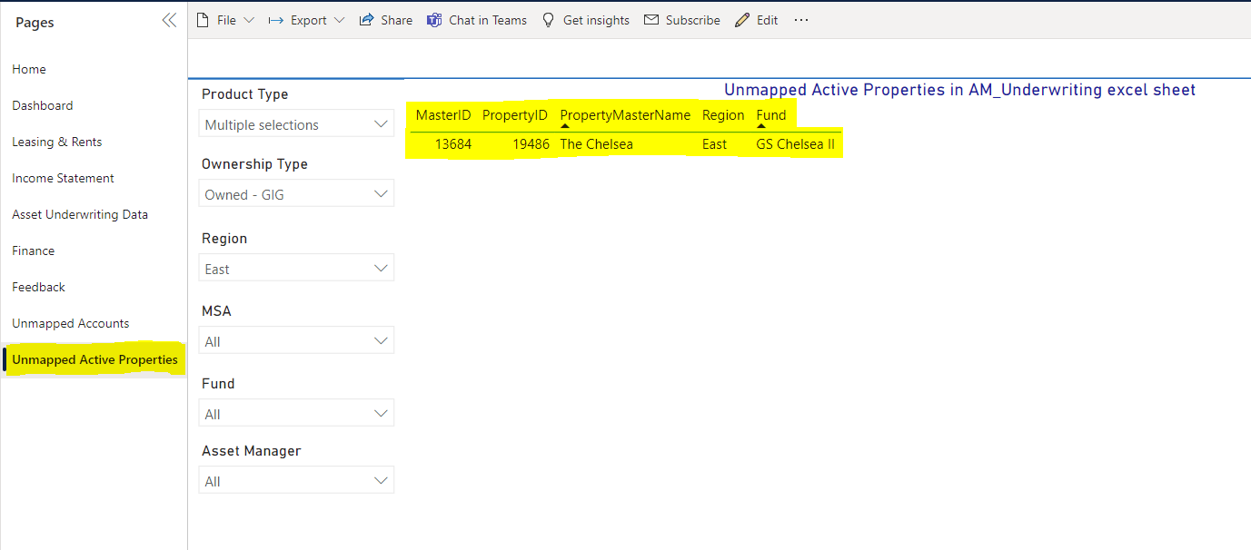
Below are the basic instructions for maintaining the AM_Underwriting_Sheet Tab. The related property Asset Manager is deemed responsible for the entry and upkeep of the data in this spreadsheet.
1. Check in PPD for the Unmapped Active Properties tab. If any properties are on this list, copy paste the first three columns into A, B and C of the AM_Underwriting_Sheet. This can be sorted by Region and Fund to easily find if any properties are missing from the report.

1a. If Column A highlights red, as in the screenshot, this means that the property already exists in the list and that it has a new PropertyID for Column B. This could occur in the case of a sold and repurchased Asset. The PropertyID can be updated to the new value that is in the Unmapped table. The original record will need to have all of its values updated to match the new details.
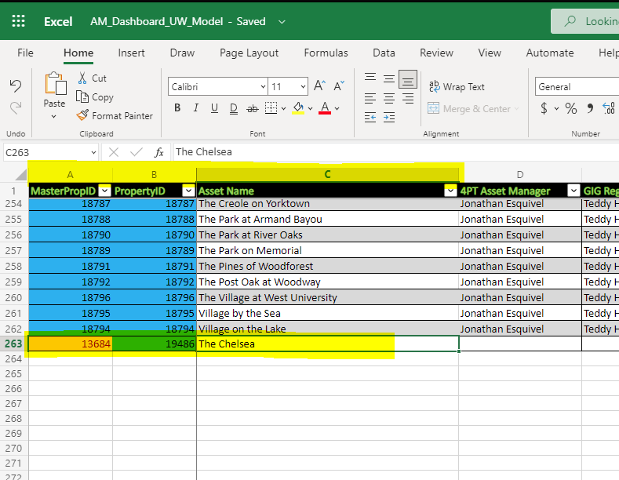

2. Columns A through T, highlighted in Green text, can be considered as "required" columns and populate the data on the Home page table.

3. Columns U through AV, in White text, comprise the remainder of the tear sheet/ Asset Underwriting Data report.

4. Column BR will be populated and maintained by the Business Systems team.

