Sheet2
Department | Avg Performance Score | Avg Feedback Score | Avg Task Completion Rate | Avg Learning Hours
Data Science | 7.782524272 | 7.814563107 | 69.80% | 39.90291262
Dev | 5.686734694 | 5.6 | 67.87% | 30.31632653
HR | 4.122222222 | 4.078787879 | 65.06% | 19.29292929

Average Performance Score by Department
Name | Department | Performance Score | Feedback Score | Task Completion Rate
#REF! | Data Science | 10 | 8 | 79.41%
Intern_94 | Dev | 10 | 9.5 | 87.10%
Intern_105 | Dev | 9.9 | 7.1 | 85.71%
Intern_264 | Data Science | 9.9 | 6 | 60.00%
Intern_18 | Data Science | 9.9 | 7.1 | 83.33%
Intern_208 | HR | 9.9 | 8.1 | 80.00%
Intern_30 | HR | 9.8 | 8.5 | 75.00%
Intern_26 | HR | 9.8 | 8.3 | 85.37% |  |  |  |  | Department | Avg Performance Score
Intern_152 | Dev | 9.8 | 7.5 | 65.52% |  |  |  |  | Data Science | 7.62
Intern_51 | HR | 9.8 | 7.4 | 76.09% |  |  |  |  | Dev | 7.57
 |  |  |  |  |  |  |  |  | HR | 7.37
Name | Department | Performance Score | Feedback Score | Task Completion Rate (%)
Intern_3 | Dev | 5 | 9.6 | 65.00%
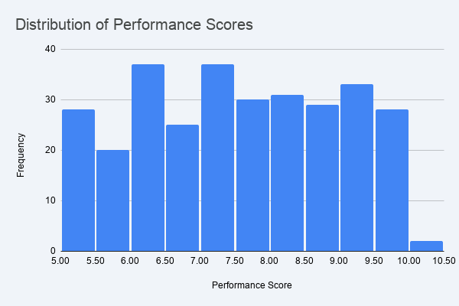
Intern_12 | HR | 5.1 | 7.3 | 68.97%
Intern_77 | HR | 5.1 | 6.2 | 89.36%
Intern_79 | Data Science | 5.1 | 9.6 | 95.00%
Intern_159 | HR | 5.1 | 8.3 | 67.39%
Intern_283 | HR | 5.1 | 9.3 | 60.53%
Intern_289 | Dev | 5.1 | 6.6 | 85.71%
Intern_23 | HR | 5.2 | 8.1 | 78.00%
Intern_78 | HR | 5.2 | 8.8 | 80.65%
Intern_89 | Dev | 5.2 | 8.7 | 67.80%

 |  | Trends | Trend Analysis (Correlations)
 |  | Performance vs Attendance | 0.46
 |  | Performance vs Learning Hours | 0.72
 |  | Performance vs Late Submissions (Impact) | -0.53

 |  |  |  |  | Department | Avg Efficiency Score | Avg Task Time (Hrs) | Task Completion Rate (%)
 |  |  |  |  | Data Science | 6.62961165 | 5.748543689 | 69.80%
 |  |  |  |  | Dev | 7.195306122 | 4.991836735 | 67.87%
 |  |  |  |  | HR | 6.138787879 | 5.917171717 | 65.06%
Avg Efficiency Score, Avg Task Time (Hrs) and Task Completion Rate (%)

At-Risk names
name | department
Intern_3 | Dev
Intern_4 | HR
Intern_7 | HR
Intern_8 | Data Science
Intern_12 | HR
Intern_15 | Data Science
Intern_16 | HR
Intern_17 | HR |  | Metric | Avg Learning Hours | Avg Attendance Rate | Avg Late Submissions
Intern_22 | Dev |  | Top Performer DNA (Score >9) | 41.85 | 92.37% | 0.70
Intern_24 | Dev |  | Company Average (All Interns) | 29.97 | 79.28% | 2.02
Intern_25 | Dev
Avg Learning Hours, Avg Attendance Rate and Avg Late Submissions
Intern_26 | HR
Intern_27 | HR
Intern_28 | HR
Intern_30 | HR
Intern_37 | Dev
Intern_39 | HR
Intern_40 | HR
Intern_41 | Dev
Intern_49 | Dev
Intern_51 | HR
Intern_53 | HR
Intern_56 | Dev
Intern_61 | HR
Intern_62 | Dev
Intern_70 | Dev
Intern_76 | Dev
Intern_77 | HR
Intern_84 | HR
Intern_85 | HR
Intern_95 | HR
Intern_97 | Dev
Intern_99 | Dev |  | KPI Name | Target (Goal) | Actual (Current) | Status
Intern_102 | HR |  | Learning Engagement | > 30 Hours | 29.97 | Needs Attention
Intern_103 | HR |  | Reliability Rate | > 80% Interns | 0.44 | Needs Attention
Intern_105 | Dev |  | High Performer Ratio | > 25% Interns | 0.21 | Needs Attention
Intern_107 | HR |  | Avg Efficiency | > 7.0 Score | 6.65 | On Track
Intern_110 | HR
Intern_114 | Dev
Intern_115 | HR
Avg Performance Score vs Late Submissions
Intern_117 | HR
Intern_121 | Data Science
Intern_124 | HR |  |  |  |  |  | Late Submissions | Avg Performance Score
Intern_125 | Dev |  |  |  |  |  | Low Risk (0-1) | 6.92481203
Intern_128 | HR |  |  |  |  |  | Moderate (2) | 5.6296875
Intern_130 | Dev |  |  |  |  |  | High Risk (3+) | 4.715533981
Intern_135 | HR
Intern_136 | HR
Intern_138 | HR
Intern_145 | Dev
Intern_146 | HR
Intern_147 | HR
Intern_148 | Dev
Intern_149 | HR
Intern_151 | HR
Intern_152 | Dev
Intern_153 | HR
Intern_154 | Data Science
Intern_156 | HR
Intern_159 | HR
Intern_163 | HR
Intern_167 | Data Science
Intern_171 | Dev
Intern_174 | HR
Intern_177 | Dev
Intern_185 | Data Science
Intern_192 | HR
Intern_193 | HR
Intern_194 | HR
Intern_202 | HR
Intern_211 | Dev
Intern_213 | Dev
Intern_216 | HR
Intern_217 | HR
Intern_220 | HR
Intern_223 | Dev
Intern_226 | Dev
Intern_228 | HR
Intern_229 | Dev
Intern_230 | HR
Intern_231 | HR
Intern_236 | HR
Intern_242 | HR
Intern_246 | HR
Intern_252 | HR
Intern_253 | HR
Intern_254 | HR
Intern_256 | HR
Intern_259 | Dev
Intern_262 | Dev
Intern_263 | Data Science
Intern_267 | HR
Intern_271 | Data Science
Intern_272 | Dev
Intern_276 | Dev
Intern_282 | Dev
Intern_288 | HR
Intern_289 | Dev
Intern_290 | Data Science
Intern_291 | Dev
Intern_293 | Dev
Intern_295 | Dev
Intern_297 | Dev

