Sheet1
Chapter Name/Number | Page Number | Figure Number | Caption | Thumbnail | Category | Short Alt Text | Long Alt Text | Short Alt-text Length | Long Alt-text Length | Comments
2 | 30 | FIG. 2.1 | Julius Peters or BAM impact apparatus and 2 kg drop-weight. Credit: Author. | 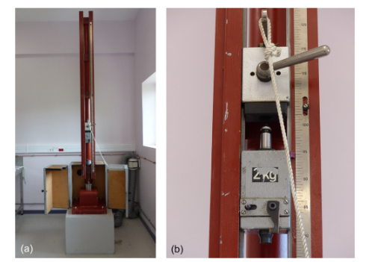 |  | A mechanical apparatus with a pulley system is shown in two representations. A shows the full setup, and B focuses on the scale with a 2 kg weight. | The mechanical apparatus has a frame standing vertically on the floor, featuring a pulley system. The apparatus is situated in a room, and a rope is attached to the top, running through the pulley. b shows a close-up of the apparatus's scale, with a 2 kg weight visible on the side, attached to a rope and labeled with measurement markings up to 100. The scale is mounted on the side of the frame, indicating the measuring system for weight or force.
2 | 31 | FIG. 2.2 | Parts of the impact test device for solids HE, rams and ring, confinement device, and lower part of BAM impact machine. Credit: Author. | 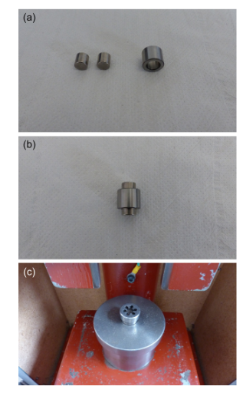 |  | A diagram shows three parts, part a with cylindrical metal objects, part b with a larger cylindrical object, and part c showing the object in the press. | The diagram consists of three parts. Part A shows three cylindrical metal objects, arranged side by side. Part b shows a larger cylindrical object, which appears to fit with the smaller objects from part a. Part c shows the object placed in a press, with the press setup beneath it, likely used for applying force to the object.
2 | 34 | FIG. 2.3 | Drop-weight impact apparatus, ERL model, type 12 tools. Credit: NATO Stanag 4489. |  |  | A diagram shows a mechanical setup with labeled components, release, rail guides, drop weight, safety stop, hoist, and concrete base. | The diagram shows a mechanical setup with labeled components. The diagram includes the release mechanism at the top, followed by the rail guides, drop weight, safety stop, and hoist mechanism. The setup is mounted on a steel base with a concrete base beneath it. The diagram also includes a vertical measurement for the system's height, labeled 3.5 meters. The setup is designed for weight drop experiments.
2 | 35 | FIG. 2.4 | Drop-weight assembly. Credit: NATO Stanag 4489. |  |  | A diagram shows an impact sensitivity test apparatus with labeled components: striker, cover, body, and insert. | The diagram illustrates an impact sensitivity test apparatus, with a cross-sectional view on the left and a top view on the right. The left section shows the apparatus in detail with labeled components: the striker, which initiates impact; the cover, which protects the internal parts; the body, which houses the internal components; and the insert, which may be responsible for containing or interacting with the materials being tested. The right side of the diagram shows the top view, where the component positions are illustrated with reference points to provide a clear understanding of the apparatus's layout. The diagram is labeled for clarity, indicating each key part used in conducting the impact sensitivity tests.
2 | 35 | FIG. 2.5 | Anvil striker arrangement, ERL machine. Credit: Stanag 4489. | 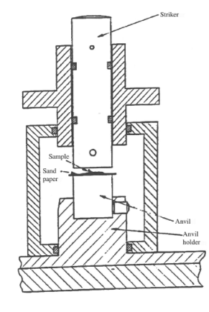 |  | A cross-sectional diagram of a striker-based mechanical apparatus with labeled striker, sample, sandpaper, anvil, and anvil holder. | A cross-sectional technical diagram displays a vertical mechanical setup used for testing or impact processing. At the top is a cylindrical striker labeled striker, housed inside a sleeve with crosshatched shading to indicate metal. The striker moves vertically and is positioned directly above the sample. The sample is placed horizontally and sandwiched between a thin layer of sandpaper and the flat surface of the anvil. The anvil is a rectangular block aligned beneath the sample, and it sits in a robust base component labeled anvil holder. The outer frame surrounds the entire assembly and features crosshatching to denote structural metal. The setup allows the striker to apply downward force on the sample, simulating impact or compression testing against the stable anvil platform.
2 | 38 | FIG. 2.6 | The BAM friction test apparatus NATO STANAG 4487 [18]. Credit: NATO. | 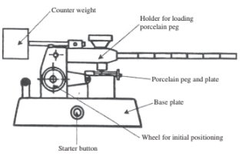 |  | A diagram shows a mechanical setup with labeled components: counterweight, holder for loading porcelain peg, porcelain peg and plate, base plate, wheel for initial positioning, and starter button. | The diagram shows a mechanical setup with several labeled components. At the top left, the counterweight is positioned, and the arrow points to it, indicating its role in balancing the mechanism. The holder for loading the porcelain peg is labeled next, showing where the porcelain peg is placed for testing. The porcelain peg and plate are located near the center, with the label indicating the test subject area. Below this, the base plate is labeled, which serves like the foundational structure for the setup. The wheel for initial positioning is located to the left of the base plate, and the label shows its role in fine-tuning the apparatus position. The starter button is shown at the bottom center, which activates the system when pressed. Arrows point to each component, indicating their function within the system.
2 | 38 | FIG. 2.7 | Porcelain plate and peg NATO STANAG 4487 [18]. Credit: NATO. | 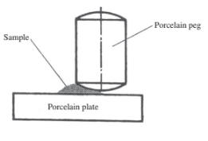 |  | A diagram of a cylindrical porcelain peg placed over a powdered sample on a rectangular porcelain plate with the central axis marked and the sample pressed between the peg base and the plate surface. | The diagram presents a cross-sectional view of a cylindrical porcelain peg resting vertically on a powdered sample positioned on a flat rectangular porcelain plate. The peg has a central vertical axis indicated with a dashed line. The sample is shaped into a conical mound and placed directly beneath the flat base of the peg, making full contact with both surfaces. The plate lies horizontally and supports the setup with a thick profile at the base. All components have clean outlines with no surface texture. The peg and plate appear uniform and symmetrical. The arrangement reflects a static setup commonly used in material interaction studies where pressure is applied through direct contact. The central axis helps align the peg vertically over the sample to ensure even load distribution. There is no surrounding background or external equipment. No movement or external action is implied in the diagram.
2 | 39 | FIG. 2.8 | Action of rotary friction sensitivity test NATO STANAG 4487 [18]. Credit: NATO. | 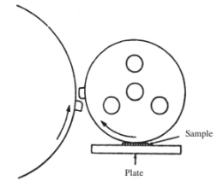 |  | A schematic of a large circular disk pressing against a smaller rotating circular disk with 4 internal holes, above a granular sample resting on a rectangular plate with directional arrows marked. | The schematic presents two circular components in contact. A large circular disk is placed to the left, partially visible, and curved toward the right. A smaller circular disk with four internal circular holes is positioned to the right, resting above a granular sample labeled near its bottom edge. This disk rotates clockwise, indicated by a curved arrow, while the large left disk rotates counterclockwise with a separate curved arrow. The sample is situated between the rotating disk and a rectangular plate directly underneath. The plate is marked with a vertical arrow pointing upward, suggesting support or pressure. The contact between the rotating disk and the sample appears direct, with no visible layers or fasteners. The entire setup represents a mechanical interaction where the sample undergoes compression and shear due to the disk's motion. The internal holes in the rotating disk may contribute to weight distribution or structural design.
2 | 44 | t02-01-9780128229712 | - | 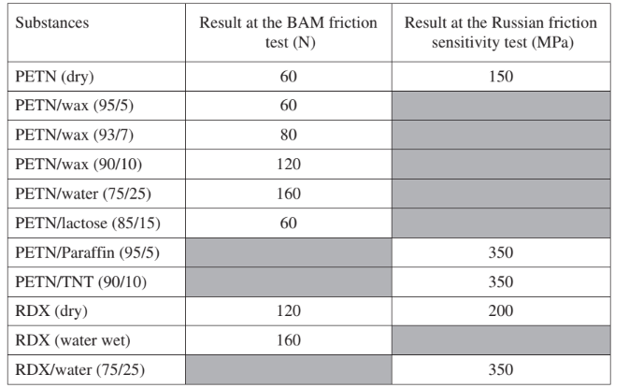 |  | A table with results from the B A M friction test and Russian friction sensitivity test for various P E T N and R D X mixtures with values in Newton and megapascal. | The table presents results for the B A M friction test in Newton and the Russian friction sensitivity test in megapascal across various explosive substances and mixtures. The first column lists substances: P E T N dry, P E T N with wax at ninety-five to five ratio, P E T N with wax at ninety-three to seven ratio, P E T N with wax at ninety to ten ratio, P E T N with water at seventy-five to twenty-five ratio, P E T N with lactose at eighty-five to fifteen ratio, P E T N with paraffin at ninety-five to five ratio, P E T N with T N T at ninety to ten ratio, R D X dry, R D X water wet, and R D X with water at seventy-five to twenty-five ratio. The second column provides B A M friction test results: sixty, sixty, eighty, one hundred twenty, one hundred sixty, sixty, no value, no value, one hundred twenty, one hundred sixty, and no value, respectively. The third column provides Russian friction sensitivity values in megapascal: one hundred fifty for P E T N dry, blank for P E T N with wax at ninety-five to five and ninety-three to seven, blank for P E T N with wax at ninety to ten, blank for P E T N with water at seventy-five to twenty-five, blank for P E T N with lactose, three hundred fifty for P E T N with paraffin, three hundred fifty for P E T Nwith T N T, two hundred for R D X dry, blank for R D X water wet, and three hundred fifty for R D X with water. |  |  | No caption for this imgae in the PDF.
2 | 47 | FIG. 2.9 | Evolution of pressure in the gap. Credit: NATO/MSIAC. | 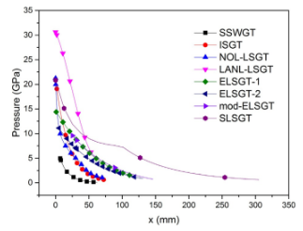 |  | A line graph plots pressure in G P a versus x in millimeters for eight energetic materials, each represented by different symbols, and all curves show a decreasing trend from high to low pressure. | The Line graph plots pressure in gigapascals along the vertical axis from 0 to 35 and distance in millimeters along the horizontal axis from 0 to 350. Eight labeled curves correspond to different materials: S S W G T, I S G T, N O L L S G T, L A N L L S G T, E L S G T 1, E L S G T 2, mod E L S G T, and SLSGT. Each material is represented by a distinct symbol. All curves show a decreasing trend in pressure with increasing distance. SLSGT begins with the highest pressure, approximately 30 gigapascals, and extends farthest along the horizontal axis, reaching up to around 300 millimeters. The other materials drop below 10 gigapascals by approximately 100 millimeters. Each curve is continuous and smooth, connecting the data points to illustrate the pressure decay behavior across distance for each material type.
2 | 49 | FIG. 2.10 | Comparison of the gaps depending on the confinement. Credit: Author. | 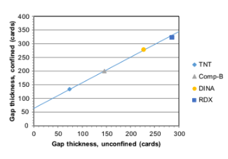 |  | A graph presents confined gap thickness in cards on the vertical axis and unconfined gap thickness in cards on the horizontal axis for four explosives. | The graph plots gap thickness for confined conditions in cards on the vertical axis and unconfined conditions in cards on the horizontal axis for four explosives. The data points include trinitrotoluene represented by a diamond, composition B represented by a triangle, dinitroanisole represented by a circle, and cyclotrimethylenetrinitramine represented by a square. All four data points fall along a positively sloped diagonal line, indicating a linear relationship between the confined and unconfined gap thicknesses, with trinitrotoluene at the lowest thickness and cyclotrimethylenetrinitramine at the highest. The horizontal axis ranges from zero to three hundred cards, and the vertical axis ranges from zero to four hundred cards. Each axis has tick marks at fifty-card intervals.
2 | 49 | FIG. 2.11 | Comparison of the initiation pressure depending on the confinement. Credit: NATO. | 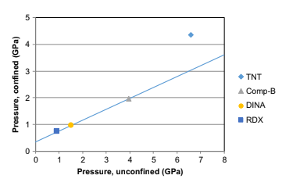 |  | A scatter graph plots confined pressure against unconfined pressure in gigapascals for four explosives, including trinitrotoluene and cyclotrimethylenetrinitramine. | The scatter plot graph compares confined pressure and unconfined pressure in gigapascals for four different explosives. The horizontal axis represents unconfined pressure ranging from zero to eight gigapascals. The vertical axis represents confined pressure ranging from zero to five gigapascals. Data points are plotted for trinitrotoluene marked like a diamond, composition B with a triangle, dinitroanisole like a circle, and cyclotrimethylenetrinitramine like a square. The data points align approximately along a diagonal reference line with a positive slope, indicating a linear relationship. Cyclotrimethylenetrinitramine has the lowest unconfined pressure, while trinitrotoluene has the highest. Each axis is marked with tick intervals of one gigapascal.
2 | 52 | FIG. 2.12 | The large-scale electrostatic discharge set-up for a compact sample. Credit: Author. | 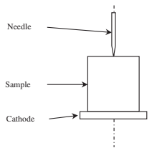 |  | A line diagram of a vertically aligned needle above a labeled sample and cathode. | The line diagram depicts a vertically oriented experimental setup with three labeled components arranged along a central axis. At the top, a vertical needle is aligned downward, directly above a rectangular block labeled the sample. Beneath the sample, a thin horizontal plate is labeled the cathode. A dotted vertical axis runs through all three components, indicating alignment for a possible interaction or measurement.
2 | 54 | FIG. 2.13 | Example of DSC curve. Credit: NATO. | 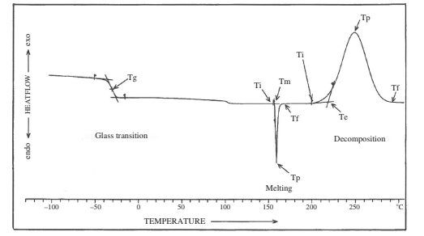 |  | A Differential scanning calorimetry curve displays heat flow versus temperature, marking glass transition, melting, and decomposition events. | The differential scanning calorimetry curve with heat flow on the vertical axis is labeled endo and exo, and temperature on the horizontal axis is in degrees Celsius. The graph shows a glass transition event labeled T g with a step decrease in baseline between negative 50 and 0 degrees Celsius. A sharp endothermic peak appears around 150 degrees Celsius, labeled T i T m T p, and T f, representing melting. This is followed by a broad exothermic peak around 230 degrees Celsius labeled T i T e T p, and T f representing decomposition.

