Sheet1
Chapter Name/Number | Page Number | Figure Number | Caption | Thumbnail | Category | Short Alt Text | Long Alt Text | Short Alt-text Length | Long Alt-text Length | Comments
4 | 84 | FIG. 4.1 | Global light brown dark gray in the print version and local yellow light gray in the print version prop-erties derived from the molecular charge distribution. | 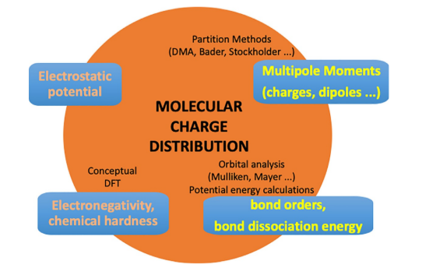 |  | A diagram presents the Molecular Charge Distribution, surrounded by four text boxes and various subtopics within a large circle. | The diagram represents the Molecular Charge Distribution for its central theme, within a large circle. The circle is surrounded by four rectangular text boxes, each of which contains related concepts. From the top, moving clockwise, the boxes read Multipole Moments or charges, dipoles, bond orders, bond dissociation energy, Electronegativity, chemical hardness, and Electrostatic potential. Within the circle, several subtopics are listed in smaller text, further elaborating on the central theme. These include Partition Methods or D M A, Bader, Stockholder at the top, Orbital analysis or Mulliken, Mayer and Potential energy calculations on the right, and Conceptual D F T on the left.
4 | 86 | FIG. 4.2 | B3LYP/6–311+Gd molecular electrostatic potential MEP of the of 2,4-dinitro-1H-imidazole 24DNI, 1,3,5-trinitro-2,4,6-triamino-benzene TATB and 1-nitroguanidine NQ explosive molecules. Insets highlight the C–NO2 and N–NO2 bonds. Contour value1⁄40.001 a. u. | 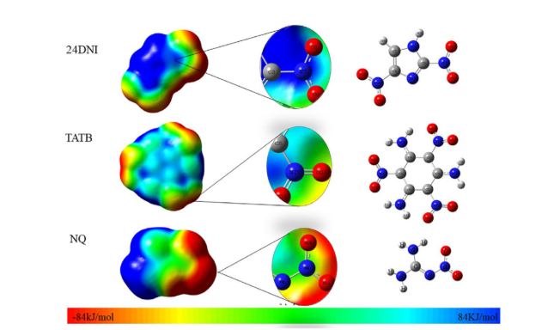 |  | A 3-dimensional model displays three rows, each showing a molecular electrostatic potential map, and a ball and stick model for different chemical compounds labeled 2 4 D N I, T A T B, and N Q. | The 3-dimensional model presents three rows of molecular information for different chemical compounds, labeled from top to bottomfor2 4 D N I, T A T B, and N Q. Each row contains three main visual elements arranged horizontally. On the far left of each row is a 3-dimensional molecular electrostatic potential surface, displaying regions of varying charge distribution in a contour gradient ranging from negative 84 kilojoules per molecule to positive 84 kilojoules per molecule. In the middle of each row, there is a zoomed-in section of the electrostatic potential surface, highlighting specific atoms and their local charge distribution. On the far right of each row, a ball and stick model shows the atomic structure of the corresponding molecule, with different spheres representing different atoms. Connecting lines between the molecular electrostatic potential maps and their zoomed-in sections, and from the zoomed-in sections to the ball and stick models, visually link the different representations of each molecule.
4 | 89 | FIG. 4.3 | B3LYP/aug-cc-pVTZ partition of the molecular charge density of FOX-7. A DMA multipole values. Numbers written in the upper position of each site are monopole values black in units of e 1.6021019 C. Those in the lower position red gray in the print version are the quadrupole values in ea0 2 4.4861040 C m2 units. Site dipoles are represented by vectors drawn at the corresponding atomic nuclei. B FOX-7 DAM regions of electron accumulation red dark gray in the print version and depletion blue black in the print version. |  |  | A diagram displays the chemical structure of a molecule on the left, a vector field representing molecular charges in the center labeled A, and an orbital visualization on the right labeled B. | The diagram presents three distinct representations of a molecule. On the far left, the 2 two-dimensional chemical structure of the molecule is shown. It consists of a central carbon-carbon double bond, with two amino or H 2 N groups attached to one carbon and two nitro or N O 2 groups attached to the other carbon. In the center, labeled A, there is a diagram showing a hexagonal arrangement of atoms with various numerical labels for 0.251, 0.181, 0.190, 1.423, 0.150, 0.846, 0.043, 1.289, negative 0.200, 1.423, negative 0.362, 0.261, 0.662, negative 0.236, 0.864 and 0.662 with arrow points at different points. The arrows originate from the atomic centers, varying in length and direction. On the far right, labeled B, a 3-dimensional orbital visualization displays lobes around a central molecular framework, representing the spatial distribution of electron density within molecular orbitals.
4 | 90 | FIG. 4.4 | Schematic representation of the electric multipoles computed from the distributed multipole analysis DMA. |  |  | A diagram illustrates the multiplication of orbitals in three rows, showing different orbital types combining to form various results. | The diagram shows three rows, each representing the multiplication of atomic orbitals. In the first row, two spherical S orbitals are multiplied, resulting in a positive sign enclosed in a circle. The second row depicts the multiplication of a spherical S orbital and a P orbital. This operation yields a positive sign in a circle, followed by a positive and negative sign on a horizontal and vertical axis. The third row illustrates the multiplication of two P orbitals, each with a lobe. This results in a positive sign in a circle, followed by a positive and negative sign on a horizontal and vertical axis, and finally another horizontal and vertical axis with positive and negative signs in all four quadrants.
4 | 91 | FIG. 4.5 | DMA pictures of the A 4NI 4-nitro-imidazole, B CITNB 2-chloro-1,3,5-trinitrobenzene; C DATB 2,4-diamino-1,3,5-trinitrobenzene; NQ 1 nitroguanidine molecules. Atomic dipoles are represented by vectors drawn at the corresponding atomic nuclei. Relative values only. Monopole values numbers in black are shown in units of elementary charge e 1.6021019 C and quadrupole values numbers in red gray in the print version, in units of 4.4861040 C m2 this unit correspond to ea02. | 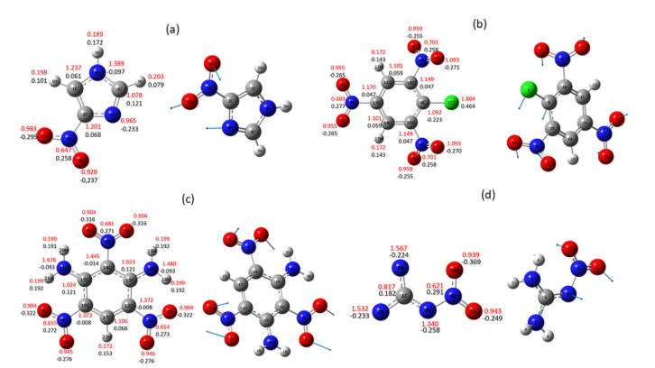 |  | A 3-dimensional display with four sections labeled a, b, c, and d, each containing two molecular structures with various numerical annotations and atomic representations. | The 3-dimensional model is divided into four main sections, labeled a, b, c, and d, arranged in two rows. Each section presents two molecular structures, one with numerical values indicating bond lengths and charges, and the other for a ball and stick model. In section A, the left model shows a five-membered heterocyclic ring with an oxygen atom, two nitrogen atoms, and two carbon atoms. Attached to these are various groups, including a nitro group or N O 2 and a hydroxyl group or O H. The model is annotated with numerous numerical values near the atoms and bonds, likely representing bond lengths and atomic charges. The corresponding right model in section a is a ball-and-stick model of the same molecule, depicting atoms like spheres for carbon, for nitrogen, red for oxygen, white for hydrogen, and bonds like sticks. Section b features a six-membered ring structure. The left model shows this ring with several nitro groups or N O 2 and a chlorine atom sphere attached. Similar to section a, it is extensively annotated with numerical values for bond lengths and charges. The right model in section b is the ball-and-stick model of this molecule. Section C displays a fused ring system. The left model presents this complex structure with multiple nitro and amino or N H 2 groups, along with numerous numerical annotations. The right model in section C is the corresponding ball-and-stick model of this fused ring molecule. Section d shows a linear or branched chain-like molecule on the left, containing carbon, nitrogen, oxygen, and hydrogen atoms, and it also has numerical annotations for bond lengths and charges. The numerical values in sections a, b, c, and d include 0.251, 0.181, 0.190, 1.423, 0.150, 0.846, 0.043, 1.289, negative 0.200, 1.423, negative 0.362, 0.261, 0.662, negative 0.236, 0.864 and 0.662 at different points. The right model in section D is the ball-and-stick representation of this molecule.

