Sheet1
Chapter Name/Number | Page Number | Figure Number | Caption | Thumbnail | Category | Short Alt Text | Long Alt Text | Short Alt-text Length | Long Alt-text Length | Comments
6 | 148 | FIG. 6.1 | Information flow of a small feed-forward neural network (also known as multilayer perceptron), drawn with nodes (circles) and edges (arrows). Input nodes are drawn in yellow (light gray in the print version), hidden nodes in green (dark gray in the print version), and the output node in orange (dark gray in the print version). Math operations are shown for a subset of the network. Reprinted with permission from B.C. Barnes, A primer on machine learning for materials and its relevance to Army challenges, ARL-SR-0411, 2018. | 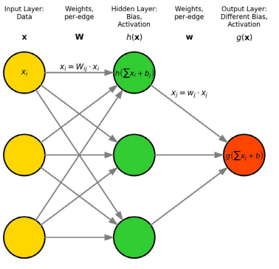 |  | A diagram of a feedforward neural network with labeled input layer, hidden layer, and output layer showing connections, weights, and activation functions. | The diagram illustrates a feedforward neural network with three main sections arranged from left to right. The input layer contains three circular nodes labeled x with subscript j. Arrows extend from each input node to all three nodes in the hidden layer, labeled h of x. Between these layers, equations are shown, x subscript i equals weight subscript ij multiplied by x subscript j, and h equals the summation of x subscript i plus bias subscript i. The hidden layer also contains three circular nodes. From each hidden node, arrows extend to a single circular node in the output layer labeled g of the summation of x subscript j plus b. The output layer is marked as g of x. Additional annotations above the diagram indicate the input layer as data, the hidden layer as bias and activation, and the output layer as different bias and activation. Weight connections are labeled as per-edge weights. All nodes and connections are shown with arrows indicating direction from input to output.

