Sheet1
Chapter Name/Number | Page Number | Figure Number | Caption | Thumbnail | Category | Short Alt Text | Long Alt Text | Short Alt-text Length | Long Alt-text Length | Comments
8 | 178 | FIG. 8.1 | Impact sensitivity, given as log h50 with h50 in cm, plotted against free space per molecule in crystal lattice, ΔV in A ̊ 3, for compounds in Table 8.1. | 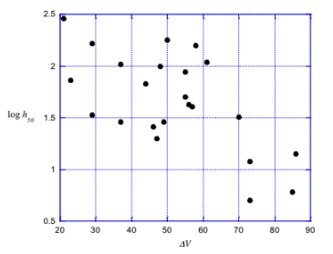 |  | A scatter plot contains multiple data points plotted along two axes, with value ranges from approximately 20 to 90 on the horizontal axis and 0.5 to 2.5 on the vertical axis. | The scatter plot has a horizontal axis labeled delta V with a range from 20 to 90, marked in increments of 10. The vertical axis is labeled log h 50 and ranges from 0.5 to 2.5, marked in increments of 0.5. The graph presents 21 data points that are spread out and do not follow a discernible pattern.
8 | 179 | FIG. 8.2 | Computed electrostatic potential on 0.001 au molecular surface of 2,4,6-trinitroaniline, 1. The NH2 group is at the top. Gray circles indicate positions of atoms.Color ranges in kcal/mol: red, more positive than 20; yellow, from 20 to 0; green, from 0 to 15; blue, more negative than 15. | 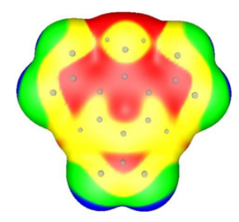 |  | A photo of a 3-dimensional shape contains multiple small circles arranged in a pattern with 7 rounded protrusions. | The photo of a 3-dimensional shape features multiple small circles distributed across its surface, arranged in a pattern with 7 rounded protrusions, and the structure includes a central area surrounded by the protrusions.
8 | 180 | FIG. 8.3 | Computed electrostatic potential on 0.001 au molecular surface of aniline, 2. The NH2 group is at the top, with the nitrogen lone pair facing the viewer. Gray circles indicate positions of atoms. Color ranges in kcal/mol: red, more positive than 20; yellow, from 20 to 0; green, from 0 to 15; blue, more negative than 15. | 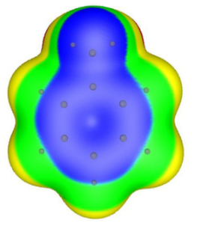 |  | A photo of a 3-dimensional shape contains multiple small circles arranged in a pattern with five rounded protrusions. | The photo of a 3-dimensional shape features multiple small circles distributed across its surface, arranged in a pattern with five rounded protrusions, and the structure includes a central area surrounded by the protrusions.
8 | 180 | u08-01-9780128229712 | - | 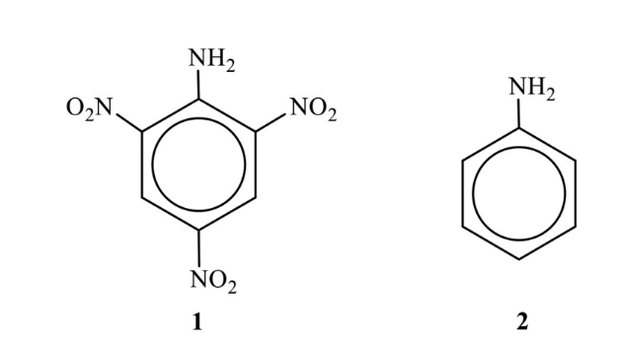 |  | A chemical structure of two molecular structures, one for a trinitrobenzene compound and the other for a simple benzene ring labeled 1 and 2. | The chemical structure includes two molecular structures side by side. The structure on the left is a benzene ring with one N H subscript 2 and three N O subscript 2. This structure is labeled 1. The structure on the right is a benzene ring with N H subscript 2. This structure is labeled 2. |  |  | No caption for this image in pdf.
8 | 182 | FIG. 8.4 | Impact sensitivity, given as log h50 with h50 in cm, plotted against heat of detonation, Qmax in kcal/g, for com- pounds in Table 8.1. | 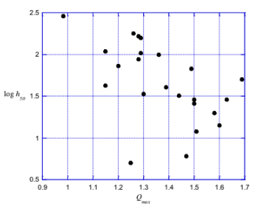 |  | A scatter plot contains multiple data points plotted along two axes, with value ranges from approximately 0.9 to 1.7 on the horizontal axis and 1 to 2.5 on the vertical axis. | The scatter plot has a horizontal axis labeled Q subscript max with a range from 0.9 to 1.7, marked in increments of 0.1. The vertical axis is labeled log h 50 and ranges from 0.5 to 2.5, marked in increments of 0.5. The graph depicts a collection of data points, which appear to have a slight downward trend with an increase in q value, although no clear linear relationship is evident. 21 data points that are spread out and do not follow a discernible pattern.
8 | 185 | u08-02-9780128229712 | - | 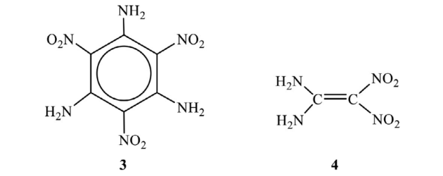 |  | A chemical structure of two molecular structures, one based on a benzene ring and one on a carbon chain labeled 3 and 4. | The chemical structure includes two molecular structures side by side. The structure on the left is a benzene ring with three N H subscript 2 and three N O subscript 2. This structure is labeled 3. The structure on the right is a symmetrical chain of two carbons joined by a double bond, with two N H subscript 2 and two N O subscript 2 attached. This structure is labeled 4. |  |  | No caption for this image in pdf.
8 | 186 | u08-03-9780128229712 | - |  |  | A chemical structure contains two triazine rings connected by an azo group, each ring bonded to an amino group, labeled 5. | The chemical structure includes two six-membered rings labeled triazine, each with three alternating double bonds and three nitrogen atoms at alternate positions. These rings are connected through an azo group represented by two nitrogen atoms double-bonded like N double bond N. Each triazine ring is substituted with an N H subscript 2 group positioned opposite to the azo linkage. The compound is labeled 5 beneath the structure. |  |  | No caption for this image in pdf.
8 | 188 | u08-04-9780128229712 | - | 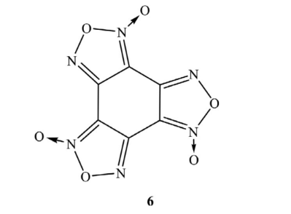 |  | A checmical structure contains a hexagonal ring with 6 nitrogen atoms and 1 carbon atom, each bonded to oxygen atoms in various configurations, labeled 6. | The chemical structure shows a six-membered ring with 6 nitrogen atoms and one carbon atom at the center. Each nitrogen atom is bonded to an oxygen atom, forming nitro groups N double bond O at different positions. The ring includes double bonds between some nitrogen and carbon atoms. The structure is labeled with the number 6 below it. |  |  | No caption for this image in pdf.

