Sheet1
Chapter Name/Number | Page Number | Figure Number | Caption | Thumbnail | Category | Short Alt Text | Long Alt Text | Short Alt-text Length | Long Alt-text Length | Comments
9 | 197 | FIG. 9.1 | Two mechanisms of initiation involving vibrational “hot” states (A) and thermally excited states (B). | 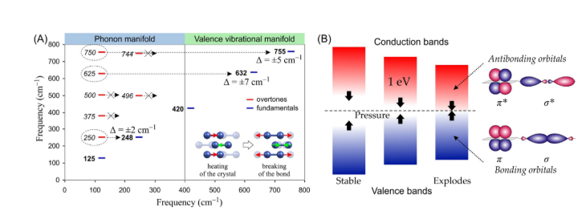 |  | A diagram with two panels, labeled A and B. Panel A shows frequency manifolds with molecular illustrations, while panel B illustrates band structures and orbital diagrams. | The diagram is presented with two main panels, labeled A and B. Panel A displays a plot of Frequency in reciprocal centimeters on the vertical axis, ranging from 0 to 800, against Frequency on the horizontal axis, also from 0 to 800 reciprocal centimeters. The top of the panel labels two regions, the Phonon manifold and the Valence vibrational manifold. Horizontal lines with dashed circles and arrows indicate specific frequency values and energy differences. Dashed lines with arrows represent overtones, while solid lines represent fundamentals. In the phonon manifold, the overtones dashed line from 750 to 744 moves to the valence vibrational manifold 755 of fundamentals that corresponds to a triangle equal to plus or minus 5 reciprocal centimeters. Overtones dashed line from 625 moves to valence vibrational manifold 632 of fundamentals that corresponds to a triangle equal to plus or minus 7 reciprocal centimeter. Overtones dashed line from 500 moves to 496 in the phonon manifold. Fundamentals 420 is in the center of both. The overtones dashed line from 375 is in the phonon manifold. Overtones dashed line from 250 moves to fundamentals 248 in the phonon manifold that corresponds to a triangle equal to plus or minus 2 reciprocal centimeter. Fundamentals 125 is in the phonon manifold. Below the plot, two small molecular illustrations depict a transition from heating of the crystal to breaking of the bond, showing a molecule with two large spheres connected by a bond, with a small sphere above and below the bond. In the breaking of the bond illustration, the bond between the two spheres is broken. Panel B illustrates concepts related to electronic band structures and orbitals. On the left, a series of vertical bars represents the Valence bands and Conduction bands. These bars are shown under different conditions, Stable, where valence and conduction bands are separated, Pressure, where the gap between bands decreases, shown by arrows moving towards each other, and Exp
9 | 200 | FIG. 9.2 | ΔEgap as a linear (FOX-7) and nonlinear (TATB) function of hydrostatic compression. | 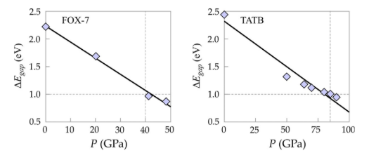 |  | A two-scatter plots with triangle energy subscript gap versus P or G P a show the band gap change with pressure for F O X 7 and T A T B. | The two scatter plots are displayed side-by-side, each showing triangle E subscript gap or electron volt or eV on the vertical axis, ranging from 0.5 to 2.5 e V, against P or G P a or pressure in gigapascals on the horizontal axis. Both plots include data points and a solid trendline. A dashed horizontal line at triangle E subscript gap equals to 1.0 e V and a dashed vertical line are present in both graphs. The left plot is titled F O X 7. Its horizontal axis ranges from 0 to 50 G P a. It shows four light diamond-shaped data points, which appear to follow a linear decreasing trend, fitted by a solid line. The dashed vertical line is at approximately 45 G P a, intersecting the trendline near the 1.0 e V mark on the vertical axis. The right plot is titled T A T B. Its horizontal axis ranges from 0 to 100 G P a. It shows several diamond-shaped data points, which also follow a linear decreasing trend, fitted by a solid line. The dashed vertical line is at approximately 90 G P a, intersecting the trendline near the 1.0 e V mark on the vertical axis.
9 | 203 | FIG. 9.3 | Typical packing modes of explosives with indication of sliding direction probability. | 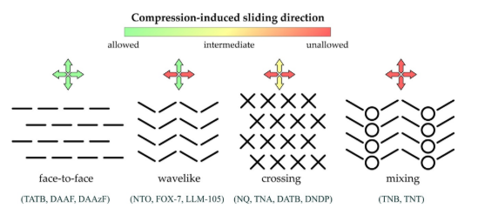 |  | A diagram illustrating four types of molecular arrangements under compression, labeled compression-induced sliding direction, each with an arrow indicating allowed or unallowed sliding direction. | The diagram illustrates four different molecular arrangements and their response to compression-induced sliding. At the top, a gradient bar ranges from allowed to intermediate to unallowed, indicating the ease of sliding. Below this, there are four distinct arrangements, each with a corresponding double-headed arrow symbol indicating the allowed or unallowed sliding directions for allowed, unallowed, and intermediate. Face to face, depicted by horizontal dashed lines arranged in parallel layers. Below it, a double-headed arrow with vertical and horizontal components indicates that sliding is allowed in both directions. Associated compounds listed below are T A T B, D A A F, D A A z F. Wavelike, illustrated by stacked V-shaped lines. Below it, a double-headed arrow indicates that sliding is not allowed in both vertical and horizontal directions. Associated compounds listed are N T O, F O X 7, and L L M 105. Crossing is present in a grid of X shapes. Below it, a double-headed arrow with vertical components and horizontal components indicates unallowed vertical sliding and intermediate horizontal sliding. Associated compounds listed are N Q, T N A, D A T B, D N D P. Mixing is represented by alternating rows of circles and V-shaped lines. Below it, a double-headed arrow with both vertical and horizontal components indicates that sliding is not allowed in both directions. Associated compounds listed are T N B, T N T.
9 | 205 | FIG. 9.4 | Presentation of the L/D ratio and circularity along with their drawbacks. |  |  | A diagram titled Drawback of the L slash D ratio shows an oval and an irregular shape, while Drawback of circularity shows a circle and a square, illustrating challenges in shape measurement. | The diagram illustrates two concepts related to shape measurement challenges, Drawback of the L slash D ratio and Drawback of circularity. Under the Drawback of the L slash D ratio or the Length to Diameter ratio. The first diagram shows a simple oval shape. It is labeled with L, indicating its maximum vertical length, and D, indicating its maximum horizontal width. The second picture displays an irregular, blob-like shape. Several intersecting lines are drawn across it, labeled L 1, L 2, and L 3, representing different possible length measurements. Below it, the question L 1, L 2 or L 3 is posed, highlighting the ambiguity in defining L for irregular shapes. Under the Drawback of circularity, the third picture shows a perfect circle. It is labeled with r indicating its radius, and C equals 1 below it, likely indicating a circularity value of 1 for a perfect circle. The fourth diagram shows a perfect square. It is labeled with 2 r, indicating both its height and width, implying it is derived from a circle with radius r. Below it, C equal to pi slash 4 is labeled, suggesting a circularity value for a square, which is less than 1.
9 | 206 | FIG. 9.5 | The influence of crystal morphology on IL (A–C), arrangement of crystals with high and low sphericity (D and E), and presentation of hot spot (F). | 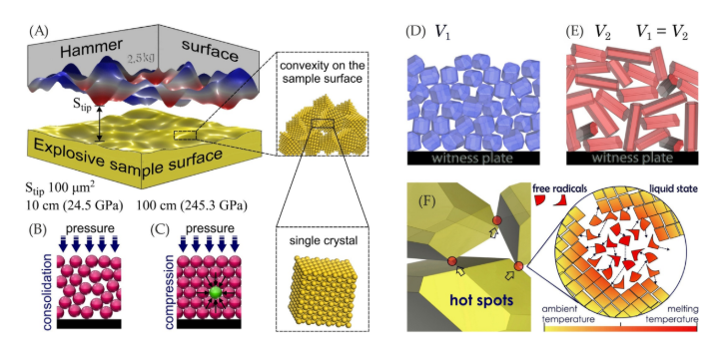 |  | A diagram with six panels, A to F, illustrates surface interactions, material compression, and molecular behavior leading to hot spots and decomposition. | The diagram is composed of six panels labeled A through F, illustrating various aspects of explosive material behavior under stress. Panel A shows a 3-dimensional rendering of a Hammer surface labeled 2.5 kilograms with an irregular, wavy texture, marked with an S subscript up. Below is an explosive sample surface with an irregular texture. Arrows indicate points of contact. To the right, a magnified view shows convexity on the sample surface with a cluster of spheres deforming. Below, a single crystal of spheres is shown. Text notes S subscript tip 100 micrometer square, 10 centimeter or 24.5 G P a, and 100 centimeter or 245.3 G P a provide scale and pressure information. Panel B depicts consolidation under pressure. It shows a collection of spheres being pressed downwards, becoming more densely packed. Panel C illustrates compression under pressure. Similar to B, spheres are compressed, but here, a single highlighted sphere is embedded within them. Panels D and E compare two scenarios on a witness plate. Panel D shows V 1, representing a uniform distribution of small particles. Panel E shows V 2, V 2 equals to V 1, with a similar volume but depicting elongated, irregularly oriented particles. Panel F focuses on hot spots. The left side shows a magnified view of two irregular solid shapes pressing against each other, with spheres at the points of contact and arrows indicating ambient temperature and melting temperature. The right side shows a circular magnified view labeled liquid state, where numerous small irregular shapes, labeled free radicals, are observable with arrows indicating movement, suggesting decomposition and increasing temperature.
9 | 208 | FIG. 9.6 | The plots of sensitivity functions Ω1 (A), Ω2 (B), Ω3 (C), and Ω4–Ω5 (D) vs the experimental ISs. | 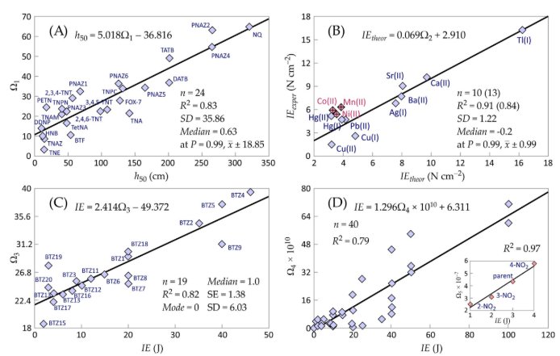 |  | A graph in four panels labeled A to D, each displaying a scatter plot with data points, a linear regression line, and statistical information. | The graphs are in four distinct panels, labeled A, B, C, and D, each presenting a scatter plot. Panel A displays data with omega subscript 1 on the vertical axis, ranging from 0 to 70, against h subscript 50 in centimeters on the horizontal axis, ranging from 0 to 350. The plot includes many data points, of which are labeled with chemical acronyms for T N E, B T F, T A T B, P N A 22, P N A 25, P N A 26, N Q, D A T B, F O X 7, T N P N, T N A Z, P E T N, T N T, P N A 23 and N Q. A linear regression line is drawn through the data, and its equation, h subscript 50 equals 5.018 omega subscript one negative 36.816, is provided. Additional statistical information for n equals 24, R superscript 2 equals 0.83, S D equals 35.86, Medium equals 0.63, and at P equals 0.99, line x positive or negative 18.85 is also included. Panel B shows I E subscript exper in newton centimeters to the power of negative 2 on the vertical axis, ranging from 0 to 18, versus I E subscript theor in newton centimeters to the power of negative 2 on the horizontal axis, also ranging from 0 to 18. There are 10 diamond data points, some labeled with chemical formulas for cobalt, manganese, calcium, nickel, mercury, silver, lead, barium, titanium and strontium. A linear regression line is present, with the equation I E subscript theor equals 0.069 omega subscript 2 plus 2.910. Statistical data for n equals 10 or 13, R superscript 2 equals 0.91 or 0.84, S D equals 1.22, Medium equals negative 0.2, and at P equals 0.99, line x positive or negative 0.99 are provided. Panel C plots omega subscript three on the vertical axis, ranging from 18 to 40, against I E in joules on the axis, ranging from 18 to 40 and I E in joules from 0 to 50. This panel features many data points, labeled with B T Z 4 to B T Z 20. A linear regression line is shown, along with the equation I E equals 2.414 omega subscript 3 negative 49.372. Statistical data includes n equals 19, R superscript 2 equals 0.82, S D equals 6.03, Medium equ

