Sheet1
Chapter Name/Number | Page Number | Figure Number | Caption | Thumbnail | Category | Short Alt Text | Long Alt Text | Short Alt-text Length | Long Alt-text Length | Comments
10 | 218 | FIG. 10.1 | Calculated phonon dispersion curves and density of states (0–700 cm1) for the energetic material HN3. | 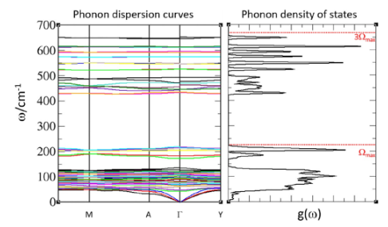 |  | A set of two side-by-side graphs with the Phonon dispersion curves on the left and the Phonon density of states on the right. | The set of two graphs presents the Phonon dispersion curves on the left and the Phonon density of states on the right. The left plot is titled Phonon dispersion curves. The vertical axis is labeled with the omega and units of per centimeter, ranging from 0 to 700. The horizontal axis includes labels M, A, Gamma, and Y. The plot contains multiple lines representing the dispersion of various phonon modes, with dense groupings of lines occurring between 0 and 200 on the vertical axis and another set of lines between 400 and 500. The right plot is titled Phonon density of states. The scale and label of the vertical axis are similar to the left plot. The horizontal axis is labeled g omega. The plot is a curve that presents the density of states with several distinct peaks and valleys. Two horizontal dashed lines are present. The lower line is at approximately 200 and is labeled omega max. The upper line is at approximately 650 and is labeled 3 omega max.
10 | 220 | FIG. 10.2 | Schematic diagram of the shock wave excitation and the vibrational up-pumping process. |  |  | A diagram illustrates three different phonon energy modes and their relationship through vibrational up-pumping. | The diagram depicts different phonon modes and vibrational up-pumping limits. A vertical axis is labeled with omega and units of per centimeter. The diagram is divided into three sections by horizontal lines labeled omega max, 2 omega max, and 3 omega max. The bottom section is labeled Phonon bath modes, q, and an arrow from the right points to it, labeled Mechanical impact. The middle section is labeled Doorway modes, Q subscript D. The top section is labeled Target modes, Q subscript T. An upward pointing arrow to the right of the sections is labeled Vibrational up-pumping pathways. Below this label, the pathways are described with respect to Overtone with the parenthetical note q subscript 1 q subscript 1 and Combination with the parenthetical note q subscript 1 q subscript 2 or q subscript 1 Q subscript D. A horizontal arrow at the top points to the left and is labeled 1st order anharmonic vibrational up pumping limit.
10 | 222 | FIG. 10.3 | Potential energy surfaces (S0 black, S1 red, S2 blue, T1 pink and T2 green) for the N3- anion (lineargeometry on the left, bent geometry on the right), derived from MRCI calculations. Adapted from Ref. Michalchuk, A. A. L.; Fincham, P. T.; Portius, P.; Pulham, C. R.; Morrison, C. A. A pathway to the Athermal impact initiation of energetic Azides. Journal of Physical Chemistry C 2018, 122 (34), 19395–19408. https:/doi.org/10.1021/acs.jpcc.8b05285, with permission American Chemical Society. | 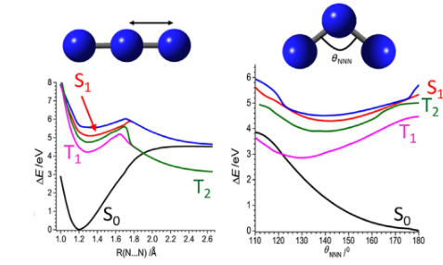 |  | A set of panels presents a graph of energy level curves with a function of bond length and bond angle for a three-atom molecule. | The set of panels contains two plots side by side, each with a corresponding molecular model above it. The left plot's molecular model is a linear chain of three atoms. Its horizontal axis is labeled R N...N per angstroms, ranging from 1.0 to 2.6. Its vertical axis is labeled delta E over eV, ranging from 0 to 8. The plot contains several curves labeled S 0, S 1, T 1, and T 2. An arrow on the left plot points to a point on the S 1 curve. The right plot's molecular model is a bent chain of three atoms with an angle theta N N N. Its horizontal axis is labeled theta N N N per degrees, ranging from 110 to 180. Its vertical axis is labeled delta E over eV, ranging from 0 to 6. This plot also contains several curves labeled S 0, S 1, T 1, and T 2.
10 | 223 | FIG. 10.4 | Simulated electronic band structures for NaN3, with θNNN 1⁄4180° and 110°, demonstrating band gap closing. Adapted with from Ref. Michalchuk, A. A. L.; Rudic, S.; Pulham, C. R.; Morrison, C. A. Vibrationally induced metallisation of the energetic Azide α-NaN3. Physical Chemistry Chemical Physics 2018, 20 (46), 29061–29069. https:/doi.org/10.1039/C8CP06161K, with permission from Royal Society of Chemistry. | 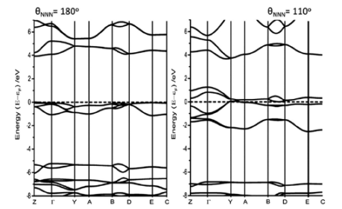 |  | A side-by-side graph of two energy band graphs for theta N N N equals 180 degrees and 110 degrees. | The side-by-side graphs for theta subscript N N N equals 180 degrees and 110 degrees. A shared vertical axis is labeled Energy with units of E minus E subscript f over eV, ranging from negative 8 to 6. A shared horizontal axis includes labels Z, Gamma, Y, A, B, D, E, and C. The left plot is titled theta subscript N N N equals 180 degrees. The right plot is titled theta subscript N N N equals 110 degrees. Both plots contain several energy bands with curves that extend across the entire horizontal axis. A dashed horizontal line is present on both plots at y equals 0.
10 | 226 | FIG. 10.5 | Chemical structures and crystal structure packing diagrams of five structurally diverse energetic compounds. | 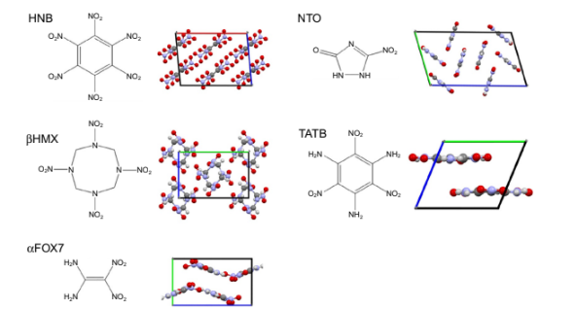 |  | A set of diagrams of five chemical compounds with their adjacent molecular and crystal structures, labeled H N B, beta H M X, alpha F O X 7, N T O, and T A T B. | The set of diagrams includes each with a chemical compound name, followed by its molecular structure and a crystal packing diagram. The top left section is for H N B and contains a molecular structure of a benzene ring with nitro groups, next to a crystal packing diagram. The middle left section is for beta H M X and contains a molecular structure of a ring with nitrogen and nitro groups, next to a crystal packing diagram. The bottom left section is for alpha F O X 7 and contains a molecular structure of a symmetrical chain with nitro and amine groups, next to a crystal packing diagram. The top right section is for N T O and contains a molecular structure of a ring with an amine and nitro group, next to a crystal packing diagram. The middle right section is for T A T B and contains a molecular structure of a benzene ring with amine and nitro groups, next to a crystal packing diagram.
10 | 228 | FIG. 10.6 | Stack plot showing calculated phonon density of states (PDOS, black) and integrated vibrational up-pumping (red shading) for HNB, β-HMX, α-FOX7, NTO and TATB, arranged in order of decreasing sensitivity to impact. The top of the phonon bath (Ωmax) is marked by a dotted vertical line (left hand side marker). The vibrational up-pumping region lies between Ωmax and 3Ωmax (vertical dashed line). | 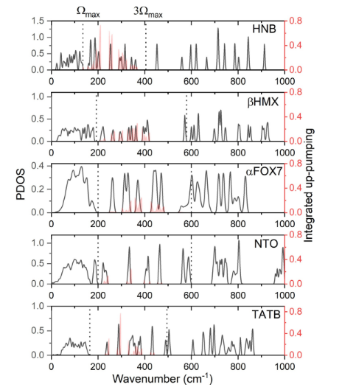 |  | A set of series presents five P D O S plots for H N B, beta H M X, alpha F O X 7, N T O, and T A T B. | The set of five vertically stacked plots has a shared horizontal axis labeled Wavenumber with units of per centimeter, ranging from 0 to 1000. There are two shared y axes, one on the left labeled P D O S and one on the right labeled Integrated up pumping. Three dotted vertical lines are present across all plots at approximately 200, 400, and 600. The lines at 200 and 400 are labeled omega max and 3 omega max, respectively. The plots are for H N B, beta H M X, alpha F O X 7, N T O, and T A T B, from top to bottom. Each plot contains a P D O S curve.
10 | 230 | FIG. 10.7 | Plot of (experimental) impact sen- sitivity vs (simulated) integrated vibrational up-pumping, derived from the first-principle two-stage vibrational up-pumping model. | 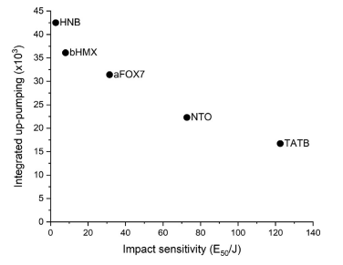 |  | A scatter plot presents 5 data points with a downward trend for integrated up pumping on the vertical axis versus impact sensitivity on the horizontal axis. | The scatter plot presents 5 labeled data points. The horizontal axis is labeled Impact sensitivity with units of E subscript 50 over J, ranging from 0 to 140. The vertical axis is labeled Integrated up pumping with units of times 10 superscript 3, ranging from 0 to 45. The data points are H N B at approximately x equals 5 and y equals 42, b H M X at approximately x equals 10 and y equals 36, a F O X 7 at approximately x equals 35 and y equals 31, N T O at approximately x equals 70 and y equals 22, and T A T B at approximately x equals 120 and y equals 17. The data has a general downward trend.

