Sheet1
Chapter Name/Number | Page Number | Figure Number | Caption | Thumbnail | Category | Short Alt Text | Long Alt Text | Short Alt-text Length | Long Alt-text Length | Comments
11 | 235 | FIG. 11.1 | Schematic sketch of a PES. | 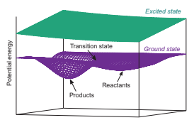 |  | A diagram presents a three-dimensional energy surface with ground and excited states, which depicts labelled reactants, products, and a transition state along the reaction path. | The diagram presents a three-dimensional potential energy surface with the vertical axis labeled potential energy. The lower surface represents the ground state and includes a curved valley labeled reactants on the right, products on the left, and a raised region between them marked transition state. Above this surface, a flat plane labeled excited state extends across the entire diagram. The structure indicates energy variation from reactants to products through the transition state.
11 | 236 | FIG. 11.2 | Adiabatic states of a hypothetical mol-ecule: ground electronic state S0, first singlet andtriplet excited states S1 and T1, and arbitrary singletexcited state Sn. For every PES, electrons are shown in a box as up and down arrows depending on theirspin states, lying on horizontal scales representingorbital energies. Black, blue(gray in print version),and red(dark gray in print version) colors indicate, re-spectively, ground, monoexcited, and polyexcitedstates. | 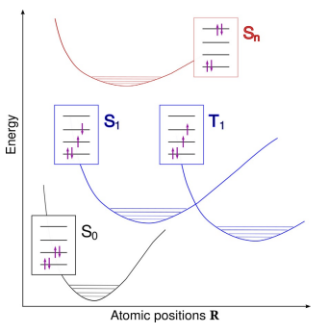 |  | A graph presents ground, singlet, and triplet excited electronic states of a molecule with electron spin configurations across potential energy curves based on atomic positions. | The graph presents potential energy curves with energy on the vertical axis and atomic positions on the horizontal axis. The bottom curve represents the ground electronic state labeled S subscript 0, with an inset box depicting paired electron spins across orbital lines. Above this, the 2 middle curves represent the first singlet excited state, labeled S subscript 1, and the first triplet state, labeled T subscript 1, each with boxes depicting respective electron configurations. The topmost curve represents an arbitrary singlet excited state labeled S subscript n, with an inset box indicating a polyexcited configuration. All boxes contain horizontal lines representing orbital energies and arrows indicating spin directions.
11 | 237 | FIG. 11.3 | Evolution of the electronic structure of a large collection of molecules from infinite separation (left) to forming a dense crystal (right). Occupied and unoc- cupied energy levels shown, respectively, in dark and light gray. | 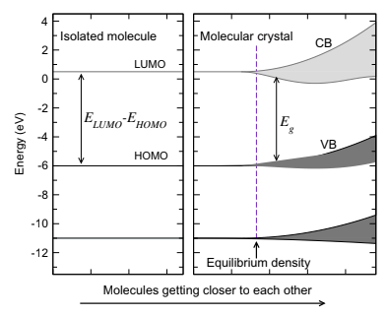 |  | A graph presents energy levels from an isolated molecule to a molecular crystal, with separate highest occupied and lowest unoccupied levels merging into valence and conduction bands. | The graph presents two panels with energy in electronvolts on the vertical axis, ranging from negative 12 to 4, and increasing molecular proximity on the horizontal axis. The left panel depicts an isolated molecule with two labeled horizontal lines for the highest occupied molecular orbital and the lowest unoccupied molecular orbital. An arrow marks the energy difference between these two levels. The right panel depicts a molecular crystal with broad valence and conduction bands. A vertical dashed line indicates the equilibrium density, and another arrow marks the band gap between valence and conduction bands. Dark shading represents occupied states, and light shading represents unoccupied states.
11 | 238 | FIG. 11.4 | Schematic view of electronic ground state and first excited state of a molecular system plot along an arbitrary reaction coordi- nate to illustrate vertical (V) and nonadiabatic (NA) transitions. E0 and E1 denote energy bar- riers to decomposition for the ground and excited states. | 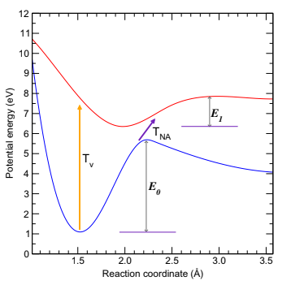 |  | A graph presents ground and excited electronic states with potential energy curves along the reaction coordinate and labeled vertical and nonadiabatic transitions with energy barriers. | The graph presents two potential energy curves, with potential energy in electronvolts on the vertical axis ranging from 0 to 12 and reaction coordinate in angstroms on the horizontal axis ranging from 0 to 3.5. The lower curve represents the ground electronic state with a minimum around 1.5 angstroms, and the upper curve represents the first excited electronic state with a minimum around 2.5 angstroms. An upward arrow labeled T subscript V connects the minimum of the ground state to the excited state. Another arrow labeled T subscript N A connects the crossing point of both curves. Two vertical bars labeled E subscript 0 and E subscript 1 mark energy barriers on the ground and excited states.
11 | 239 | FIG. 11.5 | Jablonski diagram showing elec- tronic (thick lines) and vibrational (thin lines) energy levels of a hypothetical system and transi- tions between them, shown using orange(light gray in print version) and black arrows, respec- tively, for radiative and nonradiative ones, with corresponding lifetimes indicated in ns units. | 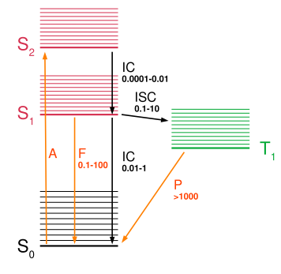 |  | A diagram presents singlet and triplet electronic states with vibrational levels and labeled radiative and nonradiative transitions, corresponding to lifetimes in nanoseconds. | The diagram presents electronic and vibrational energy levels of a system. The lower left section contains the ground singlet state labeled S subscript 0 with stacked thin lines. Above it, the singlet excited states S subscript 1 and S subscript 2 contain thin lines and thick baselines. The right section includes a triplet state labeled T subscript 1 with similar thin lines. Upward and downward arrows labeled A, F, and P represent radiative transitions, while horizontal and vertical arrows labeled I C and I S C represent nonradiative transitions. All arrows have lifetimes in nanoseconds.
11 | 240 | FIG. 11.6 | Subsequent steps in the initiation process and assumptions of current models regarding the determining one for impact sensitivity. Electronic excitations might be involved at any stage. | 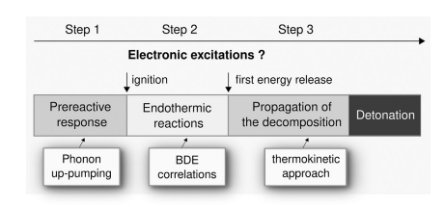 |  | A diagram labeled steps 1, 2, and 3 with pre-reactive response linked to phonon up-pumping, endothermic reactions linked to B D E correlations, propagation to thermokinetic approach, and detonation. | The diagram presents 3 sequential steps in a horizontal arrow marked step 1, step 2, and step 3. Step one has a pre-reactive response connected to phonon up-pumping. Step two depicts endothermic reactions linked with B, D, and E correlations and marked ignition above. Step 3 indicates propagation of the decomposition ending with detonation linked to the thermokinetic approach, with electronic excitations written above all steps.
11 | 242 | FIG. 11.7 | One-dimensional atomistic model introduced by Kuklja et al. [37] for an edge dis- location in the RDX crystal. The Burger vector B is along the z direction and the slip plane is or- thogonal to d. RDX molecules are located at the nodes of the represented mesh. Calculations are restricted to the molecules shown as open circles. Adapted from M.M. Kuklja, E.V. Stefanovich, A.B. Kunz, An excitonic mechanism of detonation initiation in explosives, J. Chem. Phys. 112 (7) (2000) 3417, https://doi.org/10.1063/1.480922. With permission from AIP. | 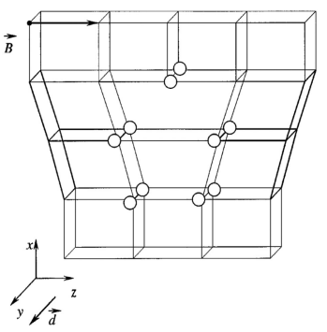 |  | A diagram of a three-dimensional lattice with open circles at node points, a Burgers vector marked along the z direction, and a slip plane orthogonal to direction d with labeled x, y, z axes. | The diagram presents a three-dimensional trapezoidal lattice formed by interconnected rectangular cells arranged horizontally in rows and columns. Open circles positioned at specific node points mark selected molecules. A Burger vector marked as B extends horizontally along the z-axis. A slip plane oriented orthogonal to direction d intersects through part of the lattice. An axis system placed at the lower left corner labels the x-axis horizontally, the y-axis diagonally upward, and the z-axis vertically.
11 | 248 | FIG. 11.8 | Evolution of the fraction of excited electrons as a sustained shock wave passes through the material. Adapted from D. Mathieu, P. Martin, P. Simonetti, Nonadiabatic simulation of valence electrons in solids under sustained shockwaves, AIP Conf. Proc. 505 (2000) 409–412, https://doi.org/10.1063/1.1303504. With permission from AIP. | 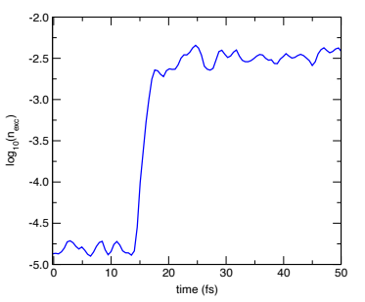 |  | A graph with a contour curve plots the log base 10 of n subscript excited along the vertical axis against time in femtoseconds along the horizontal axis from 0 to 50. | The graph has a horizontal axis labeled time in femtoseconds, ranging from 0 to 50, and a vertical axis labeled log base ten of n subscript excited, ranging from negative 5 to negative 2. A contour curve begins near negative 5 and stays low until around 15 femtoseconds, then rises sharply toward negative 2.5 near twenty femtoseconds, followed by smaller fluctuations, and it stays relatively stable until 50 femtoseconds.

