Sheet1
Chapter Name/Number | Page Number | Figure Number | Caption | Thumbnail | Category | Short Alt Text | Long Alt Text | Short Alt-text Length | Long Alt-text Length | Comments
12 | 258 | FIG. 12.1 | Ratio kBT/E† between temper-ature and apparent activation energy req-uired so that the characteristic time scale τfor decomposition is equal to the value onthe x-axis. The three curves are for inverseprefactors 1/A of respectively 1, 5, and10 ps. | 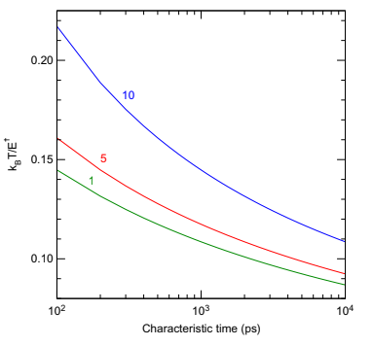 |  | A graph with three downward curves plotting the ratio of temperature to activation energy versus characteristic time for three inverse prefactor values. | The graph has three downward slope curves on a logarithmic horizontal axis labeled characteristic time in picoseconds and a linear vertical axis labeled ratio of Boltzmann constant times temperature to activation energy. The 3 curves represent inverse prefactor values of 1, 5, and 10 picoseconds, labeled numerically along each curve in clockwise order. The curves decrease from left to right, which depicts that the ratio declines while the characteristic time increases. Gridlines divide the axes at regular intervals, and the values on both axes increase progressively toward the right and top edges.
12 | 260 | FIG. 12.2 | Shear applied to a nitromethane crystal tears the molecules with departure of the hydrogen atoms,represented on the rightmost image by white spheres of large diameter. No such reaction is observed under hydrostatic compression. Data from V. Guilbaud, J.-P. Dognon, D. Mathieu, C. Morell, A. Grand, P. Maldivi, Chemistry is everywhere,CLEFS CEA 60 (2011) 17–20. |  |  | A diagram of three crystal structures under shear depicts a molecular deformation and hydrogen atom departure in the final structure. | The diagram shows three adjacent molecular crystal structures of nitromethane progressing from left to right within a bordered rectangular frame. Each structure is enclosed within a parallelepiped cell. Arrows around each structure indicate the application of shear. The first structure contains intact molecules composed of carbon, hydrogen, nitrogen, and oxygen atoms. The middle structure appears slightly deformed, with molecules tilted. The rightmost structure depicts further distortion and the presence of detached large white spheres representing hydrogen atoms separated from their molecules. An arrow along the top and bottom edges denotes shear direction.
12 | 263 | FIG. 12.3 | Going from viscoplastic to hydrodynamic collapse regime as pore size and/or shock strength is in-creased. The arrow represents the shock coming from the left. Adapted from M.A. Wood, D.E. Kittell, C.D. Yarrington, A.P.Thompson, Multiscale modeling of shock wave localization in porous energetic material, Phys. Rev. B 97 (1) (2018) 014109,https://doi.org/10.1103/Phys-RevB.97.014109 with permission from APS. |  |  | A diagram with three circular pore shapes depicts the transition from viscoplastic to hydrodynamic collapse under increased shock pressure or pore size. | The diagram consists of 3 circular pore structures aligned horizontally from left to right, each within a dashed circle and connected by rightward arrows. The first pore on the left is labeled viscoplastic and contains symmetric radial arrows pointing inward. The second pore at the center has an asymmetric, deformed shape with inward arrows directed toward a narrowed region. The third pore on the right is labeled hydrodynamic and presents a deeply pinched hourglass-like shape with curved inward arrows converging at the constriction. A horizontal axis below the diagram indicates an increase in shock pressure or pore size from left to right, with low labeled under the first structure and high under the third.
12 | 264 | FIG. 12.4 | Shock-induced collapse of a cylindrical pore compressed by a shock coming from the left as viewedusing temperature maps (K): 1. compression of the pore as the shock front comes into contact; 2. jetting of molecules inside the pore; 3. impact of the ejected molecules on the rear surface of the pore whose temperature is increased; 4.collapse of the residual lobes. See text for details. Adapted from N.K. Rai, M.J. Schmidt, H.S. Udaykumar, High-resolutionsimulations of cylindrical void collapse in energetic materials: effect of primary and secondary collapse on initiation thresholds,Phys. Rev. Fluids 2 (4) (2017) 043202, https://doi.org/10.1103/PhysRevFluids.2.043202. With permission from APS. |  |  | A diagram with four panels labeled A, B, C, and D depicts a cylindrical void under shock compression, material jet formation, temperature rise on impact, and further rise due to lobe collapse. | The diagram contains four panels labeled A to D. Panel A depicts a cylindrical void on the left under an applied shock load from the left side. Panel B presents material jet with an arrow that focuses inside the compressed void. Panel C indicates a temperature rise at the impact site, with 3 arrows that mention the secondary lobe and the primary blast wave where the jet meets the rear surface. Panel D illustrates a further temperature increase due to the secondary collapse of residual lobes with an arrow that mentions expanding primary blast wave. A contour-coded temperature scale in Kelvin appears on the right with values ranging from 300 to 3140. Labels highlight the primary blast wave, the secondary lobe, and the expanding blast wave.
12 | 266 | FIG. 12.5 | Three stages observed in the shock to deflagration transition induced by a cylindrical nanopore compressedby a shock coming from the left. The colors representing the vibrational temperature highlight the crescent-shaped hotspot growing from the downstream region of the pore. Adapted from M.A. Wood, M.J. Cherukara, E.M. Kober, A. Strachan,Ultrafast chemistry under nonequilibrium conditions and the shock to deflagration transition at the nanoscale, J. Phys. Chem. C 119(38) (2015) 22008–22015, https://doi.org/10.1021/acs.jpcc.5b05362 with permission from ACS. |  |  | A diagram with 3 panels labeled stage 1, 2, and 3 presents hot spot extension, exothermic reaction, and deflagration front propagation during shock to deflagration transition in a cylindrical pore. | The diagram has three panels labeled stage 1, 2, and 3. The first panel represents Stage 1 with a crescent-shaped hot spot and temperature ranging from 1500 to 2000 Kelvin. The second panel represents Stage 2 with an intense hot spot indicating temperature between 2000 and 4000 Kelvin. The third panel represents Stage 3 with propagation of deflagration fronts at approximately 250 meters per second under steady state conditions. Each panel includes a vibrational temperature map at 10 picoseconds15 picoseconds, and beyond. A horizontal arrow connects all three stages from left to right.
12 | 272 | FIG. 12.6 | Temperature distributions at different times with different color scales for each system. The shock wave propagates in the y-direction.(A) Perfect crystal; (B) crystal with void; (C) crystal with entrained oxygen; (D) entrained amorphous carbon. Adapted from X. Huang, Z. Qiao, X. Dai,K. Zhang, M. Li, G. Pei, Y. Wen, Effects of different types of defects on ignition mechanisms in shocked β-cyclotetramethylene tetranitramine crystals: a moleculardynamics study based on ReaxFF-lg force field, J. Appl. Phys. 125 (19) (2019) 195101, https://doi.org/10.1063/1.5086916. | 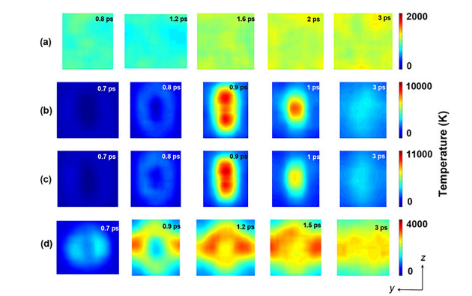 |  | A diagram with four rows labeled a, b, c, and d presents temperature maps at multiple time steps for a perfect crystal, a void containing crystal, a crystal with oxygen, and amorphous carbon. | The diagram contains four horizontal rows labeled a to d, each with five square panels arranged left to right. Row a depicts a perfect crystal with temperature maps at 0.8 picoseconds, 1.2 picoseconds, 1.6 picoseconds, 2 picoseconds, and 2.4 picoseconds. Row b presents a crystal with a void at 0.7 picoseconds, 0.8 picoseconds, 0.9 picoseconds, 1 picoseconds, and 3 picoseconds. Row c represents a crystal with entrained oxygen at 0.7 picoseconds, 0.8 picoseconds, 0.9 picoseconds, 1 picosecond, and 3 picoseconds. Row d depicts entrained amorphous carbon at 0.7 picoseconds, 0.9 picoseconds, 1.2 picoseconds, 1.5 picoseconds, and 3 picoseconds. Three separate vertical temperature bars appear on the right, with maximum values of 2000, 10000, 11000, and 4000 Kelvin. A coordinate axis at the bottom right corner indicates shock propagation along the y direction and depth along the z direction.
12 | 273 | FIG. 12.7 | Time-resolved vibrational spectrum of aPVN sample undergoing shock-induced decomposition at18 GPa. The initial density of states is especially high inthe 1900–2000 cm1 frequency range corresponding to theNO2 antisymmetric stretching mode (shifted from the exper-imental value of 1624 cm1) that disappear at 150 ps.Adapted from M.M. Islam, A. Strachan, Decomposition and reac-tion of polyvinyl nitrate under shock and thermal loading: a ReaxFFreactive molecular dynamics study, J. Phys. Chem. C 121 (40)(2017) 22452–22464, https://doi.org/10.1021/acs.jpcc.7b06154.with permission from ACS. | 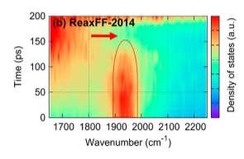 |  | A graph labelled b presents a vibrational spectrum with density of states plotted over time and wavenumber, with a high density region between 1900 and 2000. | The graph labelled b presents a two-dimensional vibrational spectrum with time in picoseconds on the vertical axis, ranging from 0 to 200, and wavenumber in reciprocal centimeters on the horizontal axis, from 1700 to 2200. An arrow labeled Reax F F 2014 points toward a high-density region centered between 1900 and 2000 wavenumber. This region extends vertically from 0 to about 150 picoseconds. A vertical contour bar on the right represents the density of states in arbitrary units. A thin elliptical outline marks the region of interest. Grid lines divide the background.
12 | 281 | FIG. 12.8 | (A) Snapshots of the polymer-bonded HTPB-RDX consisting of γ-RDX and HTPB with chain length of 32 backbone carbon atoms (C32H50O2). The PBX system is 58.2 nm long in the z-direction and has a cross-sectional area of 3.768 nm 2.844 nm. (B) Snapshots of starting structures of a central hot spot, interface hot spot, and RDX-only configurations. For each configuration, the hot spot is shown by larger red-colored spheres(gray in print version). The size of the hot spot is the same for all configurations. Color scheme: cyan(dark gray in print version)—C, blue(light gray in print version)—N, red(gray in print version)—O, and white—H. Adapted from K. Joshi, S. Chaudhuri, Hot spot inter- action with hydroxyl-terminated polybutadiene binder in energetic composites, J. Phys. Chem. C 122 (26) (2018) 1443414446, https://doi.org/10.1021/acs.jpcc.7b11155. | 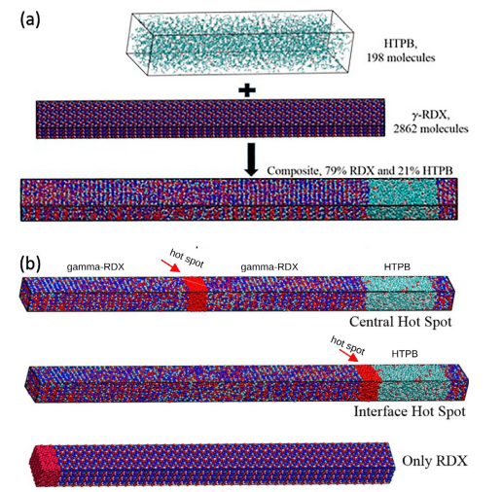 |  | A diagram labeled a and b contains molecular structures of a polymer-bonded explosive and 3 configurations with central, interface, and R D X only hot spots highlighted by large spheres. | The diagram contains two parts labeled a and b. Part A includes 3 horizontally stacked molecular models. The top model represents hydroxyl-terminated polybutadiene with 198 molecules. The middle model represents gamma R D X with 2862 molecules. The bottom model depicts a composite structure with 79 percent R D X and 21 percent hydroxyl-terminated polybutadiene. Part B includes 3 horizontally aligned composite systems. The top configuration contains two gamma R D X regions with a central hot spot represented by larger spheres. The middle structure contains a hot spot at the interface between gamma R D X and hydroxyl-terminated polybutadiene. The bottom structure includes only R D X with a hot spot near one end. The atomic elements appear like distinct spheres arranged in bonded molecular chains.

