Sheet1
Chapter Name/Number | Page Number | Figure Number | Caption | Thumbnail | Category | Short Alt Text | Long Alt Text | Short Alt-text Length | Long Alt-text Length | Comments
13 | 292 | FIG. 13.1 | Potential energy profile for the chemicaldecomposition of EMs. | 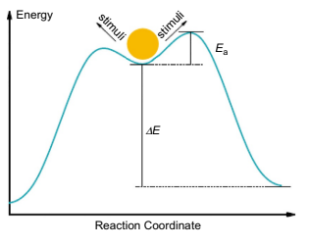 |  | A graph with energy along the vertical axis and reaction coordinate along the horizontal axis depicts a curve with a circle at the peak and two labels named stimuli near the circle. | The graph contains a curved line starting low, rising to a peak, and descending again. The vertical axis is labeled energy, and the horizontal axis is labeled reaction coordinate. A circle sits at the curve's peak with two opposite sloped arrows labeled stimuli near it. A vertical line from the base to the circle marks delta E, while a shorter vertical line from the peak to the circle depicts E subscript a. The curve slopes downward symmetrically after the peak.
13 | 295 | FIG. 13.2 | A schematic diagram of the competing decomposition channels for the HMX crystal. Reproduced fromD. Xiang, W. Zhu, Adiabatic and constant volume decomposition process of condensed phase δ-1,3,5,7-tetranitro1,3,5,7-tetrazocane at high temperatures: Quantum molecular dynamics simulations, J. Mol. Graph. Model. 85 (2018) 68 withpermission from Elsevier. | 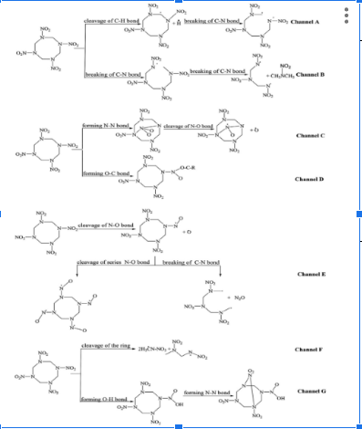 |  | A diagram presents 7 reaction channels labeled clockwise from Channel A to Channel G, with different molecular structures and bond changes in each pathway. | The diagram contains 7 distinct molecular reaction pathways labeled Channel A to Channel G in clockwise order. Each channel starts with a similar 6-membered aromatic ring substituted with 3 nitro groups and a methyl group, and then branches into a different product. In Channel A, the cleavage of a carbon-to-hydrogen bond and the breaking of a carbon-to-nitrogen bond yield a nitro-substituted aromatic product. Channel B depicts the breaking of carbon to nitrogen and nitrogen to oxygen bonds, resulting in a compound with a methyl and a nitro group on the ring. Channel C involves forming a nitrogen-nitrogen bond, followed by cleavage of a nitrogen-oxygen bond to form a nitro-substituted compound. Channel D includes forming an oxygen-to-carbon bond that links two aromatic rings. Channel E involves cleavage of a nitrogen to oxygen bond, then cleavage of a carbon to carbon bond with substitution on the ring. Channel F includes cleavage of the ring that generates an open chain compound with nitro substituents. Channel G contains the cleavage of an oxygen to hydrogen bond and forms a nitrogen to nitrogen bond, producing a closed ring compound with multiple nitro groups. Each structure is clearly marked with arrowheads indicating direction and distinct structural changes. All reactions use consistent molecular notations, arrow directions, and line thickness.
13 | 296 | FIG. 13.3 | Mechanism of the proposed reaction pathway of HONO release and NO2 cleavage in β-HMX. The HONO release reaction has a barrier (TS5) of 43.6 kcal/mol, and the NO2 cleavage reaction energy (barrier) is 33.2 kcal/mol above β-HMX. Units are in kcal/mol. Reprinted (adapted) with permission from C. Ye, Q. An, W. Zhang, W.A. Goddard, III. Initial decomposition of HMX energetic material from quantum molecular dynamics and the molecular structure transition of β-HMX to δ-HMX, J. Phys. Chem. C 123 (2019) 9231. Copyright (2019) American Chemical Society. | 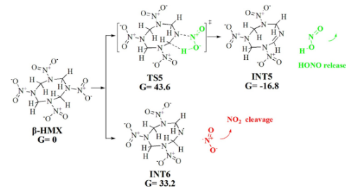 |  | A diagram presents the proposed reaction pathway of H O N O release and N O subscript 2 cleavage in beta H M X. | The diagram presents the initial beta H M X molecule with a Gibbs free energy of 0 kilocalories per mole. From beta H M X, 2 reaction pathways branch out. The first pathway leads to transition state 5, abbreviated T S 5, with a Gibbs free energy of 43.6 kilocalories per mole. This path then proceeds to intermediate 5, abbreviated I N T 5, with a Gibbs free energy of negative 16.8 kilocalories per mole, followed by the release of H O N O. The second pathway from beta H M X leads to intermediate 6, abbreviated I N T 6, with a Gibbs free energy of 33.2 kilocalories per mole, which then undergoes N O subscript 2 cleavage. Each molecule is represented by its chemical structure, representing atoms like nitrogen, oxygen, and hydrogen connected by bonds.
13 | 297 | FIG. 13.4 | Time evolution of initial CL-20 (R-NO2), products N2, N2O, NO, and intermediate NO2 for T 1500 K (A), 2000 K (B), 2500 K (C), and 3000 K (D) as calculated from simulations of the small (one unit cell) model. Thick spline trendlines correspond to the actual concentration data of the matching color (different shades of gray in the print version) behind. Reprinted (adapted) with permission from O. Isayev, L. Gorb, M. Qasim, J. Leszczynski, Ab initio molecular dynamics study on the initial chemical events in nitramines: thermal decomposition of CL-20, J. Phys. Chem. B 112 (2008) 11005. Copyright (2008) American Chemical Society. | 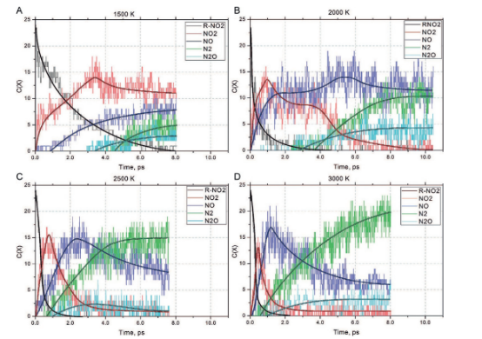 |  | A set of four graphs labeled A, B, C, D comparing concentrations of R subscript, nitrogen dioxide, nitric oxide, nitrogen, and nitrous oxide against time in picoseconds at 4 different temperatures. | The set of four labeled graphs is arranged in two rows, each plotting concentration on the vertical axis and time in picoseconds on the horizontal axis. Graph A represents a temperature of 1500 Kelvin, graph B represents 2000 Kelvin, graph C represents 2500 Kelvin, and graph D represents 3000 Kelvin. Each graph depicts 5 fluctuating concentration curves for R sub N O subscript 2, nitrogen dioxide, nitric oxide, nitrogen, and nitrous oxide, marked by distinct line styles. Thick spline trendlines follow the concentration data in each graph. Across the graphs, R sub NO2 decreases over time, while the products present various increasing trends depending on temperature and time. Each graph contains similar axis scales and legends marking the species.
13 | 299 | FIG. 13.5 | Snapshots of the decomposition of the solid NM by the AIMD simulation at 195 ps. The red (gray in the print version), white, blue (dark gray in the print version), and cyan (light gray in the print version) balls refer to oxygen, hydrogen, nitrogen, and carbon atoms, respectively. Reprinted with permission from J. Chang, P. Lian, D. Wei, X. Chen, Q. Zhang, Z., Gong, Thermal decomposition of the solid phase of nitromethane: Ab initio molecular dynamics simulations, Phys. Rev. Lett. 105 (2010) 188302. Copyright (2010) by the American Physical Society. | 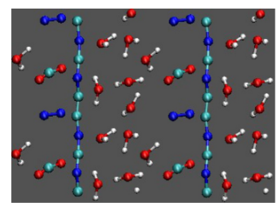 |  | A diagram presents nitrogen atoms, carbon atoms, oxygen atoms, hydrogen atoms, water molecules, carbon dioxide molecules, nitrogen molecules, and carbon-nitrogen chains. | The diagram presents nitrogen atoms in large spheres, carbon atoms in medium spheres, oxygen atoms in medium spheres, and hydrogen atoms in small spheres. Starting from the top right and moving clockwise, water molecules appear with 1 oxygen atom connected to 2 hydrogen atoms. Carbon dioxide molecules appear with 1carbon atom connected to 2 oxygen atoms. Nitrogen molecules contain 2 connected nitrogen atoms. Chains made of alternating carbon and nitrogen atoms lie surrounded by scattered individual atoms and smaller molecules. A plain background covers the entire field behind the atoms.
13 | 300 | FIG. 13.6 | Snapshots of (A) NdN rupture, (B) N2 formation, (C) N radical formation, and (D) Ag cluster formation at 573 K during the thermal equilibration phase. Dark cyan (dark gray in the print version) and blue (gray in the print version) lines or spheres stand for Ag and N atoms, respectively. Reprinted (adapted) with permission from W. Zhu, H. Xiao, Ab initio molecular dynamics study of temperature effects on the structure and stability of energetic solid silver azide, J. Phys. Chem. C 115 (2011) 20782. Copyright (2011) American Chemical Society. | 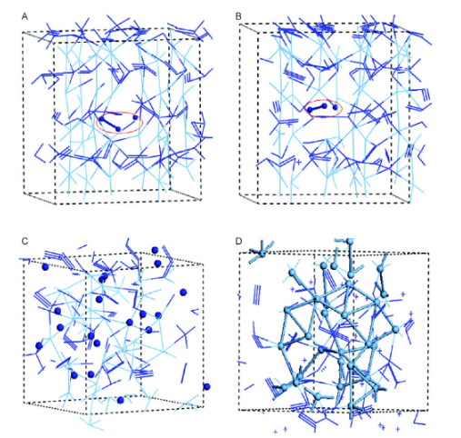 |  | A diagram labeled A, B, C, D, presents nitrogen bond ruptures, nitrogen two formation, nitrogen radicals, and a silver cluster inside three-dimensional computational cells. | The diagram presents four labels, A, B, C, and D, arranged clockwise on the top left. Each part is enclosed by a dashed box representing a three-dimensional computational cell. Label A presents a network of interlinked atoms with an oval marking two separated nitrogen atoms. Label B includes two nitrogen atoms connected by a bond and enclosed within an oval. Label C includes many unconnected nitrogen atoms, separate spheres scattered throughout the cell. Label D includes a compact structure formed by several silver atoms clustered together. Silver atoms appear like light spheres or lines, and nitrogen atoms appear like dark spheres or lines.
13 | 300 | FIG. 13.7 | Band gaps of silver azide as a function of temperature. Reprinted (adapted) with permission from W. Zhu, H. Xiao, Ab initio molecular dynamics study of temperature effects on the structure and stability of energetic solid silver azide, J. Phys. Chem. C 115 (2011) 20782. Copyright (2011) American Chemical Society. | 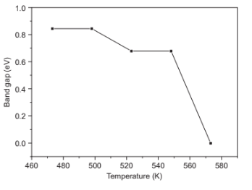 |  | A graph presents the variation in band gap values of silver azide from 480 Kelvin to 570 Kelvin, with a sharp drop near 550 Kelvin. | The graph contains a rectangular plot with temperature in Kelvin on the horizontal axis, ranging from 460 to 580 and band gap in electronvolts on the vertical axis, ranging from 0 to 1. The graph includes 5 dark square data points connected by straight lines. The plot begins near 0.8 electronvolt at 480 Kelvin and remains nearly flat through 520 Kelvin. It then gradually drops to about 0.6 and sharply falls below 0.1 electronvolt at 560 Kelvin.
13 | 301 | FIG. 13.8 | Time dependence of the total energy of DiAT. For reproduction of material from PCCP. Reproduced from Q. Wu, W. Zhu, H.Xiao,An abinitiomolecular dynamics study of thermal decomposition of 3,6-di(azido)-1,2,4,5-tetrazine, Phys. Chem. Chem. Phys. 16 (2014) 21620 with permission from the PCCP Owner Societies. | 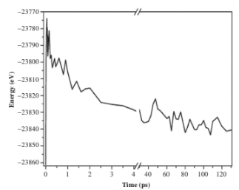 |  | A graph plots energy in electron volts against time in picoseconds, with breaks on both axes and a downward trend from left to right with fluctuations. | The graph contains a single line plotted on a rectangular chart with total energy in electronvolts on the vertical axis ranging from negative 23770 to negative 23860. Time in picoseconds is labeled on the horizontal axis from 0 to 125 with two diagonal breaks near 4 and 50 picoseconds. The line begins at a higher energy value near 0 picoseconds and sharply drops in the first few picoseconds. It continues to decline gradually with irregular fluctuations until the first axis break. After the second break, the line fluctuates more closely around a lower energy level between negative 23820 and negative 23860. No other data points or symbols are present.
13 | 302 | FIG. 13.9 | Fragment analyses during the cook-off simulation of TKX-50 as the temperature is ramped at a uniform rate of 180 K/ps from 300 to 3000 K. Reprinted (adapted) with permission from Q. An, W. Liu, W.A. Goddard III, T. Cheng, S.V. Zybin, et al., Initial steps of thermal decomposition of dihydroxylammonium 5,5’-bistetrazole-1,1’-diolate crystals from quantum mechanics, J. Phys. Chem. C 118 (2014) 27175. Copyright (2014) American Chemical Society. | 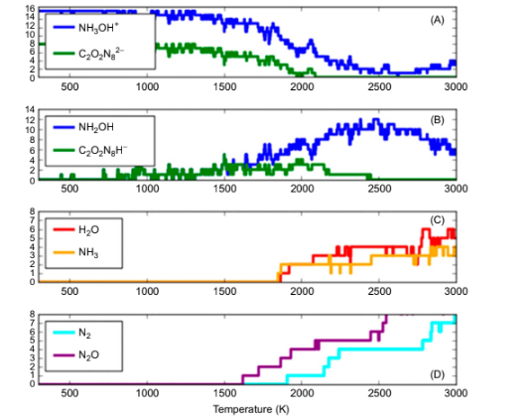 |  | A set of four graphs labeled A, B, C, and D presents the variation in fragment quantities against temperature during thermal analysis, with distinct compounds labeled in each panel. | The set of four graphs contains four rectangular graphs labeled A to D arranged vertically, with temperature in Kelvin marked on the horizontal axis from 300 to 3000 in increments. Each graph has a vertical axis labeled Quantity in arbitrary units from 0 to a maximum value between 6 and 16. Graph A includes two jagged lines labeled Hydroxylammonium and Dinitrouretetrazolate, decreasing overall with fluctuations. Graph B includes Hydroxylammonium and Nitrotetrazolate, increasing with scattered spikes. Graph C contains 2 stepwise lines labeled Water and Ammonia, which remain steady, then rise sharply near 2200. Graph D includes two stepped lines labeled Nitrogen and Dinitrogen Monoxide, increasing steeply above 2400.
13 | 303 | FIG. 13.10 | A schematic diagram of the four decomposition processes of furoxan. For reproduction of material from RSC Adv.: Reproduced from Q. Wu, W. Zhu, H. Xiao, Catalytic behavior of hydrogen radicals in the thermal decomposition of crystalline furoxan: DFT-based molecular dynamics simulations, RSC Adv. 4 (2014) 34454 with permission from The Royal Society of Chemistry. | 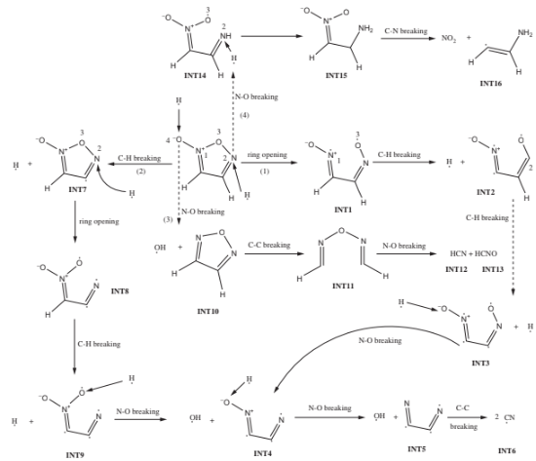 |  | A schematic diagram presents four furoxan decomposition processes with intermediates 1 through 16, arrows, bond cleavages, and products including cyanide and hydroxyl radicals. | The schematic diagram presents four decomposition processes of furoxan using numbered intermediates connected by arrows and labeled bond cleavages. Starting from the top right and moving clockwise, intermediate 14 forms intermediate 15 through nitrogen-hydrogen bond breaking, then forms intermediate 16 with nitrogen oxide three release and carbon-nitrogen bond breaking. Intermediate 14 also forms intermediate 3 through nitrogen-oxygen bond breaking. Intermediate 7 undergoes ring opening to form intermediate 8. Intermediate 8 proceeds to intermediate 9 by carbon-hydrogen bond breaking. Intermediate 9 forms intermediate 10 and hydroxyl through nitrogen-oxygen bond breaking. Intermediate 10 undergoes carbon-carbon bond breaking to form intermediate 11. Intermediate 11undergoes nitrogen oxygen bond breaking to form hydrogen cyanide and hydrogen cyanate, labeled intermediate 12 and intermediate 13. Intermediate 3 forms intermediate one by carbon-hydrogen bond breaking. Intermediate 1 converts to intermediate 2 through carbon-hydrogen bond breaking. Intermediate two forms intermediate 5 and a hydrogen radical by carbon-hydrogen bond breaking. Intermediate 5 forms intermediate 4 and a hydroxyl radical through nitrogen-oxygen bond breaking. Intermediate 4 returns to intermediate 5with another hydroxyl radical through nitrogen-oxygen bond breaking. Intermediate 5 undergoes carbon-carbon bond breaking to produce 2 cyanide molecules labeled intermediate 6.
13 | 305 | FIG. 13.11 | Time evolution of the population of the main fragments during the decomposition of the crystal TEX: N2, NO2, NO, HNCO, HOCOOH, H2O, and CO2. The thick trend lines correspond to the actual concentration data of the corresponding matching color (different shades of gray in the print version). Reproduced from D. Xiang, W, Zhu, Thermal decomposition of isolated and crystal 4,10-dinitro-2,6,8,12-tetraoxa-4,10-diazaisowurtzitane according to ab initio molecular dynamics simulations, RSC Adv. 7 (2017) 8347 with permission from The Royal Society of Chemistry. |  |  | A pair of graphs plotting percentages of T E X, nitrogen, nitrogen dioxide, nitric oxide, isocyanic acid, formic acid, water, and carbon dioxide fragments over time in picoseconds. | The pair of two graphs depicts the decomposition of the T E X crystal over time in picoseconds. The first graph plots the number of fragments in percent on the vertical axis and time in picoseconds on the horizontal axis. Seven labeled curves represent TEX, nitrogen, nitrogen dioxide, nitric oxide, isocyanic acid, formic acid, and water. T E X decreases from nearly 4 percent to nearly 0. Nitrogen increases, then stabilizes near one and a half percent. Nitrogen dioxide rises, then falls, forming a clear peak. Nitric oxide presents a gradual increase. Isocyanic acid, formic acid, and water fluctuate near low levels. Thick trendlines accompany each fragment type. The second graph presents carbon dioxide alone, plotting the number of fragments in percent versus time in picoseconds. The curve presents fluctuations with a thick trendline that rises gradually, then stabilizes near 12 percent. Both graphs have horizontal axes extending to about 120 picoseconds.
13 | 306 | FIG. 13.12 | Configurations of relaxed (A) α-HMX bulk and NPs with average diameters of (B) 1.4 nm, (C) 1.8 nm, (D) 2.2 nm, and (E) 2.8 nm. The C, H, O, and N are represented by gray, white, red (dark gray in the print version), and blue (dark gray in the print version) balls, respectively. Reprinted (adapted) with permission from Z. Liu, W. Zhu, G. Ji, K. Song, H. Xiao, Decomposition mechanisms of α-octahydro-1,3,5,7-tetranitro-1,3,5,7-tetrazocine nanoparticles at high temperatures, J. Phys. Chem. C 121 (2017) 7728. Copyright (2017) American Chemical Society. |  |  | A diagram labeled A, B, C, D, E that depicts alpha H M X bulk and nanoparticles with increasing sizes and molecular counts in three-dimensional molecular arrangements. | The diagram is labeled A, B, C, D, and E, arranged clockwise. Label A presents the bulk alpha H M X structure inside a rectangular unit cell with labeled a, b, and c axes. Multiple alpha H M X molecules stack inside the unit cell. Label B presents nanoparticles averaging 1.4 nanometers with seven molecules forming a compact cluster. Label C presents one point eight nanometer nanoparticles with fifteen molecules forming a denser and more spherical cluster. Label D presents 2.2-nanometer nanoparticles with 22 molecules forming a larger and denser cluster. Label E presents 2.8 nanometer nanoparticles with forty-two molecules forming the largest cluster with an irregular but compact arrangement. All atoms appear in spheres, with carbon, hydrogen, oxygen, and nitrogen atoms represented by distinct sphere types.
13 | 306 | FIG. 13.13 | A schematic diagram of the competing unimolecular decomposition channels for the HMX NPs. Two representative decomposition channels are listed in Channel A and one representative decomposition channel is listed in Channel B. Reprinted (adapted) with permission from Z. Liu, W. Zhu, G. Ji, K. Song, H. Xiao, Decomposition mechanisms of α-octahydro-1,3,5,7-tetranitro-1,3,5,7-tetrazocine nanoparticles at high temperatures, J. Phys. Chem. C 121 (2017) 7728. Copyright (2017) American Chemical Society. | 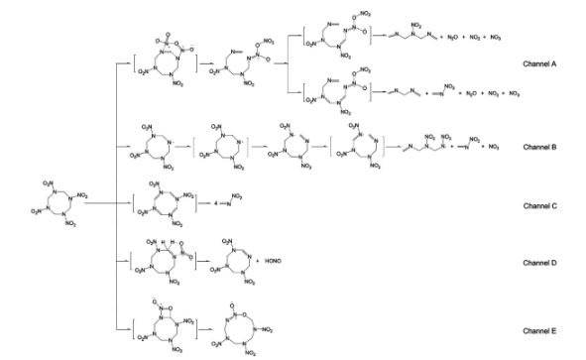 |  | A schematic diagram labeled channel A, B, C, D, E illustrates competing unimolecular decomposition channels for H M X nanoparticles. | The schematic diagram begins with the H M X molecule at the far left, from which 5 decomposition channels, labeled Channel A, B, C, D, and E, originate. Channel A presents two representative decomposition pathways. The first pathway in Channel A involves a series of transformations leading to an intermediate, which then produces water, nitrogen dioxide, and nitrogen oxide. The second pathway in Channel A also involves a series of intermediates, ultimately yielding water, nitrogen dioxide, and nitrogen oxide three. Channel B presents one representative decomposition pathway, starting from H M X and progressing through several intermediates, finally resulting in nitrogen oxide, three and two molecules of water. Channel C presents H M X transforming into an intermediate, followed by the release of nitrogen oxides. Channel D depicts H M X converting into an intermediate, which then releases H O N O. Channel E illustrates H M X transforming into an intermediate through carbon-nitrogen breaking. Each channel depicts the chemical structures of the molecules and intermediates involved in the decomposition processes.
13 | 307 | FIG. 13.14 | Time evolution of the proportion of the dominant decomposition channels of the 1.4 nm HMX NPs at different temperatures. Reprinted (adapted) with permission from Z. Liu, W. Zhu, G. Ji, K. Song, H. Xiao, Decomposition mechanisms of α-octahydro-1,3,5,7-tetranitro-1,3,5,7-tetrazocine nanoparticles at high temperatures, J. Phys. Chem. C 121 (2017) 7728. Copyright (2017) American Chemical Society. | 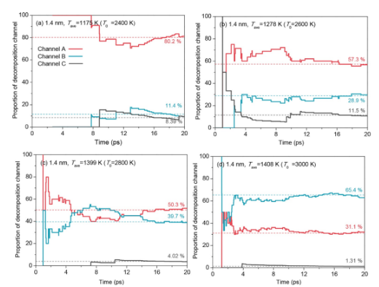 |  | A set of four graphs labeled a, b, c, and d compares 3 curves for decomposition channel proportion versus time in picoseconds at four different temperatures for 1.4-nanometer H M X nanoparticles. | The set of four graphs labeled a, b, c, and d contains four separate graphs arranged in two rows, each graph plotting the proportion of decomposition channel on the vertical axis and time in picoseconds on the horizontal axis. Graph one represents 1178 Kelvin, graph two represents 1278 Kelvin, graph three represents 1398 Kelvin, and graph four represents 1488 Kelvin. Three distinct curves labeled channel A, channel B, and channel C appear in each graph. In each graph, channel A starts high, fluctuates, and then stabilizes near the upper or middle range. Channel B generally remains lower, fluctuates slightly, and stabilizes toward the lower region. Channel C remains minimal across time. Horizontal dashed lines intersect curves marking approximate final proportions. Each graph contains labels showing percentage values for major decomposition channels at the final time point. Axes in all graphs are uniformly scaled with time extending from 0 to 20 picoseconds.
13 | 309 | FIG. 13.15 | Time evolution of the position <zc(t)> of the combustion fronts for the Al/CuO nanothermite at (A) 830, (B) 1000, (C) 2000, and (D) 3000 K. Reproduced from G. Xiong, C. Yang, W. Zhu, Interface reaction processes and reactive properties of Al/CuO nanothermite: an ab initio molecular dynamics simulation, Appl. Surf. Sci. 459 (2018) 835 with permission from Elsevier. | 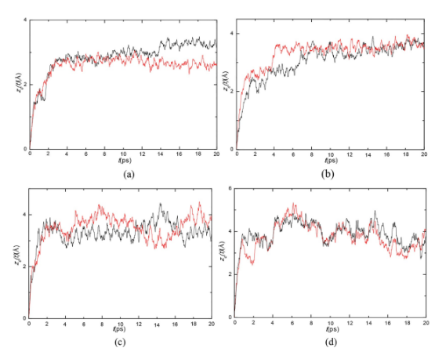 |  | A set of four graphs labeled a, b, c, and d with two fluctuating curves in each graph plotting combustion front position against time at 830, 1000, 2000, and 3000 Kelvin. | The set of four graphs labeled a, b, c, d, arranged in two rows, each presenting the evolution of combustion front position labeled z subscript c in nanometers on the vertical axis versus time in picoseconds on the horizontal axis. Graph a at the top left represents 830 Kelvin, graph b at the top right represents 1000 Kelvin, graph c at the bottom left represents 2000 Kelvin, and graph d at the bottom right represents 3000 Kelvin. Each graph contains two fluctuating curves, one dark and one light, representing 2 measurement sets. Curves in all four graphs rise steeply at the start, stabilize with irregular oscillations, and spread horizontally across the entire time scale. The horizontal axis extends from 0 to 20 picoseconds in all graphs. The vertical axes show increasing trends toward the middle of each graph before leveling off with fluctuations. The general shape and fluctuations vary slightly between the four graphs based on temperature. Labels a, b, c, and d appear below each graph, respectively.
13 | 309 | FIG. 13.16 | Interfacial reaction process of the Al/CuO nanolaminate observed at different times during the AIMD simulations. Reproduced from G. Xiong, C. Yang, S. Feng, W. Zhu, Ab initio molecular dynamics studies on the transport mechanisms of oxygen atoms in the adiabatic reaction of Al/CuO nanothermite, Chem. Phys. Lett. 745 (2020) 137278. with permission from Elsevier. | 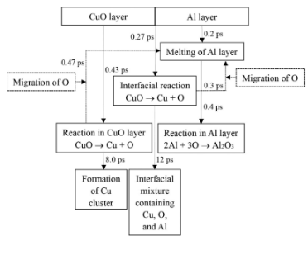 |  | A schematic diagram presents layered copper oxide and aluminum structures with arrows indicating melting, reactions, oxygen migration, and product formation at specific times. | The schematic diagram presents a copper oxide layer on the left and an aluminum layer on the right. Arrows indicate the melting of aluminum at 0.2 picoseconds, copper oxide reacting to form copper and oxygen at 0.43 picoseconds, oxygen migration from both layers, aluminum reacting with oxygen to form aluminum oxide, copper cluster forming at 8 picoseconds, and an interfacial mixture forming at 12 picoseconds.
13 | 311 | FIG. 13.17 | Potential energy evolution of LLM-105 heated in a programmed manner from 300 to 1700 K, heated constantly at 1700 K for 5 ps, and annealed to 300 K. Reprinted (adapted) with permission from J. Wang, Y. Xiong, H. Li, C. Zhang, Reversible hydrogen transfer as new sensitivity mechanism for energetic materials against external stimuli: a case of the insensitive 2,6-dDiamino3,5-dinitropyrazine-1-oxide, J. Phys. Chem. C 122 (2018) 1109. Copyright (2018) American Chemical Society | 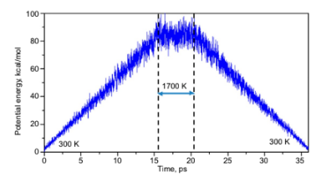 |  | A graph with potential energy in kilocalories per mole on the vertical axis and time in picoseconds on the horizontal axis presents a triangular curve peaking between two dashed lines. | The graph contains a horizontal axis labeled time in picoseconds extending from 0 to 35 and a vertical axis labeled potential energy in kilocalories per mole extending from 0 to 100. A contour fluctuating curve starts at zero energy near zero time, rises steadily, forming a triangular shape, peaks slightly above ninety kilocalories per mole between 15 and 20 picoseconds, and then descends symmetrically back toward 0 energy near 35 picoseconds. Two vertical dashed lines mark a region between 15 and 20 picoseconds, indicating the period labeled 1700 Kelvin. Text labels mark three hundred Kelvin at the start and end of the curve. A horizontal line with arrows points across the dashed lines, indicating the temperature span during the peak region. The curve presents minor fluctuations superimposed on its general triangular trend.
13 | 311 | FIG. 13.18 | Reaction mechanism for TATB thermal decomposition. For reproduction of material from NJC. Reproduced from Z. He, Y. Yu, Y. Huang, J. Chen, Q. Wu, Reaction kinetic properties of 1,3,5-triamino-2,4,6-trinitrobenzene: a DFTB study of thermal decomposition, New Journal of Chemistry 43 (2019) 18027 with permission from the Centre National de la Recherche Scientifique (CNRS) and The Royal Society of Chemistry. | 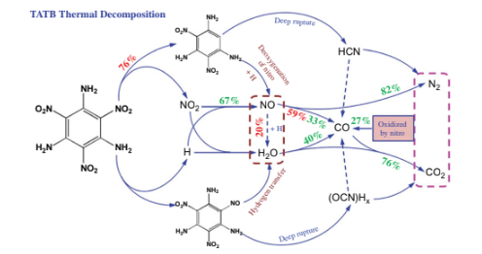 |  | A schematic diagram presents the reaction mechanism for T A T B thermal decomposition. | The schematic diagram begins with T A T B, or 2, 4, 6 triamino 1, 3, 5 trinitrobenzene, the central molecule. From T A T B, several reaction pathways originate. One pathway leads to nitrogen dioxide, with a seventy-four percent yield, and also to a denitrogenation product. Another pathway from T A T B produces hydrogen radicals, with a 75 percent yield, and another denitrogenation product. Hydrogen radicals also contribute to water formation through hydrogen transfer. Nitrogen dioxide also contributes to water formation. Both nitrogen dioxide and hydrogen radicals also contribute to the formation of nitrogen oxides. Nitrogen oxide transforms into carbon monoxide, with 33 percent and thirty-nine percent yields, and also into nitrogen, with a twenty percent yield. Carbon monoxide transforms into nitrogen with an 82 percent yield and into carbon dioxide with a 76 percent yield. Nitrogen and carbon dioxide are enclosed in a dashed box, indicating they are products of oxidation by nitrous species. There is also a pathway from T A T B that undergoes deep rupture, leading to hydrogen cyanide. Hydrogen cyanide also converts into nitrogen. Another deep rupture pathway from T A T B leads to O C N H 2, which converts into carbon dioxide.
13 | 312 | FIG. 13.19 | Evolution process of the conformation from α-HMX to β-HMX in the HMX/DMF cocrystal at 2000 K. Reprinted (adapted) with permission from X. Wu, Z. Liu, W. Zhu, Conformational changes and decomposition mechanisms of HMX-based cocrystal explosives at high temperatures, J. Phys. Chem. C 124 (2020) 25. Copyright (2020) American Chemical Society. | 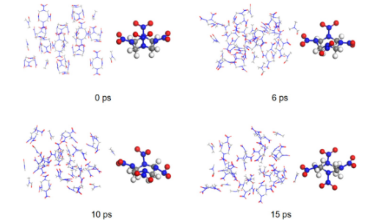 |  | A molecular diagram presents four panels with alpha H M X clusters on the left and a beta H M X molecule on the right at 0, 6, 10 and 15 picoseconds. | The molecular diagram presents four panels arranged in two rows and two columns, labeled 0,6,10, and 15 picoseconds moving clockwise. Each panel includes a group of alpha H M X molecules on the left and one beta H M X molecule on the right. In panel one at zero picoseconds, alpha H M X molecules form a tightly packed and ordered cluster, and the beta H M X molecule appears like a distinct, separate structure. In panel two at six picoseconds, the alpha H M X cluster appears less ordered with increased spacing between molecules, while the beta H M X molecule remains unchanged. In panel three at ten picoseconds, alpha H M X molecules appear more dispersed throughout the area, and the beta H M X molecule retains its original form. In panel four at fifteen picoseconds, alpha H M X molecules spread further into a loosely packed, highly disordered structure with no visible clustering, and the beta H M X molecule stays intact. All atoms appear like spheres, with carbon atoms being the largest, nitrogen atoms being medium-sized, oxygen atoms being slightly smaller, and hydrogen atoms being the smallest. Each panel presents a three-dimensional molecular arrangement without structural overlap.
13 | 313 | FIG. 13.20 | Two competing reaction mechanisms between the HMX and DMF molecules (A) and between the HMX and DNDAP molecules (B) at 3000 K. Reprinted (adapted) with permission from X. Wu, Z. Liu, W. Zhu, Conformational changes and decomposition mechanisms of HMX-based cocrystal explosives at high temperatures, J. Phys. Chem. C 124 (2020) 25. Copyright (2020) American Chemical Society. | 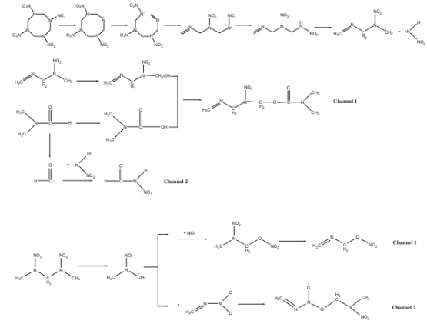 |  | A schematic diagram presents two competing reaction mechanisms between H M X and D M F molecules and between H M X and D N D A P molecules at 3000 Kelvin. | The schematic diagram presents two distinct reaction mechanisms. The top mechanism illustrates reactions between H M X and D M F molecules. It begins with a cyclic H M X molecule undergoing a series of transformations, gradually breaking its ring structure and forming linear intermediates. The final step in this upper pathway results in a linear molecule and a nitrogen oxide two radical. Below this, there are two channels. Channel one branches off from an intermediate, presenting a reaction with dimethylformamide, abbreviated D M F, leading to another linear intermediate. The second channel, Channel two, presents an intermediate reacting with nitrogen oxide two to form two separate molecules. The bottom mechanism details reactions between H M X and D N D A P molecules. It starts with a molecule undergoing transformation to form another intermediate. From this intermediate, two channels branch off. Channel one presents a reaction with nitrogen oxide three, resulting in a linear molecule and subsequent transformation into another linear molecule. Channel two illustrates a reaction with nitrogen oxide and nitrogen dioxide, leading to a linear molecule and then further transformation into two other distinct molecules. Each step in the mechanisms depicts the chemical structures of the involved molecules and intermediates.
13 | 315 | FIG. 13.21 | Initial decomposition mechanisms of HMX under coupling effects of different temperatures (534–873 K) and pressures (1–20 GPa). Gray, white, red (dark gray in the print version), and blue (dark gray in the print version) spheres stand for carbon, hydrogen, oxygen, and nitrogen atoms, respectively. For reproduction of material from PCCP. Reproduced from Q. Wu, G. Xiong, W. Zhu, H. Xiao, How does low temperature coupled with different pressures affect initiation mechanisms and subsequent decompositions in nitramine explosive HMX? Phys. Chem. Chem. Phys. 17 (2015) 22823 with permission from the PCCP Owner Societies. |  |  | A molecular reaction presents the initial decomposition mechanisms of H M X. | The molecular reaction presents the initial decomposition mechanisms of H M X under the coupling effects of different temperatures and pressures. Dark spheres stand for carbon atoms. White spheres stand for hydrogen atoms. Dark spheres stand for oxygen atoms. Dark spheres stand for nitrogen atoms. The diagram presents H M X on the left side. The diagram presents I N T 1 in the middle. The diagram presents I N T 2 on the right side. A C H breaking present between H M X and I N T 1. Homolysis of N N O subscript 2 is present between I N T 1 and I N T 2.
13 | 315 | FIG. 13.22 | Hydrogen induced two initial decomposition paths of HMX under coupling effects of different temperatures (534–873 K) and pressures (1–20 GPa). For reproduction of material from PCCP. Reproduced from Q. Wu, G. Xiong, W. Zhu, H. Xiao, How does low temperature coupled with different pressures affect initiation mechanisms and subsequent decompositions in nitramine explosive HMX? Phys. Chem. Chem. Phys. 17 (2015) 22823 with permission from the PCCP Owner Societies. | 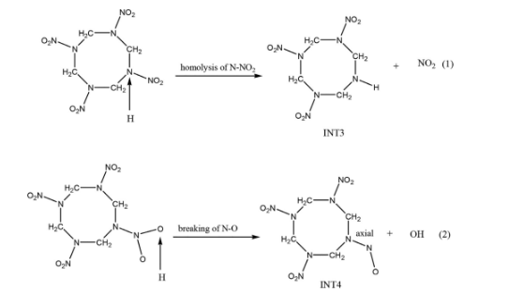 |  | A reaction scheme presents two hydrogen-induced decomposition paths of H M X with two rows of molecules, each with a central eight-membered ring, arrows, and products labeled clockwise. | The reaction scheme presents two hydrogen-induced decomposition paths of H M X under the effects of different temperatures and pressures. The top row contains a molecule with a central eight-membered ring made of carbon, nitrogen, oxygen, and hydrogen on the left, an arrow in the center, and I N T 3 with nitrogen dioxide and one on the right. The bottom row contains a similar molecule on the left, an arrow in the center, and I N T 4 with hydroxyl and two on the right.
13 | 316 | FIG. 13.23 | Three different ring opening mechanisms of HMX under coupling effects of different temperatures (534–873 K) and pressures (1–20 GPa). For reproduction of material from PCCP. Reproduced from Q. Wu, G. Xiong, W. Zhu, H. Xiao, How does low temperature coupled with different pressures affect initiation mechanisms and subsequent decompositions in nitramine explosive HMX? Phys. Chem. Chem. Phys. 17 (2015) 22823 with permission from the PCCP Owner Societies. | 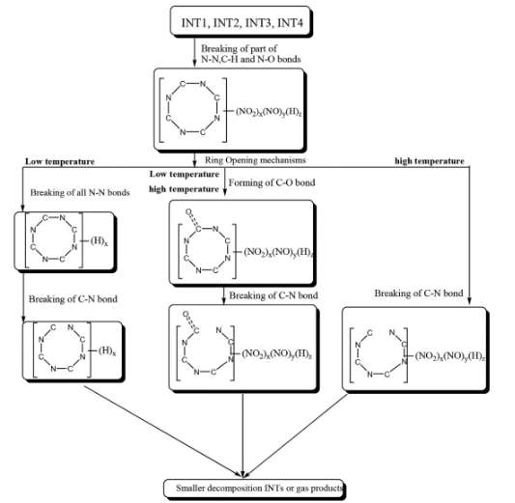 |  | A reaction scheme presents three ring-opening mechanisms of H M X, with labeled paths that present molecular structures, bond-breaking steps, and final products arranged in a downward layout. | The reaction scheme presents three ring-opening mechanisms of H M X under different temperatures and pressures. I N T 1, I N T 2, I N T 3, and I N T 4 appear at the top. A box states the breaking of part of the nitrogen, carbon, hydrogen, and oxygen bonds, with a molecular structure below. An arrow leads to a ring-opening mechanism box. Three downward paths follow, each with labeled steps and structures, ending in smaller decomposition intermediates or gas products.
13 | 317 | FIG. 13.24 | Forming mechanisms of the first furoxan and fuxazan rings in the decomposition of TATB. Reprinted (adapted) with permission from Q. Wu, H. Chen, G. Xiong, W. Zhu, H. Xiao, Decomposition of a 1,3,5-triamino2,4,6-trinitrobenzene crystal at decomposition temperature coupled with different pressures: an ab initio molecular dynamics study, J. Phys. Chem. C 119 (2015) 16500. Copyright (2015) American Chemical Society. | 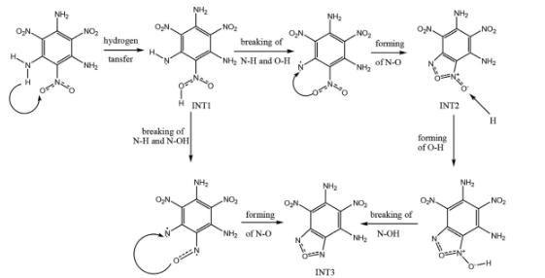 |  | A reaction scheme presents forming mechanisms of furoxan and fuxazan rings in T A T B decomposition through labeled steps with arrows connecting molecular structures and intermediates. | The reaction scheme presents the forming mechanisms of the first furoxan and fuxazan rings in T A T B decomposition. On the top left, a molecular structure with a benzene ring, nitro, and amino groups appears. An arrow labeled hydrogen transfer points to I N T 1. From I N T 1, arrows labeled breaking of nitrogen, hydrogen and oxygen, forming of nitrogen and oxygen, and forming of oxygen and hydrogen lead to I N T 2. On the bottom left, a similar structure leads to I N T 3 through the breaking of nitrogen-hydrogen and nitrogen-hydroxyl, forming nitrogen-oxygen, and the breaking of nitrogen-hydroxyl.
13 | 317 | FIG. 13.25 | Pressure effects on the decomposition of TATB at decomposition temperature. Reprinted (adapted) with permission from Q. Wu, H. Chen, G. Xiong, W. Zhu, H. Xiao, Decomposition of a 1,3,5-triamino-2,4,6-trinitrobenzene crystal at decomposition temperature coupled with different pressures: an ab initio molecular dynamics study, J. Phys. Chem. C 119 (2015) 16500. Copyright (2015) American Chemical Society. | 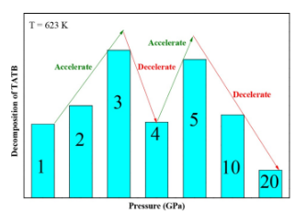 |  | A bar chart presents pressure effects on T A T B decomposition at 623 Kelvin with seven bars labeled by pressure values and arrows labeled accelerate or decelerate between bar tops. | The bar chart presents pressure effects on the decomposition of T A T B at a temperature of 623 Kelvin. The vertical axis is labeled decomposition of T A T B, and the horizontal axis is labeled pressure in GigaPascals. There are 7 vertical bars arranged from left to right. The first bar is labeled one and has a medium height. The second bar is labeled 2 and is taller. An upward arrow labeled accelerate points from the top of the 1 bar to the top of the 2 bar. The third bar is labeled three and is the tallest. Another upward arrow labeled accelerate points from the 2 to the 3. The fourth bar is labeled 4 and is shorter. A downward arrow labeled decelerate points from the third to the fourth. The fifth bar is taller than the 4 and is labeled 5. An upward arrow labeled accelerate connects the 4 to the 5. The 6 bar is labeled 10 and is shorter. The seventh bar is labeled 20 and is the shortest. Downward arrows labeled decelerate point from 5 to 10 and from 10 to 20.
13 | 319 | FIG. 13.26 | The process (A) and snapshots (B) of the bimolecular intermolecular hydrogen transfer during the decomposition of DNAFF. For reproduction of material from PCCP: Reproduced from Q. Wu, W. Zhu, H. Xiao, Cooperative effects of different temperatures and pressures on the initial and subsequent decomposition reactions of the nitrogen-rich energetic crystal 3,30 -dinitroamino-4,40 -azoxyfurazan, Phys. Chem. Chem. Phys. 18 (2016) 7093 with permission from the PCCP Owner Societies. | 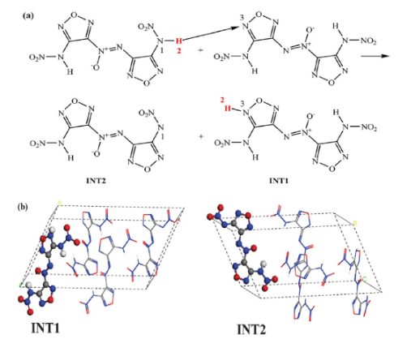 |  | A diagram labeled a, b presents the bimolecular intermolecular hydrogen transfer during the decomposition of D N A F F. | The diagram labeled a, b presents the bimolecular intermolecular hydrogen transfer during the decomposition of D N A F F. Part a of the diagram presents chemical reactions. The top row of part A presents a molecule on the left, an arrow pointing to the right indicating a hydrogen transfer, and two resulting molecules on the right. The bottom row of part a presents two molecules, labeled I N T 2 on the left and I N T 1 on the right. Part B of the diagram presents 3-dimensional snapshots. On the left side of part B, a 3-dimensional molecular structure is present within a box, labeled I N T 1. On the right side of part b, another 3-dimensional molecular structure is present within a box, labeled I N T 2. The structures consist of spheres representing atoms and lines representing bonds.
13 | 320 | FIG. 13.27 | The process (A) and snapshots (B) of the unimolecular NdNO2 bond breaking during the decomposition of DNAFF. For reproduction of material from PCCP: Reproduced from Q. Wu, W. Zhu, H. Xiao, Cooperative effects of different temperatures and pressures on the initial and subsequent decomposition reactions of the nitrogen-rich energetic crystal 3,30 -dinitroamino-4,40 -azoxyfurazan, Phys. Chem. Chem. Phys. 18 (2016) 7093 with permission from the PCCP Owner Societies. | 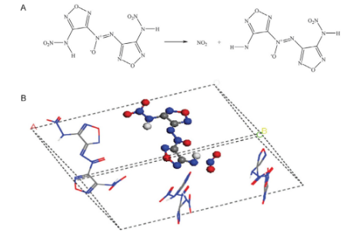 |  | A diagram labeled A and B presents a reaction and crystal structure of D N A F F with bond breaking, product formation, and scattered molecular fragments inside a 3-dimensional lattice. | The diagram labeled A and B presents unimolecular nitrogen nitrogen dioxide bond breaking during D N A F F decomposition. Part A presents a chemical reaction with a molecule on the left containing two furazan rings linked by an azoxy group and nitroamino substituents. An arrow points to the products on the right, which include nitrogen dioxide and a modified molecule missing one nitro group. Part B presents a 3-dimensional crystal lattice with a central large molecular structure surrounded by smaller fragments, including nitrogen dioxide in a plane.
13 | 320 | FIG. 13.28 | Pressure effects on the decomposition of DNAAF at different temperatures. For reproduction of material from PCCP: Reproduced from Q. Wu, W. Zhu, H. Xiao, Cooperative effects of different temperatures and pressures on the initial and subsequent decomposition reactions of the nitrogen-rich energetic crystal 3,30 -dinitroamino-4,40 -azoxyfurazan, Phys. Chem. Chem. Phys. 18 (2016) 7093 with permission from the PCCP Owner Societies. | 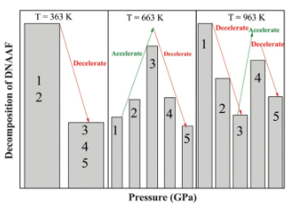 |  | A bar chart presents pressure effects on D N A A F decomposition at three temperatures, with bars grouped by temperature and arrows labeled accelerate or decelerate between bar tops. | The bar chart presents pressure effects on the decomposition of D N A A F at three temperatures. The vertical axis is labeled decomposition of D N A A F, and the horizontal axis is labeled pressure in GigaPascals. The chart has 3 sections. The first section, labeled T equals 363 Kelvin, contains two bars. The first bar is very tall and labeled 1 and 2. The second bar is shorter and labeled 3, 4, and 5. A downward arrow labeled decelerate connects their tops. The second section, labeled T equals 663 Kelvin, contains five bars labeled 1 through 5. The bar height increases from 1 to 3 and then decreases. Upward arrows labeled accelerate connect bars 1 to 2 and 2 to 3. Downward arrows labeled decelerate connect bars 3 to 4 and 4 to 5. The third section, labeled T equals 963 Kelvin, contains 5 bars labeled 1 through 5. The bar height decreases from 1 to 3, increases at 4, and decreases again at 5. Upward arrows labeled accelerate connect bars three to four. Downward arrows labeled decelerate connect bars 1 to 2, 2 to 3, and 4 to 5.
13 | 321 | FIG. 13.29 | Snapshots before, during, and after initiation decomposition of PETN. Carbon, oxygen, and hydrogen atoms are represented by gray, red (dark gray in the print version), and white spheres, respectively. Reproduced from Q. Wu, D. Xiang, G. Xiong, W. Zhu, H. Xiao, Coupling of temperature with pressure induced initial decomposition mechanisms of two molecular crystals: an ab initio molecular dynamics study, J. Chem. Sci. 128 (2016) 695 with permission from Springer Nature. | 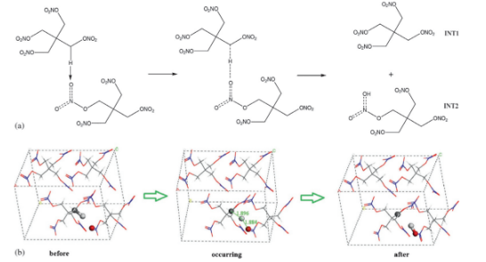 |  | A diagram labeled a and b presents P E T N decomposition with chemical structures and 3-dimensional snapshots labeled before, occurring, and after, depicting molecular changes in a crystal lattice. | The diagram labeled a and b presents snapshots before, during, and after the initiation decomposition of P E T N. Part a presents chemical structures with two interacting molecules on the left, hydrogen bonding marked by dashed lines. The middle shows stronger interaction. The right shows two separate molecules labeled I N T 1 and I N T 2. Part B presents 3-dimensional snapshots of a crystal lattice. The first is labeled before with packed molecules. The second is labeled occurring with atoms in motion and distance labels. The third is labeled with an altered molecular arrangement.
13 | 322 | FIG. 13.30 | Snapshots before, during, and after the initiation of the decomposition of NTO through NdH⋯O (A and B) and N⋯H⋯N (C and D) intermolecular hydrogen transfer. Nitrogen, oxygen, and hydrogen atoms are represented by blue (dark gray in the print version), red (gray in the print version), and white spheres, respectively. Reproduced from Q. Wu, D. Xiang, G. Xiong, W. Zhu, H. Xiao, Coupling of temperature with pressure induced initial decomposition mechanisms of two molecular crystals: an ab initio molecular dynamics study, J. Chem. Sci. 128 (2016) 695 with permission from Springer Nature. | 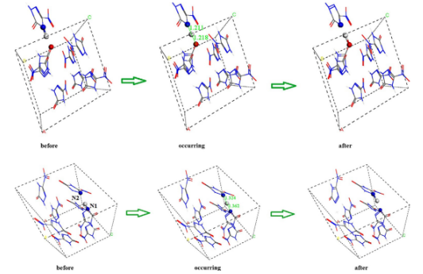 |  | A diagram includes 6 three-dimensional molecular structures in 2 rows that track atomic shifts labeled before, occurring, and after with angle values and atom labels. | The diagram contains six three-dimensional molecular structures arranged in 2 rows and 3 columns, enclosed in dotted cube frames. The top row is labeled clockwise before, occurring, and after. Each structure contains a periodic lattice of atoms with spheres connected by sticks. In the original structure, a dark sphere labeled H is located between the atoms. In the occurring structure, a measurement label 21.8 degrees appears above the H atom, which shifts position within the lattice. The after structure presents the H atom moved to a new location along the molecular framework. The second row also includes 3 stages labeled clockwise before, occurring, and after. In the before frame, an H atom lies between atoms labeled N 2 1 and O 1. In the occurring frame, the angle label 18.8 degrees appears, indicating the H atom moves away from N 2 1. In the after frame, the H atom aligns more closely to the O 1 atom, while the rest of the molecular lattice remains largely unchanged. Each structure retains a similar unit cell orientation, with arrows pointing from left to right to indicate the directional sequence of transition. The labels below each column indicate the stages before, during, and after. The sticks connecting the atoms form a repeating three-dimensional network consistent across all 6 structures. Each atom is represented by a distinct sphere, and the positions of atoms remain consistent aside from the central H atom in each sequence. The spatial perspective and box orientation are similar in all frames to allow direct comparison of atomic motion.
13 | 323 | FIG. 13.31 | Forming mechanism (A) and snapshots (B) of furoxan rings during the decomposition of FOX-7. Reproduced from G. Xiong, W. Zhu, Coupling effects of high temperature and pressure on the decomposition mechanisms of 1,1-diamino-2,2-dinitroehethe crystal: Ab initio molecular dynamics simulations. J. Chin. Chem. Soc. 67 (2020) 1571–1578 with permission from John Wiley and Sons. | 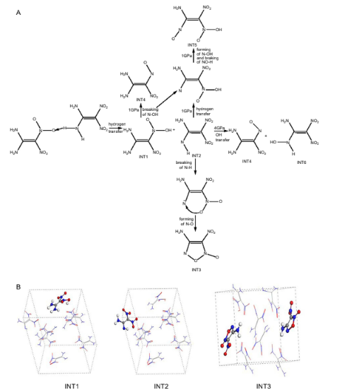 |  | A diagram labeled A and B presents the forming mechanism and snapshots of furoxan rings in F O X 7 decomposition with reaction pathways and crystal structures labeled I N T 1, I N T 2, and I N T 3. | The diagram labeled A and B presents the formation mechanism and snapshots of furoxan rings during the decomposition of F O X 7. Part A features chemical structures and reaction arrows. At the top, a F O X 7 molecule undergoes hydrogen transfer, forming another molecule. This molecule follows two pathways: one involves the breaking of carbon-nitrogen and carbon-carbon bonds, leading to the formation of smaller molecules, while the other pathway results in the formation of a furoxan ring and the cleavage of a carbon-carbon bond, producing molecules including I N T 3. Part B presents three three-dimensional snapshots labeled I N T 1, I N T 2, and I N T 3, each depicting molecular arrangements within dashed boxes, with spheres representing atoms and lines indicating bonds.
13 | 324 | FIG. 13.32 | Initial decomposition mechanism of DBTD at high temperatures (2000 and 3842 K) and at detonation pressure 34.2 GPa coupled with different temperatures (298.15, 2000, and 3842 K). Reproduced from D. Xiang, W. Zhu, H. Xiao, Thermal decomposition mechanisms of energetic ionic crystal dihydrazinium 3,30-dinitro-5,50-bis-1,2,4-triazole1,1-diolate: an ab initio molecular dynamics study, Fuel 202 (2017) 246 with permission from Elsevier. |  |  | A reaction scheme presents the initial decomposition mechanism of D B T D with molecular structures, arrows indicating transitions, and products arranged in a clockwise sequence. | The reaction scheme illustrates the initial decomposition mechanism of D B T D at high temperatures and detonation pressures, along with varying temperatures. On the left, there is a chemical structure of a cyclic molecule containing nitro groups and a negative charge. Below it, N H 2 N H 3 is depicted. An arrow labeled N H points to the right, leading to an intermediate structure labeled I N T 1, next to N H subscript 2 N H subscript 2 and a hydrogen atom. Another arrow labeled hydrogen transfer points further to the right, resulting in a final structure labeled I N T 2, next to N H subscript 2 N H subscript 2.
13 | 325 | FIG. 13.33 | Subsequent decomposition process of DBTD at (A) 3842 K coupled with 34.2 GPa, (B) 3842 K, (C) 2000 K coupled with 34.2 GPa, (D) 2000 K. Reproduced from D. Xiang, W. Zhu, H. Xiao, Thermal decomposition mechanisms of energetic ionic crystal dihydrazinium 3,30-dinitro-5,50-bis-1,2,4-triazole-1,1-diolate: an ab initio molecular dynamics study, Fuel 202 (2017) 246 with permission from Elsevier. | 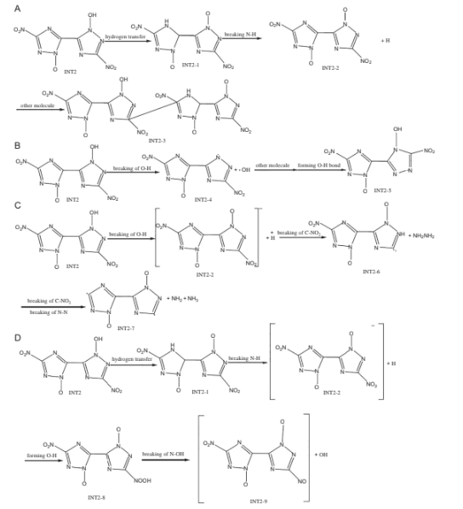 |  | A reaction scheme labeled A, B, C, D presents the subsequent decomposition process of D B T D with molecular structures, arrows, and products arranged in a clockwise order. | The reaction scheme labeled A, B, C, D presents the subsequent decomposition process of D B T D under varying temperatures and pressures across four sections labeled A, B, C, and D. Section A begins with I N T 2, leading to I N T 2 1, I N T 2 2, and another molecule through hydrogen transfer and the cleavage of carbon-nitrogen dioxide bonds. Section B contains I N T 2 forming I N T 2 3, then I N T 2 1 through carbon-oxygen bond breaking of carbon-oxygen bonds and autoionization. Section C starts with I N T 2 leading to I N T 2 4 and nitrogen dioxide, then I N T 2 1 and hydrazine through the breaking of carbon-hydrogen, carbon-nitrogen, and nitrogen-hydrogen bonds. Section D includes I N T 2 forming I N T 2 1 and I N T 2 5 through hydrogen transfer and the cleavage of the carbon-nitrogen dioxide bond, and also I N T 2 6 with a hydroxyl group.
13 | 326 | FIG. 13.34 | Initial decomposition mechanisms of the CL-20 molecules in the crystal at 3000 K coupled with 44.5 GPa. Reproduced from D. Xiang, Q. Wu, W. Zhu, Ab initio molecular dynamics studies on the decomposition mechanisms of CL-20 crystal under extreme conditions, Chin. J. Energ. Mater. 26 (2018) 59. | 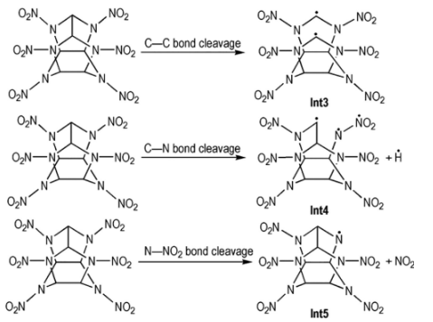 |  | A diagram presents initial decomposition mechanisms of C L 20 with three rows of molecular structures showing C C, C N, and N N O 2 bond cleavages and products labeled Int 3, Int 4, and Int 5. | The diagram presents initial decomposition mechanisms of the C L 20 molecules in the crystal at 3000 Kelvin and 44.5 GigaPascals. It contains three rows of chemical reactions. The top row presents a cage-structured molecule with nitro groups undergoing carbon-carbon bond cleavage, forming Int3. The middle row presents a similar molecule undergoing carbon-nitrogen bond cleavage, forming Int4 and a hydrogen atom. The bottom row presents another similar molecule undergoing nitrogen-nitrogen dioxide bond cleavage, forming Int5 and nitrogen dioxide. Arrows connect structures in each row from left to right in a clockwise direction.
13 | 327 | FIG. 13.35 | Subsequence decomposition mechanisms of CL-20 at 3000 K coupled with 44.5 GPa. Reproduced from D. Xiang, Q. Wu, W. Zhu, Ab initio molecular dynamics studies on the decomposition mechanisms of CL-20 crystal under extreme conditions, Chin. J. Energ. Mater. 26 (2018) 59. | 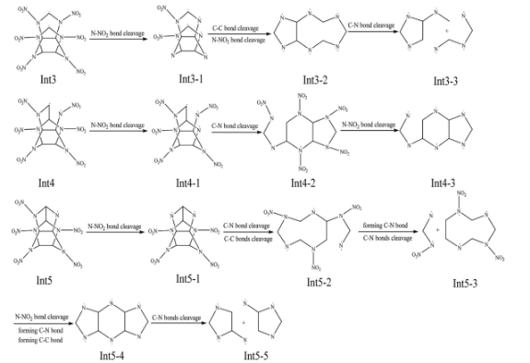 |  | A diagram with 4 rows of C L 20 decomposition pathways with molecular structures and transitions labeled I N T 3 to I N T 3 3, I N T 4 to I N T 4 3, I N T 5 to I N T 5 3, and I N T 5 4 to I N T 5 5. | The diagram shows the subsequence decomposition mechanisms of C L 20 at 3000 Kelvin and 44.5 GigaPascals, organized into four rows. The first row begins with I N T 3, which undergoes nitrogen-nitrogen dioxide bond cleavage to form I N T 31, followed by carbon-nitrogen bond cleavages forming I N T 32 and I N T 33. The second row starts with I N T 4, which also undergoes nitrogen-nitrogen dioxide bond cleavage to form I N T 41, followed by carbon-nitrogen bond cleavage, forming I N T 42 and further nitrogen-nitrogen dioxide bond cleavage forming I N T 3. The third row begins with I N T 5, leading to I N T 5 1 through nitrogen-nitrogen dioxide and carbon-carbon bond cleavages, and then to I N T 5 2 and I N T 5 3 through carbon-nitrogen and carbon-carbon bond transformations. The fourth row shows I N T 5-4 forming I N T 5 5 through nitrogen-nitrogen dioxide bond cleavage, carbon-nitrogen bond formation, and carbon-carbon bond formation.
13 | 327 | FIG. 13.36 | Initial decomposition mechanisms of α-RDX crystal at high temperature 3000 K coupled with detonation pressure 34.2 GPa. Reproduced from D. Xiang, Q. Wu, W. Zhu, Decomposition mechanisms of crystalline α-RDX under high temperature coupled with detonation pressure from ab initio molecular dynamics simulations, Chin. J. Energ. Mater. 26 (2018) 477. |  |  | A reaction presents the initial decomposition mechanisms of the alpha R D X crystal. | The reaction presents the initial decomposition mechanisms of alpha R D X crystal at a high temperature of 3000 Kelvin, coupled with a detonation pressure of 34.2 GigaPascals. On the left is a molecular structure with dark and different contour spheres connected by lines. An arrow points to the right, labeled breaking of C-H Bond. In the middle, the molecular structure shows one C-H bond broken, with a hydrogen atom detached. Another arrow points to the right, labeled C-N Bond. On the right, the molecular structure depicts a broken C-N bond, with distances clearly labeled.
13 | 328 | FIG. 13.37 | Three subsequent decomposition paths after the initiation of α-RDX crystal. Reproduced from D. Xiang, Q. Wu, W. Zhu, Decomposition mechanisms of crystalline α-RDX under high temperature coupled with detonation pressure from ab initio molecular dynamics simulations, Chin. J. Energ. Mater. 26 (2018) 477. | 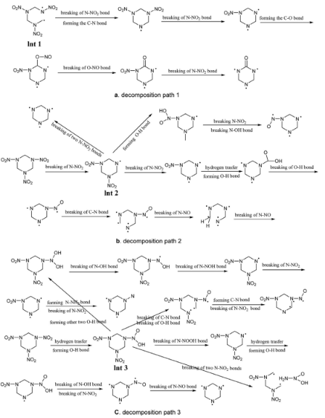 |  | A diagram presents three decomposition paths of the alpha R D X crystal with molecular structures and labeled steps involving bond breaking and forming, arranged in a clockwise layout. | The diagram presents three sequential decomposition pathways following the initiation of the alpha R D X crystal, organized into 3 sections labeled Decomposition Path One, Decomposition Path Two, and Decomposition Path Three. Path One begins with a molecule labeled I N T one that undergoes the breaking of carbon-nitrogen bonds and the formation of carbon-hydrogen bonds. This process leads to an intermediate structure that subsequently experiences further carbon-nitrogen bond cleavage, resulting in the formation of a cyclic molecule. Path Two starts with a molecule labeled I N T two that undergoes the breaking of carbon-hydrogen bonds, followed by the cleavage of nitrogen-nitrogen dioxide bonds, forming an intermediate. This is then followed by the breaking of carbon-nitrogen-oxygen bonds. Path Three begins with a molecule labeled I N T three. It branches into multiple directions, involving the breaking of nitrogen-oxygen bonds, carbon-nitrogen bond cleavage, hydrogen transfer, and the breaking of nitrogen-nitrogen dioxide bonds. Each reaction step includes molecular structures with arrows arranged in a clockwise order.
13 | 329 | FIG. 13.38 | Initial decomposition mechanisms of NHN at 518 K and 518 K coupled with 1, 2, and 3 GPa. The distance is in A˚ . Reproduced from D. Xiang, W. Zhu, Thermal decomposition of energetic MOFs nickel hydrazine nitrate crystals from an ab initio molecular dynamics simulation, Comput. Mater. Sci. 143 (2018) 170 with permission from Elsevier. | 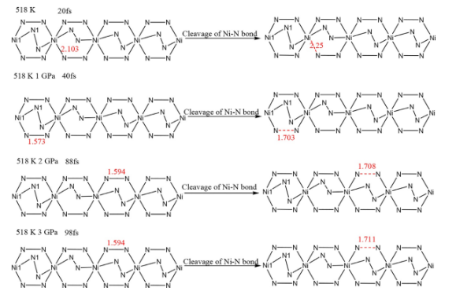 |  | A reaction presents four rows of N H N decomposition at 518 Kelvin with increasing pressure, depicting nitrogen chains, bond distances, and N N bond cleavage with arrows arranged clockwise. | The reaction presents initial decomposition mechanisms of N H N at 518 Kelvin under varying pressures across four rows. The top row depicts decomposition at 518 Kelvin and 20 femtoseconds. On the left, a nitrogen chain with hexagonal rings and a labeled N 1 atom has a bond distance of 2.103 Angstrom. An arrow labeled of nitrogen-nitrogen bond points to a structure with a broken bond and a distance of 4.25 Angstrom. The second row depicts decomposition at 518 Kelvin and one gigapascal at 406 femtoseconds, with a bond distance of 1.573 Angstrom on the left and 1.703 Angstrom on the right. The third row shows decomposition at 518 Kelvin and two Gigapascals at 88 femtoseconds, with a left bond distance of 1.594 Angstrom and a broken bond distance of 1.708 Angstrom. The fourth row depicts decomposition at 518 Kelvin and 3 Gigapascals at 98 femtoseconds, featuring a similar left bond distance and a broken bond distance of 1.713 Angstrom.
13 | 330 | FIG. 13.39 | Reaction of (A) NdH and NdN bond cleavage during the decomposition of NHN at 4000 K and (B) NdH bond cleavage during the decomposition of NHN at 4000 K coupled with 20.2 GPa. Reproduced from D. Xiang, W. Zhu, Thermal decomposition of energetic MOFs nickel hydrazine nitrate crystals from an ab initio molecular dynamics simulation, Comput. Mater. Sci. 143 (2018) 170 with permission from Elsevier. |  |  | A reaction in N H N decomposition with nitrogen chains and N H 2 N H 3 on the left, bond cleavage arrows, and products including N H 3, nitrogen, N H 2 N H, and hydroxyl groups on the right. | The reaction describes the processes occurring during the decomposition of N H N at 4000 Kelvin and at 4000 Kelvin with 20.2 Gigapascals. Part A presents a chain of interconnected nitrogen atoms arranged in hexagonal rings, with one N H subscript 2 N H subscript 3 molecule on the left. An arrow labeled Nitrogen-Nitrogen Bond and Nitrogen-Hydrogen Bond points to the right, indicating a modified nitrogen chain, one nitrogen molecule, and two ammonia molecules. Part B depicts a similar nitrogen chain with N H subscript 2 N H subscript 3 on the left. An arrow labeled Nitrogen-Hydrogen Bond points to the right, leading to a modified nitrogen chain with N H subscript 2 N H and one hydroxyl group.
13 | 331 | FIG. 13.40 | Initial decomposition paths of the crystal HMX at (A) 3500 K, (B) 3500 K coupled with 1, 5, and 10 GPa, and (C) 3500 K coupled with 16 GPa. Reproduced from D. Xiang, G. Ji, W. Zhu, Ab initio molecular dynamics simulations study on initial decompositions of β-HMX at high temperature coupled with high pressures, J. Chin. Chem. Soc. 66 (2019) 1429 with permission from John Wiley and Sons. | 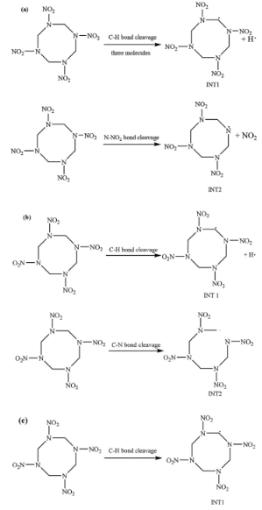 |  | A reaction labeled a, b, c presents three decomposition paths of H M X with molecules labeled I N T 1 to I N T 5 and radicals in N O 2, C H 2 N O 2, and hydrogen arranged in clockwise order. | The reaction labeled a, b, c occurs at pressures of 1, 5, 10, and 16 gigapascals in three labeled sections. Section a presents the H M X molecule on the left, forming I N T 1 and nitrogen dioxide through the breaking of carbon-nitrogen bonds. It then forms I N T 2 and a hydrogen radical through the cleavage of carbon-hydrogen bonds. All molecular structures and radicals are labeled in a clockwise order.
13 | 332 | FIG. 13.41 | Subsequent decomposition paths of (A) INT1 and (B) INT2 during the decomposition of the HMX crystals at 3500 K coupled with 1–16 GPa. Reproduced from D. Xiang, G. Ji, W. Zhu, Ab initio molecular dynamics simulations study on initial decompositions of β-HMX at high temperature coupled with high pressures, J. Chin. Chem. Soc. 66 (2019) 1429 with permission from John Wiley and Sons. | 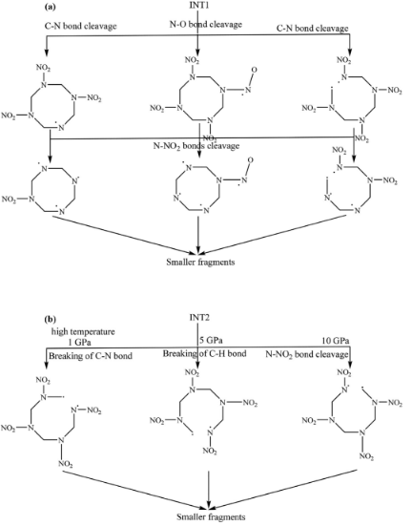 |  | A reaction presents decomposition paths of I N T 1 and I N T 2 through multiple bond cleavages and pressures, with fragments arranged in a clockwise direction, labeled a,b. | The reaction scheme presents decomposition pathways of I N T 1 and I N T 2 during H M X crystal breakdown at 3500 Kelvin, under pressures ranging from one to sixteen Gigapascals in two sections. Section A features I N T 1 at the top, followed clockwise by three arrows for carbon-hydrogen, nitrogen-oxygen, and carbon-nitrogen bonds. Each cleavage results in the formation of distinct molecular structures that further decompose into fragments. Section B presents I N T 2 at the top, followed clockwise by three arrows indicating carbon-nitrogen cleavage at high temperature and five gigapascals, carbon-hydrogen cleavage at five gigapascals, and nitrogen-nitrogen dioxide cleavage at ten gigapascals. All pathways ultimately lead to the formation of fragments.
13 | 334 | FIG. 13.42 | Presence ratio of different clusters containing different amounts of carbon atoms in the H2OdCO2 system at 2000 K (A) and 4000 K (B) coupled with different pressures. Reproduced from G. Xiong, S. Zhu, C. Yang, W. Zhu, Insight into interaction mechanisms of binary mixture systems of explosion products (H2O, CO2, and N2) at extreme high pressures and temperatures, Chem. Phys. Lett. 714 (2019) 103 with permission from Elsevier. | 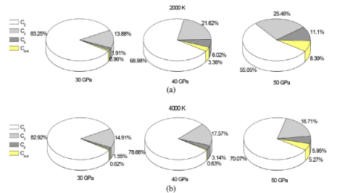 |  | A pie chart labeled a, b presents the presence ratio of different carbon atom clusters in the H subscript 2 O d C O subscript 2 system. | The pie chart consists of two main sections labeled a and b. Section a represents data at 2000 Kelvin, while Section b represents data at 4000 Kelvin. Each section has 3 pie charts corresponding to pressures of 30 GigaPascals, 40 GigaPascals, and 50 GigaPascals. In each pie chart, there are four categories of carbon 1, carbon 2, carbon 3, and carbon 4. The percentages for each cluster type vary across different temperatures and pressures. For example, at 2000 Kelvin and 30 GigaPascals, the Carbon 1 cluster is 89.25 percent. At 4000 Kelvin and 50 GigaPascals, the Carbon 1 cluster is 52.25 percent, the Carbon 2 cluster is 19.71 percent, the Carbon 3 cluster is 6.96 percent, and the Carbon 4 cluster is 6.66 percent.
13 | 335 | FIG. 13.43 | Hydrogen transfer to form water molecule. Reprinted (adapted) with permission from Z. He, J. Chen, Q. Wu, G. Ji, Initial decomposition of condensed-phase 1,3,5-triamino-2,4,6-trinitrobenzene under shock loading, J. Phys. Chem. C 121 (2017) 8227. Copyright (2017) American Chemical Society. | 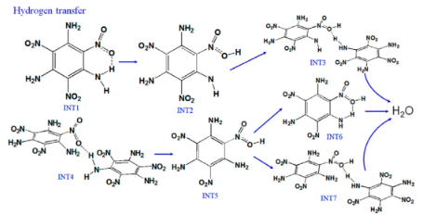 |  | A diagram presents hydrogen transfer from I N T 1 and I N T 4 through I N T 2 and I N T 5, leading clockwise to I N T 3, I N T 6, and I N T 7, each followed by the formation of one water molecule. | The diagram presents hydrogen transfer reactions forming water molecules. I N T 1 converts to I N T 2, which subsequently leads to I N T 3 and I N T 5. I N T 3 is connected to a water molecule. I N T 5 forms from both I N T 2 and I N T 4. From I N T 5, one path goes to I N T 6 and then to a water molecule, while another pathway leads to I N T 7 and then to a water molecule. Arrows connect each step clockwise, showing molecular changes and hydrogen bonds that occur before forming water.
13 | 336 | FIG. 13.44 | Electronic density of states (DOS) of the HMX crystal under shock compression for a sequence of times. Each curve is averaged over one hundred configurations. The Fermi energy is shown as a vertical line. Reproduced from W. Zhu, H. Huang, H.J. Huang, H. Xiao, Initial chemical events in shocked octahydro-1,3,5,7-tetranitro1,3,5,7-tetrazocine: a new initiation decomposition mechanism, J. Chem. Phys. 136 (2012) 044516 with permission from AIP Publishing. | 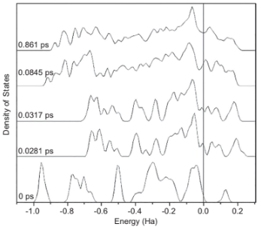 |  | A line graph presents five electronic density of states curves of H M X crystal under shock from 0 to 0.861 picoseconds with a vertical Fermi energy line at 0 Hartrees. | The line graph illustrates five curves that represent the electronic density of states of the H M X crystal under shock compression at 0, 0.0281, 0.0317, 0.0845, and 0.861 picoseconds. Each curve shifts upward over time, indicating changes in peak height, width, and distribution. The bottom curve displays sharp features, while the top curve becomes broader and smoother. The horizontal axis is labeled Energy in Hartrees, and the vertical axis is labeled Density of States. A vertical line at 0 Hartrees marks the Fermi energy.
13 | 337 | FIG. 13.45 | Initial decomposition of β-HMX with two-molecule vacancy under 9 km s1 shock loading. Reprinted (adapted) with permission from Z. He, J. Chen, G. Ji, L. Liu, W. Zhu, Q. Wu, Dynamic responses and initial decomposition under shock loading: A DFTB calculation combined with MSST method for β-HMX with molecular vacancy, J. Phys. Chem. B 119 (2015) 10673. Copyright (2015) American Chemical Society. | 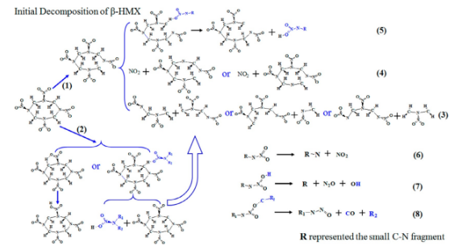 |  | A reaction scheme presents the initial decomposition of beta-H M X with 2 molecule vacancies under shock loading. | The reaction scheme illustrates the initial decomposition of beta H M X with two molecular vacancies under a 9 kilometer per second. The reaction features a central molecular structure that is a starting point for several decomposition pathways. This central structure is a large cage-like molecule containing multiple nitro groups and hydrogen atoms. Pathway one depicts the central molecule reacting to produce a larger fragment and a smaller radical. Pathway two shows the central molecule reacting to yield two smaller fragments. Pathways 3,4,5, depict the formation of various molecular fragments and gaseous products, including nitrogen dioxide. On the right side of the diagram, 3 reactions are labeled 6, 7, and 8, explaining the decomposition of various R groups, where R represents small C N fragments.
13 | 339 | FIG. 13.46 | The decomposition scheme for RDX. Reproduced from N. Ge, S. Bai, J. Chang, G. Ji, Shock response of condensed-phase RDX: molecular dynamics simulations in conjunction with the MSST method, RSC Adv. 8 (2018) 17312 with permission from The Royal Society of Chemistry. | 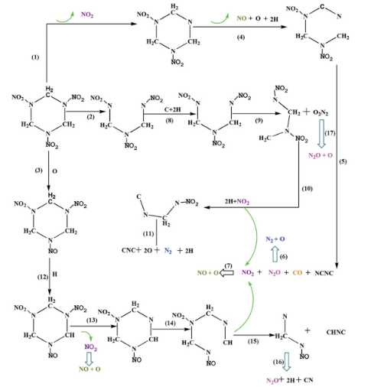 |  | A reaction scheme presents the R D X decomposition scheme with one central molecule forming various intermediates and final products through multiple labeled reaction paths. | The reaction scheme illustrates the decomposition scheme for R D X starting with a six-membered ring molecule with nitrogen, carbon, nitro, and methyl groups. From this initial molecule, Path 3 generates a second molecule and nitrogen dioxide. Path 4 produces a third molecule, nitric oxide, and two hydrogen atoms, which then yields a fourth molecule that branches into dinitrogen monoxide with oxygen and a product containing carbon, nitrogen, and sulfur. Path 2 forms an intermediate that reacts through Path 9 to produce carbon dioxide, oxygen, nitrogen, and another intermediate, which continues via Path 17. Additional branches include reactions through Paths 5, 12, 13, 14, 15, 10, 7, 8, and 16, resulting in the formation of molecules in C equals C, N O subscript 2, N subscript 2 O, C O, and N C S C.

