Sheet1
Chapter Name/Number | Page Number | Figure Number | Caption | Thumbnail | Category | Short Alt Text | Long Alt Text | Short Alt-text Length | Long Alt-text Length | Comments
14 | 351 | FIG. 14.1 | The dependence of impact sensitivity H50 for the explosives NG, PETN, DINA,TNETB, BTNEN, DNPTB, tetryl, TNB, andTNT vs the critical temperatures required for explosions to occur within 250 μs obtainedfrom Arrhenius rates. The sensitivity and critical temperatures were obtained from Table 1 ofRef. [35]. The broken line depicts a linear regression to the data and highlights the trendthat higher critical temperatures correlatedwith lower impact sensitivity. | 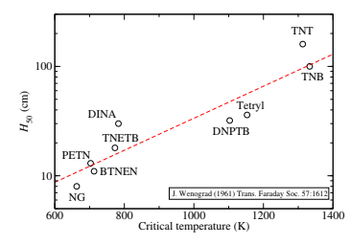 |  | A graph plotting H fifty in centimeters against critical temperature in kelvin for explosive compounds with a dashed trend line and compound names labeled. | The graph shows a plot of H subscript fifty in centimeters on the vertical axis and critical temperature in kelvin on the horizontal axis. The vertical axis uses a logarithmic scale ranging from one to one hundred, and the horizontal axis ranges from six hundred to fourteen hundred. Data points represent different explosive compounds labeled N G, P E T N, D I N A, B T N E N, T N E T B, D N P T B, Tetryl, T N B, and T N T. Each data point is marked with an open circle and labeled directly next to its respective point. A dashed trend line rises from the lower left to the upper right, indicating a positive correlation between critical temperature and H subscript fifty.
14 | 356 | FIG. 14.2 | Structures of ETN, L-ETN, PETN, ETNA, NQ, FOX-7, HMX, RDX, Tetryl, TNT, DAAF, and TATB. | 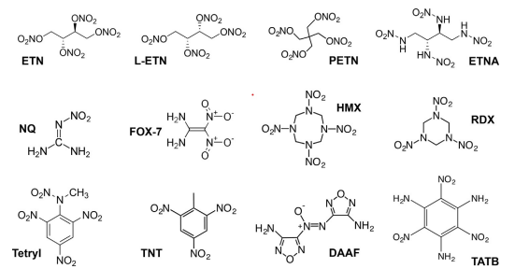 |  | A diagram with structural formulas of twelve labeled energetic compounds arranged in three rows. | The diagram shows chemical structures of twelve energetic compounds arranged in three rows and four columns. The first row includes E T N, L - E T N, P E T N, and E T N A. E T N and L - E T N display similar nitrate ester groups on a carbon chain, differing by stereochemistry. P E T N has a more branched nitrate ester structure. E T N A includes nitrogen and nitrate functional groups on a substituted chain. The second row includes N Q, F O X - 7, H M X, and R D X. N Q has a simple nitrogen-rich structure. FOX-7 features amino and nitro groups on a five-membered ring. HMX and RDX both have cyclic nitrogen backbones with multiple nitro groups. The third row includes Tetryl, T N T, D A A F, and T A T B. Tetryl has a substituted aromatic ring with multiple nitro groups. TNT contains a benzene ring with three nitro groups and a methyl group. D A A F includes fused nitrogen-containing rings with amino groups. T A T B presents a benzene ring with three nitro and three amino substituents in alternating positions. All structures are labeled directly below each compound.
14 | 358 | FIG. 14.3 | Evolution of the (A) kinetic temperature, (B) pressure, and (C) the HOMO-LUMO gap, ΔE, during a DFTB molecular dynamics simulation of liquid L-ETN. The initial temperature and pressure were 1000 K and 1 GPa, respectively. | 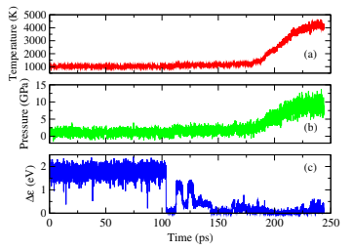 |  | A graph with three panels labeled a, b, and c plotting temperature, pressure, and energy change over time in picoseconds. | The graph contains three stacked panels labeled a, b, and c from top to bottom. The horizontal axis in all panels is labeled time in picoseconds and ranges from zero to two hundred fifty. The vertical axis of panel a is labeled temperature in Kelvin and ranges from one thousand to five thousand. The curve in panel a begins near one thousand and rises gradually, then sharply increases after approximately one hundred eighty picoseconds. The vertical axis of panel b is labeled pressure in gigapascal and ranges from zero to fifteen. The curve in panel b starts near one and gradually increases with time, reaching nearly fifteen at the end. The vertical axis of panel c is labeled delta E in electronvolts and ranges from zero to two. The curve in panel c fluctuates around two initially and then drops to values near one and below after around one hundred picoseconds, maintaining smaller fluctuations through the remainder of the time. Each panel presents a distinct data trace with fine time resolution and variable signal behavior.
14 | 358 | FIG. 14.4 | Arrhenius plot derived from the time to explosion from condensed-phase DFTB molecular dynamics simulations for TNT, DAAF, ETNA, HMX, RDX, PETN, ETN, and liquid L-ETN. | 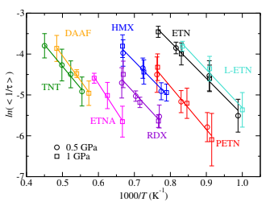 |  | A graph with lines and error bars for eight compounds comparing the natural logarithm of inverse average tau with the inverse of temperature for two pressure values. | The graph plots the natural logarithm of inverse average tau on the vertical axis and the inverse of temperature in per kelvin multiplied by one thousand on the horizontal axis. Data points include open circles representing zero point five gigapascal and open squares representing one gigapascal. Each compound is represented by a line with error bars and a name positioned near its corresponding trend. Compounds include T N T, D A A F, E T N A, H M X, R D X, E T N, L - E T N, and P E T N. All lines slope downward from left to right, indicating a decrease in natural logarithm of inverse average tau as the inverse of temperature increases. The lines appear generally parallel, with varying steepness. The vertical axis ranges from negative seven to negative three, and the horizontal axis ranges from zero point four to one point zero. All plotted lines are visually distinct, and trend labels are placed without overlap. A legend defines the symbols used for pressure conditions.
14 | 360 | FIG. 14.5 | Dependence of the measured drop height impact sensitivity of L-ETN, ETN, PETN, RDX, HMX, ETNA, DAAF, and TNT on the critical temperature required for explosion in 150 ps. All H50 values were measured using the Type 12 tool, except for liquid L-ETN which used a bare anvil. The broken line is a linear regression to the data. | 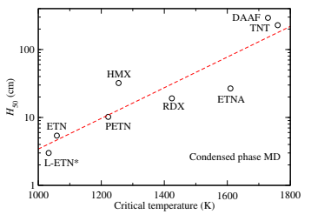 |  | A graph plotting H subscript fifty in centimeters against critical temperature in kelvin with compound names and a dashed trend line labeled condensed phase M D. | The graph plots H subscript fifty in centimeters on the vertical axis and critical temperature in kelvin on the horizontal axis. The vertical axis uses a logarithmic scale ranging from one to one hundred, and the horizontal axis ranges from one thousand to one thousand eight hundred. Circular data points are labeled with compound names including L- E T N asterisk, E T N, P E T N, H M X, R D X, E T N A, D A A F, and T N T. A dashed trend line extends diagonally upward across the graph. The label condensed phase M D is placed near the bottom right corner of the graph. L- E T N asterisk and E T N appear at the lower-left end with lower temperature and H subscript fifty values, while D A A F and T N T appear at the upper-right end with the highest values. The data points appear distributed around the trend line.
14 | 361 | FIG. 14.6 | Arrhenius plot for the rates at which the first bond-breaking events occur in DFTBbased molecular dynamics simulations for the explosive molecules ETN, L-ETN, PETN, RDX, HMX, ETNA, FOX-7, TNT, TATB, DAAF, NQ, and Tetryl. The rates are normalized by the number of energetic groups per molecule. The uncertainties on the rate data have been omitted for clarity. | 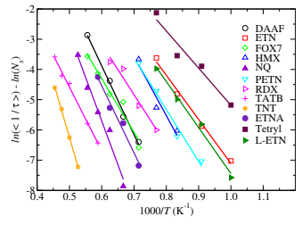 |  | A graph plotting the adjusted natural logarithm of inverse tau against inverse temperature for thirteen compounds using distinct symbols and lines. | The graph plots the difference between the natural logarithm of inverse average tau and the natural logarithm of N subscript x on the vertical axis, and one thousand divided by temperature in per kelvin on the horizontal axis. The vertical axis ranges from negative eight to negative two, and the horizontal axis ranges from zero point four to one point one. Thirteen compounds are plotted using different symbols and lines: D A A F with circles, E T N with open squares, F O X 7 with open diamonds, HMX with upward triangles, NQ with rightward triangles, P E T N with downward triangles, R D X with open leftward triangles, T A T B with filled squares, T N T with plus symbols, E T N A with filled circles, Tetryl with filled upward triangles, and L- E T N with filled rightward triangles. All curves slope downward from left to right, with each symbol matching the corresponding label in the legend on the right. The points follow clear linear trends for each compound. No axis grid lines or background annotations appear.
14 | 363 | FIG. 14.7 | Dependence of the measured drop height impact sensitivity of Tetryl, ETN, PETN, RDX, HMX, FOX-7, NQ, ETNA, DAAF, TATB, and TNT on the critical temperatures required for the first bond-breaking event to occur in τ¼ 1 ns in the gas phase. The drop weight sensitivities were measured using the Type 12 tool except for FOX-7, which used the Type 12B tool. The arrows denote that the H50for NQ and TATB are both in excess of 320 cm, the maximum possible drop height using the ERL apparatus. The broken line is linear regression to the data. | 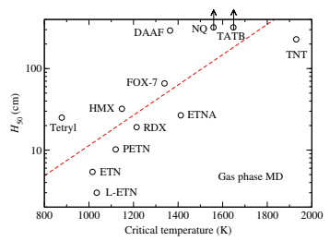 |  | A graph plots H subscript fifty in centimeters against critical temperature in kelvin with compound names, upward arrows for N Q and T A T B, and a dashed line labeled gas phase M D. | The graph plots H subscript fifty in centimeters on the vertical axis and critical temperature in kelvin on the horizontal axis. The vertical axis uses a logarithmic scale ranging from one to one thousand. The horizontal axis ranges from eight hundred to two thousand. Thirteen circular data points are labeled with compound names including L- E T N, E T N, P E T N, R D X, H M X, Tetryl, E T N A, F O X -7 , D A A F, N Q, T A T B, and T N T. A dashed trend line runs diagonally from the lower left to the upper right. Two vertical arrows point upward from the data points labeled NQ and TATB. The label gas phase M D is placed in the lower right quadrant. Compounds are dispersed around the trend line with L-ETN, E T N, and P E T N located in the lower-left portion, and T N T at the upper-right.

