Sheet1
Chapter Name/Number | Page Number | Figure Number | Caption | Thumbnail | Category | Short Alt Text | Long Alt Text | Short Alt-text Length | Long Alt-text Length | Comments
15 | 371 | FIG. 15.1 | Decision tree illustrating the chronology of thermal response. | 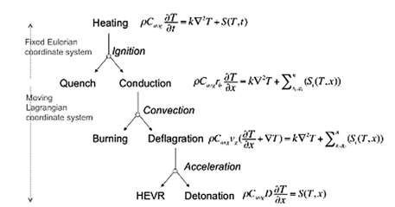 |  | A flowchart outlines thermal and chemical progression from heating through ignition, conduction, convection, burning, and detonation, using related equations and systems. | The flowchart outlines stages of thermal and chemical behavior, starting with heating, defined by an equation that involves density, specific heat, time derivative of temperature, thermal conductivity, and a source term dependent on time. From heating the sequence moves to ignition, which splits into quench and conduction. Quench ends the process. Conduction continues with an equation that includes the spatial derivative of temperature and a summation of spatially varying source terms. Conduction moves to convection, which transitions to burning. Burning leads to deflagration, defined by a convective thermal equation that includes spatial derivatives, velocity, thermal conductivity, and spatial source terms. Deflagration proceeds to acceleration and is divided into high explosive violent reaction and detonation. Detonation uses an equation involving density, specific heat, the spatial derivative of temperature, and a spatial source term. The top section operates under a fixed Eulerian coordinate system, while the lower section shifts to a moving Lagrangian coordinate system.
15 | 374 | FIG. 15.2 | Thermal ignition data for HMX, TATB, and PETN. | 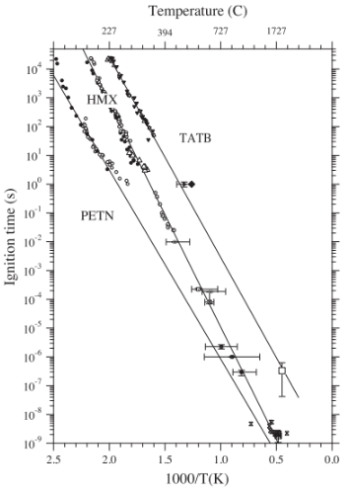 |  | A graph plots ignition time in seconds against reciprocal temperature in Kelvin for three substances, including H M X, P E T N, and T A T B, using a logarithmic scale and data points. | The graph plot titled Ignition time in seconds versus 1000 divided by temperature in Kelvin features a secondary horizontal axis labeled temperature in degrees Celsius. The primary horizontal axis, labeled 1000 divided by temperature in Kelvin, ranges from 0.0 to 2.5. The secondary horizontal axis displays corresponding temperature values in degrees Celsius, marked 1727, 727, 394, and 227. The vertical axis labeled Ignition time in seconds is presented on a logarithmic scale ranging from 10 to the power minus 9 to 10 to the power of 4. The plot includes data points and fitted lines for three energetic materials, P E T N, H M X, and T A T B. P E T N is represented by crosses, squares, and open squares, with some data points having error bars, and shows the shortest ignition times at given temperatures. H M X is depicted using triangles and open circles and shows intermediate ignition times. T A T B is plotted using open circles and diamonds and exhibits the longest ignition times across the temperature range. For each material, a straight trend line is drawn that reflects a linear decrease in ignition time with an increase in temperature, near 0.5 in the horizontal axis, indicating a typical Arrhenius relationship. Each material is distinctly grouped and labeled, and the graph clearly contrasts their ignition behaviors under various thermal conditions.
15 | 379 | u15-01-9780128229712 | - |  |  | A set of chemical reaction pathways shows that delta H M X converts into products via rate constants k subscript 2 a and k subscript 2 b. | The two chemical reaction pathways for delta H M X with two forward reaction pathways labeled k subscript 2 a and k subscript 2 b. The k subscript 2 a pathway leads to the formation of 4 H C N, 3 N O subscript 2, 2 H subscript 2 O, and 1 by 2 N subscript 2, labeled R 2 a. The k subscript 2 b pathway leads to 4 C H subscript 2 O, 2 N O subscript 2, and 3 N subscript 2, labeled R 2 b. |  |  | No caption for this image in the PDF.
15 | 379 | u15-02-9780128229712 | - |  |  | A set of chemical reaction pathways shows T A T B undergoing two possible decomposition routes via k subscript 2a and k subscript 2 b. | The two chemical reaction pathways for T A T B with two alternative decomposition routes are indicated by arrows. The first pathway, k subscript 2 a, produces 3 H C N, 3 N O subscript 2, 3 H, and 3 C, labeled R 2 a. The second pathway, k subscript 2 b, produces 3 H subscript 2 O, 3 N subscript 2, 3 C O, and 3 C, labeled R 2 b. |  |  | No caption for this image in the PDF.
15 | 380 | u15-03-9780128229712 | - |  |  | A decomposition reaction of P E T N into two products sets via k subscript 2 a and k subscript 2 b. | The decomposition reaction of P E T N occurs through two pathways. The k subscript 2 a route leads to the formation of 4 N O subscript 2, 4 C H subscript 2 O, and C, labeled R 2 a. The k subscript 2 b route produces 4 H subscript 2 O, 2 N subscript 2, 3 C O subscript 2, and 2 C O, labeled R 2 b. |  |  | No caption for this image in the PDF.
15 | 381 | FIG. 15.3 | Temperature dependence of the rate constants for the gas-phase component of the HS kinetic system. | 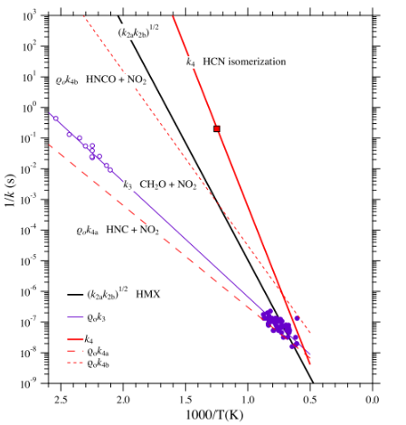 |  | A graph plot shows inverse rate constants in seconds against 1000 divided by temperature in Kelvin for various chemical reactions involving H C N isomerization, H M X and other species. | The graph plot shows inverse rate constants, 1 divided by k in seconds, on the vertical axis, ranging from 10 to the power of negative 9 to 10 to the power of 3, plotted against 1000 divided by temperature in Kelvin on the horizontal axis, ranging from approximately 0.0 to 2.5. A solid curve labeled k subscript 2a k subscript 2b to the power one half H M X appears with a positive slope. A second solid curve labeled k subscript 4 H C N isomerization also slopes positively and contains a square data point around 1000 divided by T equal to 1.25 and 1 divided by k equal to 10 to the power of negative 1 another solid curve labeled Q subscript 0 k subscript 3 C H subscript 2 O plus N O subscript 2 includes open circular data points distributed between 1000 divided by T values of approximately 1.5 and 2.5. A similar solid curve labeled Q subscript 0 k subscript 4a H N C plus N O subscript 2 shows solid circular data points grouped between 0.5 and 1.25. Several dashed curves appear one labeled Q subscript 0 k subscript 4 a runs parallel to the H N C plus N O subscript 2 curve, another labeled Q subscript 0 k subscript 4 b H N C O plus N O subscript 2 has a steeper slope, and a final dashed curve labeled k subscript 2 a k subscript 2 b to the power one half runs parallel to the solid H M X curve. All lines represent temperature-dependent rate behavior with upward trends with temperature increases.
15 | 388 | FIG. 15.4 | Adiabatic thermal ignition in HMX at 200 C. | 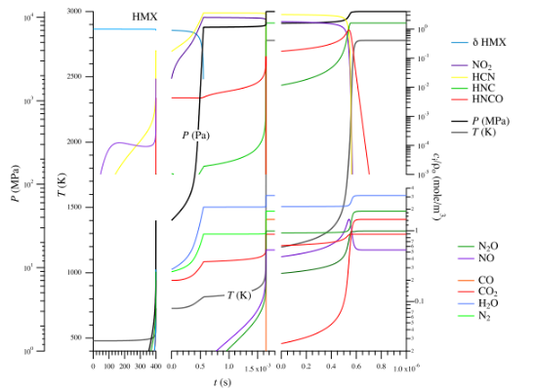 |  | A multi-line graph illustrates the decomposition of H M X, containing changes in pressure, temperature, and mole fractions over time for various substances, including hydrogen cyanide and C O. | The multi-line graph illustrates the decomposition of H M X. The left column contains two plots. The top left plot presents pressure in megapascals on the left vertical axis, ranging from 1 to 100 megapascals, and temperature in kelvins on the right vertical axis, ranging from 500 to 3000 kelvins, both plotted against time in seconds on the horizontal axis, from 0 to 400 seconds. The bottom left plot shows the same variables with identical vertical axis ranges, but the time on the horizontal axis ranges from 0 to 1.5 seconds. The middle column contains two plots. The top middle plot shows mole fractions of delta H M X, nitrogen dioxide, hydrogen cyanide, hydrogen isocyanide, and isocyanic acid on the vertical axis from 0.0001 to 10, against time in seconds on the horizontal axis from 0 to 1500 seconds. The bottom middle plot presents mole fractions of dinitrogen monoxide, nitric oxide, carbon monoxide, carbon dioxide, water, and nitrogen with the same vertical axis range plotted against the same horizontal time scale. The right column has two plots showing the same species in the middle column, but over a shorter timescale. The top right plot shows mole fractions of delta H M X, nitrogen dioxide, hydrogen cyanide, hydrogen isocyanide, and isocyanic acid from 0.0001 to 10, plotted against time from 0 to 0.000001 seconds. The bottom right plot displays mole fractions of dinitrogen monoxide, nitric oxide, carbon monoxide, carbon dioxide, water, and nitrogen on the same vertical axis range and horizontal time range.
15 | 389 | FIG. 15.5 | Adiabatic thermal ignition in TATB at 300 C. | 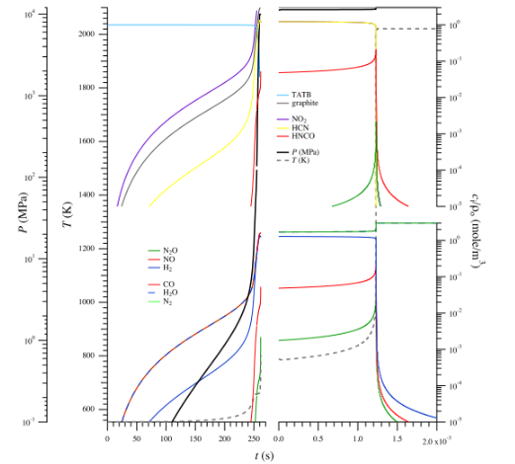 |  | A graph shows an aligned plot in two rows and three columns of pressure, temperature, and species concentrations during T A T B decomposition over long and short time scales. | The graphs align in two rows and three columns, present pressure, temperature, and mole fraction changes during H M X decomposition. The left column presents pressure in megapascals on the left vertical axis and temperature in kelvins on the right vertical axis, both plotted against time in seconds on the horizontal axis. The top left graph shows time from 0 to 400 seconds, while the bottom left graph shows time from 0 to 1.5 seconds. The middle column presents mole fractions of delta H M X, nitrogen dioxide, hydrogen cyanide, hydrogen isocyanide, and isocyanic acid on the vertical axis, plotted against time in seconds on the horizontal axis, ranging from 0 to 1.5 times 10 to the power 3 seconds in the top middle graph. The bottom middle graph shows the mole fractions of dinitrogen monoxide, nitric oxide, carbon monoxide, carbon dioxide, water, and nitrogen across the same time range. The right column contains the same species as the middle column, but plotted against a much shorter time scale from 0 to 1.0 times 10 to the power of negative 6 seconds.
15 | 390 | FIG. 15.6 | Adiabatic thermal ignition in PETN at 140 C. | 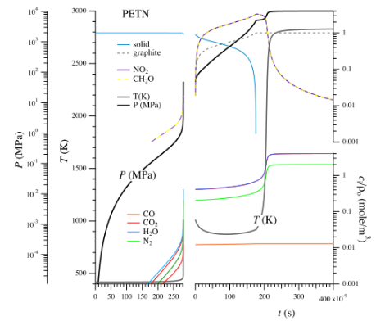 |  | A four-panel graph shows pressure, temperature, and species concentrations during P E T N decomposition over long and short time scales. | The four-panel graphs arranged in a 2 by 2 panel layout present the thermal decomposition behavior of Pentaerythritol tetranitrate, P E T N, over different time scales. The left column covers a time range from 0 to 250 seconds, and the right column zooms in on a shorter interval from 0 to 400 times 10 to the power of minus 9 seconds. In the top left plot, the vertical axis represents pressure in megapascal, which ranges from 10 to the power of minus 4 to 10 to the power of 4, and temperature in Kelvin, which ranges from 500 to 3000. The graph shows that both pressure and temperature remain nearly constant initially and then rise sharply between 200 and 250 seconds. This subplot also includes curves for the initial solid P E T N, which decreases, and graphite, which increases. The bottom left plot illustrates the concentrations of carbon monoxide, carbon dioxide, water, and nitrogen in mol per meter cubed normalized by initial density, using a logarithmic right vertical axis that ranges from 10 to the power of minus 4 to 10 to the power of 1. These species exhibit slow increases followed by a sharp rise after 200 seconds. The top right plot uses the same vertical axes for pressure and temperature and focuses on a shorter time scale from 0 to 400 times 10 to the power of minus 9 seconds. This graph shows a sharp increase in pressure and temperature occurs between 200 and 300 times 10 to the power of minus 9 seconds. Concentrations of nitrogen dioxide and formaldehyde are also illustrated using a logarithmic right vertical axis from 0.001 to 1000 mol per meter cubed. These species fluctuate, with some peaks and then declines. The bottom right plot continues the illustration of product gases carbon monoxide, carbon dioxide, water, and nitrogen over the same short time interval, showing rapid changes between 200 and 300 times 10 to the power of minus 9 seconds. A common legend on the top right lists all plotted parameters and species solid P E T N, graphite, nitrogen dio
15 | 391 | FIG. 15.7 | Product equation of state trajectory for HMX from Fig. 15.4. Curves in gray are from the EOS for N2. | 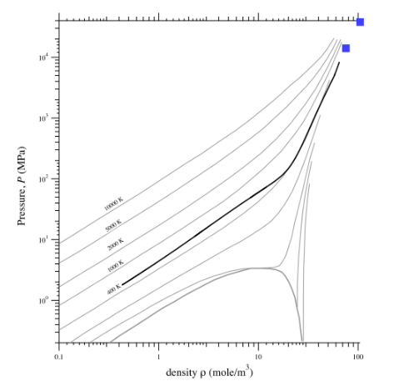 |  | A graph plot shows pressure in megapascals versus density in moles per cubic meter with isotherms at various temperatures, a thick line crosses them, and 2 square markers at high pressure and density. | The graph plot presents pressure in megapascals versus density in moles per cubic meter. The horizontal axis ranges from 0.1 to 100 moles per cubic meter on a logarithmic scale, and the vertical axis ranges from 0.1 to 100000 megapascals on a logarithmic scale. Multiple thin curves represent isotherms for constant temperatures labeled 400 kelvin, 1000 kelvin, 2000 kelvin, 5000 kelvin, and 10000 kelvin. These curves generally show an increase in pressure with an increase in density at higher densities, near 20 to 30 moles per cubic meter. Lower temperature isotherms illustrate non-monotonic behavior with dips and rises. A bold curve starts at low pressure and density and moves upward toward high pressure and density, intersecting several isotherms. In the upper right section of the graph, two square markers indicate data points. One marker is near 100 mole per cubic meter and 30000 megapascal, and the other is close to 90 mole per cubic meter and 15000 megapascal.
15 | 393 | FIG. 15.8 | Pressure derivative plotted as a function of the time minus the time of solid consumption. |  |  | A graph contains three horizontally arranged plots comparing pressure and rate of pressure change over time for P E T N, H M X, and T A T B, each showing two lines: pressure and d P by d t. | The graph contains three horizontally arranged plots comparing the evolution of pressure and the rate of pressure change during the decomposition of three energetic materials: P E T N in the left plot, H M X in the middle and T A T B in the right. Each plot has time relative to solid depletion in seconds on the horizontal axis, where zero represents the point of complete solid consumption for each material. The left vertical axis shows pressure in pascals, and the right vertical axis shows the rate of change of pressure with respect to radius in joules per cubic meter per second. Each plot includes two lines representing pressure and another line representing the pressure change rate. In the P E T N plot, time ranges from negative one hundred fifty to one hundred seconds, pressure spans from ten thousand to ten billion pascals on a logarithmic scale, and the line shows two sharp peaks near negative fifty and twenty seconds. In the H M X plot, time ranges from negative zero point zero zero five to zero point one seconds, pressure increases rapidly to a plateau reaching ten billion pascals, and the line shows one sharp peak just before zero. In the T A T B plot, time ranges from negative four to zero point one seconds, pressure increases earlier and levels off similarly, and the line shows a single peak at zero.
15 | 393 | FIG. 15.9 | Adiabatic thermal ignition of PETN, HMX, and TATB. | 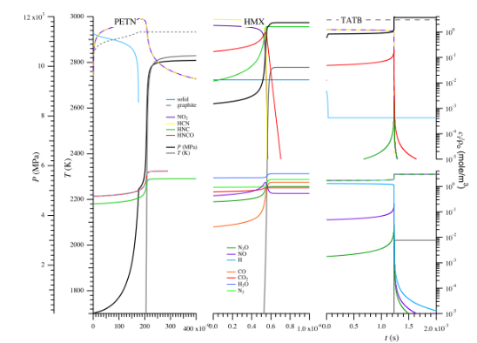 |  | A three-panel plot shows decomposition data for P E T N, H M X, and T A T B, each with three vertically aligned graphs showing pressure and temperature, and nitrogen species concentrations. | The three-panel plot shows thermal decomposition behavior of P E T N, H M X, and T A T B, each represented in its own vertical column of three aligned subplots, sharing a common horizontal axis for time in seconds. The top subplot in each column illustrates pressure on the left vertical axis in megapascals from 0 to 12 and temperature on the right vertical axis in kelvin from 1700 to 3000. P E T N spans from 0 to 400 seconds, H M X from 0.0 to 1.0 seconds, and T A T B from 0.0 to 2.0 seconds. Each top graph includes a solid line indicating solid depletion, a dashed line for graphite, and steep rise curves for pressure and temperature, with the decomposition transition marked by a vertical line. The middle subplot of each column shows normalized concentrations of nitrogen contains species on a logarithmic scale from 10 to the power of minus 5 to 10 to the power of 0, includes N O subscript 2, H C N, H N C, H N C O, N subscript 2 O, N O, and H, plotted over the same time ranges. The bottom subplot presents normalized concentrations for other products such as C O, C O subscript 2, H subscript 2 O, and N subscript 2, also on a logarithmic scale and over the same time scales.
15 | 395 | FIG. 15.10 | Thermal ignition of secondary explosives in the detonation regime. | 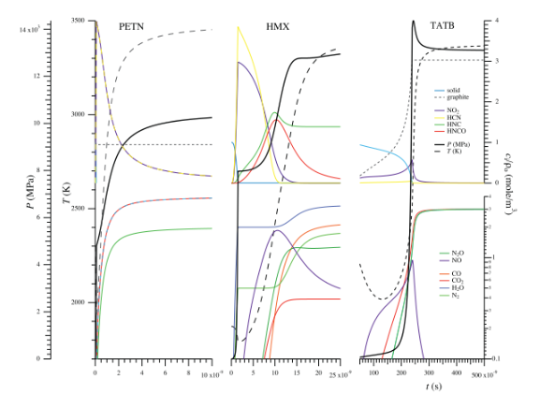 |  | A multi-panel graph shows decomposition data for P E T N, H M X, and T A T B with pressure, temperature, and concentration plots in three vertical columns. | The multi-panel graph shows three vertical columns of plots labeled P E T N, H M X, and T A T B, each representing an energetic material. Each column has three stacked plots that share a horizontal axis labeled time in seconds. The top plot shows pressure on the left vertical axis in megapascals from 0 to 12 and temperature on the right vertical axis in kelvins from 1700 to 3000. Solid phase decreases over time while pressure and temperature rise rapidly near a vertical line that marks the decomposition point. The middle plot in each column shows normalized concentration of nitrogen-based species such as nitrogen dioxide, hydrogen cyanide, hydrogen isocyanide, and isocyanic acid on a logarithmic scale from 10 superscript minus 5 to 10 superscript 0. The bottom plot in each column shows normalized concentration of other decomposition products, including nitrous oxide, nitric oxide, hydrogen, carbon monoxide, carbon dioxide, water, and nitrogen, also on a logarithmic scale. Legends identify the plotted species that are placed below the P E T N and H M X columns. The time axis range varies by material P E T N spans 0 to 400 seconds, H M X spans 0 to 1 second, and T A T B spans 0 to 2 seconds. All plots include a vertical line indicating the time of deflagration. The materials are arranged from left to right in the order of P E T N, H M X, and T A T B.
15 | 396 | FIG. 15.11 | Final product ratio for adiabatic thermal explosion and detonation in HMX. | 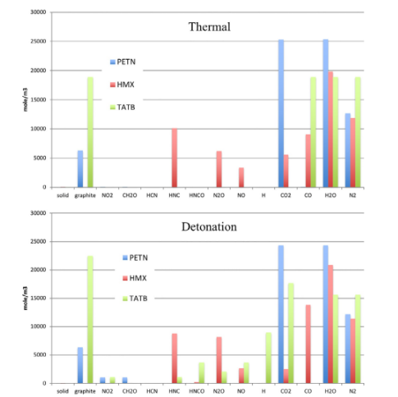 |  | A set of bar charts compares final product concentrations for P E T N, H M X, and T A T B under thermal and detonation decomposition conditions. | The set of bar charts compares the final product concentrations of three energetic materials, P E T N, H M X, and T A T B, under two different decomposition conditions labeled thermal and detonation. Both charts have identical horizontal axes that represent chemical species, including solid, graphite, nitrogen dioxide, formaldehyde, hydrogen cyanide, hydrogen isocyanide, isocyanic acid, nitrous oxide, nitric oxide, hydrogen, carbon dioxide, carbon monoxide, water, and nitrogen. The vertical axis in both charts is labeled mols per cubic meter and ranges from 0 to 30,000. The top chart represents thermal decomposition, P E T N shows 6,000 mols per cubic meter of unreacted solid, while H M X and T A T B show negligible remaining solid. T A T B forms the most graphite at around 19,000 mols per cubic meter, followed by P E T N at about 7,000, while H M X contributes very little. H M X generates high concentrations of hydrogen cyanide 10,000, nitrous oxide around 6,000, and nitric oxide around 3,000. T A T B forms about 3,000 isocyanic acid and 1,000 nitrous oxide, while P E T N produces minimal intermediate nitrogen-containing species. For the common products, P E T N generates the most carbon dioxide and water at around 25,000 mols per cubic meter each, followed by T A T B with 17,000 carbon dioxide and 19,000 water, and H M X with minimal carbon dioxide but 20,000 water. T A T B produces the most carbon monoxide at 19,000, followed by P E T N and H M X with about 9,000 each. T A T B leads nitrogen production at 15,000, followed by P E T N at 12,000 and H M X at 11,000. The bottom chart represents detonation, the patterns are similar but with some variations. P E T N again shows about 6,000 of unreacted solid, while H M X and T A T B show negligible amounts. T A T B produces more graphite at 20,000, while P E T N remains at about 7,000, and H M X still shows little. H M X forms about 9,000 hydrogen cyanide and 8,000 nitrous oxide, with T A T B forming about 4,000 isocy
15 | 396 | FIG. 15.12 | Comparison of final product ratio for HMX ignition under detonation temperatures with CHEETAH and DFTB. | 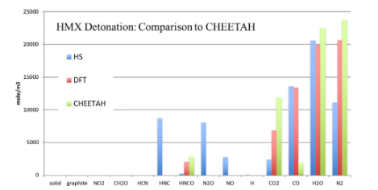 |  | A bar chart compares final product concentrations of H M X detonation predicted by H S, D F T, and C H E E T A H across 14 chemical species. | The bar chart titled H M X Detonation Comparison to C H E E T A H presents the final product concentrations in mole per cubic meter for H M X detonation predicted use three methods H S, D F T, and C H E E T A H. The horizontal axis lists 14 species solid, graphite, nitrogen dioxide, formaldehyde, hydrogen cyanide, hydrogen isocyanide, isocyanic acid, dinitrogen monoxide, nitric oxide, hydrogen, carbon dioxide, carbon monoxide, water, and nitrogen. The vertical axis ranges from 0 to 25000 moles per cubic meter. A legend indicates three methods with different bar styles. For solid, graphite, nitrogen dioxide, formaldehyde, and hydrogen, all three methods show negligible or no concentrations. For hydrogen cyanide, H S predicts approximately 9000 moles per cubic meter, while D F T and C H E E T A H show none. For hydrogen isocyanide, D F T predicts about 2500 moles per cubic meter, with negligible results from the other methods. For isocyanic acid, C H E E T A H predicts about 3000 moles per cubic meter. For dinitrogen monoxide, H S predicts about 8500 moles per cubic meter, C H E E T A H predicts about 1000, and D F T shows none. For nitric oxide, H S predicts about 2500 moles per cubic meter, and others predict none. For carbon dioxide, C H E E T A H predicts approximately 12000, D F T about 7000, and H S about 2000. For carbon monoxide, H S and D F T predict about 13500 and 13000, respectively, while C H E E T A H shows about 2500. For water, H S predicts about 20500, D F T about 20000, and C H E E T A H about 22500. For nitrogen, C H E E T A H shows the highest at 24000, D F T at 20500, and H S at 11000. The chart emphasizes the variation in species concentrations among the methods.

