Sheet1
Chapter Name/Number | Page Number | Figure Number | Caption | Thumbnail | Category | Short Alt Text | Long Alt Text | Short Alt-text Length | Long Alt-text Length | Comments
16 | 409 | FIG. 16.1 | Some conformations obtained for HMX: conformer ranked #0 (i.e., the one with lowest energy) obtained using Open Babel, and conformers ranked #0 and #11 obtained using CREST. The latter is the boat conformer ob-served in the δ phase of the HMX crystal. |  |  | Three distinct 3-dimensional ball-and-stick models of molecules are displayed, each showing a complex arrangement of atoms. | The 3 distinct 3-dimensional ball and stick models of the same molecule are presented from different perspectives. Each model features a central ring-like structure composed of spheres, which represent carbon and nitrogen atoms, respectively. Spheres depict oxygen atoms and hydrogen atoms. Bond connections are shown as thin cyan sticks. The molecules appear to be nitramine or similar explosive compounds, characterized by multiple nitro or N O 2 groups attached to the main carbon and nitrogen framework. The arrangement of atoms, particularly the presence of several nitro groups and the cyclic nature, is consistent across all three views, with slight rotations allowing for a comprehensive visualization of the molecular structure from various angles.
16 | 412 | FIG. 16.2 | Ambiguity in the decomposition of etabonic acid into groups. In the lack of specific parameters for the etabonic group –OCOOH, the latter can be viewed as a combination of either –O– and –COOH or –O(C1⁄4O)–and –OH. |  |  | A pair of chemical structures of an ethyl ester is shown, with different functional groups highlighted by ovals. | The pair of identical chemical structures appears to be an ethyl acetate molecule, each highlighting different functional groups using ovals. Both structures show a two-carbon ethyl chain on the left, connected to an oxygen atom, which is then connected to a carbonyl group or carbon double-bonded to oxygen and a hydroxyl group or O H.
16 | 413 | FIG. 16.3 | The two methylene moieties (–CH2–) in propylamine can be treated as two instances of the same group (left) or as belonging to distinct groups (right). This must not have any dramatic effect on the properties to be predicted. |  |  | A pair of identical chemical structures of an amine, each showing different sections highlighted by circles. | The pair of identical chemical structures is displayed side by side. Both structures represent a 3-carbon chain with an amino group attached. From left to right, each molecule starts with a methyl group or H 3 C, followed by two C H 2 groups, and ending with an amino group or N H 2. In the structure on the left, two adjacent C H 2 groups in the middle of the chain are highlighted by two overlapping circles. In the structure on the right, the leftmost C H 2 group is highlighted by a circle, and the rightmost C H 2 group adjacent to the N H 2 is highlighted by a circle.
16 | 419 | FIG. 16.4 | Friction sensitivities evaluated using the present Python lines compared to experiment. The upward arrows illustrate the role of the highly specific –N(NO2)–TNP cor-rection. The downward arrow shows the in-crease in predicted sensitivity for EDNA as the negative correction FS 1⁄4 1.4 is applied. | 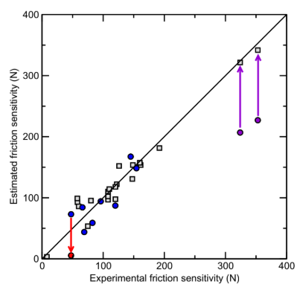 |  | A scatter plot titled Estimated friction sensitivity versus Experimental friction sensitivity displays data points, a diagonal line, and two vertical arrows. | The scatter plot titled Estimated friction sensitivity or N on the vertical axis versus Experimental friction sensitivity or N on the horizontal axis, both ranging from 0 to 400 newtons. A solid diagonal line runs from the origin to the top right corner, representing perfect agreement between estimated and experimental values. Various data points are plotted for empty squares, solid circles, and a single solid circle. A vertical arrow points downwards from a circle to another circle, indicating a deviation from the diagonal line. Two vertical arrows point upward from circles to squares, also indicating deviations from the diagonal line.
16 | 420 | FIG. 16.5 | Friction sensitivity (N) of five en- ergetic salts (excluding cation HO–NH+ 3 ) shar-ing the same anion plotted as a function of the theoretical molar volume of the salt. The line stems from a linear regression restricted to salts with organic cations. | 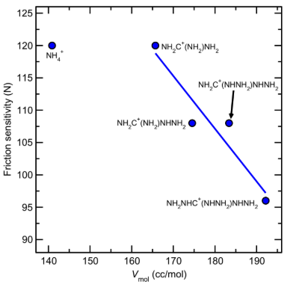 |  | A scatter plot titled Friction sensitivity versus V subscript mol shows several data points with chemical formulas, and a line connecting some of them. | The scatter plot titled Friction sensitivity or N on the vertical axis, ranging from 90 to 125 Newtons, versus V subscript mol on the horizontal axis, ranging from 140 to 190 cubic centimeters per mole. Several data points are plotted for solid circles, each labeled with a chemical formula. The data points include, N H subscript 4 superscript positive at approximately 140, 120, N H subscript 2 C superscript positive open parenthesis N H subscript 2 close parenthesis N H subscript 2 at approximately 165, 120, N H subscript 2 C superscript positive open parenthesis N H subscript 2 close parenthesis N H N H subscript 2 at approximately 175, 108, and N H subscript 2 N H C superscript positive open parenthesis N H N H subscript 2 close parenthesis N H N H subscript 2 at approximately 191, 96. There is also a point labeled N H subscript 2 C superscript positive open parenthesis N H N H subscript 2 close parenthesis N H N H subscript 2 with an arrow pointing to it, located at approximately 183, 108. A straight line connects the point N H subscript 2 C superscript positive open parenthesis N H subscript 2 close parenthesis N H subscript 2 to N H subscript 2 N H C superscript positive open parenthesis N H N H subscript 2 close parenthesis N H N H subscript 2, indicating a trend.
16 | 422 | FIG. 16.6 | Friction sensitivity data (N) of neutral nitramine compounds reported: (A) as a function of the ratio Ea/Natoms of the activation energy for thermolysis to the number of atoms in the molecule for the four compounds with a nitrobenzenic group; (B) as a function of ρQ/EG for all 23 neutral nitramines, with nitrobenzenic ones shown with light symbols. | 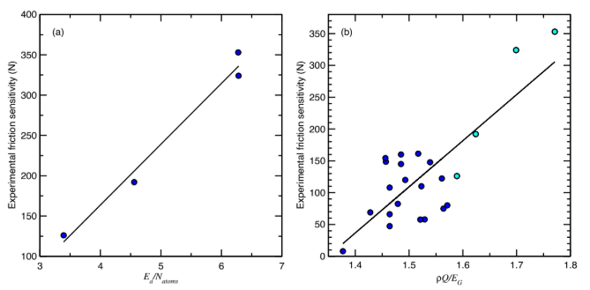 |  | A pair of scatter plots is displayed, labeled a and b, showing Experimental friction sensitivity against different horizontal axis variables with data points and trendlines. | The pair of scatter plots is presented side by side, both showing Experimental friction sensitivity or N on the vertical axis, which ranges from 100 to 400 Newtons in plot a and from 0 to 350 Newtons in plot b. Plot A is titled Experimental friction sensitivity or N versus E subscript a slash N subscript atoms on the horizontal axis, which ranges from 3 to 7. There are 5 circular data points and a solid trendline showing a positive linear correlation. Plot b is titled Experimental friction sensitivity or N versus rho Q slash E subscript G on the horizontal axis, which ranges from 1.4 to 1.8. This plot contains numerous circular data points in two different shades. A solid trendline indicates a general positive linear correlation, though with more scatter than in plot A.
16 | 426 | FIG. 16.7 | Assessment of the FFX method [98] for impact sensitivity: calculated vs experimen-tal logðh50Þ values for the training, validation, and test sets. Compound (23) is described in Ref. [100]. HNFX is the only compound bearing the NF2 moiety, which is not represented in the training set. | 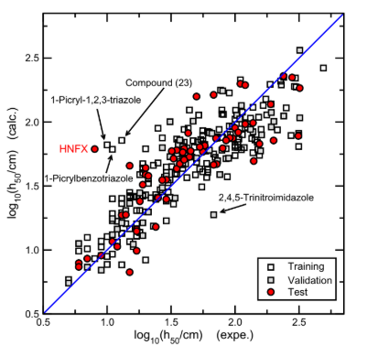 |  | A scatter plot with logarithmic values displays training, validation, and test data points, with a diagonal line and some labeled outliers. | The scatter plot shows log subscript 10 open parenthesis h subscript 50 slash centimeter close parenthesis or calculus on the vertical axis against log subscript 10 open parenthesis h subscript 50 slash centimeters close parenthesis or experimental on the horizontal axis, both ranging from 0.5 to 2.5. A diagonal line represents the ideal case where calculated values equal experimental values. The plot includes three types of data points, as indicated by the legend in the bottom right, empty squares for Training data, solid squares for Validation data, and solid circles for Test data. Several data points are specifically labeled with chemical names. H N F X is near the top left, 1 Picryl 1,2,3 triazole is above it, Compound 23 is further right, 1 Picrylbenzotriazole is below H N F X, and 2,4,5 Trinitroimidazole is in the lower right quadrant. The data points are scattered around the diagonal line, suggesting varying degrees of agreement between calculated and experimental values.
16 | 427 | FIG. 16.8 | Predicted impact sensitivities for putative compounds bearing three aromatic NO2 groups and with typical values of the heat of explosion (5.5 kJ/g) and Gurney energy (5700 MJ/kg) as a function of the number of al- iphatic C–NO2 groups. | 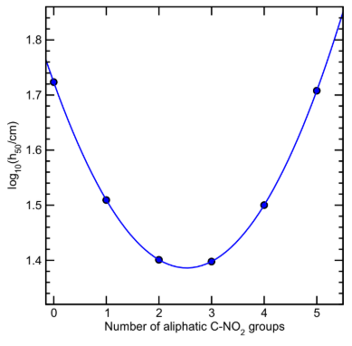 |  | A line graph presents logarithmic values versus the Number of aliphatic groups that shows a U-shaped curve with plotted data points. | The line graph displays log subscript 10 open parenthesis h subscript 50 slash centimeter close parenthesis on the vertical axis, ranging from 1.4 to 1.8, against Number of aliphatic C hypen N O subscript 2 groups on the horizontal axis, ranging from 0 to 5. There are six solid circular data points plotted, and a solid curve connects these points, forming a U-shaped or parabolic trend. The data points are located at approximately 0, 1.73, 1, 1.51, 2, 1.40, 3, 1.40, 4, 1.50, and 5, 1.71.

